Biyokimya
Numune Adı | TTL(µmol/L) | NTL(µmol/L) | Disülfit | NOT
1-SN | 288 | 215 | 36.5 |  | Bu çalışmada "Relassay" marka kitler kullanılmıştır.
2-SN | 417 | 185 | 116 |  | Kullanılan cihaz: Mindray marka BS300 model tam otomatik biyokimya cihazı
3-SN | 242 | 215 | 13.5 |  | TTL: Total Thiol
5-SN | 1097 | 217 | 440 | ağır lipemi | NTL: Native Thiol
7-SN | 248 | 211 | 18.5 |  | Disülfit: Thiol/ Disülfit Dengesi
8-SN | 282 | 227 | 27.5
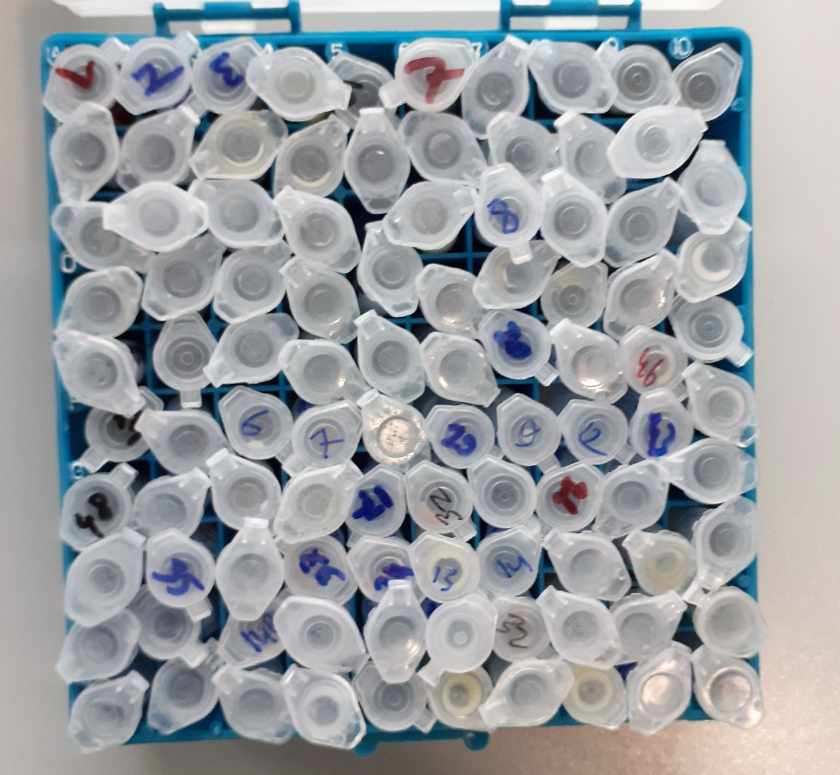
9-SN | 244 | 131 | 56.5
10-SN | 324 | 198 | 63
11-SN | 303 | 230 | 36.5
12-SN | 447 | 280 | 83.5 | lipemi
13-SN | 422 | 188 | 117 | lipemi
15-SN | 320 | 246 | 37
16-SN | 350 | 156 | 97
158-SB | 90 | 23 | 33.5
14-B | 47 | 18 | 14.5
92 BM-Y | 84 | 18 | 33
1-BM | 49 | 17 | 16
19-BM | 77 | 14 | 31.5
32-BM | 76 | 15 | 30.5
54-BM | 331 | 20 | 155.5
66-BM | 500 | 12 | 244
80-BM | 109 | 12 | 48.5
91-BM | 196 | 13 | 91.5
149-BM | 39 | 14 | 12.5
156-BM | 40 | 13 | 13.5
157-BM | 71 | 14 | 28.5
164-BM | 80 | 14 | 33
177-BM | 24 | 18 | 3
19-SNMD | 319 | 185 | 67
18-SNMD | 311 | 261 | 25
12-SKMS | 382 | 256 | 63
2-SKMS | 306 | 206 | 50
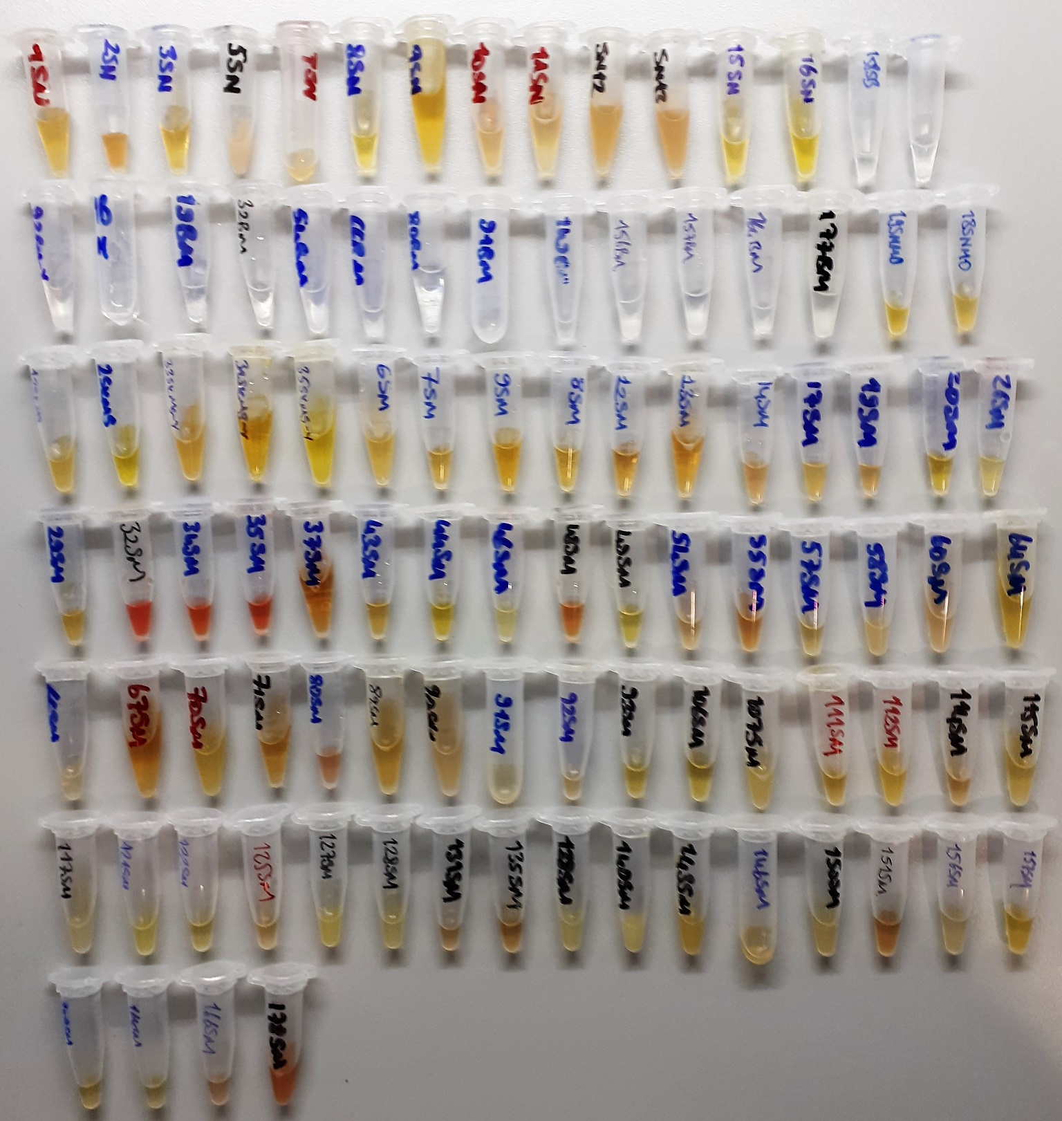
33 SKMS-Y | 354 | 230 | 62
31 SKMS-Y | 341 | 241 | 50
35 SKMS-Y | 234 | 182 | 26
6-SM | 342 | 218 | 62
7-SM | 304 | 210 | 47
8-SM | 276 | 220 | 28
9-SM | 350 | 311 | 19.5
12-SM | 273 | 259 | 7
13-SM | 253 | 187 | 33
14-SM | 315 | 231 | 42
17-SM | 368 | 206 | 81
19-SM | 349 | 247 | 51
20-SM | 217 | 193 | 12
26-SM | 321 | 189 | 66
29-SM | 386 | 233 | 76.5
32-SM | 565 | 263 | 151 | hemolizli
34-SM | 543 | 476 | 33.5 | hemolizli
35-SM | 523 | 287 | 118 | hemolizli
37-SM | 353 | 220 | 66.5
43-SM | 318 | 192 | 63
44-SM | 285 | 184 | 50.5
46-SM | 335 | 214 | 60.5
48-SM | 369 | 256 | 56.5 | hemolizli
49-SM | 294 | 186 | 54
54-SM | 343 | 265 | 39
55-SM | 382 | 304 | 39
57-SM | 253 | 193 | 30
58-SM | 462 | 212 | 125 | lipemi
60-SM | 430 | 280 | 75
64-SM | 324 | 183 | 70.5
66-SM | 362 | 201 | 80.5
67-SM | 343 | 271 | 36
70-SM | 430 | 163 | 133.5
71-SM | 325 | 303 | 11
80-SM | 353 | 242 | 55.5 | hemolizli
89-SM | 460 | 361 | 49.5
90-SM | 624 | 329 | 147.5 | lipemi
91-SM | 250 | 227 | 11.5
92-SM | 296 | 165 | 65.5
93-SM | 319 | 201 | 59
106-SM | 268 | 213 | 27.5
107-SM | 377 | 210 | 83.5 | lipemi
111-SM | 267 | 251 | 8
112-SM | 277 | 155 | 61
114-SM | 362 | 227 | 67.5
115-SM | 267 | 170 | 48.5
117-SM | 372 | 150 | 111 | lipemi
121-SM | 267 | 164 | 51.5
122-SM | 276 | 264 | 6
125-SM | 274 | 258 | 8
127-SM | 335 | 170 | 82.5 | lipemi
128-SM | 342 | 210 | 66
131-SM | 309 | 250 | 29.5
135-SM | 280 | 181 | 49.5
138-SM | 426 | 184 | 121
140-SM | 598 | 155 | 221.5 | lipemi
143-SM | 286 | 138 | 74
146-SM | 216 | 158 | 29
150-SM | 392 | 200 | 96
151-SM | 339 | 252 | 43.5
156-SM | 306 | 223 | 41.5
157-SM | 321 | 217 | 52
159-SM | 207 | 141 | 33
164-SM | 270 | 192 | 39
166-SM | 288 | 182 | 53
178-SM | 473 | 210 | 131.5 | hemolizli

