AChE
2.428 | 0.496 | 0.433 | 0.33 | 0.355 | 0.556
1.604 | 0.482 | 0.443 | 0.357 | 0.381 | 0.515
0.967 | 0.502 | 0.472 | 0.412 | 0.385
0.615 | 0.422 | 0.411 | 0.587 | 0.498
0.401 | 0.437 | 0.434 | 0.506 | 0.399
0.113 | 0.412 | 0.417 | 0.462 | 0.38
0.333 | 0.448 | 0.418 | 0.561 | 0.36
0.429 | 0.451 | 0.557 | 0.519 | 0.321

AChE

 | abs | abs-blank | expected | result
std1 | 2.428 | 2.315 | 160 | 159.41
std2 | 1.604 | 1.491 | 80 | 82.11
std3 | 0.967 | 0.854 | 40 | 38.05
std4 | 0.615 | 0.502 | 20 | 19.58
std5 | 0.401 | 0.288 | 10 | 10.39
blank | 0.113 | 0 | 0 | 0.47

 |  |  |  |  |  | concentration (U/L)

Numune | absorbans | blank | abs-blank | result(U/L)
Sample-1 | 0.333 | 0.113 | 0.22 | 7.80
Sample-2 | 0.429 | 0.113 | 0.316 | 11.51
Sample-3 | 0.496 | 0.113 | 0.383 | 14.28
Sample-4 | 0.482 | 0.113 | 0.369 | 13.69
Sample-5 | 0.502 | 0.113 | 0.389 | 14.54
Sample-6 | 0.422 | 0.113 | 0.309 | 11.23
Sample-7 | 0.437 | 0.113 | 0.324 | 11.83
Sample-8 | 0.412 | 0.113 | 0.299 | 10.83
Sample-9 | 0.448 | 0.113 | 0.335 | 12.28
Sample-10 | 0.451 | 0.113 | 0.338 | 12.40
Sample-11 | 0.433 | 0.113 | 0.32 | 11.67
Sample-12 | 0.443 | 0.113 | 0.33 | 12.07
Sample-13 | 0.472 | 0.113 | 0.359 | 13.27
Sample-14 | 0.411 | 0.113 | 0.298 | 10.79
Sample-15 | 0.434 | 0.113 | 0.321 | 11.71
Sample-16 | 0.417 | 0.113 | 0.304 | 11.03
Sample-17 | 0.418 | 0.113 | 0.305 | 11.07
Sample-18 | 0.557 | 0.113 | 0.444 | 16.94
Sample-19 | 0.33 | 0.113 | 0.217 | 7.69
Sample-20 | 0.357 | 0.113 | 0.244 | 8.69
Sample-21 | 0.412 | 0.113 | 0.299 | 10.83
Sample-22 | 0.587 | 0.113 | 0.474 | 18.29
Sample-23 | 0.506 | 0.113 | 0.393 | 14.71
Sample-24 | 0.462 | 0.113 | 0.349 | 12.85
Sample-25 | 0.561 | 0.113 | 0.448 | 17.11
Sample-26 | 0.519 | 0.113 | 0.406 | 15.27
Sample-27 | 0.355 | 0.113 | 0.242 | 8.62
Sample-28 | 0.381 | 0.113 | 0.268 | 9.61
Sample-29 | 0.385 | 0.113 | 0.272 | 9.77
Sample-30 | 0.498 | 0.113 | 0.385 | 14.36
Sample-31 | 0.399 | 0.113 | 0.286 | 10.31
Sample-32 | 0.38 | 0.113 | 0.267 | 9.57
Sample-33 | 0.36 | 0.113 | 0.247 | 8.81
Sample-34 | 0.321 | 0.113 | 0.208 | 7.35
Sample-35 | 0.556 | 0.113 | 0.443 | 16.89
Sample-36 | 0.515 | 0.113 | 0.402 | 15.09

Materyal-metod
KİT ADI | TÜR | MARKA | CAT. NO | Yöntem | Kullanılan Cihaz
Acetylcholinesterase (AChE) | Rat | BT | E0724Ra | ELİSA | Mıcroplate reader: BIO-TEK EL X 800-Aotu strıp washer:BIO TEK EL X 50

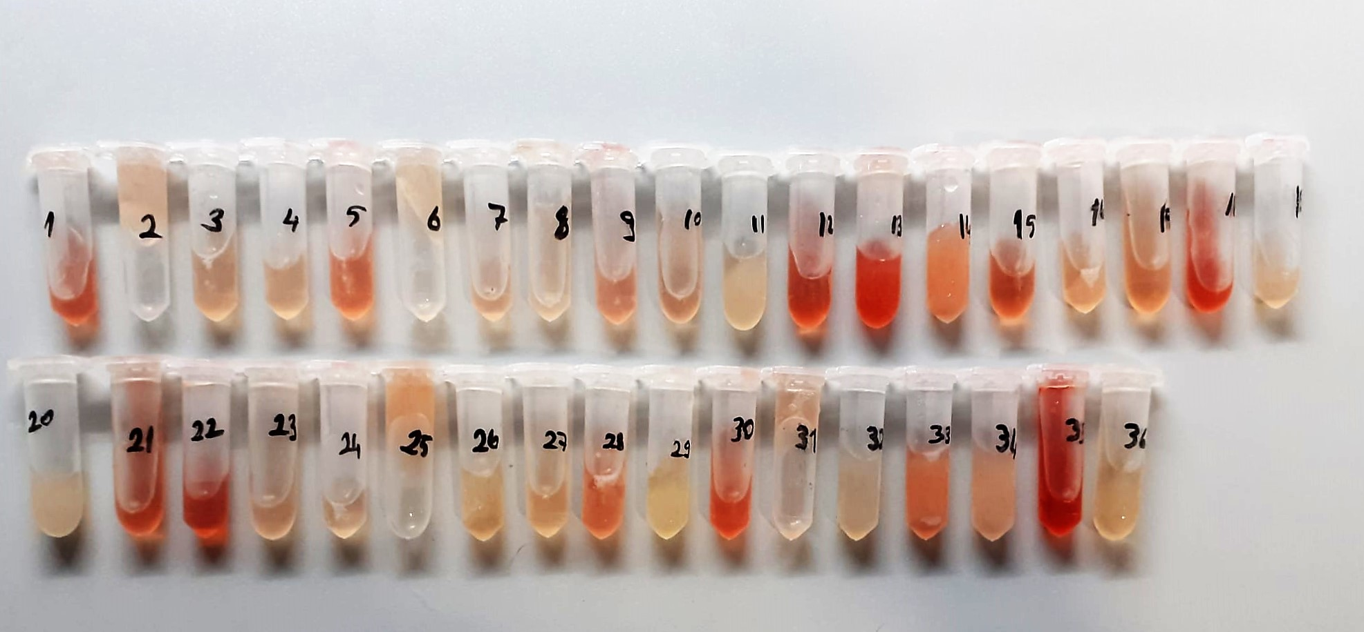

AChE Assay Principle
This kit is an Enzyme-Linked Immunosorbent Assay (ELISA). The plate has been pre-coated with Rat AChE antibody. AChE present in the sample is added and binds to antibodies coated on the wells.
And then biotinylated Rat AChE Antibody is added and binds to AChE in the sample. Then Streptavidin-HRP is added and binds to the Biotinylated AChE antibody.
After incubation unbound Streptavidin-HRP is washed away during a washing step. Substrate solution is then added and color develops in proportion to the amount of Rat AChE .
The reaction is terminated by addition of acidic stop solution and absorbance is measured at 450 nm.

