Materyal-metod
KİT ADI | TÜR | MARKA | CAT. NO | Yöntem
Ca: Calcium | Universal | REL ASSAY | RLD3559 | Kolorimetrik
PHOS: Phosphorus | Universal | REL ASSAY | RLD3578 | Kolorimetrik
Centrifuge: HETTICH Mıcro 200-R
MINDRAY BS-300 Tam Otomatik Analizör

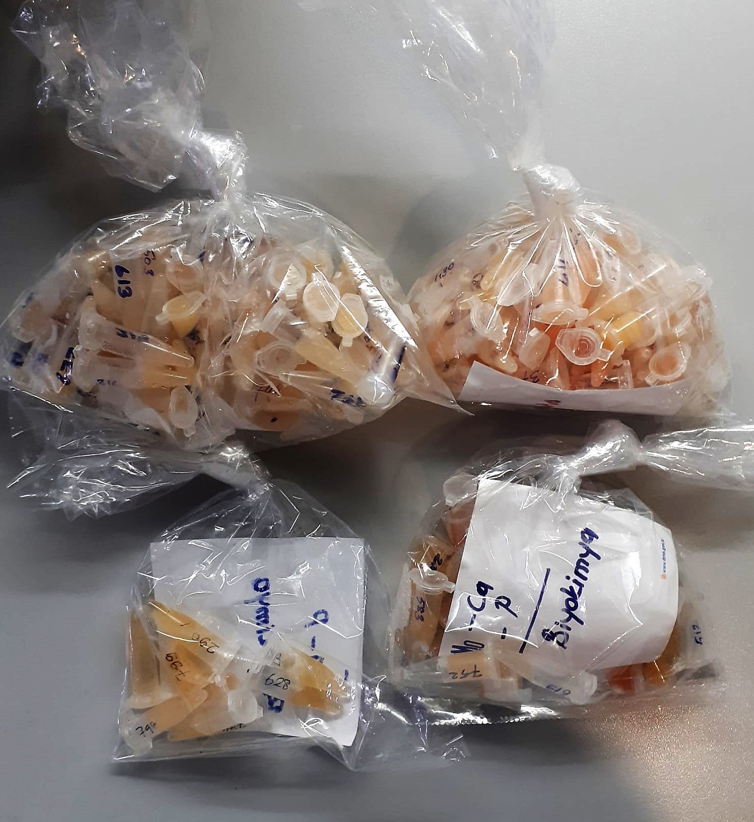
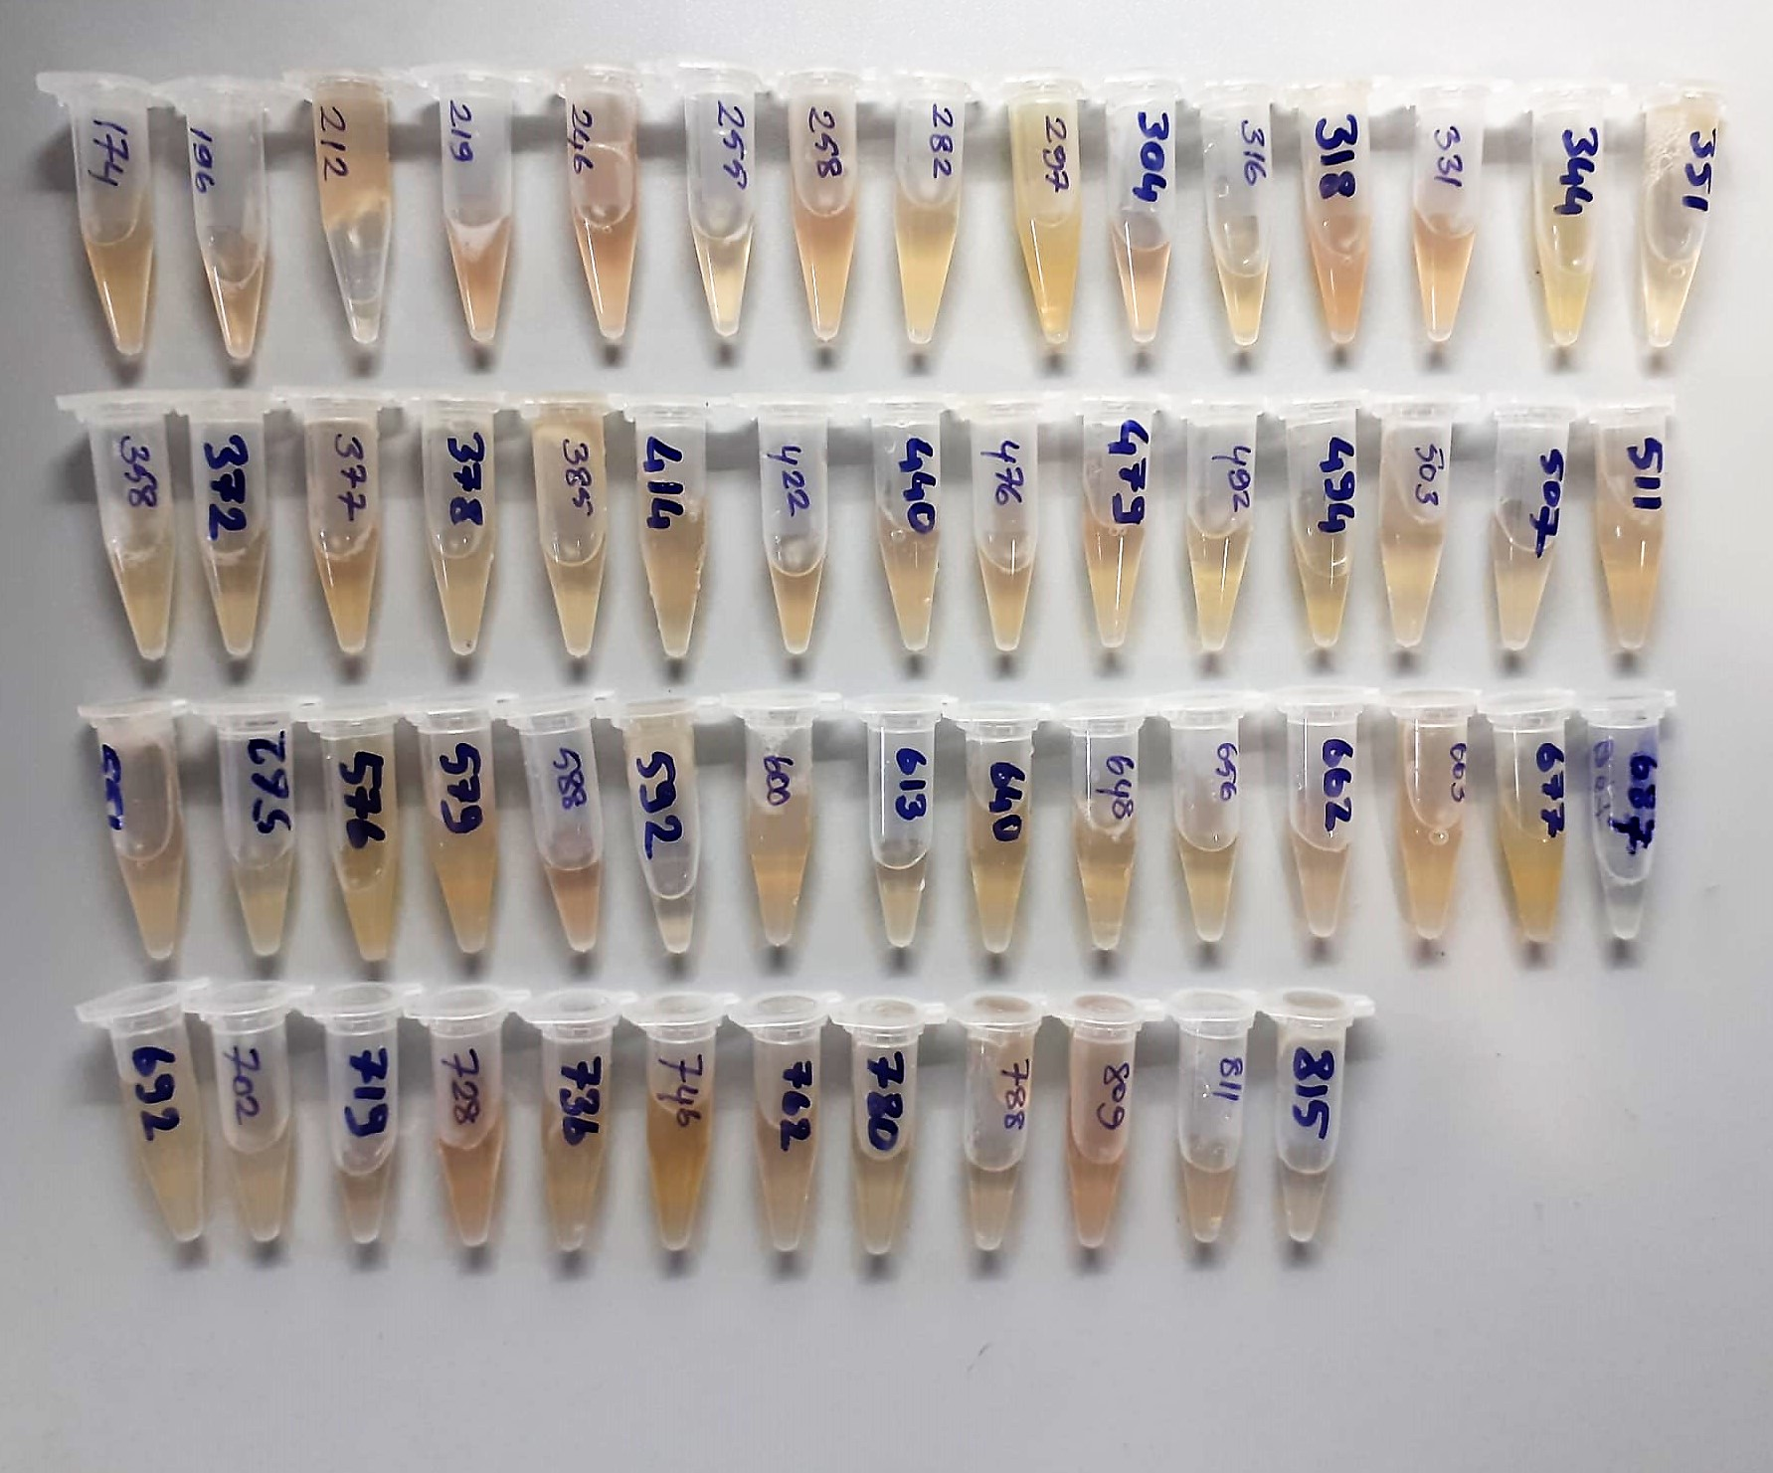

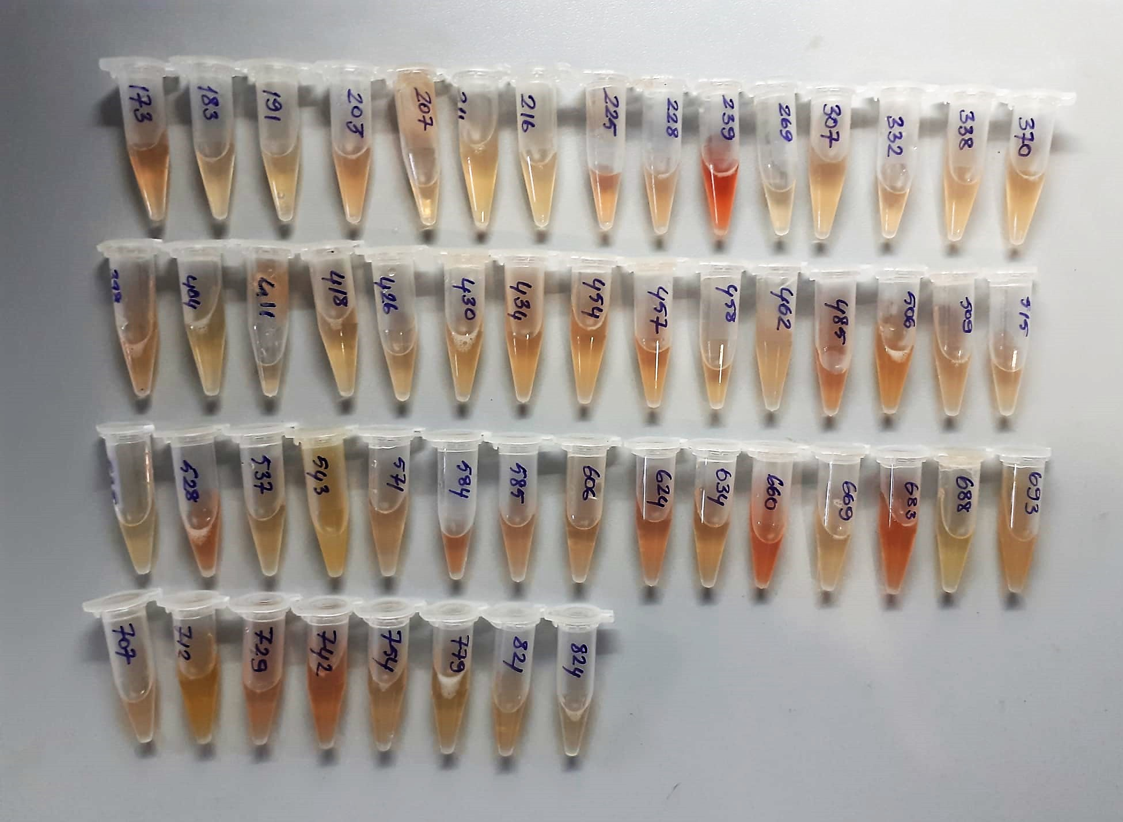
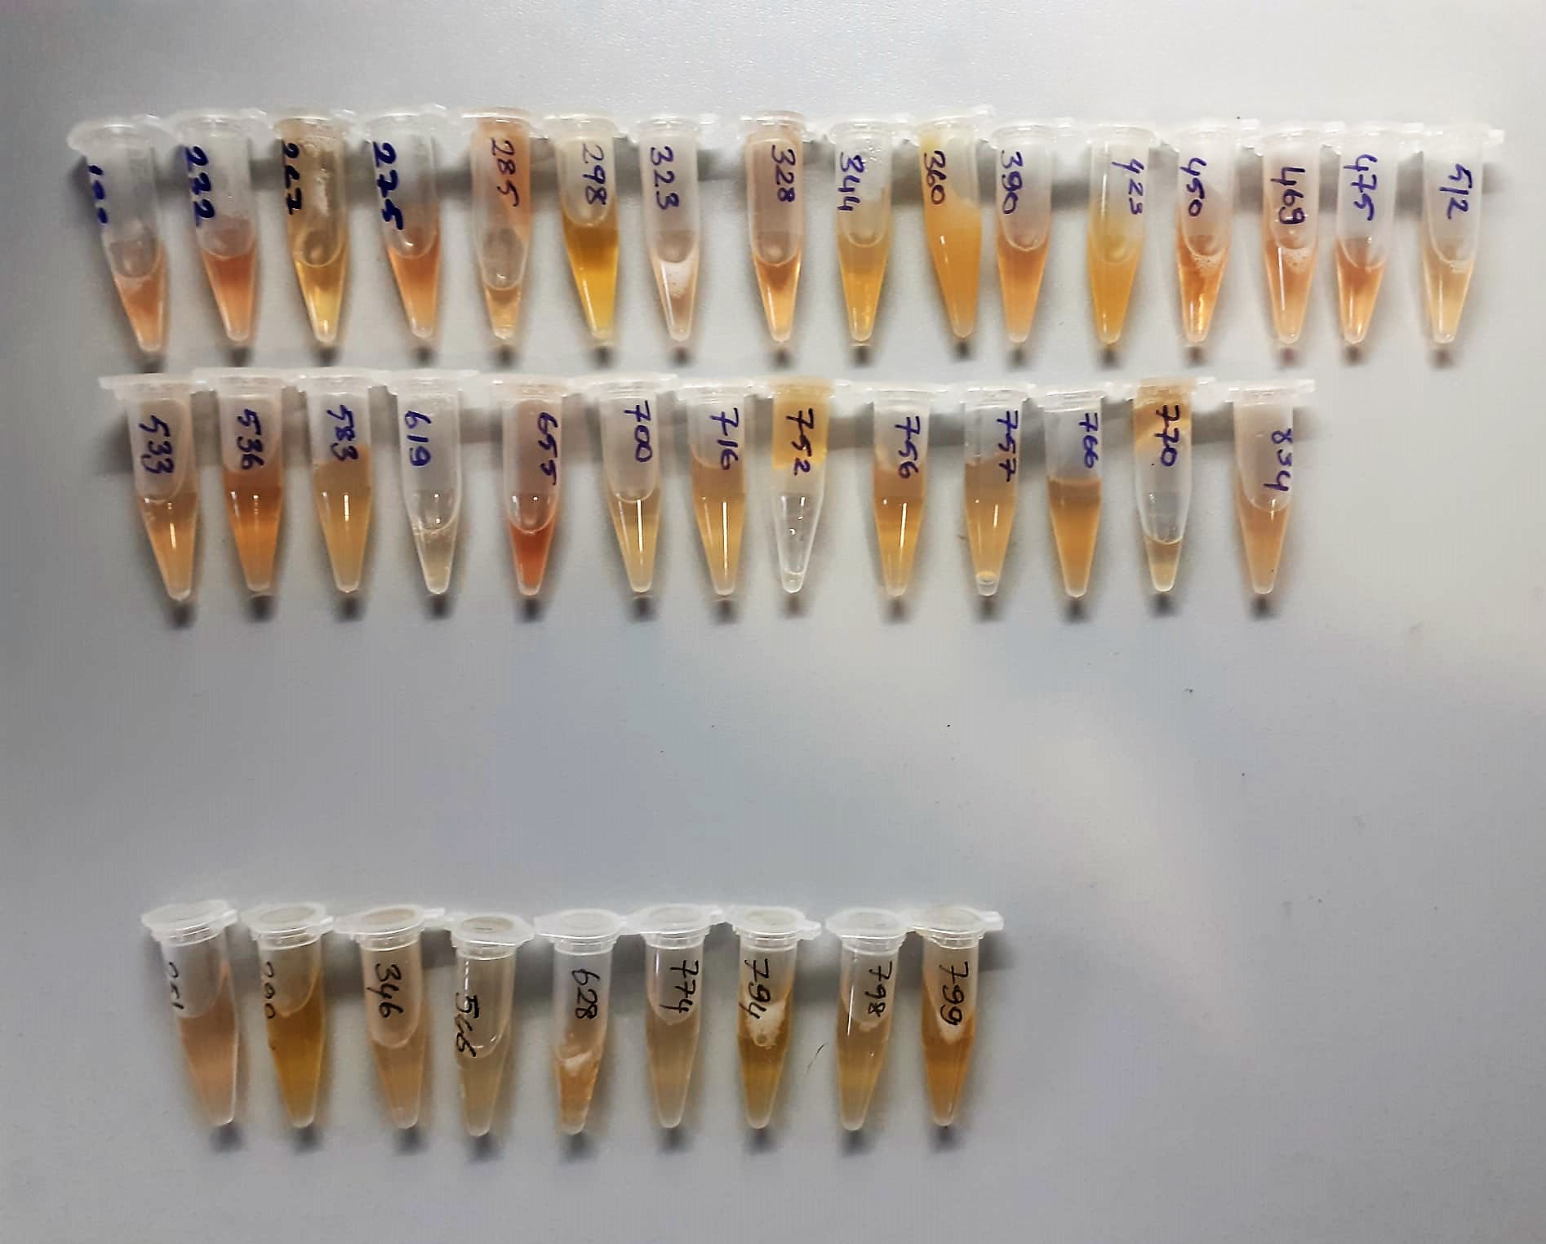

Calcium mg/dl
Calcium in the sample reacts with arsenazo III forming a coloured complex that
can be measured by spectrophotometry.

Phosphorus mg/dl
Inorganic phosphate forms an ammonium phosphomolybdate complex having the formula(NH4)3[PO4(MoO3)12] with ammonium molybdate in the presence of sulfuric acid.
The complex is determined photometrically in the ultraviolet region (340 nm).

