8-OHdG-1.PLATE
0.105 | 0.101 | 1.537 | 1.015 | 0.859 | 1.326 | 1.165 | 1.576 | 0.618 | 1.034 | 1.215 | 0.475
0.658 | 0.64 | 1.615 | 1.045 | 0.627 | 1.07 | 0.98 | 1.358 | 0.589 | 0.907 | 1.084 | 0.397
0.985 | 0.979 | 0.642 | 1.027 | 1.019 | 0.593 | 0.659 | 0.952 | 0.709 | 0.668 | 1.644 | 1.082
1.282 | 1.302 | 0.551 | 1.001 | 1.061 | 0.655 | 0.69 | 0.992 | 0.707 | 0.854 | 1.697 | 1.191
1.535 | 1.526 | 0.473 | 1.125 | 0.605 | 0.567 | 1.296 | 1.2 | 0.619 | 0.603 | 1.018 | 0.419
1.961 | 1.929 | 0.479 | 1.162 | 0.617 | 0.63 | 1.325 | 1.267 | 0.745 | 0.597 | 0.713 | 0.415
 |  | 0.74 | 0.754 | 1.409 | 1.066 | 1.104 | 0.664 | 1.04 | 0.817 | 1.477 | 0.808
 |  | 0.74 | 0.715 | 1.403 | 1.113 | 1.148 | 0.697 | 1.175 | 0.835 | 1.359 | 0.844

8-OHdG

 | abs.ort. | expected | result
std1 | 0.103 | 100 | 100.04
std2 | 0.649 | 50 | 49.09
std3 | 0.982 | 25 | 26.89
std4 | 1.292 | 12.5 | 12.27
std5 | 1.53 | 6.25 | 4.99
blank | 1.945 | 0 | 0.53

 |  |  |  |  |  |  |  |  | concentration (ng/ml)
Numune | absorbans | result(ng/ml)
İDRAR-2 | 1.537 | 4.83
İDRAR-2 | 1.615 | 3.23
İDRAR-4 | 0.642 | 49.63
İDRAR-4 | 0.551 | 56.90
İDRAR-5 | 0.473 | 63.54
İDRAR-5 | 0.479 | 63.02
İDRAR-6 | 0.74 | 42.35
İDRAR-6 | 0.74 | 42.35
İDRAR-7 | 1.015 | 25.05
İDRAR-7 | 1.045 | 23.44
İDRAR-8 | 1.027 | 24.40
İDRAR-8 | 1.001 | 25.82
İDRAR-10 | 1.125 | 19.42
İDRAR-10 | 1.162 | 17.69
İDRAR-11 | 0.754 | 41.36
İDRAR-11 | 0.715 | 44.15
İDRAR-12 | 0.859 | 34.31
İDRAR-12 | 0.627 | 50.79
İDRAR-13 | 1.019 | 24.84
İDRAR-13 | 1.061 | 22.61
İDRAR-14 | 0.605 | 52.53
İDRAR-14 | 0.617 | 51.58
İDRAR-15 | 1.409 | 8.26
İDRAR-15 | 1.403 | 8.45
İDRAR-16 | 1.326 | 11.02
İDRAR-16 | 1.07 | 22.14
İDRAR-17 | 0.593 | 53.48
İDRAR-17 | 0.655 | 48.63
İDRAR-18 | 0.567 | 55.59
İDRAR-18 | 0.63 | 50.56
İDRAR-19 | 1.066 | 22.35
İDRAR-19 | 1.113 | 20.00
İDRAR-20 | 1.165 | 17.55
İDRAR-20 | 0.98 | 27.00
İDRAR-21 | 0.659 | 48.32
İDRAR-21 | 0.69 | 45.99
İDRAR-22 | 1.296 | 12.11
İDRAR-22 | 1.325 | 11.05
İDRAR-24 | 1.104 | 20.44
İDRAR-24 | 1.148 | 18.33
İDRAR-25 | 1.576 | 3.98
İDRAR-25 | 1.358 | 9.90
İDRAR-Y-1 | 0.952 | 28.61
İDRAR-Y-1 | 0.992 | 26.33
İDRAR-Y-2 | 1.2 | 16.00
İDRAR-Y-2 | 1.267 | 13.23
İDRAR-Y-3 | 0.664 | 47.94
İDRAR-Y-3 | 0.697 | 45.47
İDRAR-Y-4 | 0.618 | 51.50
İDRAR-Y-4 | 0.589 | 53.80
İDRAR-Y-5 | 0.709 | 44.59
İDRAR-Y-5 | 0.707 | 44.74
İDRAR-Y-6 | 0.619 | 51.42
İDRAR-Y-6 | 0.745 | 42.00
İDRAR-Y-7 | 1.04 | 23.71
İDRAR-Y-7 | 1.175 | 17.10
İDRAR-Y-8 | 1.034 | 24.03
İDRAR-Y-8 | 0.907 | 31.30
İDRAR-Y-9 | 0.668 | 47.64
İDRAR-Y-9 | 0.854 | 34.63
İDRAR-Y-10 | 0.603 | 52.68
İDRAR-Y-10 | 0.597 | 53.16
İDRAR-Y-11 | 0.817 | 37.05
İDRAR-Y-11 | 0.835 | 35.86
İDRAR-Y-12 | 1.215 | 15.35
İDRAR-Y-12 | 1.084 | 21.43
İDRAR-Y-13 | 1.644 | 2.73
İDRAR-Y-13 | 1.697 | 1.94
İDRAR-Y-14 | 1.018 | 24.89
İDRAR-Y-14 | 0.713 | 44.30
İDRAR-Y-15 | 1.477 | 6.31
İDRAR-Y-15 | 1.359 | 9.87
İDRAR-Y-16 | 0.475 | 63.36
İDRAR-Y-16 | 0.397 | 70.36
İDRAR-Y-17 | 1.082 | 21.53
İDRAR-Y-17 | 1.191 | 16.39
İDRAR-Y-18 | 0.419 | 68.35
İDRAR-Y-18 | 0.415 | 68.71
İDRAR-Y-19 | 0.808 | 37.65
İDRAR-Y-19 | 0.844 | 35.27

8-OHdG-2.PLATE
0.128 | 0.114 | 1.708 | 2.113 | 0.875 | 0.845 | 0.553 | 1.159 | 0.642 | 1.499 | 1.306
0.604 | 0.547 | 1.554 | 2.006 | 0.797 | 0.743 | 0.508 | 1.045 | 0.522 | 1.279 | 1.258
0.969 | 0.978 | 1.21 | 0.382 | 1.043 | 0.944 | 0.738 | 0.574 | 0.688 | 1.501
1.232 | 1.291 | 1.209 | 0.413 | 1.167 | 0.908 | 0.562 | 0.548 | 0.711 | 1.529
1.551 | 1.536 | 1.714 | 0.993 | 1.431 | 0.944 | 1.196 | 1.312 | 1.336 | 0.603
1.892 | 1.922 | 1.77 | 1.085 | 1.465 | 0.802 | 1.224 | 1.36 | 1.316 | 0.686
 |  | 1.429 | 1.055 | 0.955 | 0.954 | 0.854 | 0.928 | 0.979 | 0.51
 |  | 1.508 | 1.217 | 0.978 | 0.991 | 0.987 | 0.726 | 1.266 | 0.654

8-OHdG

 | abs.ort. | expected | result
std1 | 0.121 | 100 | 98.43
std2 | 0.575 | 50 | 53.17
std3 | 0.973 | 25 | 25.09
std4 | 1.261 | 12.5 | 11.53
std5 | 1.543 | 6.25 | 3.75
blank | 1.9072 | 0 | 1.74

 |  |  |  |  |  |  |  | concentration (ng/ml)

Numune | absorbans | result(ng/ml)
İDRAR-Y-20 | 1.708 | 1.71
İDRAR-Y-20 | 1.554 | 3.55
İDRAR-Y-21 | 1.21 | 13.52
İDRAR-Y-21 | 1.209 | 13.56
K-1 | 1.714 | 1.67
K-1 | 1.77 | 1.43
K-2 | 1.429 | 6.24
K-2 | 1.508 | 4.42
K-3 | 2.113 | 4.62
K-3 | 2.006 | 2.76
K-4 | 0.382 | 70.69
K-4 | 0.413 | 67.70
K-6 | 0.993 | 23.97
K-6 | 1.085 | 19.15
K-7 | 1.055 | 20.66
K-7 | 1.217 | 13.24
K-8 | 0.875 | 31.00
K-8 | 0.797 | 36.18
K-9 | 1.043 | 21.28
K-9 | 1.167 | 15.33
K-10 | 1.431 | 6.19
K-10 | 1.465 | 5.36
K-11 | 0.955 | 26.13
K-11 | 0.978 | 24.81
K-12 | 0.845 | 32.94
K-12 | 0.743 | 40.00
K-13 | 0.944 | 26.77
K-13 | 0.908 | 28.94
K-14 | 0.944 | 26.77
K-14 | 0.802 | 35.83
K-15 | 0.954 | 26.19
K-15 | 0.991 | 24.08
K-16 | 0.553 | 55.04
K-16 | 0.508 | 58.97
K-17 | 0.738 | 40.36
K-17 | 0.562 | 54.27
K-18 | 1.196 | 14.10
K-18 | 1.224 | 12.96
K-19 | 0.854 | 32.35
K-19 | 0.987 | 24.30
K-20 | 1.159 | 15.69
K-20 | 1.045 | 21.17
K-21 | 0.574 | 53.26
K-21 | 0.548 | 55.47
K-22 | 1.312 | 9.72
K-22 | 1.36 | 8.18
K-23 | 0.928 | 27.73
K-23 | 0.726 | 41.25
K-25 | 0.642 | 47.69
K-25 | 0.522 | 57.73
K-26 | 0.688 | 44.10
K-26 | 0.711 | 42.36
K-28 | 1.336 | 8.93
K-28 | 1.316 | 9.59
K-29 | 0.979 | 24.75
K-29 | 1.266 | 11.35
K-30 | 1.499 | 4.60
K-30 | 1.279 | 10.87
K-31 | 1.501 | 4.56
K-31 | 1.529 | 4.00
K-32 | 0.603 | 50.84
K-32 | 0.686 | 44.25
K-33 | 0.51 | 58.79
K-33 | 0.654 | 46.74
K-34 | 1.306 | 9.92
K-34 | 1.258 | 11.64

Materyal-metod
KİT ADI | TÜR | Numune Türü | MARKA | CAT. NO | Yöntem | Kullanılan Cihaz
TAS(Total Antioxidant Status) | Universal | Serum-İdrar | REL ASSAY | RL0017 | Kolorimetrik | MINDRAY-BS400
TOS(Total Oxidant Status) | Universal | Serum-İdrar | REL ASSAY | RL0024 | Kolorimetrik | MINDRAY-BS400
8-Hydroxydeoxyguanosine(8-OHdG) | Universal | İdrar | Elabscİence | E-EL-0028 | ELİSA | Mıcroplate reader: BIO-TEK EL X 800-Aotu strıp washer:BIO TEK EL X 50
CREA( Creatinine) | Universal | İdrar | Otto Scientific | OttoBC139 | Kolorimetrik | MINDRAY-BS400
UA(Uric Acid) | Universal | İdrar | Otto Scientific | OttoBC158 | Kolorimetrik | MINDRAY-BS400

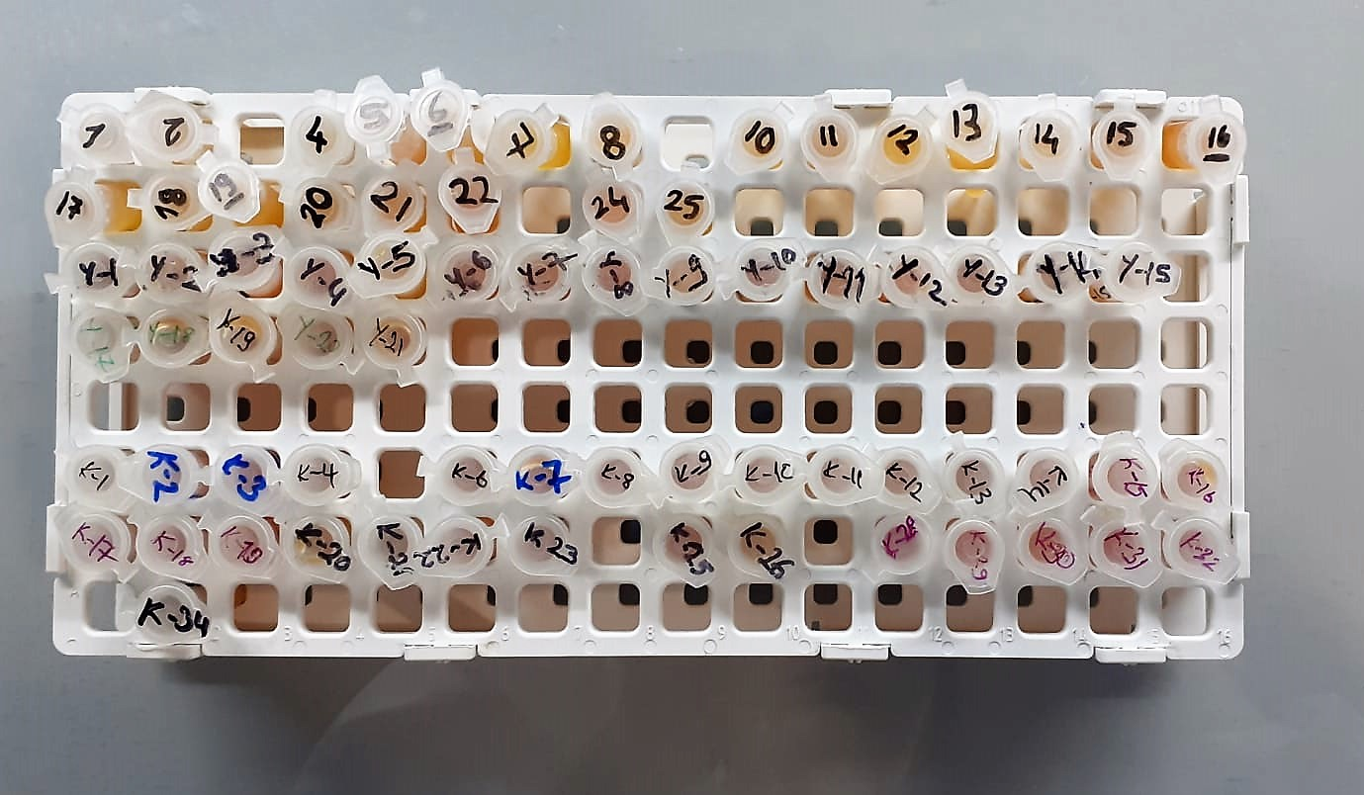

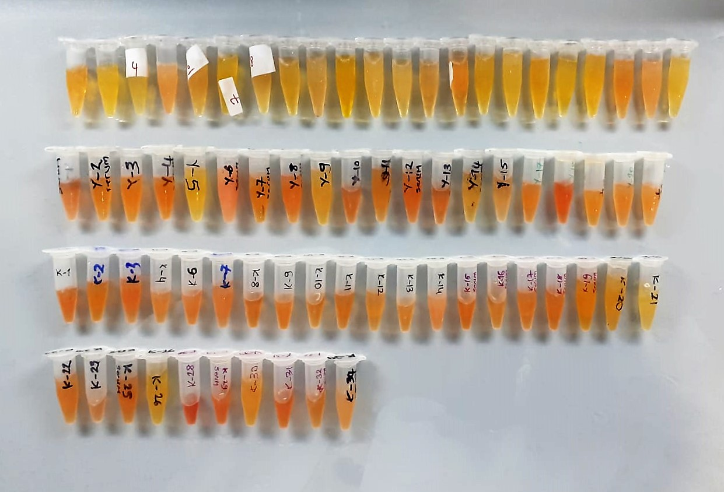

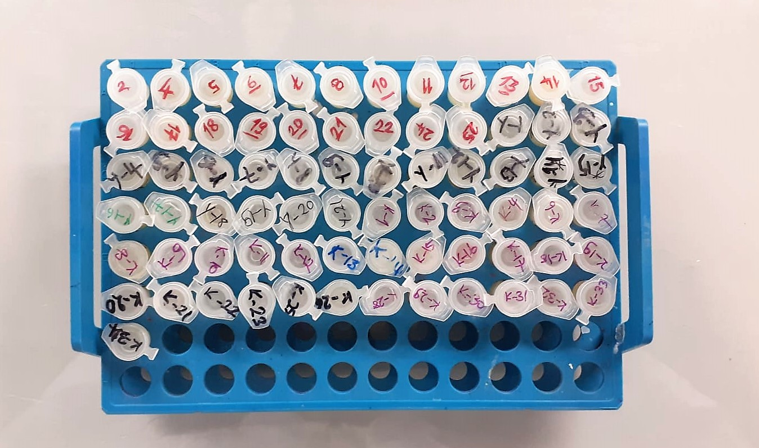

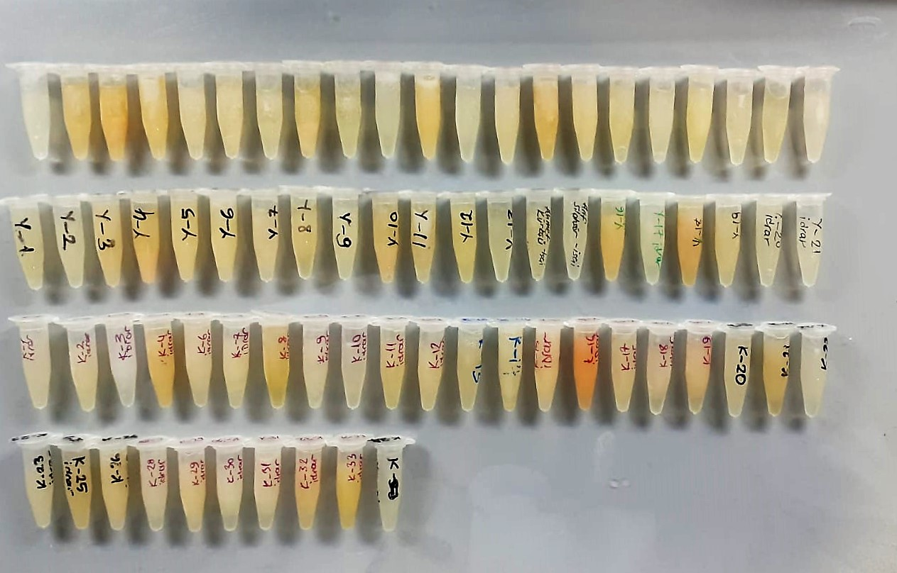

TOTAL ANTIOXDANT STATUS (TAS) (mmol/L)
TAS levels were measured using commercially available kits (Relassay, Turkey). The novel
automated method is based on the bleaching of characteristic color of a more stable ABTS
(2,2 ′ - Azino-bis(3-ethylbenzothiazoline-6-sulfonic acid)) radical cation by antioxidants. The
assay has excellent precision values, which are lower than 3%. The results were expressed as
mmol Trolox equivalent/L (Erel O. A novel automated direct measurement method for total
antioxidant capacity using a new generation, more stable ABTS radicalcation. Clin Biochem
2004;37:277-85.)
(Relassay,Turkey)

TOTAL OXIDANT STATUS (TOS) (µmol/L)
TOS levels were measured using commercially available kits (Relassay, Turkey. In the new
method, oxidants present in the sample oxidized the ferrous ion-o-dianisidine complex to
ferric ion. The oxidation reaction was enhanced by glycerol molecules abundantly present in
the reaction medium. The ferric ion produced a colored complex with xylenol orange in an
acidic medium. The color intensity, which could be measured spectrophotometrically, was
related to the total amount of oxidant molecules present in the sample. The assay was
calibrated with hydrogen peroxide and the results were expressed in terms of
micromolar hydrogen peroxide equivalent per liter (μmol H2O2 equivalent/L). ( Erel O. A
new automated colorimetric method for measuringtotal oxidant status. Clin Biochem
2005;38:1103-11. ).
(Relassay,Turkey)

OXIDATIVE STRESS INDEX (OSI)
The ratio of TOS to TAS was accepted as the oxidative stress index (OSI). For calculation, the
resulting unit of TAS was converted to μmol/L, and the OSI value was calculated according to
the following Formula : OSI (arbitrary unit) =
TOS (μmol H2O2 equivalent/L) / TAC (μmol Trolox equivalent/L). (1-3).
1. Yumru M, Savas HA, Kalenderoglu A, Bulut M, Celik H, Erel O. Oxidative imbalance in
bipolar disorder subtypes: a comparative study. Prog Neuropsychopharmacol Biol Psychiatry.
2009 Aug 31;33(6):1070-4.
2. Kosecik M, Erel O, Sevinc E, Selek S. Increased oxidative stress in children exposed to
passive smoking. Int J Cardiol 2005;100:61–4.
3. (Harma M, Harma M, Erel O (2003) Increased oxidative stress in patients with
hydatidiform mole. Swiss Med Wkly 133:563-536).

8-0HdG Test Principle
This ELISA kit uses the Competitive-ELISA principle. The micro ELISA plate provided in this kit has been pre-coated wit 8-OHdG.
During the reaction, 8-OHdG in the sample or standard competes with a fixed amount of 8-OHdG on the solid phase supporter for sites on the Biotinylated Detection Ab specific to 8-OHdG.
Excess conjugate and unbound sample or standard are washed from the plate, and Avidin conjugated to Horseradish Peroxidase (HRP) are added to each microplate well and incubated.
Then a TMB substrate solution is added to each well. The enzyme-substrate reaction is terminated by the addition of stop solution and the color change is measured spectrophotometrically at a wavelength of 450 nm ± 2 nm.
The concentration of 8-OHdG in the samples is then determined by comparing the OD of the samples to the standard curve.

Creatinine mg/L
Immunoturbidimetric assay
Anti-CRP antibodies react with antigen in the sample to form an ntigen/antibody complex. Following agglutination, this is measured turbidimetrically.
Addition of PEG allows the reaction to progress rapidly to the end point,increases sensitivity, and reduces the risk of samples containing excess antigen
producing false negative results.

Uric Asit mg/dl
Colorimetric endpoint assay
Uricase
Uric acid + 2 H2O + O2 Allantoin + CO 2 + H 2O 2
Uricase cleaves uric acid to form allantoin and hydrogen peroxide.
POD
2H2O2 + 4H+ + phenole + 4-aminoantipyrine quinonimine dye + 4H2O
The increase in absorbance is measured.

