Sayfa1
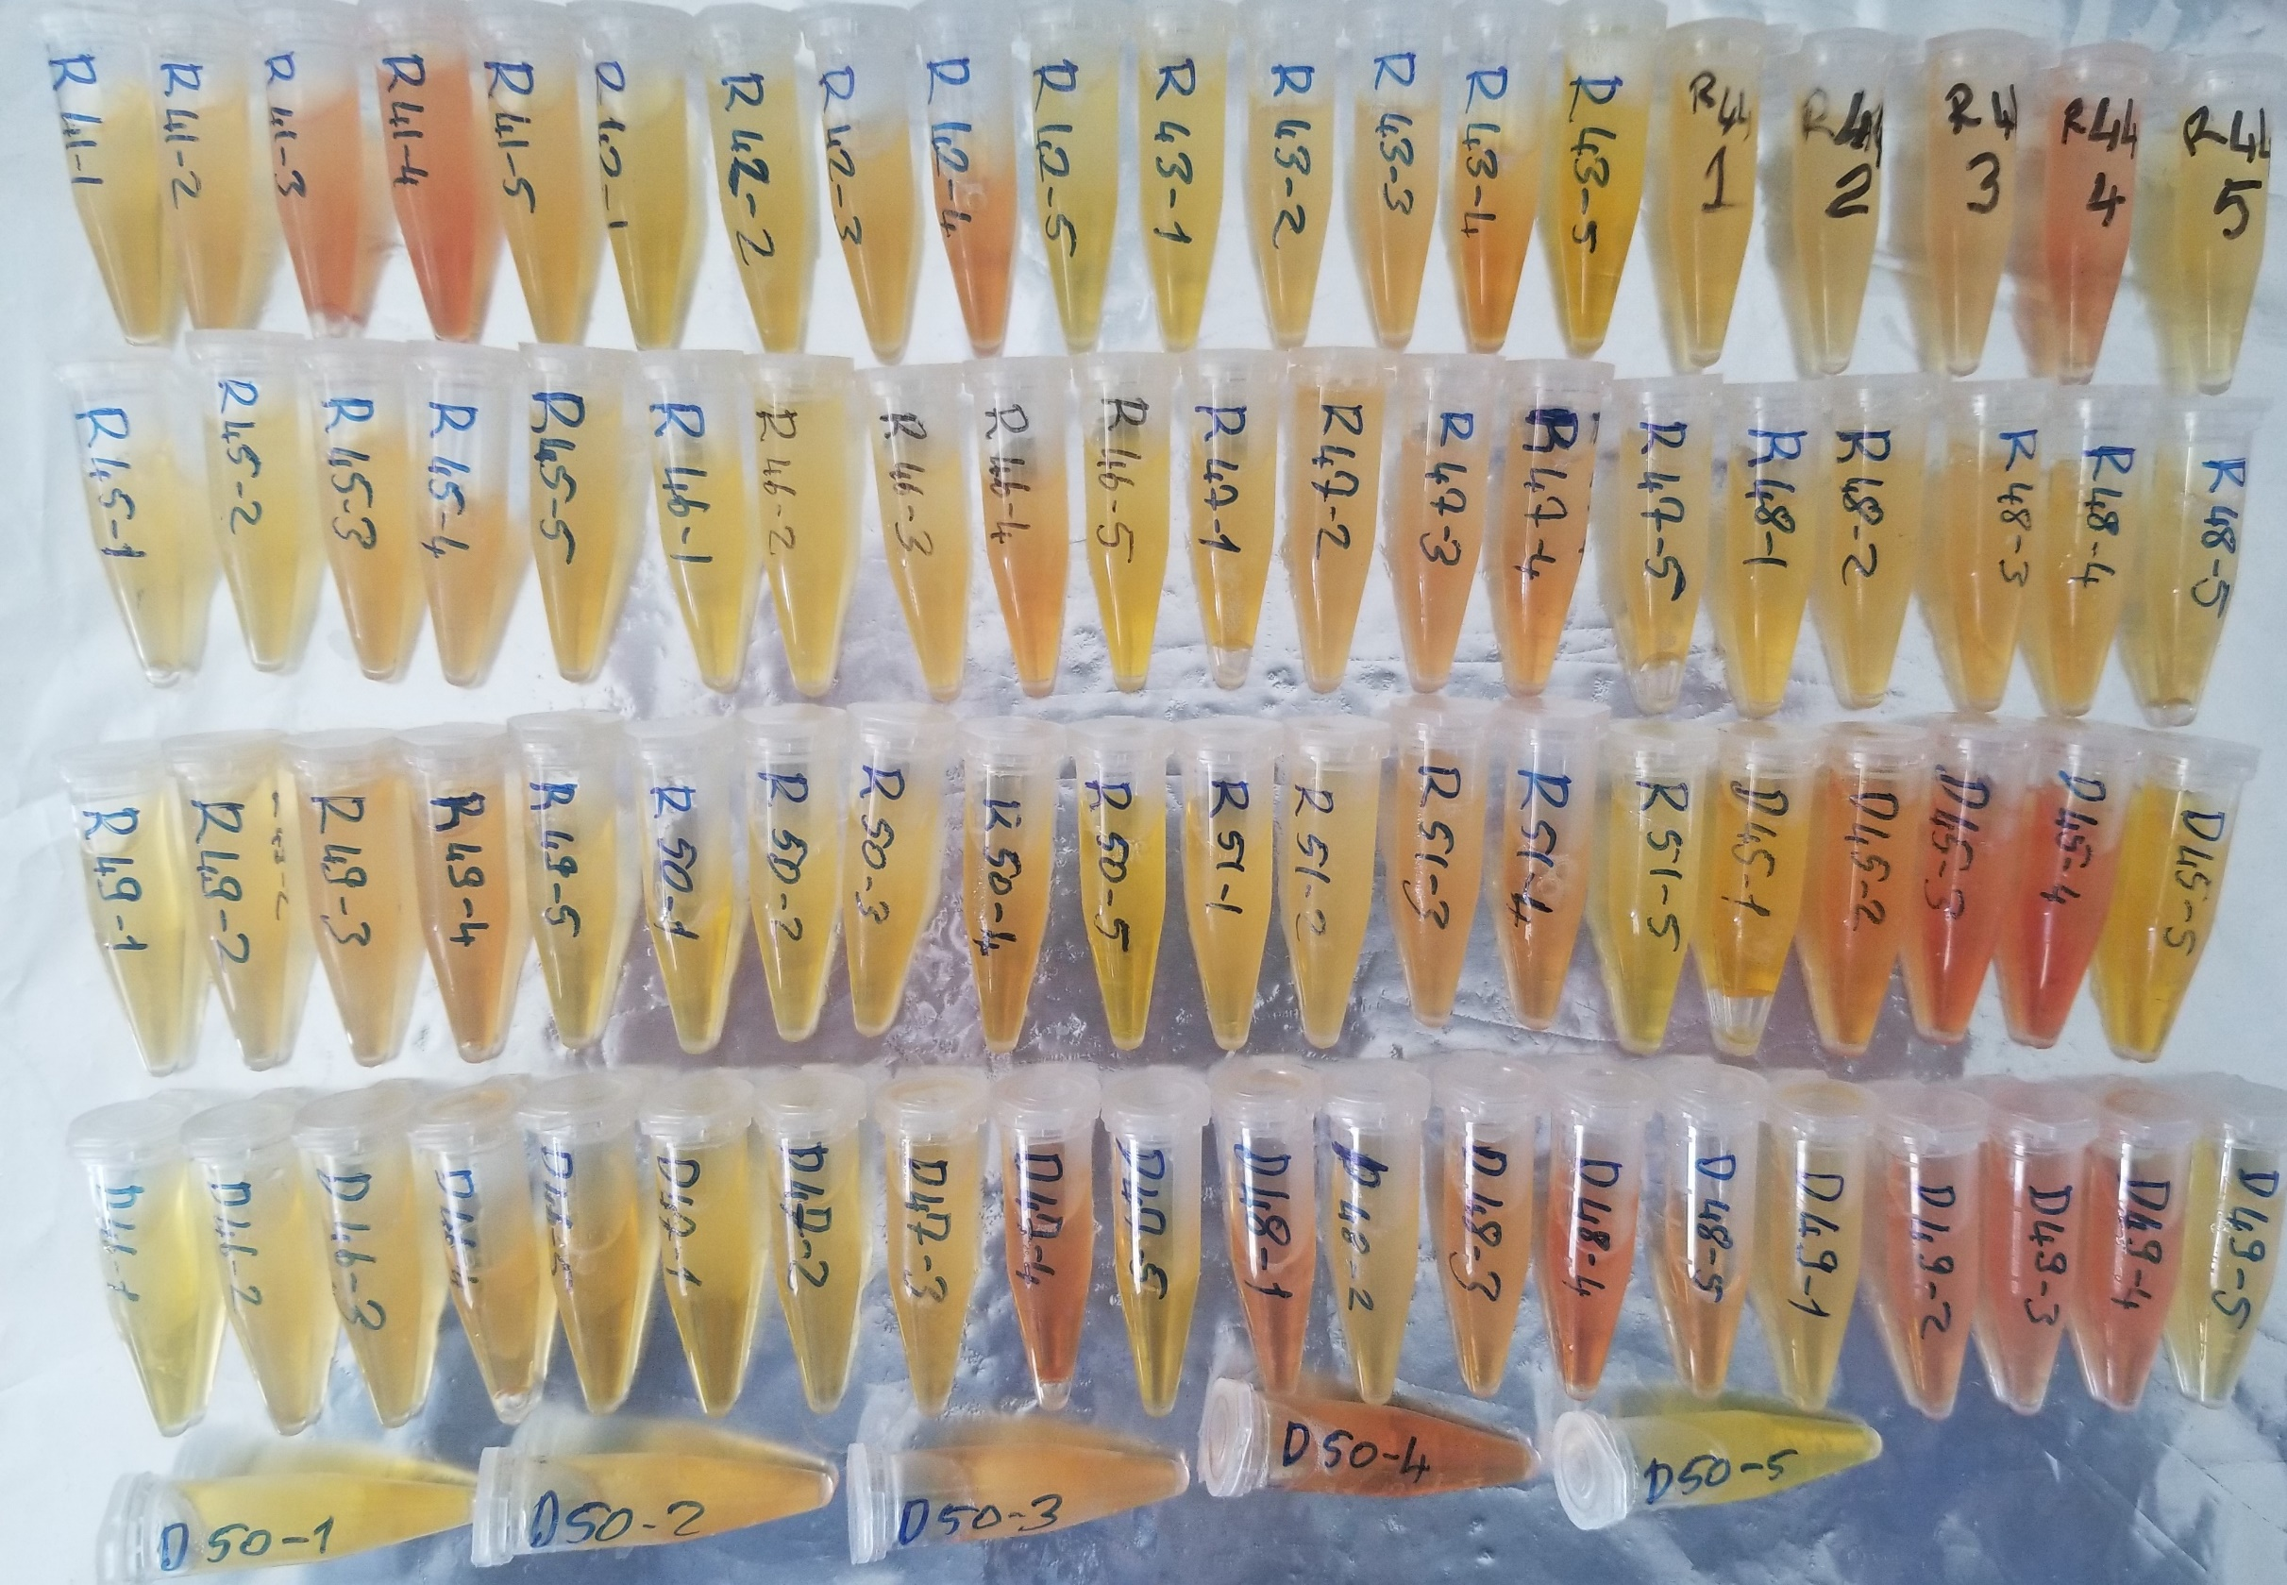
Numune Adı | Total Thiol (µmol/L) | Native Thiol (µmol/L) | Disulphide Hemostasis (µmol/L) | Paraoxonase-1 (U/L)
(R41)1 | 292 | 201 | 45.5 | 43
(R41)2 | 125 | 102 | 11.5 | 15
(R41)3 | 215 | 110 | 52.5 | 17
(R41)4 | 325 | 152 | 86.5 | 104
(R41)5 | 340 | 266 | 37 | 244
(R42)1 | 207 | 199 | 4 | 753
(R42)2 | 241 | 70 | 85.5 | 389
(R42)3 | 134 | 84 | 25 | 372
(R42)4 | 491 | 123 | 184 | 409
(R42)5 | 279 | 253 | 13 | 532
(R43)1 | 171 | 123 | 24 | 288
(R43)2 | 83 | 74 | 4.5 | 112
(R43)3 | 158 | 56 | 51 | 124
(R43)4 | 203 | 114 | 44.5 | 234
(R43)5 | 228 | 186 | 21 | 275
(R44)1 | 276 | 136 | 70 | 185
(R44)2 | 68 | 51 | 8.5 | 55
(R44)3 | 135 | 57 | 39 | 48
(R44)4 | 195 | 40 | 77.5 | 61
(R44)5 | 259 | 213 | 23 | 115
(R45)1 | 231 | 155 | 38 | 16
(R45)2 | 335 | 91 | 122 | 33
(R45)3 | 211 | 59 | 76 | 46
(R45)4 | 442 | 96 | 173 | 65
(R45)5 | 297 | 208 | 44.5 | 154
(R46)1 | 223 | 98 | 62.5 | 342
(R46)2 | 209 | 47 | 81 | 178
(R46)3 | 153 | 54 | 49.5 | 168
(R46)4 | 228 | 74 | 77 | 149
(R46)5 | 341 | 206 | 67.5 | 330
(R47)1 | 449 | 188 | 130.5 | 552
(R47)2 | 141 | 58 | 41.5 | 226
(R47)3 | 166 | 59 | 53.5 | 228
(R47)4 | 168 | 86 | 41 | 293
(R47)5 | 328 | 226 | 51 | 390
(R48)1 | 282 | 196 | 43 | 359
(R48)2 | 184 | 134 | 25 | 207
(R48)3 | 185 | 121 | 32 | 206
(R48)4 | 167 | 145 | 11 | 254
(R48)5 | 239 | 221 | 9 | 381
(R49)1 | 350 | 239 | 55.5 | 1416
(R49)2 | 226 | 135 | 45.5 | 726
(R49)3 | 288 | 130 | 79 | 691
(R49)4 | 394 | 188 | 103 | 803
(R49)5 | 257 | 252 | 2.5 | 833
(R50)1 | 393 | 263 | 65 | 288
(R50)2 | 249 | 153 | 48 | 167
(R50)3 | 206 | 161 | 22.5 | 144
(R50)4 | 362 | 205 | 78.5 | 196
(R50)5 | 395 | 324 | 35.5 | 323
(R51)1 | 387 | 310 | 38.5 | 474
(R51)2 | 218 | 164 | 27 | 187
(R51)3 | 248 | 145 | 51.5 | 199
(R51)4 | 262 | 174 | 44 | 225
(R51)5 | 368 | 299 | 34.5 | 407
(D45)1 | 274 | 186 | 44 | 669
(D45)2 | 309 | 150 | 79.5 | 393
(D45)3 | 326 | 121 | 102.5 | 317
(D45)4 | 449 | 113 | 168 | 273
(D45)5 | 430 | 210 | 110 | 442
(D46)1 | 303 | 124 | 89.5 | 703
(D46)2 | 186 | 55 | 65.5 | 333
(D46)3 | 245 | 103 | 71 | 349
(D46)4 | 301 | 125 | 88 | 462
(D46)5 | 376 | 251 | 62.5 | 504
(D47)1 | 320 | 193 | 63.5 | 339
(D47)2 | 137 | 80 | 28.5 | 167
(D47)3 | 238 | 82 | 78 | 155
(D47)4 | 244 | 138 | 53 | 154
(D47)5 | 259 | 205 | 27 | 293
(D48)1 | 443 | 175 | 134 | 427
(D48)2 | 179 | 77 | 51 | 182
(D48)3 | 201 | 71 | 65 | 228
(D48)4 | 312 | 66 | 123 | 257
(D48)5 | 472 | 179 | 146.5 | 381
(D49)1 | 491 | 201 | 145 | 368
(D49)2 | 330 | 86 | 122 | 129
(D49)3 | 394 | 72 | 161 | 135
(D49)4 | 409 | 98 | 155.5 | 196
(D49)5 | 421 | 229 | 96 | 299
(D50)1 | 314 | 219 | 47.5 | 190
(D50)2 | 213 | 91 | 61 | 138
(D50)3 | 227 | 87 | 70 | 125
(D50)4 | 296 | 115 | 90.5 | 183
(D50)5 | 377 | 271 | 53 | 234

"RELASSAY" marka kitler kullanıldı.

