TNF-A
0.153 | 1.016 | 1.043 | 0.993 | 1.125 | 1.1 | 1.049 | 1.158 | 1.066 | 1.102 | 1.024 | 0.763
0.496 | 0.833 | 1.112 | 0.935 | 0.928 | 0.988 | 0.838 | 0.872 | 1.023 | 0.976 | 0.923 | 0.926
0.743 | 1.094 | 1.094 | 0.924 | 1.082 | 1.019 | 0.983 | 1.012 | 0.998 | 0.953 | 0.861
0.983 | 1.117 | 1.18 | 0.96 | 1.063 | 1.022 | 0.973 | 0.993 | 1.042 | 0.939 | 1.042
1.369 | 1.16 | 1.179 | 1.087 | 1.094 | 1.045 | 1 | 1.027 | 1.005 | 0.901 | 0.971
0.074 | 1.129 | 1.196 | 1.071 | 1.151 | 1.252 | 0.974 | 0.913 | 1.064 | 0.971 | 1.135
1.402 | 1.201 | 1.292 | 1.299 | 1.191 | 1.226 | 1.058 | 1.052 | 1.028 | 1.052 | 1.193
0.98 | 1.021 | 1.081 | 0.959 | 1.048 | 1.014 | 0.848 | 0.8 | 0.91 | 0.856 | 1.042

TNF-A

 | abs | abs-blank | expected | result
std1 | 0.153 | 0.079 | 240 | 239.46
std2 | 0.496 | 0.422 | 120 | 120.55
std3 | 0.743 | 0.669 | 60 | 62.09
std4 | 0.983 | 0.909 | 30 | 27.08
std5 | 1.369 | 1.295 | 15 | 15.82
blank | 0.074 | 0 | 0 | 0.00

 |  |  |  |  |  |  |  |  | concentration (ng/L)

Numune | absorbans | blank | abs-blank | result(ng/L)
ERKEK-K1 | 1.402 | 0.074 | 1.328 | 17.44
ERKEK-K2 | 0.98 | 0.074 | 0.906 | 27.38
ERKEK-K3 | 1.016 | 0.074 | 0.942 | 23.94
ERKEK-K4 | 0.833 | 0.074 | 0.759 | 46.44
ERKEK-K5 | 1.094 | 0.074 | 1.02 | 18.15
ERKEK-K6 | 1.117 | 0.074 | 1.043 | 16.88
ERKEK-SM1 | 1.16 | 0.074 | 1.086 | 15.02
ERKEK-SM2 | 1.129 | 0.074 | 1.055 | 16.29
ERKEK-SM3 | 1.201 | 0.074 | 1.127 | 13.89
ERKEK-SM4 | 1.021 | 0.074 | 0.947 | 23.50
ERKEK-SM5 | 1.043 | 0.074 | 0.969 | 21.68
ERKEK-SM6 | 1.112 | 0.074 | 1.038 | 17.14
ERKEK-SI1 | 1.094 | 0.074 | 1.02 | 18.15
ERKEK-SI2 | 1.18 | 0.074 | 1.106 | 14.39
ERKEK-SI3 | 1.179 | 0.074 | 1.105 | 14.42
ERKEK-SI4 | 1.196 | 0.074 | 1.122 | 14.00
ERKEK-SI5 | 1.292 | 0.074 | 1.218 | 13.63
ERKEK-SI6 | 1.081 | 0.074 | 1.007 | 18.96
ERKEK-I1 | 0.993 | 0.074 | 0.919 | 26.09
ERKEK-I2 | 0.935 | 0.074 | 0.861 | 32.36
ERKEK-I3 | 0.924 | 0.074 | 0.85 | 33.69
ERKEK-I4 | 0.96 | 0.074 | 0.886 | 29.50
ERKEK-I5 | 1.087 | 0.074 | 1.013 | 18.58
ERKEK-I6 | 1.071 | 0.074 | 0.997 | 19.62
ERKEK-SK1 | 1.299 | 0.074 | 1.225 | 13.74
ERKEK-SK2 | 0.959 | 0.074 | 0.885 | 29.61
ERKEK-SK3 | 1.125 | 0.074 | 1.051 | 16.48
ERKEK-SK4 | 0.928 | 0.074 | 0.854 | 33.20
ERKEK-SK5 | 1.082 | 0.074 | 1.008 | 18.89
ERKEK-SK6 | 1.063 | 0.074 | 0.989 | 20.18
ERKEK-M1 | 1.094 | 0.074 | 1.02 | 18.15
ERKEK-M2 | 1.151 | 0.074 | 1.077 | 15.35
ERKEK-M3 | 1.191 | 0.074 | 1.117 | 14.11
ERKEK-M4 | 1.048 | 0.074 | 0.974 | 21.29
ERKEK-M5 | 1.1 | 0.074 | 1.026 | 17.80
ERKEK-M6 | 0.988 | 0.074 | 0.914 | 26.58
DİŞİ-D1 | 1.019 | 0.074 | 0.945 | 23.68
DİŞİ-D2 | 1.022 | 0.074 | 0.948 | 23.42
DİŞİ-D3 | 1.045 | 0.074 | 0.971 | 21.53
DİŞİ-D4 | 1.252 | 0.074 | 1.178 | 13.37
DİŞİ-D5 | 1.226 | 0.074 | 1.152 | 13.51
DİŞİ-D6 | 1.014 | 0.074 | 0.94 | 24.12
DİŞİ-D7 | 1.049 | 0.074 | 0.975 | 21.22
DİŞİ-D8 | 0.838 | 0.074 | 0.764 | 45.66
DİŞİ-HD1 | 0.983 | 0.074 | 0.909 | 27.08
DİŞİ-HD2 | 0.973 | 0.074 | 0.899 | 28.11
DİŞİ-HD3 | 1 | 0.074 | 0.926 | 25.41
DİŞİ-HD4 | 0.974 | 0.074 | 0.9 | 28.00
DİŞİ-HD5 | 1.058 | 0.074 | 0.984 | 20.54
DİŞİ-HD6 | 0.848 | 0.074 | 0.774 | 44.13
DİŞİ-HD7 | 1.158 | 0.074 | 1.084 | 15.09
DİŞİ-HD8 | 0.872 | 0.074 | 0.798 | 40.60
DİŞİ-K1 | 1.012 | 0.074 | 0.938 | 24.30
DİŞİ-K2 | 0.993 | 0.074 | 0.919 | 26.09
DİŞİ-K3 | 1.027 | 0.074 | 0.953 | 22.99
DİŞİ-K4 | 0.913 | 0.074 | 0.839 | 35.07
DİŞİ-K5 | 1.052 | 0.074 | 0.978 | 20.99
DİŞİ-K6 | 0.8 | 0.074 | 0.726 | 51.83
DİŞİ-K7 | 1.066 | 0.074 | 0.992 | 19.97
DİŞİ-K8 | 1.023 | 0.074 | 0.949 | 23.33
DİŞİ-HK1 | 0.998 | 0.074 | 0.924 | 25.60
DİŞİ-HK2 | 1.042 | 0.074 | 0.968 | 21.76
DİŞİ-HK3 | 1.005 | 0.074 | 0.931 | 24.94
DİŞİ-HK4 | 1.064 | 0.074 | 0.99 | 20.11
DİŞİ-HK5 | 1.028 | 0.074 | 0.954 | 22.91
DİŞİ-HK6 | 0.91 | 0.074 | 0.836 | 35.45
DİŞİ-HK7 | 1.102 | 0.074 | 1.028 | 17.68
DİŞİ-HK8 | 0.976 | 0.074 | 0.902 | 27.80
DİŞİ-HÜ1 | 0.953 | 0.074 | 0.879 | 30.28
DİŞİ-HÜ2 | 0.939 | 0.074 | 0.865 | 31.89
DİŞİ-HÜ3 | 0.901 | 0.074 | 0.827 | 36.62
DİŞİ-HÜ4 | 0.971 | 0.074 | 0.897 | 28.32
DİŞİ-HÜ5 | 1.052 | 0.074 | 0.978 | 20.99
DİŞİ-HÜ6 | 0.856 | 0.074 | 0.782 | 42.93
DİŞİ-HÜ7 | 1.024 | 0.074 | 0.95 | 23.25
DİŞİ-HÜ8 | 0.923 | 0.074 | 0.849 | 33.82
DİŞİ-Ü1 | 0.861 | 0.074 | 0.787 | 42.19
DİŞİ-Ü2 | 1.042 | 0.074 | 0.968 | 21.76
DİŞİ-Ü3 | 0.971 | 0.074 | 0.897 | 28.32
DİŞİ-Ü4 | 1.135 | 0.074 | 1.061 | 16.02
DİŞİ-Ü5 | 1.193 | 0.074 | 1.119 | 14.06
DİŞİ-Ü6 | 1.042 | 0.074 | 0.968 | 21.76
DİŞİ-Ü7 | 0.763 | 0.074 | 0.689 | 58.35
DİŞİ-Ü8 | 0.926 | 0.074 | 0.852 | 33.45

Cortisol
0.114 | 0.645 | 0.774 | 0.793 | 0.778 | 0.817 | 0.912 | 1.052 | 0.79 | 0.471 | 0.737 | 0.792
0.513 | 0.707 | 1.057 | 1.143 | 0.958 | 1.088 | 0.982 | 0.948 | 0.916 | 0.766 | 0.859 | 0.902
0.806 | 0.889 | 0.966 | 0.94 | 0.939 | 1.061 | 1.145 | 0.986 | 0.962 | 0.969 | 0.956
1.106 | 1.036 | 1.126 | 0.929 | 0.904 | 0.963 | 1.103 | 1.053 | 1.013 | 0.949 | 1.008
1.479 | 1.103 | 1.08 | 0.941 | 0.967 | 0.831 | 1.04 | 1.005 | 1.044 | 0.955 | 0.898
0.041 | 1.038 | 1.036 | 0.986 | 1.07 | 1.125 | 0.956 | 0.948 | 0.983 | 0.998 | 1.083
1.085 | 1.158 | 1.276 | 1.097 | 1.101 | 1.353 | 1.086 | 1.117 | 1.357 | 1.197 | 1.193
0.936 | 1.091 | 1.039 | 1.023 | 1.065 | 1.118 | 0.938 | 1.07 | 1.189 | 0.996 | 1.007

Cortisol

 | abs | abs-blank | expected | result
std1 | 0.114 | 0.073 | 240 | 239.26
std2 | 0.513 | 0.472 | 120 | 121.02
std3 | 0.806 | 0.765 | 60 | 62.11
std4 | 1.106 | 1.065 | 30 | 26.29
std5 | 1.479 | 1.438 | 15 | 16.33
blank | 0.041 | 0 | 0 | 265.64

 |  |  |  |  |  |  |  |  |  | concentration (ng/ml)

Numune | absorbans | blank | abs-blank | result(ng/ml)
ERKEK-K1 | 1.085 | 0.041 | 1.044 | 27.99
ERKEK-K2 | 0.936 | 0.041 | 0.895 | 43.55
ERKEK-K3 | 0.645 | 0.041 | 0.604 | 91.55
ERKEK-K4 | 0.707 | 0.041 | 0.666 | 79.37
ERKEK-K5 | 0.889 | 0.041 | 0.848 | 49.72
ERKEK-K6 | 1.036 | 0.041 | 0.995 | 32.43
ERKEK-SM1 | 1.103 | 0.041 | 1.062 | 26.53
ERKEK-SM2 | 1.038 | 0.041 | 0.997 | 32.24
ERKEK-SM3 | 1.158 | 0.041 | 1.117 | 22.61
ERKEK-SM4 | 1.091 | 0.041 | 1.05 | 27.50
ERKEK-SM5 | 0.774 | 0.041 | 0.733 | 67.39
ERKEK-SM6 | 1.057 | 0.041 | 1.016 | 30.45
ERKEK-SI1 | 0.966 | 0.041 | 0.925 | 39.92
ERKEK-SI2 | 1.126 | 0.041 | 1.085 | 24.79
ERKEK-SI3 | 1.08 | 0.041 | 1.039 | 28.42
ERKEK-SI4 | 1.036 | 0.041 | 0.995 | 32.43
ERKEK-SI5 | 1.276 | 0.041 | 1.235 | 17.00
ERKEK-SI6 | 1.039 | 0.041 | 0.998 | 32.14
ERKEK-I1 | 0.793 | 0.041 | 0.752 | 64.22
ERKEK-I2 | 1.143 | 0.041 | 1.102 | 23.59
ERKEK-I3 | 0.94 | 0.041 | 0.899 | 43.05
ERKEK-I4 | 0.929 | 0.041 | 0.888 | 44.43
ERKEK-I5 | 0.941 | 0.041 | 0.9 | 42.93
ERKEK-I6 | 0.986 | 0.041 | 0.945 | 37.65
ERKEK-SK1 | 1.097 | 0.041 | 1.056 | 27.01
ERKEK-SK2 | 1.023 | 0.041 | 0.982 | 33.72
ERKEK-SK3 | 0.778 | 0.041 | 0.737 | 66.72
ERKEK-SK4 | 0.958 | 0.041 | 0.917 | 40.87
ERKEK-SK5 | 0.939 | 0.041 | 0.898 | 43.17
ERKEK-SK6 | 0.904 | 0.041 | 0.863 | 47.68
ERKEK-M1 | 0.967 | 0.041 | 0.926 | 39.81
ERKEK-M2 | 1.07 | 0.041 | 1.029 | 29.28
ERKEK-M3 | 1.101 | 0.041 | 1.06 | 26.69
ERKEK-M4 | 1.065 | 0.041 | 1.024 | 29.73
ERKEK-M5 | 0.817 | 0.041 | 0.776 | 60.36
ERKEK-M6 | 1.088 | 0.041 | 1.047 | 27.74
DİŞİ-D1 | 1.061 | 0.041 | 1.02 | 30.09
DİŞİ-D2 | 0.963 | 0.041 | 0.922 | 40.27
DİŞİ-D3 | 0.831 | 0.041 | 0.79 | 58.18
DİŞİ-D4 | 1.125 | 0.041 | 1.084 | 24.86
DİŞİ-D5 | 1.353 | 0.041 | 1.312 | 15.41
DİŞİ-D6 | 1.118 | 0.041 | 1.077 | 25.38
DİŞİ-D7 | 0.912 | 0.041 | 0.871 | 46.62
DİŞİ-D8 | 0.982 | 0.041 | 0.941 | 38.09
DİŞİ-HD1 | 1.145 | 0.041 | 1.104 | 23.46
DİŞİ-HD2 | 1.103 | 0.041 | 1.062 | 26.53
DİŞİ-HD3 | 1.04 | 0.041 | 0.999 | 32.05
DİŞİ-HD4 | 0.956 | 0.041 | 0.915 | 41.10
DİŞİ-HD5 | 1.086 | 0.041 | 1.045 | 27.91
DİŞİ-HD6 | 0.938 | 0.041 | 0.897 | 43.30
DİŞİ-HD7 | 1.052 | 0.041 | 1.011 | 30.91
DİŞİ-HD8 | 0.948 | 0.041 | 0.907 | 42.07
DİŞİ-K1 | 0.986 | 0.041 | 0.945 | 37.65
DİŞİ-K2 | 1.053 | 0.041 | 1.012 | 30.82
DİŞİ-K3 | 1.005 | 0.041 | 0.964 | 35.58
DİŞİ-K4 | 0.948 | 0.041 | 0.907 | 42.07
DİŞİ-K5 | 1.117 | 0.041 | 1.076 | 25.45
DİŞİ-K6 | 1.07 | 0.041 | 1.029 | 29.28
DİŞİ-K7 | 0.79 | 0.041 | 0.749 | 64.72
DİŞİ-K8 | 0.916 | 0.041 | 0.875 | 46.10
DİŞİ-HK1 | 0.962 | 0.041 | 0.921 | 40.39
DİŞİ-HK2 | 1.013 | 0.041 | 0.972 | 34.75
DİŞİ-HK3 | 1.044 | 0.041 | 1.003 | 31.66
DİŞİ-HK4 | 0.983 | 0.041 | 0.942 | 37.98
DİŞİ-HK5 | 1.357 | 0.041 | 1.316 | 15.37
...

MDA
MDA
2.481 | 100
1.673 | 50
0.994 | 25
0.513 | 12.5
0.288 | 6.25
0.122 | 3.125
0 | 0
 | absorbans | abs-blank | expected | result
std1 | 2.511 | 2.481 | 100 | 99.11
std2 | 1.703 | 1.673 | 50 | 52.40
std3 | 1.024 | 0.994 | 25 | 24.30
std4 | 0.543 | 0.513 | 12.5 | 10.55
std5 | 0.318 | 0.288 | 6.25 | 5.87
std6 | 0.152 | 0.122 | 3.125 | 3.14
blank | 0.03 | 0 | 0 | 1.51

 |  |  |  |  | concentratıon (nmol/L)

Numune | absorbans | blank | abs-blank | result(nmol/L)
ERKEK-K1 | 2.141 | 0.03 | 2.111 | 75.93
ERKEK-K2 | 0.898 | 0.03 | 0.868 | 20.20
ERKEK-K3 | 0.491 | 0.03 | 0.461 | 9.37
ERKEK-K4 | 0.324 | 0.03 | 0.294 | 5.98
ERKEK-K5 | 0.384 | 0.03 | 0.354 | 7.13
...

Materyal-metod
KİT ADI | TÜR | MARKA | CAT. NO | Yöntem | Kullanılan Cihaz
MDA: Malondialdehit | Universal | Otto Scientific | Otto1001 | Kolorimetrik | REL BIOCHEM-REL ASSAY
TAS(Total Antioxidant Status) | Universal | REL ASSAY | RL0017 | Kolorimetrik | MINDRAY-BS400
TOS(Total Oxidant Status) | Universal | REL ASSAY | RL0024 | Kolorimetrik | MINDRAY-BS400
Cortisol | Chicken | BT-Lab | EA0017Ch | ELİSA | Mıcroplate reader: BIO-TEK EL X 800-Aotu strıp washer:BIO TEK EL X 50
Tumor necrosis factor alfa | Chicken | BT-Lab | EA0010Ch | ELİSA | Mıcroplate reader: BIO-TEK EL X 800-Aotu strıp washer:BIO TEK EL X 50

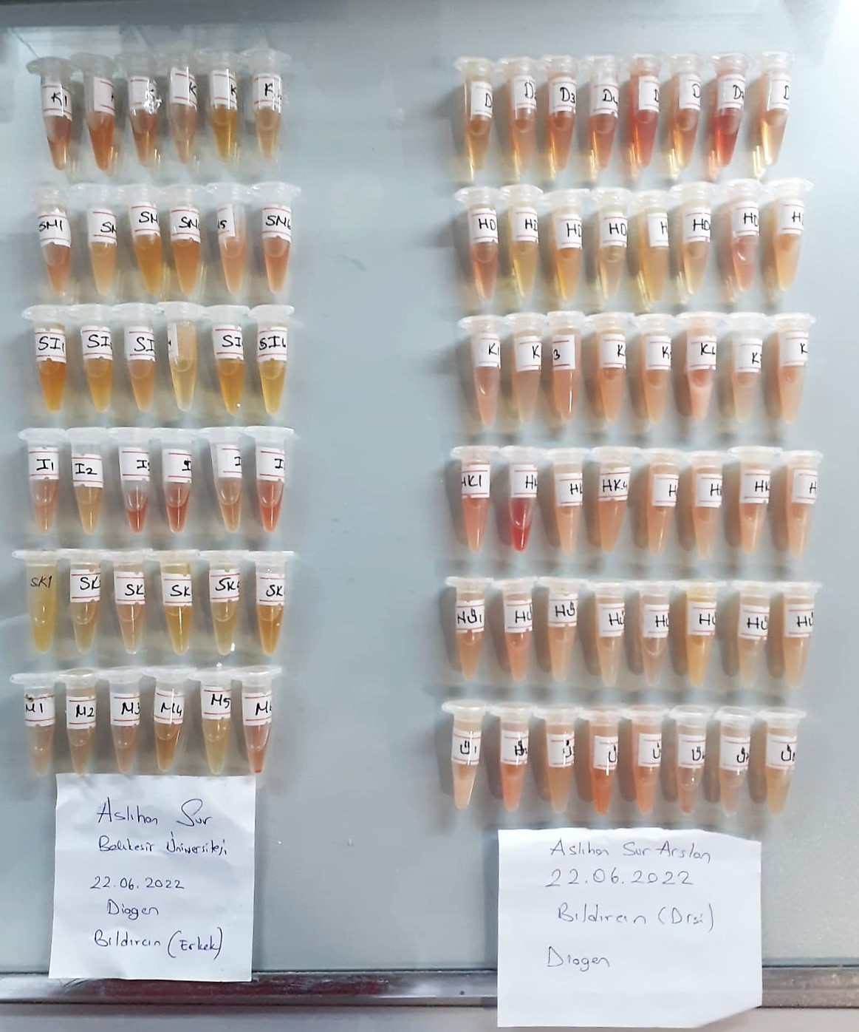

TOTAL ANTIOXDANT STATUS (TAS) (mmol/L)
TAS levels were measured using commercially available kits (Relassay, Turkey). The novel
automated method is based on the bleaching of characteristic color of a more stable ABTS
(2,2 ′ - Azino-bis(3-ethylbenzothiazoline-6-sulfonic acid)) radical cation by antioxidants. The
assay has excellent precision values, which are lower than 3%. The results were expressed as
mmol Trolox equivalent/L (Erel O. A novel automated direct measurement method for total
antioxidant capacity using a new generation, more stable ABTS radicalcation. Clin Biochem
2004;37:277-85.)
(Relassay,Turkey)
...

