MPO
1.114 | 1.047 | 1.45 | 0.801 | 1.331 | 1.294 | 2.284 | 1.036 | 1.66 | 1.851 | 1.276 | 1.427
0.605 | 0.955 | 0.847 | 0.862 | 1.449 | 1.128 | 1.181 | 1.625 | 1.927 | 1.091 | 1.037 | 0.876
0.32 | 0.969 | 0.642 | 0.735 | 1.392 | 2.009 | 2.572 | 0.931 | 1.108 | 0.988 | 1.082 | 1.09
0.202 | 1.691 | 0.979 | 0.892 | 2.58 | 1.706 | 0.773 | 2.219 | 1.322 | 1.872 | 1.512 | 1.162
0.136 | 1.376 | 0.897 | 1.103 | 1.407 | 0.897 | 0.976 | 1.043 | 1.617 | 0.917 | 2.058 | 2.369
0.113 | 1.353 | 0.911 | 1.504 | 0.894 | 0.846 | 1.197 | 2.138 | 1.818 | 0.776 | 1.153 | 2.174
0.081 | 0.648 | 0.941 | 0.89 | 1.021 | 1.088 | 1.984 | 1.029 | 2.069 | 0.599 | 2.046 | 2.907
0.057 | 0.727 | 0.531 | 0.843 | 1.459 | 1.728 | 1.518 | 1.772 | 1.771 | 1.684 | 0.678 | 1.69

MPO
 | abs | abs-blank | expected | result
std1 | 1.114 | 1.057 | 10 | 9.99
std2 | 0.605 | 0.548 | 5 | 5.06
std3 | 0.32 | 0.263 | 2.5 | 2.37
std4 | 0.202 | 0.145 | 1.25 | 1.27
std5 | 0.136 | 0.079 | 0.63 | 0.65
std6 | 0.113 | 0.056 | 0.31 | 0.44
std7 | 0.081 | 0.024 | 0.16 | 0.15
blank | 0.057 | 0 | 0 | -0.08

 |  |  |  |  |  |  |  |  | concentratıon (ng/ml)

Numune | absorbans | blank | abs-blank | Result (ng/ml)
K-1 | 1.047 | 0.057 | 0.99 | 9.33
K-2 | 0.955 | 0.057 | 0.898 | 8.43
K-3 | 0.969 | 0.057 | 0.912 | 8.57
K-4 | 1.691 | 0.057 | 1.634 | 15.77
K-7 | 1.376 | 0.057 | 1.319 | 12.59
K-10 | 1.353 | 0.057 | 1.296 | 12.36
K-12 | 0.648 | 0.057 | 0.591 | 5.47
K-13 | 0.727 | 0.057 | 0.67 | 6.23
K-15 | 1.45 | 0.057 | 1.393 | 13.33
K-16 | 0.847 | 0.057 | 0.79 | 7.39
K-17 | 0.642 | 0.057 | 0.585 | 5.41
K-18 | 0.979 | 0.057 | 0.922 | 8.67
K-19 | 0.897 | 0.057 | 0.84 | 7.87
K-20 | 0.911 | 0.057 | 0.854 | 8.01
K-21 | 0.941 | 0.057 | 0.884 | 8.30
K-22 | 0.531 | 0.057 | 0.474 | 4.36
K-24 | 0.801 | 0.057 | 0.744 | 6.94
K-26 | 0.862 | 0.057 | 0.805 | 7.53
K-29 | 0.735 | 0.057 | 0.678 | 6.30
K-31 | 0.892 | 0.057 | 0.835 | 7.82
K-33 | 1.103 | 0.057 | 1.046 | 9.88
K-34 | 1.504 | 0.057 | 1.447 | 13.87
K-35 | 0.89 | 0.057 | 0.833 | 7.80
K-38 | 0.843 | 0.057 | 0.786 | 7.35
K-40 | 1.331 | 0.057 | 1.274 | 12.14
K-41 | 1.449 | 0.057 | 1.392 | 13.32
K-42 | 1.392 | 0.057 | 1.335 | 12.75
K-43 | 2.58 | 0.057 | 2.523 | 25.06
K-45 | 1.407 | 0.057 | 1.35 | 12.90
K-46 | 0.894 | 0.057 | 0.837 | 7.84
K-47 | 1.021 | 0.057 | 0.964 | 9.08
K-48 | 1.459 | 0.057 | 1.402 | 13.42
K-50 | 1.294 | 0.057 | 1.237 | 11.77
K-51 | 1.128 | 0.057 | 1.071 | 10.13
K-52 | 2.009 | 0.057 | 1.952 | 19.04
K-53 | 1.706 | 0.057 | 1.649 | 15.92
K-54 | 0.897 | 0.057 | 0.84 | 7.87
K-55 | 0.846 | 0.057 | 0.789 | 7.38
H-1 | 1.088 | 0.057 | 1.031 | 9.74
H-2 | 1.728 | 0.057 | 1.671 | 16.15
H-3 | 2.284 | 0.057 | 2.227 | 21.91
H-5 | 1.181 | 0.057 | 1.124 | 10.65
H-6 | 2.572 | 0.057 | 2.515 | 24.97
H-7 | 0.773 | 0.057 | 0.716 | 6.67
H-8 | 0.976 | 0.057 | 0.919 | 8.64
H-9 | 1.197 | 0.057 | 1.14 | 10.81
H-10 | 1.984 | 0.057 | 1.927 | 18.78
H-11 | 1.518 | 0.057 | 1.461 | 14.02
H-12 | 1.036 | 0.057 | 0.979 | 9.23
H-13 | 1.625 | 0.057 | 1.568 | 15.10
H-14 | 0.931 | 0.057 | 0.874 | 8.20
H-15 | 2.219 | 0.057 | 2.162 | 21.23
H-16 | 1.043 | 0.057 | 0.986 | 9.29
H-17 | 2.138 | 0.057 | 2.081 | 20.38
H-19 | 1.029 | 0.057 | 0.972 | 9.16
H-20 | 1.772 | 0.057 | 1.715 | 16.60
H-21 | 1.66 | 0.057 | 1.603 | 15.45
H-22 | 1.927 | 0.057 | 1.87 | 18.19
H-23 | 1.108 | 0.057 | 1.051 | 9.93
H-25 | 1.322 | 0.057 | 1.265 | 12.05
H-26 | 1.617 | 0.057 | 1.56 | 15.02
H-28 | 1.818 | 0.057 | 1.761 | 17.07
H-29 | 2.069 | 0.057 | 2.012 | 19.66
H-31 | 1.771 | 0.057 | 1.714 | 16.59
H-32 | 1.851 | 0.057 | 1.794 | 17.41
H-33 | 1.091 | 0.057 | 1.034 | 9.77
H-34 | 0.988 | 0.057 | 0.931 | 8.76
H-35 | 1.872 | 0.057 | 1.815 | 17.62
H-37 | 0.917 | 0.057 | 0.86 | 8.06
H-41 | 0.776 | 0.057 | 0.719 | 6.70
H-42 | 0.599 | 0.057 | 0.542 | 5.00
H-43 | 1.684 | 0.057 | 1.627 | 15.70
H-44 | 1.276 | 0.057 | 1.219 | 11.59
H-46 | 1.037 | 0.057 | 0.98 | 9.24
H-48 | 1.082 | 0.057 | 1.025 | 9.68
H-49 | 1.512 | 0.057 | 1.455 | 13.95
H-50 | 2.058 | 0.057 | 2.001 | 19.55
H-51 | 1.153 | 0.057 | 1.096 | 10.38
H-52 | 2.046 | 0.057 | 1.989 | 19.42
H-53 | 0.678 | 0.057 | 0.621 | 5.76
H-54 | 1.427 | 0.057 | 1.37 | 13.10
H-55 | 0.876 | 0.057 | 0.819 | 7.67
H-58 | 1.09 | 0.057 | 1.033 | 9.76
H-61 | 1.162 | 0.057 | 1.105 | 10.46
H-62 | 2.369 | 0.057 | 2.312 | 22.81
H-64 | 2.174 | 0.057 | 2.117 | 20.76
H-68 | 2.907 | 0.057 | 2.85 | 28.59
H-70 | 1.69 | 0.057 | 1.633 | 15.76

Materyal-metod
KİT ADI | TÜR | MARKA | CAT. NO | Yöntem | Kullanılan Cihaz
Myeloperoxidase(MPO) | Human | CAYMAN | 501410 | ELİSA | Mıcroplate reader: BIO-TEK EL X 800-Aotu strıp washer:BIO TEK EL X 50
PON-1: Paraoxanase-1 | Universal | REL ASSAY | RL0031 | Kolorimetrik | MINDRAY BS-400

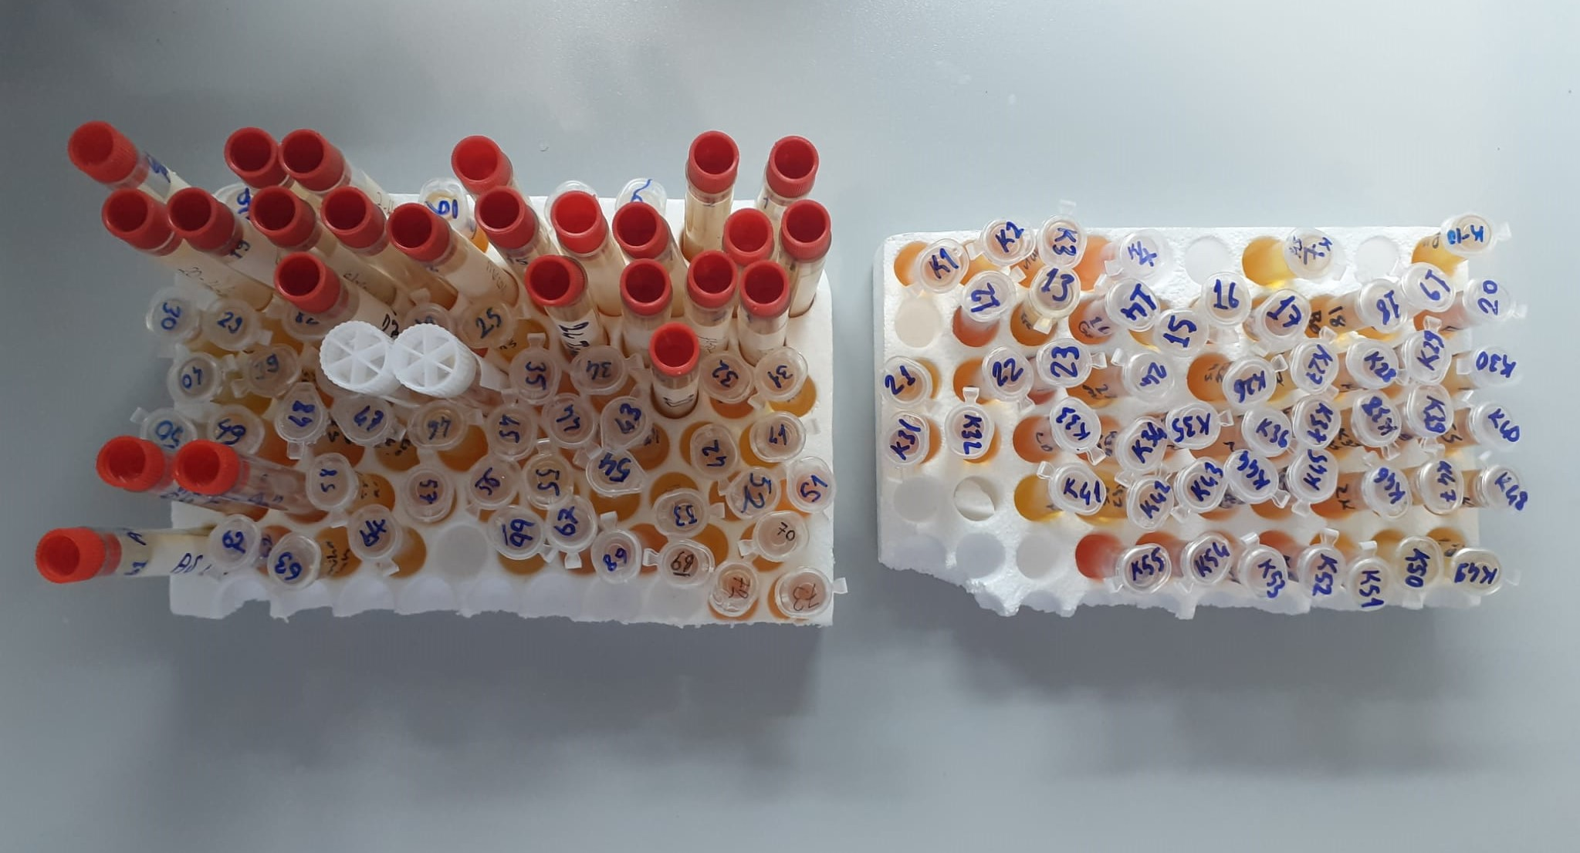

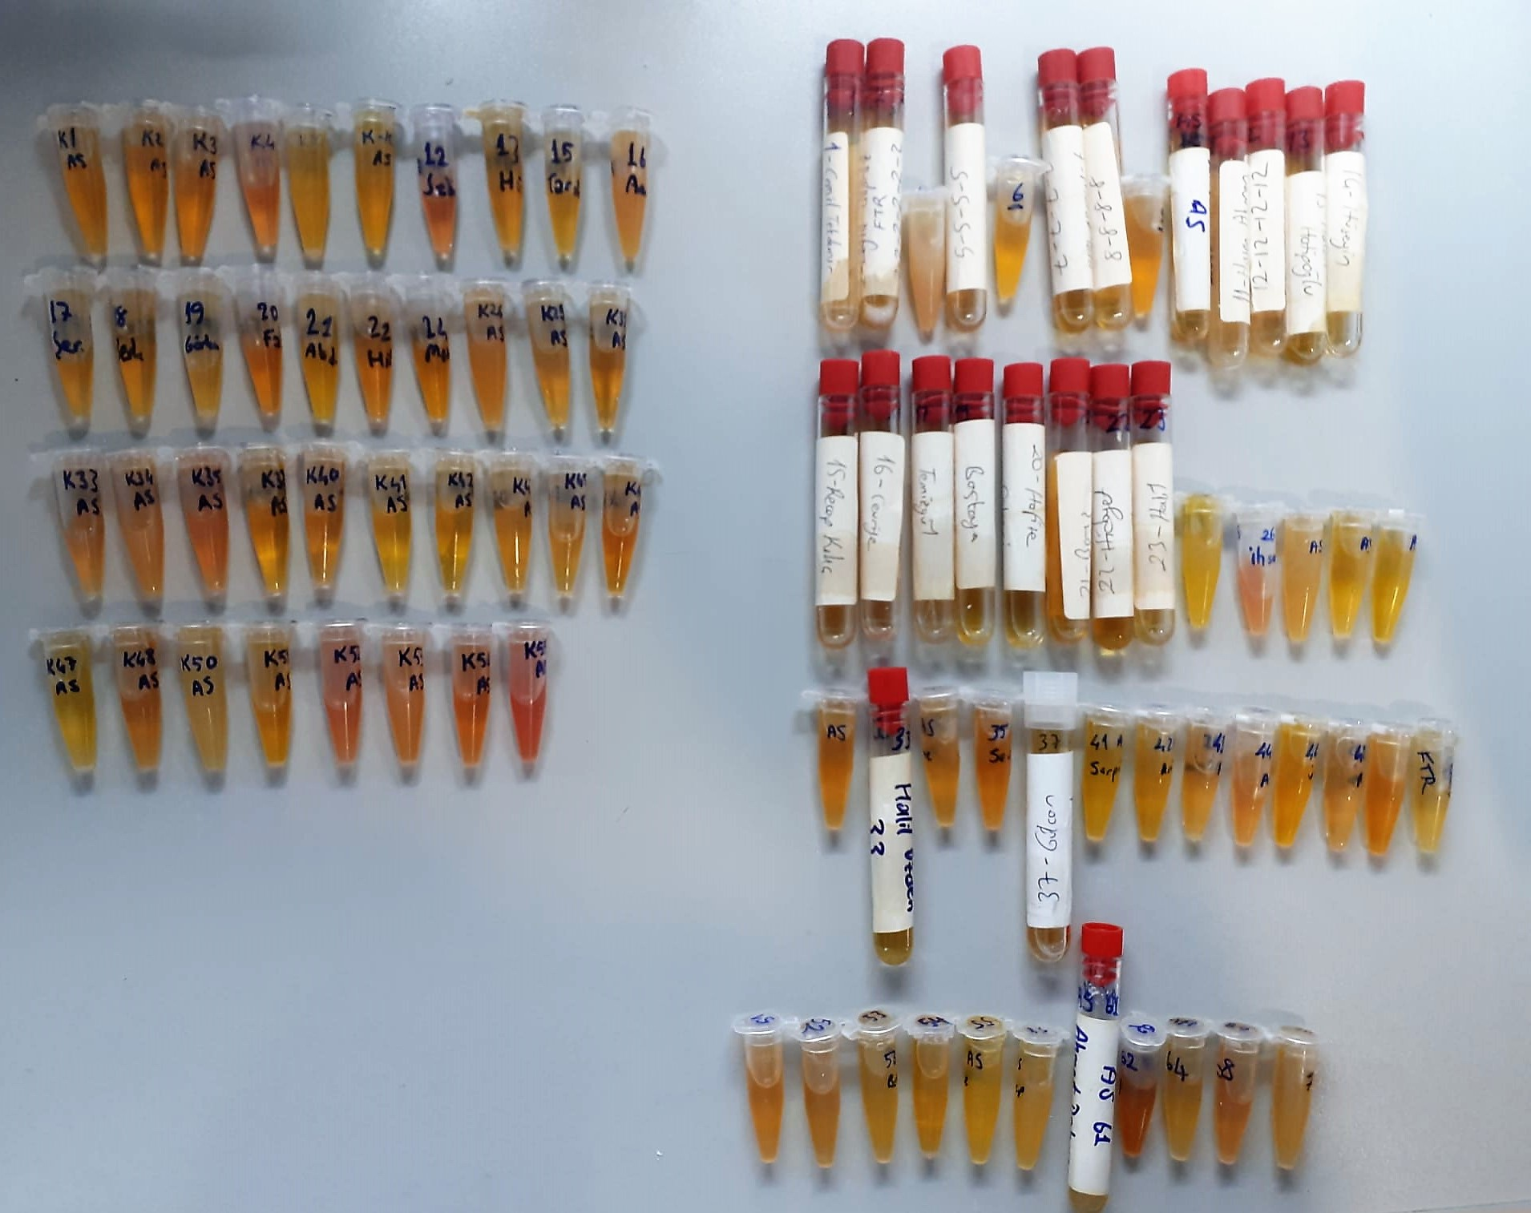

Paraoxonase-1 PON-1) U/L
Measurement of paraoxonase activity;
Paraoxonase activity was measured using
commercially available kits (Relassay, Turkey).
The rate of paraoxon hydrolysis (diethylpnitrophenylphosphate)
was measured by monitoring the increase of
absorption at 412 nm at 37 °C. The amount of generated p-nitrophenol
was calculated from the molar absorption coefficient at pH 8.5, which
was 18.290 M−1 cm−1 Paraoxonase activity was expressed as U/L serum

MPO Assay Principle
This sandwich assay is based on a double-antibody sandwich tecnique.Each well of the microwell plate supplied with the kit has been coated with a monoclonal antibody specific for MPO(mouse anti-human MPO.)
This amtibody will bind any MPO introduced into the well. Standards and samples are incubated on the antibody-coated plate, and the plate is then rinsed before addition of an HRP-lebeled MPO monoclonal antibody detect the captured MPO.
The two antibodies form a sandwich by binding to different locations on the MPO protein. The concentration of the analyte is determined by measuring the enzymatic activity of HRP using the chromogenic subsrate(TMB)
After a sufficient period of time, the reaction is stopped with acid, forming a product with a distinct yellow color than can be measured at 450 nm.
The intensity of this color, determined spectrophotometrically, is directly prpportional to the amount of bound conjugate, which in turn is proportional to the concentration of the MPO.

