TRP
2.412 | 2.097 | 1.434 | 1.677 | 1.562
1.609 | 1.401 | 1.357 | 1.645 | 1.799
1.065 | 1.673 | 1.952 | 2.027 | 2.301
0.755 | 1.425 | 1.696 | 2.184 | 2.721
0.382 | 1.503 | 1.442 | 1.843 | 1.097
0.109 | 1.422 | 1.186 | 1.521 | 0.93
1.303 | 1.228 | 1.293 | 1.86 | 1.045
TRP
1.138 | 1.512 | 1.497 | 1.643 | 0.04

 | abs | abs-blank | expected | result
std1 | 2.412 | 2.303 | 240 | 240.43
std2 | 1.609 | 1.5 | 120 | 118.61
std3 | 1.065 | 0.956 | 60 | 59.38
std4 | 0.755 | 0.646 | 30 | 34.04
std5 | 0.382 | 0.273 | 15 | 11.66
blank | 0.109 | 0 | 0 | 0.88
 |  |  |  |  | concentration (ng/ml)

Numune | absorbans | blank | abs-blank | result(ng/ml)
K11 | 1.303 | 0.109 | 1.194 | 82.98
K-21 | 1.138 | 0.109 | 1.029 | 66.23
K-22 | 2.097 | 0.109 | 1.988 | 187.75
K-23 | 1.401 | 0.109 | 1.292 | 93.74
K-32 | 1.673 | 0.109 | 1.564 | 126.81
K-33 | 1.425 | 0.109 | 1.316 | 96.47
K-41 | 1.503 | 0.109 | 1.394 | 105.59
K-42 | 1.422 | 0.109 | 1.313 | 96.13
K-43 | 1.228 | 0.109 | 1.119 | 75.15
A-11 | 1.512 | 0.109 | 1.403 | 106.67
A-12 | 1.434 | 0.109 | 1.325 | 97.50
A-13 | 1.357 | 0.109 | 1.248 | 88.83
A-21 | 1.952 | 0.109 | 1.843 | 165.63
A-22 | 1.696 | 0.109 | 1.587 | 129.83
A-23 | 1.442 | 0.109 | 1.333 | 98.42
A-31 | 1.186 | 0.109 | 1.077 | 70.93
A-32 | 1.293 | 0.109 | 1.184 | 81.91
A-33 | 1.497 | 0.109 | 1.388 | 104.88
A-41 | 1.677 | 0.109 | 1.568 | 127.34
A-42 | 1.645 | 0.109 | 1.536 | 123.19
A-43 | 2.027 | 0.109 | 1.918 | 176.90
L-11 | 2.184 | 0.109 | 2.075 | 201.67
L-12 | 1.843 | 0.109 | 1.734 | 149.87
L-13 | 1.521 | 0.109 | 1.412 | 107.75
L-21 | 1.86 | 0.109 | 1.751 | 152.28
L-22 | 1.643 | 0.109 | 1.534 | 122.94
L-23 | 1.562 | 0.109 | 1.453 | 112.75
L-31 | 1.799 | 0.109 | 1.69 | 143.73
L-32 | 2.301 | 0.109 | 2.192 | 221.15
L-33 | 2.721 | 0.109 | 2.612 | 298.23
L-41 | 1.097 | 0.109 | 0.988 | 62.34
L-42 | 0.93 | 0.109 | 0.821 | 47.59
L-43 | 1.045 | 0.109 | 0.936 | 57.56

**K13 ve K31 nolu numunelerin tüpleri boş olarak gönderilmiş.

Materyal-metod
KİT ADI | TÜR | MARKA | CAT. NO | Yöntem | Kullanılan Cihaz
Trypsin (TRP) | Rat | BT | E0705Ra | ELİSA | Mıcroplate reader: BIO-TEK EL X 800-Aotu strıp washer:BIO TEK EL X 50

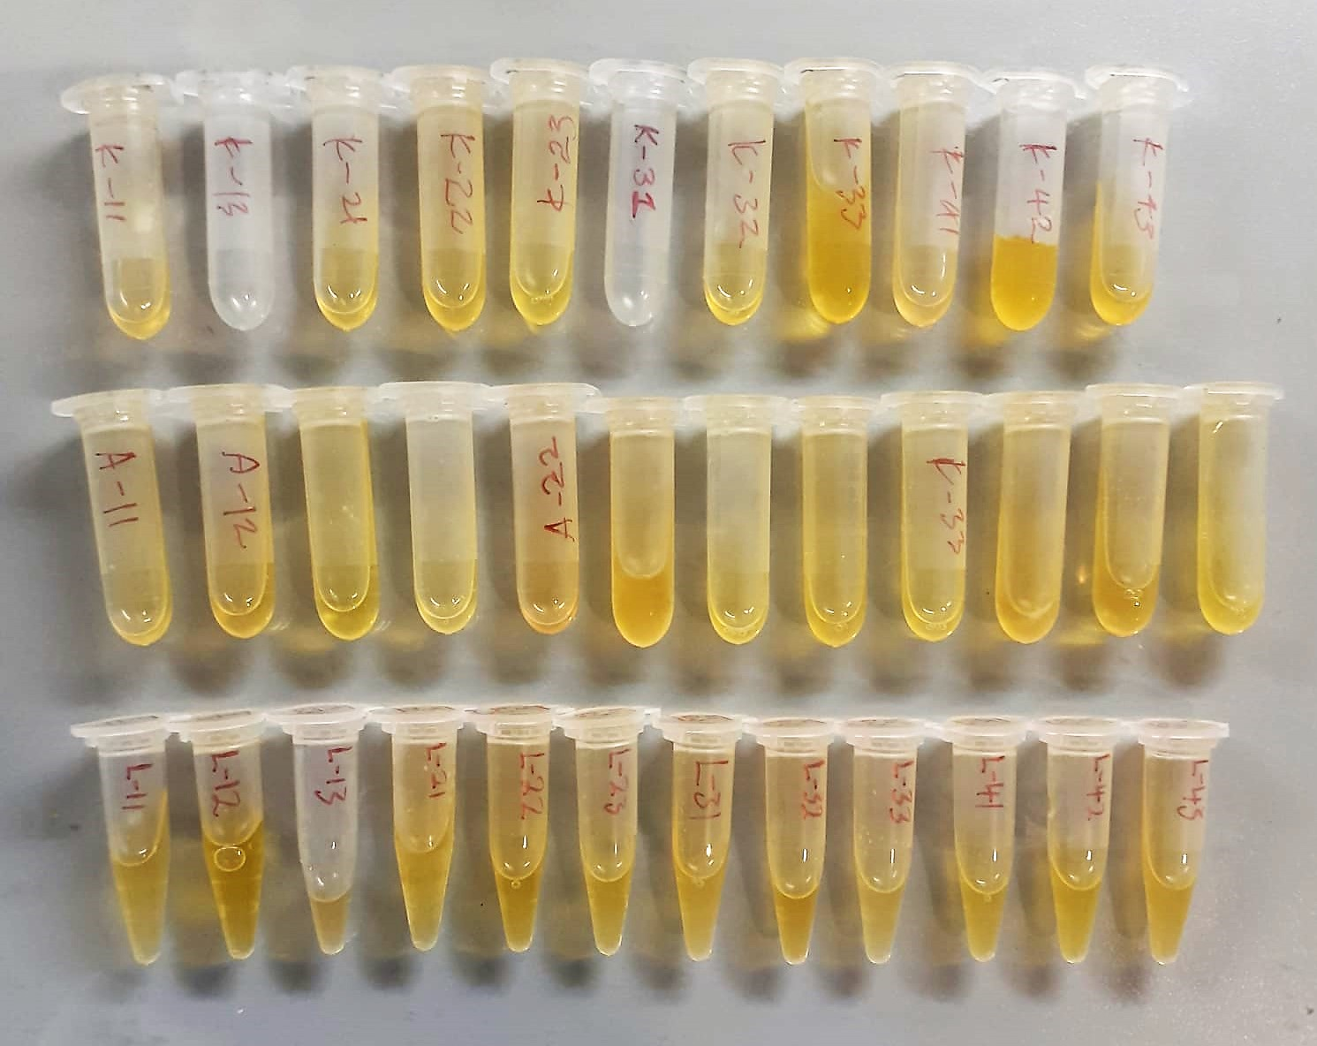

TRP Assay Principle
This kit is an Enzyme-Linked Immunosorbent Assay (ELISA). The plate has been pre-coated with Rat TRP antibody.Rat TRP present in the sample is added and binds to antibodies coated on the wells.
And then biotinylated Rat TRP Antibody is added and binds to Rat TRP in the sample. Then Streptavidin-HRP is added and binds to the Biotinylated Rat TRP antibody.
After incubation unbound Streptavidin-HRP is washed away during a washing step. Substrate solution is then added and color develops in proportion to the amount of Rat TRP.
The reaction is terminated by addition of acidic stop solution and absorbance is measured at 450 nm.

