TNF-A
1.594 | 0.379 | 0.645 | 0.59 | 0.363
0.985 | 0.402 | 0.646 | 0.615 | 0.395
0.575 | 0.402 | 0.657 | 0.581 | 0.438
0.398 | 0.428 | 0.592 | 0.535 | 0.429
0.244 | 0.454 | 0.469 | 0.497 | 0.436
0.118 | 0.449 | 0.481 | 0.465 | 0.421
0.044 | 0.436 | 0.48 | 0.524 | 0.543
0.044 | 0.37 | 0.466 | 0.557 | 0.574

TNF-ALFA

 | abs | abs-blank | expected | result
std1 | 1.594 | 1.476 | 640 | 639.49
std2 | 0.985 | 0.867 | 320 | 323.03
std3 | 0.575 | 0.457 | 160 | 151.64
std4 | 0.398 | 0.28 | 80 | 88.01
std5 | 0.244 | 0.126 | 40 | 37.73
blank | 0.118 | 0 | 0 | 0.11

 |  |  |  |  | concentratıon (ng/L)

Numune | absorbans | blank | abs-blank | result(ng/L)
Control-1 | 0.379 | 0.118 | 0.261 | 81.55
Control-2 | 0.402 | 0.118 | 0.284 | 89.38
Control-3 | 0.402 | 0.118 | 0.284 | 89.38
Control-4 | 0.428 | 0.118 | 0.31 | 98.35
Control-5 | 0.454 | 0.118 | 0.336 | 107.46
Control-6 | 0.449 | 0.118 | 0.331 | 105.70
Control-7 | 0.436 | 0.118 | 0.318 | 101.14
Control-8 | 0.37 | 0.118 | 0.252 | 78.52
Radyoterapi-1 | 0.645 | 0.118 | 0.527 | 178.53
Radyoterapi-2 | 0.646 | 0.118 | 0.528 | 178.92
Radyoterapi-3 | 0.657 | 0.118 | 0.539 | 183.24
Radyoterapi-4 | 0.592 | 0.118 | 0.474 | 158.08
Radyoterapi-5 | 0.469 | 0.118 | 0.351 | 112.78
Radyoterapi-6 | 0.481 | 0.118 | 0.363 | 117.07
Radyoterapi-7 | 0.48 | 0.118 | 0.362 | 116.71
Radyoterapi-8 | 0.466 | 0.118 | 0.348 | 111.72
Ramelzeen-1 | 0.59 | 0.118 | 0.472 | 157.32
Ramelzeen-2 | 0.615 | 0.118 | 0.497 | 166.88
Ramelzeen-3 | 0.581 | 0.118 | 0.463 | 153.91
Ramelzeen-4 | 0.535 | 0.118 | 0.417 | 136.71
Ramelzeen-5 | 0.497 | 0.118 | 0.379 | 122.83
Ramelzeen-6 | 0.465 | 0.118 | 0.347 | 111.36
Ramelzeen-7 | 0.524 | 0.118 | 0.406 | 132.66
Ramelzeen-8 | 0.557 | 0.118 | 0.439 | 144.88
Radyoterapi+Ramelzeen-1 | 0.363 | 0.118 | 0.245 | 76.17
Radyoterapi+Ramelzeen-2 | 0.395 | 0.118 | 0.277 | 86.98
Radyoterapi+Ramelzeen-3 | 0.438 | 0.118 | 0.32 | 101.84
Radyoterapi+Ramelzeen-4 | 0.429 | 0.118 | 0.311 | 98.70
Radyoterapi+Ramelzeen-5 | 0.436 | 0.118 | 0.318 | 101.14
Radyoterapi+Ramelzeen-6 | 0.421 | 0.118 | 0.303 | 95.92
Radyoterapi+Ramelzeen-7 | 0.543 | 0.118 | 0.425 | 139.67
Radyoterapi+Ramelzeen-8 | 0.574 | 0.118 | 0.456 | 151.26

IL-10
1.548 | 0.354 | 0.193 | 0.311 | 0.229
0.973 | 0.354 | 0.189 | 0.272 | 0.323
0.569 | 0.326 | 0.234 | 0.263 | 0.31
0.375 | 0.303 | 0.22 | 0.305 | 0.381
0.253 | 0.28 | 0.234 | 0.288 | 0.208
0.116 | 0.278 | 0.166 | 0.301 | 0.266
0.036 | 0.252 | 0.238 | 0.334 | 0.308
0.033 | 0.304 | 0.296 | 0.354 | 0.257

IL-10

 | abs | abs-blank | expected | result
std1 | 1.548 | 1.432 | 480 | 478.95
std2 | 0.973 | 0.857 | 240 | 244.55
std3 | 0.569 | 0.453 | 120 | 113.82
std4 | 0.375 | 0.259 | 60 | 61.01
std5 | 0.253 | 0.137 | 30 | 31.11
blank | 0.116 | 0 | 0 | 0.58

 |  |  |  |  | concentratıon (pg/ml)

Numune | absorbans | blank | abs-blank | result(pg/ml)
Control-1 | 0.354 | 0.116 | 0.238 | 55.68
Control-2 | 0.354 | 0.116 | 0.238 | 55.68
Control-3 | 0.326 | 0.116 | 0.21 | 48.69
Control-4 | 0.303 | 0.116 | 0.187 | 43.05
Control-5 | 0.28 | 0.116 | 0.164 | 37.50
Control-6 | 0.278 | 0.116 | 0.162 | 37.03
Control-7 | 0.252 | 0.116 | 0.136 | 30.87
Control-8 | 0.304 | 0.116 | 0.188 | 43.29
Radyoterapi-1 | 0.193 | 0.116 | 0.077 | 17.34
Radyoterapi-2 | 0.189 | 0.116 | 0.073 | 16.44
Radyoterapi-3 | 0.234 | 0.116 | 0.118 | 26.68
Radyoterapi-4 | 0.22 | 0.116 | 0.104 | 23.46
Radyoterapi-5 | 0.234 | 0.116 | 0.118 | 26.68
Radyoterapi-6 | 0.166 | 0.116 | 0.05 | 11.35
Radyoterapi-7 | 0.238 | 0.116 | 0.122 | 27.61
Radyoterapi-8 | 0.296 | 0.116 | 0.18 | 41.35
Ramelzeen-1 | 0.311 | 0.116 | 0.195 | 45.00
Ramelzeen-2 | 0.272 | 0.116 | 0.156 | 35.60
Ramelzeen-3 | 0.263 | 0.116 | 0.147 | 33.46
Ramelzeen-4 | 0.305 | 0.116 | 0.189 | 43.54
Ramelzeen-5 | 0.288 | 0.116 | 0.172 | 39.42
Ramelzeen-6 | 0.301 | 0.116 | 0.185 | 42.57
Ramelzeen-7 | 0.334 | 0.116 | 0.218 | 50.67
Ramelzeen-8 | 0.354 | 0.116 | 0.238 | 55.68
Radyoterapi+Ramelzeen-1 | 0.229 | 0.116 | 0.113 | 25.53
Radyoterapi+Ramelzeen-2 | 0.323 | 0.116 | 0.207 | 47.95
Radyoterapi+Ramelzeen-3 | 0.31 | 0.116 | 0.194 | 44.76
Radyoterapi+Ramelzeen-4 | 0.381 | 0.116 | 0.265 | 62.54
Radyoterapi+Ramelzeen-5 | 0.208 | 0.116 | 0.092 | 20.72
Radyoterapi+Ramelzeen-6 | 0.266 | 0.116 | 0.15 | 34.17
Radyoterapi+Ramelzeen-7 | 0.308 | 0.116 | 0.192 | 44.27
Radyoterapi+Ramelzeen-8 | 0.257 | 0.116 | 0.141 | 32.05

CASPASE-3
1.568 | 0.285 | 0.258 | 0.275 | 0.261
0.974 | 0.236 | 0.278 | 0.242 | 0.209
0.625 | 0.25 | 0.291 | 0.231 | 0.179
0.485 | 0.22 | 0.249 | 0.226 | 0.177
0.271 | 0.255 | 0.242 | 0.214 | 0.186
0.113 | 0.263 | 0.288 | 0.209 | 0.213
0.043 | 0.252 | 0.287 | 0.228 | 0.215
CASPASE-3
0.03 | 0.269 | 0.294 | 0.224 | 0.199

 | abs | abs-blank | expected | result
std1 | 1.568 | 1.455 | 6.4 | 6.44
std2 | 0.974 | 0.861 | 3.2 | 3.07
std3 | 0.625 | 0.512 | 1.6 | 1.55
std4 | 0.485 | 0.372 | 0.8 | 1.04
std5 | 0.271 | 0.158 | 0.4 | 0.36
blank | 0.113 | 0 | 0 | -0.06
 |  |  |  |  | concentratıon (ng/ml)

Numune | absorbans | blank | abs-blank | result(ng/ml)
Control-1 | 0.285 | 0.113 | 0.172 | 0.40
Control-2 | 0.236 | 0.113 | 0.123 | 0.26
Control-3 | 0.25 | 0.113 | 0.137 | 0.30
Control-4 | 0.22 | 0.113 | 0.107 | 0.22
Control-5 | 0.255 | 0.113 | 0.142 | 0.31
Control-6 | 0.263 | 0.113 | 0.15 | 0.34
Control-7 | 0.252 | 0.113 | 0.139 | 0.31
Control-8 | 0.269 | 0.113 | 0.156 | 0.35
Radyoterapi-1 | 0.258 | 0.113 | 0.145 | 0.32
Radyoterapi-2 | 0.278 | 0.113 | 0.165 | 0.38
Radyoterapi-3 | 0.291 | 0.113 | 0.178 | 0.42
Radyoterapi-4 | 0.249 | 0.113 | 0.136 | 0.30
Radyoterapi-5 | 0.242 | 0.113 | 0.129 | 0.28
Radyoterapi-6 | 0.288 | 0.113 | 0.175 | 0.41
Radyoterapi-7 | 0.287 | 0.113 | 0.174 | 0.41
Radyoterapi-8 | 0.294 | 0.113 | 0.181 | 0.43
Ramelzeen-1 | 0.275 | 0.113 | 0.162 | 0.37
Ramelzeen-2 | 0.242 | 0.113 | 0.129 | 0.28
Ramelzeen-3 | 0.231 | 0.113 | 0.118 | 0.25
Ramelzeen-4 | 0.226 | 0.113 | 0.113 | 0.23
Ramelzeen-5 | 0.214 | 0.113 | 0.101 | 0.20
Ramelzeen-6 | 0.209 | 0.113 | 0.096 | 0.19
Ramelzeen-7 | 0.228 | 0.113 | 0.115 | 0.24
Ramelzeen-8 | 0.224 | 0.113 | 0.111 | 0.23
Radyoterapi+Ramelzeen-1 | 0.261 | 0.113 | 0.148 | 0.33
Radyoterapi+Ramelzeen-2 | 0.209 | 0.113 | 0.096 | 0.19
Radyoterapi+Ramelzeen-3 | 0.179 | 0.113 | 0.066 | 0.11
Radyoterapi+Ramelzeen-4 | 0.177 | 0.113 | 0.064 | 0.10
Radyoterapi+Ramelzeen-5 | 0.186 | 0.113 | 0.073 | 0.13
Radyoterapi+Ramelzeen-6 | 0.213 | 0.113 | 0.1 | 0.20
Radyoterapi+Ramelzeen-7 | 0.215 | 0.113 | 0.102 | 0.20
Radyoterapi+Ramelzeen-8 | 0.199 | 0.113 | 0.086 | 0.16

CASPASE-9
1.597 | 0.417 | 0.332 | 0.591 | 0.394
0.867 | 0.35 | 0.326 | 0.477 | 0.337
0.493 | 0.313 | 0.312 | 0.501 | 0.286
0.313 | 0.336 | 0.267 | 0.469 | 0.324
0.238 | 0.345 | 0.298 | 0.521 | 0.305
0.139 | 0.331 | 0.26 | 0.44 | 0.256
CASPASE-9
0.028 | 0.358 | 0.287 | 0.403 | 0.294
0.031 | 0.503 | 0.3 | 0.4 | 0.373

 | abs | abs-blank | expected | result
std1 | 1.597 | 1.458 | 4800 | 4797.28
std2 | 0.867 | 0.728 | 2400 | 2416.22
std3 | 0.493 | 0.354 | 1200 | 1179.30
std4 | 0.313 | 0.174 | 600 | 579.88
std5 | 0.238 | 0.099 | 300 | 329.33
blank | 0.139 | 0 | 0 | -2.10
 |  |  |  |  | concentratıon (ng/L)

Numune | absorbans | blank | abs-blank | result(ng/L)
Control-1 | 0.417 | 0.139 | 0.278 | 926.54
Control-2 | 0.35 | 0.139 | 0.211 | 703.31
Control-3 | 0.313 | 0.139 | 0.174 | 579.88
Control-4 | 0.336 | 0.139 | 0.197 | 656.62
Control-5 | 0.345 | 0.139 | 0.206 | 686.64
Control-6 | 0.331 | 0.139 | 0.192 | 639.94
Control-7 | 0.358 | 0.139 | 0.219 | 729.99
Control-8 | 0.503 | 0.139 | 0.364 | 1212.53
Radyoterapi-1 | 0.332 | 0.139 | 0.193 | 643.28
Radyoterapi-2 | 0.326 | 0.139 | 0.187 | 623.26
Radyoterapi-3 | 0.312 | 0.139 | 0.173 | 576.54
Radyoterapi-4 | 0.267 | 0.139 | 0.128 | 426.27
Radyoterapi-5 | 0.298 | 0.139 | 0.159 | 529.81
Radyoterapi-6 | 0.26 | 0.139 | 0.121 | 402.88
Radyoterapi-7 | 0.287 | 0.139 | 0.148 | 493.08
Radyoterapi-8 | 0.3 | 0.139 | 0.161 | 536.49
Ramelzeen-1 | 0.591 | 0.139 | 0.452 | 1504.53
Ramelzeen-2 | 0.477 | 0.139 | 0.338 | 1126.13
Ramelzeen-3 | 0.501 | 0.139 | 0.362 | 1205.88
Ramelzeen-4 | 0.469 | 0.139 | 0.33 | 1099.54
Ramelzeen-5 | 0.521 | 0.139 | 0.382 | 1272.31
Ramelzeen-6 | 0.44 | 0.139 | 0.301 | 1003.08
Ramelzeen-7 | 0.403 | 0.139 | 0.264 | 879.93
Ramelzeen-8 | 0.4 | 0.139 | 0.261 | 869.94
Radyoterapi+Ramelzeen-1 | 0.394 | 0.139 | 0.255 | 849.95
Radyoterapi+Ramelzeen-2 | 0.337 | 0.139 | 0.198 | 659.96
Radyoterapi+Ramelzeen-3 | 0.286 | 0.139 | 0.147 | 489.74
Radyoterapi+Ramelzeen-4 | 0.324 | 0.139 | 0.185 | 616.59
Radyoterapi+Ramelzeen-5 | 0.305 | 0.139 | 0.166 | 553.18
Radyoterapi+Ramelzeen-6 | 0.256 | 0.139 | 0.117 | 389.51
Radyoterapi+Ramelzeen-7 | 0.294 | 0.139 | 0.155 | 516.45
Radyoterapi+Ramelzeen-8 | 0.373 | 0.139 | 0.234 | 779.99

Materyal-metod
KİT ADI | TÜR | MARKA | CAT. NO | Yöntem | Kullanılan Cihaz
Tumor necrosis factor-alfa | Rat | BT | E0764Ra | ELİSA | Mıcroplate reader: BIO-TEK EL X 800-Aotu strıp washer:BIO TEK EL X 50
Interleukin 10 | Rat | BT | E0108Ra | ELİSA | Mıcroplate reader: BIO-TEK EL X 800-Aotu strıp washer:BIO TEK EL X 50
Caspase-3 | Rat | BT | E1648Ra | ELİSA | Mıcroplate reader: BIO-TEK EL X 800-Aotu strıp washer:BIO TEK EL X 50
Caspase-9 | Rat | BT | E1898Ra | ELİSA | Mıcroplate reader: BIO-TEK EL X 800-Aotu strıp washer:BIO TEK EL X 50
NOT: Dokular 1/9 oranında( 0,1 gr doku: 0,9ml 140 mmol. lık KCl) Potasyum Klorür tamponu ile homojenize edildikten sonra 7000 rpm + 4' de 5 dk santrifüj edildi.

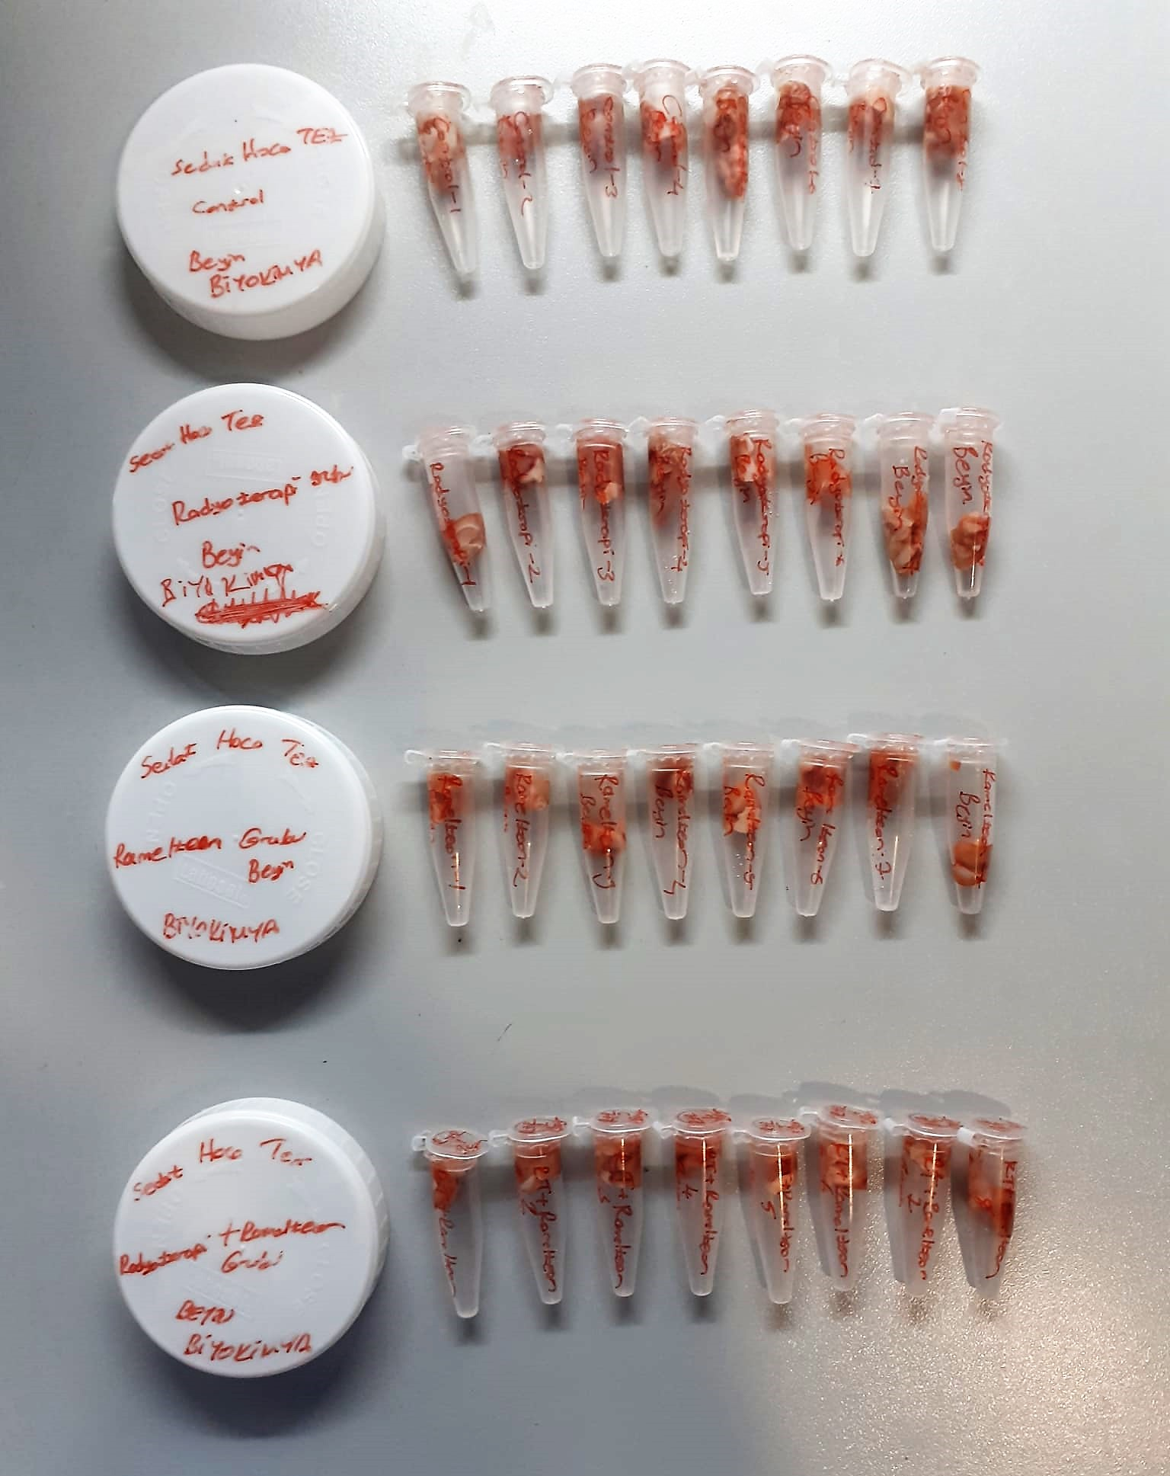

TNF-Alfa Assay Principle
This kit is an Enzyme-Linked Immunosorbent Assay (ELISA). The plate has been pre-coated with Rat TNFA antibody. TNFA present in the sample is added and binds to antibodies coated on the wells.
And then biotinylated Rat TNFA Antibody is added and binds to TNFA in the sample. Then Streptavidin-HRP is added and binds to the Biotinylated TNFA antibody.
After incubation unbound Streptavidin-HRP is washed away during a washing step. Substrate solution is then added and color develops in proportion to the amount of Rat TNFA.
The reaction is terminated by addition of acidic stop solution and absorbance is measured at 450 nm.

IL-10 Assay Principle
This kit is an Enzyme-Linked Immunosorbent Assay (ELISA). The plate has been pre-coated with Rat IL-10 antibody. IL-10 present in the sample is added and binds to antibodies coated on the wells.
And then biotinylated Rat IL-10 Antibody is added and binds to IL-10 in the sample. Then Streptavidin-HRP is added and binds to the Biotinylated IL-10 antibody.
After incubation unbound Streptavidin-HRP is washed away during a washing step. Substrate solution is then added and color develops in proportion to the amount of Rat IL-10 .
The reaction is terminated by addition of acidic stop solution and absorbance is measured at 450 nm.

CASPASE-3 Assay Principle
This kit is an Enzyme-Linked Immunosorbent Assay (ELISA). The plate has been pre-coated with Rat CASP3 antibody. CASP3 present in the sample is added and binds to antibodies coated on the wells.
And then biotinylated Rat CASP3 Antibody is added and binds to CASP3 in the sample. Then Streptavidin-HRP is added and binds to the Biotinylated CASP3 antibody.
After incubation unbound Streptavidin-HRP is washed away during a washing step. Substrate solution is then added and color develops in proportion to the amount of Rat CASP3 .
The reaction is terminated by addition of acidic stop solution and absorbance is measured at 450 nm.

CASPASE-9 Assay Principle
This kit is an Enzyme-Linked Immunosorbent Assay (ELISA). The plate has been pre-coated with Rat Casp-9 antibody. Casp-9 present in the sample is added and binds to antibodies coated on the wells.
And then biotinylated Rat Casp-9 Antibody is added and binds to Casp-9 in the sample. Then Streptavidin-HRP is added and binds to the Biotinylated Casp-9 antibody.
After incubation unbound Streptavidin-HRP is washed away during a washing step. Substrate solution is then added and color develops in proportion to the amount of Rat Casp-9.
The reaction is terminated by addition of acidic stop solution and absorbance is measured at 450 nm.

