Cortisol-plate-1
0.127 | 0.258 | 0.448 | 0.455 | 0.35 | 0.463 | 0.244 | 0.226 | 0.637 | 0.699 | 0.203 | 0.658
0.584 | 0.235 | 0.357 | 0.568 | 0.235 | 0.271 | 0.904 | 0.164 | 0.371 | 0.821 | 0.193 | 0.34
0.894 | 0.18 | 0.449 | 0.269 | 0.358 | 0.18 | 0.357 | 0.271 | 0.451 | 0.366 | 1.007 | 0.268
1.129 | 0.265 | 0.529 | 0.233 | 0.522 | 0.232 | 0.287 | 0.176 | 0.575 | 0.285 | 0.287 | 0.522
1.312 | 0.184 | 0.217 | 0.429 | 0.53 | 0.273 | 0.371 | 0.197 | 0.352 | 0.392 | 0.213 | 0.28
1.41 | 0.211 | 0.28 | 2.052 | 0.519 | 0.338 | 0.178 | 0.231 | 0.339 | 0.232 | 0.234 | 0.651
1.922 | 0.449 | 0.308 | 2.33 | 0.141 | 0.535 | 0.168 | 0.499 | 0.372 | 0.192 | 0.544 | 0.48
1.928 | 0.401 | 0.413 | 1.905 | 0.177 | 0.29 | 0.178 | 0.441 | 0.746 | 0.271 | 0.473 | 0.113

CORTISOL

 | abs | expected | result
std1 | 0.127 | 400 | 398.90
std2 | 0.584 | 200 | 200.52
std3 | 0.894 | 100 | 103.74
std4 | 1.129 | 50 | 50.74
std5 | 1.312 | 25 | 21.62
std6 | 1.41 | 12.5 | 10.40
blank | 1.925 | 0 | 1.62

 |  |  |  |  |  |  | concentratıon (ng/ml)

Numune | absorbans | result (ng/ml)
1.hafta-1-1 | 0.258 | 335.25
1.hafta-1-2 | 0.235 | 346.03
1.hafta-1-3 | 0.18 | 372.49
2.hafta-2-1 | 0.265 | 332.00
2.hafta-2-2 | 0.184 | 370.53
2.hafta-2-3 | 0.211 | 357.46
3.hafta-3-1 | 0.449 | 252.21
3.hafta-3-2 | 0.401 | 271.99
3.hafta-3-3 | 0.448 | 252.62
4.hafta-4-1 | 0.357 | 290.76
4.hafta-4-2 | 0.449 | 252.21
4.hafta-4-3 | 0.529 | 220.88
5.hafta-5-1 | 0.217 | 354.58
5.hafta-5-2 | 0.28 | 325.09
5.hafta-5-3 | 0.308 | 312.39
6.hafta-6-1 | 0.413 | 266.98
6.hafta-6-2 | 0.455 | 249.79
6.hafta-6-3 | 0.568 | 206.35
7.hafta-7-1 | 0.269 | 330.15
7.hafta-7-2 | 0.233 | 346.97
7.hafta-7-3 | 0.429 | 260.37
8.hafta-8-1 | 2.052 | 12.42
8.hafta-8-2 | 2.33 | 53.95
8.hafta-8-3 | 1.905 | 0.39
9.hafta-9-1 | 0.35 | 293.81
9.hafta-9-2 | 0.235 | 346.03
9.hafta-9-3 | 0.358 | 290.33
10.hafta-10-1 | 0.522 | 223.54
10.hafta-10-2 | 0.53 | 220.50
10.hafta-10-3 | 0.519 | 224.69
11.hafta-11-1 | 0.141 | 391.84
11.hafta-11-2 | 0.177 | 373.96
11.hafta-11-3 | 0.463 | 246.58
12.hafta-12-1 | 0.271 | 329.23
12.hafta-12-2 | 0.18 | 372.49
12.hafta-12-3 | 0.232 | 347.45
13.hafta-13-1 | 0.273 | 328.31
13.hafta-13-2 | 0.338 | 299.06
13.hafta-13-3 | 0.535 | 218.61
14.hafta-14-1 | 0.29 | 320.53
14.hafta-14-2 | 0.244 | 341.79
14.hafta-14-3 | 0.904 | 101.13
15.hafta-15-1 | 0.357 | 290.76
15.hafta-15-2 | 0.287 | 321.89
15.hafta-15-3 | 0.371 | 284.72
16.hafta-16-1 | 0.178 | 373.47
16.hafta-16-2 | 0.168 | 378.39
16.hafta-16-3 | 0.178 | 373.47
17.hafta-17-1 | 0.226 | 350.29
17.hafta-17-2 | 0.164 | 380.37
17.hafta-17-3 | 0.271 | 329.23
18.hafta-18-1 | 0.176 | 374.45
18.hafta-18-2 | 0.197 | 364.21
18.hafta-18-3 | 0.231 | 347.92
19.hafta-19-1 | 0.499 | 232.39
19.hafta-19-2 | 0.441 | 255.46
19.hafta-19-3 | 0.637 | 181.81
20.hafta-20-1 | 0.371 | 284.72
20.hafta-20-2 | 0.451 | 251.41
20.hafta-20-3 | 0.575 | 203.79
21.hafta-21-1 | 0.352 | 292.93
21.hafta-21-2 | 0.339 | 298.62
21.hafta-21-3 | 0.372 | 284.29
22.hafta-22-1 | 0.746 | 146.14
22.hafta-22-2 | 0.699 | 161.06
22.hafta-22-3 | 0.821 | 123.78
23.hafta-23-1 | 0.366 | 286.87
23.hafta-23-2 | 0.285 | 322.81
23.hafta-23-3 | 0.392 | 275.78
24.hafta-24-1 | 0.232 | 347.45
24.hafta-24-2 | 0.192 | 366.64
24.hafta-24-3 | 0.271 | 329.23
25.hafta-25-1 | 0.203 | 361.31
25.hafta-25-2 | 0.193 | 366.15
25.hafta-25-3 | 1.007 | 76.06
26.hafta-26-1 | 0.287 | 321.89
26.hafta-26-2 | 0.213 | 356.50
26.hafta-26-3 | 0.234 | 346.50
27.hafta-27-1 | 0.544 | 215.23
27.hafta-27-2 | 0.473 | 242.60
27.hafta-27-3 | 0.658 | 174.64
28.hafta-28-1 | 0.34 | 298.18
28.hafta-28-2 | 0.268 | 330.61
28.hafta-28-3 | 0.522 | 223.54
29.hafta-29-1 | 0.28 | 325.09
29.hafta-29-2 | 0.651 | 177.02
29.hafta-29-3 | 0.48 | 239.83
30.hafta-30-1 | 0.113 | 406.03

Cortisol-plate-2
0.126 | 0.084 | 0.222 | 0.13 | 0.143 | 0.652 | 0.144 | 0.377 | 0.303 | 0.224 | 0.166 | 1.033
0.564 | 0.146 | 0.171 | 0.246 | 0.164 | 0.56 | 0.157 | 0.682 | 0.266 | 0.909 | 0.283 | 1.137
0.884 | 0.158 | 0.154 | 0.164 | 0.119 | 0.562 | 0.27 | 0.129 | 0.304 | 1.319 | 0.268 | 1.115
1.112 | 0.102 | 0.11 | 0.134 | 0.151 | 0.179 | 0.257 | 0.142 | 0.358 | 2.274 | 0.235 | 0.101
1.312 | 0.134 | 0.158 | 0.126 | 0.213 | 0.285 | 0.135 | 0.204 | 0.208 | 0.847 | 0.226 | 1.093
1.4 | 0.092 | 0.435 | 0.163 | 1.322 | 0.186 | 0.281 | 0.105 | 0.457 | 1.063 | 0.176 | 0.132
1.925 | 0.107 | 0.14 | 0.709 | 1.98 | 0.14 | 0.164 | 0.116 | 0.177 | 2.463 | 0.447 | 0.133
1.923 | 0.198 | 0.109 | 0.129 | 1.25 | 0.223 | 0.574 | 0.147 | 0.164 | 0.12 | 0.146 | 0.424

CORTISOL

 | abs | expected | result
std1 | 0.126 | 400 | 397.05
std2 | 0.564 | 200 | 204.50
std3 | 0.884 | 100 | 103.12
std4 | 1.112 | 50 | 51.12
std5 | 1.312 | 25 | 19.38
std6 | 1.4 | 12.5 | 9.52
blank | 1.924 | 0 | 2.75

 |  |  |  |  |  |  |  |  | concentratıon (ng/ml)

Numune | absorbans | result (ng/ml)
30.hafta-30-2 | 0.084 | 418.78
30.hafta-30-3 | 0.146 | 386.90
31.hafta-31-1 | 0.158 | 380.88
31.hafta-31-2 | 0.102 | 409.39
31.hafta-31-3 | 0.134 | 392.97
32.hafta-32-1 | 0.092 | 414.59
32.hafta-32-2 | 0.107 | 406.81
32.hafta-32-3 | 0.198 | 361.13
33.hafta-33-1 | 0.222 | 349.53
33.hafta-33-2 | 0.171 | 374.40
33.hafta-33-3 | 0.154 | 382.88
34.hafta-34-1 | 0.11 | 405.26
34.hafta-34-2 | 0.158 | 380.88
34.hafta-34-3 | 0.435 | 254.75
35.hafta-35-1 | 0.14 | 389.93
35.hafta-35-2 | 0.109 | 405.77
35.hafta-35-3 | 0.13 | 395.01
36.hafta-36-1 | 0.246 | 338.11
36.hafta-36-2 | 0.164 | 377.88
36.hafta-36-3 | 0.134 | 392.97
37.hafta-37-1 | 0.126 | 397.05
37.hafta-37-2 | 0.163 | 378.38
37.hafta-37-3 | 0.709 | 154.45
38.hafta-38-1 | 0.129 | 395.52
38.hafta-38-2 | 0.143 | 388.42
38.hafta-38-3 | 0.164 | 377.88
39.hafta-39-1 | 0.119 | 400.63
39.hafta-39-2 | 0.151 | 384.39
39.hafta-39-3 | 0.213 | 353.86
40.hafta-40-1 | 1.322 | 18.13
40.hafta-40-2 | 1.98 | 7.28
40.hafta-40-3 | 1.25 | 27.83
41.hafta-41-1 | 0.652 | 173.31
41.hafta-41-2 | 0.56 | 205.98
41.hafta-41-3 | 0.562 | 205.24
42.hafta-42-1 | 0.179 | 370.44
42.hafta-42-2 | 0.285 | 319.96
42.hafta-42-3 | 0.186 | 367.00
43.hafta-43-1 | 0.14 | 389.93
43.hafta-43-2 | 0.223 | 349.05
43.hafta-43-3 | 0.144 | 387.91
44.hafta-44-1 | 0.157 | 381.38
44.hafta-44-2 | 0.27 | 326.89
44.hafta-44-3 | 0.257 | 332.94
45.hafta-45-1 | 0.135 | 392.47
45.hafta-45-2 | 0.281 | 321.80
45.hafta-45-3 | 0.164 | 377.88
46.hafta-46-1 | 0.574 | 200.83
46.hafta-46-2 | 0.377 | 279.10
46.hafta-46-3 | 0.682 | 163.25
47.hafta-47-1 | 0.129 | 395.52
47.hafta-47-2 | 0.142 | 388.92
47.hafta-47-3 | 0.204 | 358.21
48.hafta-48-1 | 0.105 | 407.84
48.hafta-48-2 | 0.116 | 402.17
48.hafta-48-3 | 0.147 | 386.40
49.hafta-49-1 | 0.303 | 311.75
49.hafta-49-2 | 0.266 | 328.74
49.hafta-49-3 | 0.304 | 311.30
50.hafta-50-1 | 0.358 | 287.32
50.hafta-50-2 | 0.208 | 356.27
50.hafta-50-3 | 0.457 | 245.80
51.hafta-51-1 | 0.177 | 371.43
51.hafta-51-2 | 0.164 | 377.88
51.hafta-51-3 | 0.224 | 348.57
52.hafta-52-1 | 0.909 | 96.59
52.hafta-52-2 | 1.319 | 18.50
52.hafta-52-3 | 2.274 | 47.77
53.hafta-53-1 | 0.847 | 113.14
53.hafta-53-2 | 1.063 | 60.88
53.hafta-53-3 | 2.463 | 88.59
54.hafta-54-1 | 0.12 | 400.12
54.hafta-54-2 | 0.166 | 376.88
54.hafta-54-3 | 0.283 | 320.88
55.hafta-55-1 | 0.268 | 327.81
55.hafta-55-2 | 0.235 | 343.32
55.hafta-55-3 | 0.226 | 347.61
56.hafta-56-1 | 0.176 | 371.92
56.hafta-56-2 | 0.447 | 249.85
56.hafta-56-3 | 0.146 | 386.90
57.hafta-57-1 | 1.033 | 67.23
57.hafta-57-2 | 1.137 | 46.45
57.hafta-57-3 | 1.115 | 50.55
58.hafta-58-1 | 0.101 | 409.91
58.hafta-58-2 | 1.093 | 54.81
58.hafta-58-3 | 0.132 | 393.99
59.hafta-59-1 | 0.133 | 393.48
59.hafta-59-2 | 0.424 | 259.29

Cortisol-plate-3
0.123 | 0.211 | 0.942 | 0.631 | 0.14 | 0.191 | 0.081 | 0.119 | 0.367 | 0.173 | 0.585
0.578 | 0.239 | 1.254 | 0.632 | 0.183 | 1.362 | 0.093 | 0.096 | 0.332 | 0.225
0.874 | 0.254 | 0.757 | 0.463 | 0.205 | 0.381 | 0.095 | 0.079 | 0.126 | 0.42
1.121 | 0.14 | 1.117 | 0.317 | 0.474 | 0.387 | 0.234 | 0.118 | 0.127 | 0.92
1.311 | 0.112 | 0.485 | 0.351 | 0.196 | 0.309 | 0.206 | 0.313 | 0.179 | 0.783
1.39 | 0.119 | 2.141 | 0.237 | 0.334 | 0.185 | 0.125 | 0.281 | 0.112 | 0.194
1.925 | 2.27 | 2.262 | 0.145 | 0.262 | 0.193 | 0.145 | 0.759 | 0.111 | 0.129
1.921 | 0.729 | 0.632 | 0.166 | 0.214 | 0.419 | 0.122 | 0.284 | 0.258 | 0.274

CORTISOL
 | abs | expected | result
std1 | 0.123 | 400 | 398.65
std2 | 0.578 | 200 | 199.90
std3 | 0.874 | 100 | 106.38
std4 | 1.121 | 50 | 49.93
std5 | 1.311 | 25 | 19.87
std6 | 1.39 | 12.5 | 10.79
blank | 1.923 | 0 | 2.03

 |  |  |  |  |  |  |  | concentratıon (ng/ml)

Numune | absorbans | result (ng/ml)
59.hafta-39-3 | 0.211 | 355.01
60.hafta-60-1 | 0.239 | 341.65
60.hafta-60-2 | 0.254 | 334.60
60.hafta-60-3 | 0.14 | 390.03
61.hafta-61-1 | 0.112 | 404.28
61.hafta-61-2 | 0.119 | 400.69
61.hafta-61-3 | 2.27 | 45.47
62.hafta-62-1 | 0.729 | 148.67
62.hafta-62-2 | 0.942 | 88.88
62.hafta-62-3 | 1.254 | 27.66
63.hafta-63-1 | 0.757 | 139.98
63.hafta-63-2 | 1.117 | 50.69
63.hafta-63-3 | 0.485 | 235.11
64.hafta-64-1 | 2.141 | 24.79
64.hafta-64-2 | 2.262 | 44.03
64.hafta-64-3 | 0.632 | 180.74
65.hafta-65-1 | 0.631 | 181.08
65.hafta-65-2 | 0.632 | 180.74
65.hafta-65-3 | 0.463 | 243.84
66.hafta-66-1 | 0.317 | 305.76
66.hafta-66-2 | 0.351 | 290.73
66.hafta-66-3 | 0.237 | 342.60
67.hafta-67-1 | 0.145 | 387.51
67.hafta-67-2 | 0.166 | 377.02
67.hafta-67-3 | 0.14 | 390.03
68.hafta-68-1 | 0.183 | 368.63
68.hafta-68-2 | 0.205 | 357.91
68.hafta-68-3 | 0.474 | 239.45
69.hafta-69-1 | 0.196 | 362.28
69.hafta-69-2 | 0.334 | 298.20
69.hafta-69-3 | 0.262 | 330.86
70.hafta-70-1 | 0.214 | 353.57
70.hafta-70-2 | 0.191 | 364.71
70.hafta-70-3 | 1.362 | 13.77
71.hafta-71-1 | 0.381 | 277.77
71.hafta-71-2 | 0.387 | 275.22
71.hafta-71-3 | 0.309 | 309.35
72.hafta-72-1 | 0.185 | 367.65
72.hafta-72-2 | 0.193 | 363.74
72.hafta-72-3 | 0.419 | 261.78
73.hafta-73-1 | 0.081 | 420.36
73.hafta-73-2 | 0.093 | 414.10
73.hafta-73-3 | 0.095 | 413.06
74.hafta-74-1 | 0.234 | 344.02
74.hafta-74-2 | 0.206 | 357.43
74.hafta-74-3 | 0.125 | 397.63
75.hafta-75-1 | 0.145 | 387.51
75.hafta-75-2 | 0.122 | 399.16
75.hafta-75-3 | 0.119 | 400.69
76.hafta-76-1 | 0.096 | 412.54
76.hafta-76-2 | 0.079 | 421.40
76.hafta-76-3 | 0.118 | 401.20
77.hafta-77-1 | 0.313 | 307.55
77.hafta-77-2 | 0.281 | 322.08
77.hafta-77-3 | 0.759 | 139.37
78.hafta-78-1 | 0.284 | 320.71
78.hafta-78-2 | 0.367 | 283.78
78.hafta-78-3 | 0.332 | 299.08
79.hafta-79-1 | 0.126 | 397.12
79.hafta-79-2 | 0.127 | 396.61
79.hafta-79-3 | 0.179 | 370.59
80.hafta-80-1 | 0.112 | 404.28
80.hafta-80-2 | 0.111 | 404.79
80.hafta-80-3 | 0.258 | 332.73
1.görsel-tükürük-1 | 0.173 | 373.55
1.görsel-tükürük-2 | 0.225 | 348.30
1.görsel-tükürük-3 | 0.42 | 261.37
1.işitsel-tükürük-1 | 0.92 | 94.38
1.işitsel-tükürük-2 | 0.783 | 132.13
1.işitsel-tükürük-3 | 0.194 | 363.25
2.görsel-tükürük-1 | 0.129 | 395.60
2.görsel-tükürük-2 | 0.274 | 325.30
2.görsel-tükürük-3 | 0.585 | 197.36

Materyal-metod
KİT ADI | TÜR | MARKA | LOT | CAT. NO | Yöntem | Kullanılan Cihaz
Cortisol | Human | Elabscıence | BE4QBQG8BK | E-EL-0157 | ELİSA | Microplate reader: BIO-TEK EL X 800-Aotu strip washer:BIO TEK EL X 50

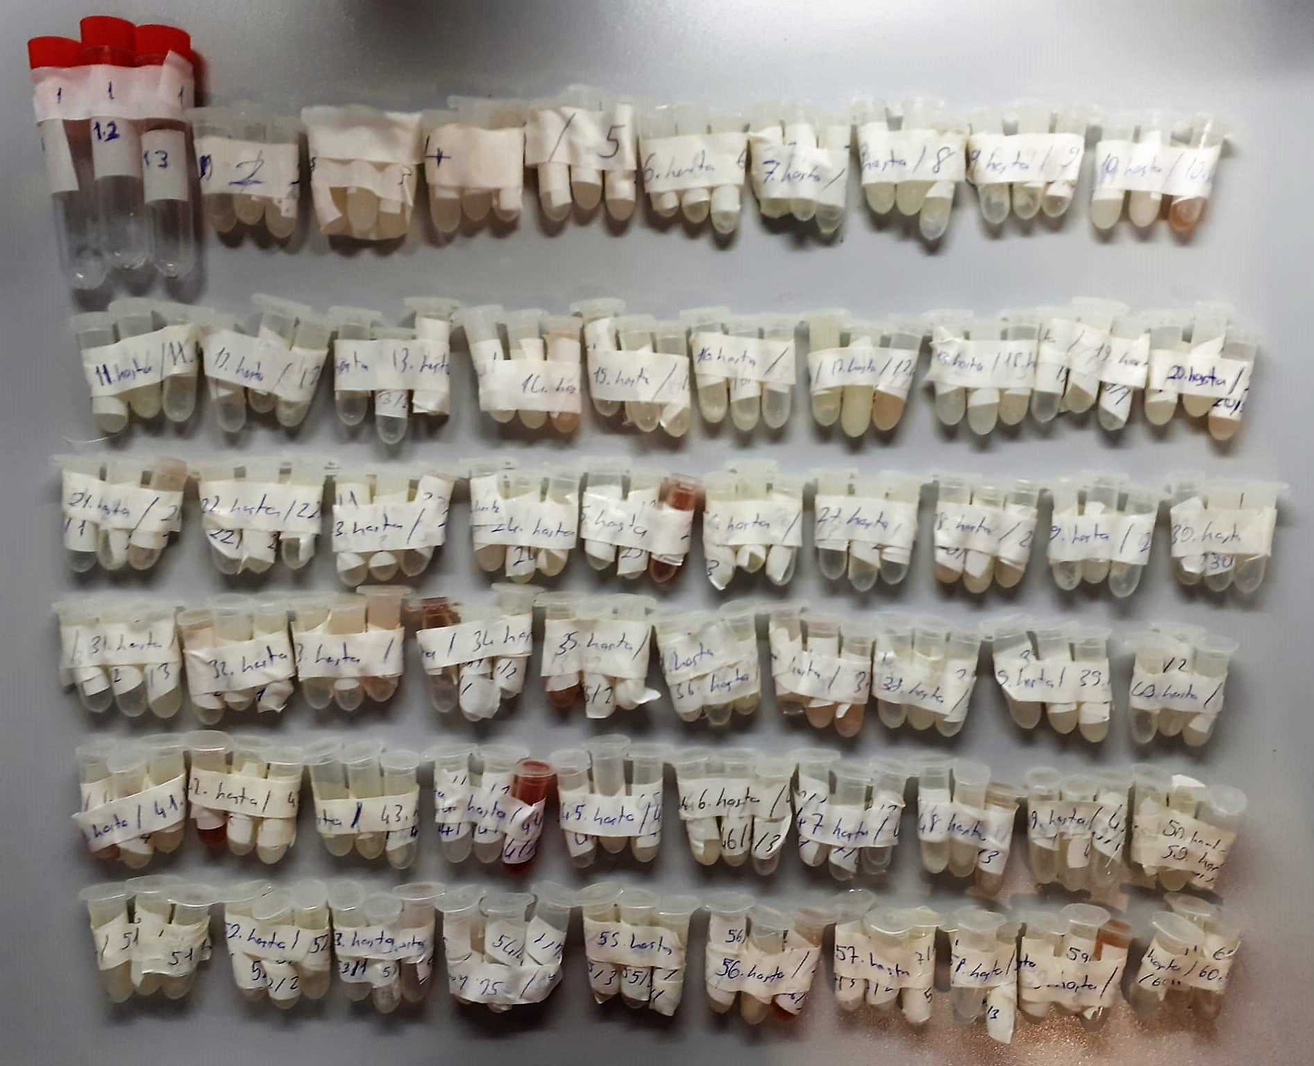

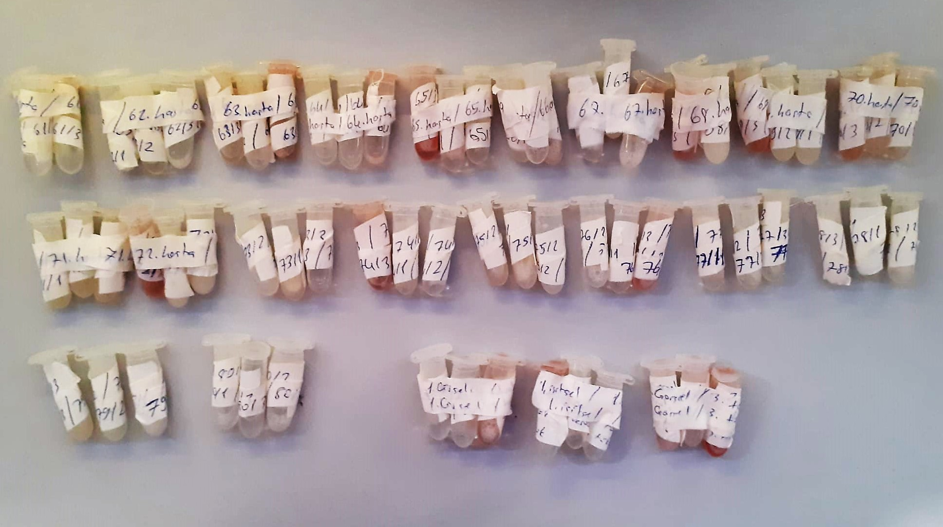

Human Cortisol Assay Priciple
This ELISA kit uses the Competitive-ELISA principle. The micro ELISA plate provided in this kit has been pre-coated with Cortisol.
During the reaction, Cortisol in the sample or standard competes with a fixed amount of Cortisol on the solid phase supporter for sites on the Biotinylated Detection Ab specific to Cortisol.
Excess conjugate and unbound sample or standard are washed from the plate, and Avidin conjugated to Horseradish Peroxidase (HRP) are added to each microplate well and incubated.
Then a TMB substrate solution is added to each well.
The enzyme-substrate reaction is terminated by the addition of stop solution and the color change is measured spectrophotometrically at a wavelength of 450 nm ± 2 nm.
The concentration of Cortisol in the samples is then determined by comparing the OD of the samples to the standard curve.

