Sayfa1
2.357 | 0.773 | 0.864 | 0.823 | 0.852 | 0.859 | 0.804 | 1.321 | 1.954 | 0.927 | 1.464 | 0.642
1.553 | 1.008 | 0.789 | 0.791 | 0.824 | 0.811 | 1.029 | 0.908 | 1.271 | 0.825 | 1.199 | 1.862
1.087 | 0.756 | 0.709 | 0.699 | 0.733 | 0.891 | 0.715 | 0.877 | 0.798 | 2.202 | 1.26 | 2.36
0.562 | 0.821 | 0.788 | 0.858 | 0.825 | 1.027 | 0.866 | 0.716 | 0.674 | 0.76 | 1.197 | 1.227
0.234 | 2.11 | 0.72 | 0.68 | 0.331 | 0.805 | 0.739 | 0.834 | 1.652 | 0.878 | 1.226 | 1.825
0.065 | 0.726 | 2.384 | 0.776 | 0.819 | 0.829 | 0.741 | 0.837 | 0.766 | 0.85 | 1.391 | 0.802
0.784 | 2.194 | 0.829 | 0.874 | 1.056 | 0.968 | 1.619 | 0.784 | 2.238 | 1.82 | 0.9 | 0.897
0.658 | 0.688 | 0.603 | 0.84 | 0.766 | 0.772 | 1.339 | 0.733 | 1 | 1.303 | 1.78 | 0.801

CAT
 | abs | abs-blank | expected | result
std1 | 2.357 | 2.292 | 48 | 47.999694347
std2 | 1.553 | 1.488 | 24 | 23.504633171
std3 | 1.087 | 1.022 | 12 | 13.264924853
std4 | 0.562 | 0.497 | 6 | 5.2080077857
std5 | 0.234 | 0.169 | 3 | 2.0453524753
blank | 0.065 | 0 | 0 | 0.9775

 |  |  |  |  |  |  |  | concentratıon (ng/ml)

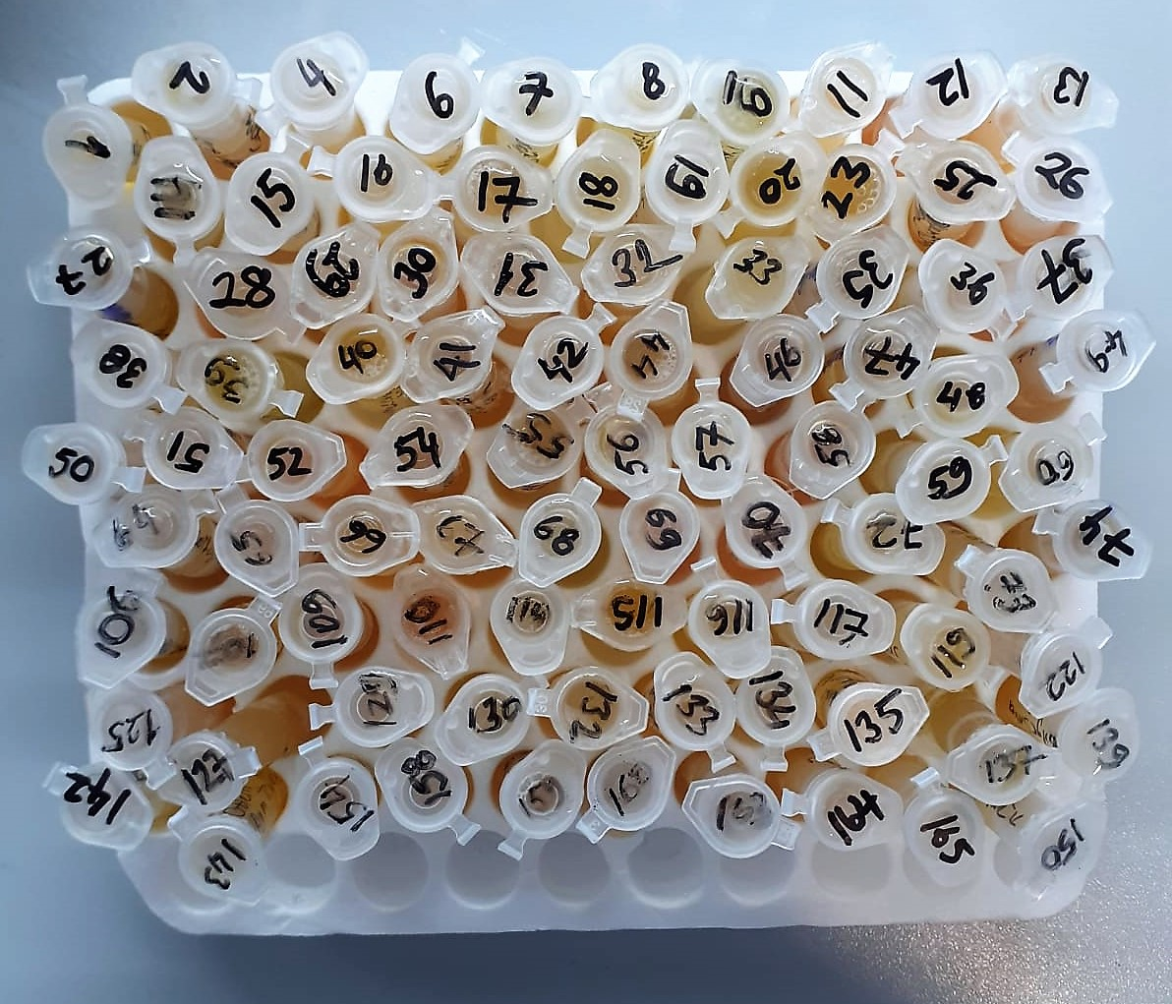
Numune | absorbans | abs-blank | result
1 | 0.784 | 0.719 | 8.1651047953
2 | 0.658 | 0.593 | 6.4058628577
4 | 0.773 | 0.708 | 8.0030607472
6 | 1.008 | 0.943 | 11.816930338
7 | 0.756 | 0.691 | 7.7558121913
8 | 0.821 | 0.756 | 8.7220386928
9 | 2.11 | 2.045 | 39.554438282
11 | 0.726 | 0.661 | 7.3289203033
12 | 2.194 | 2.129 | 42.334946659
13 | 0.688 | 0.623 | 6.8054705617
14 | 0.864 | 0.799 | 9.3922905073
15 | 0.789 | 0.724 | 8.2392961648
16 | 0.709 | 0.644 | 7.0923580528
17 | 0.788 | 0.723 | 8.2244311417
18 | 0.72 | 0.655 | 7.2449863825
19 | 2.384 | 2.319 | 48.972332635
20 | 0.829 | 0.764 | 8.8448642608
23 | 0.603 | 0.538 | 5.7045118612
25 | 0.823 | 0.758 | 8.7526648372
26 | 0.791 | 0.726 | 8.2690663348
27 | 0.699 | 0.634 | 6.9550093588
28 | 0.858 | 0.793 | 9.2972824177
29 | 0.68 | 0.615 | 6.6977315425
30 | 0.776 | 0.711 | 8.0470940833
31 | 0.874 | 0.809 | 9.5517072913
32 | 0.84 | 0.775 | 9.0151470625
33 | 0.852 | 0.787 | 9.2027558137
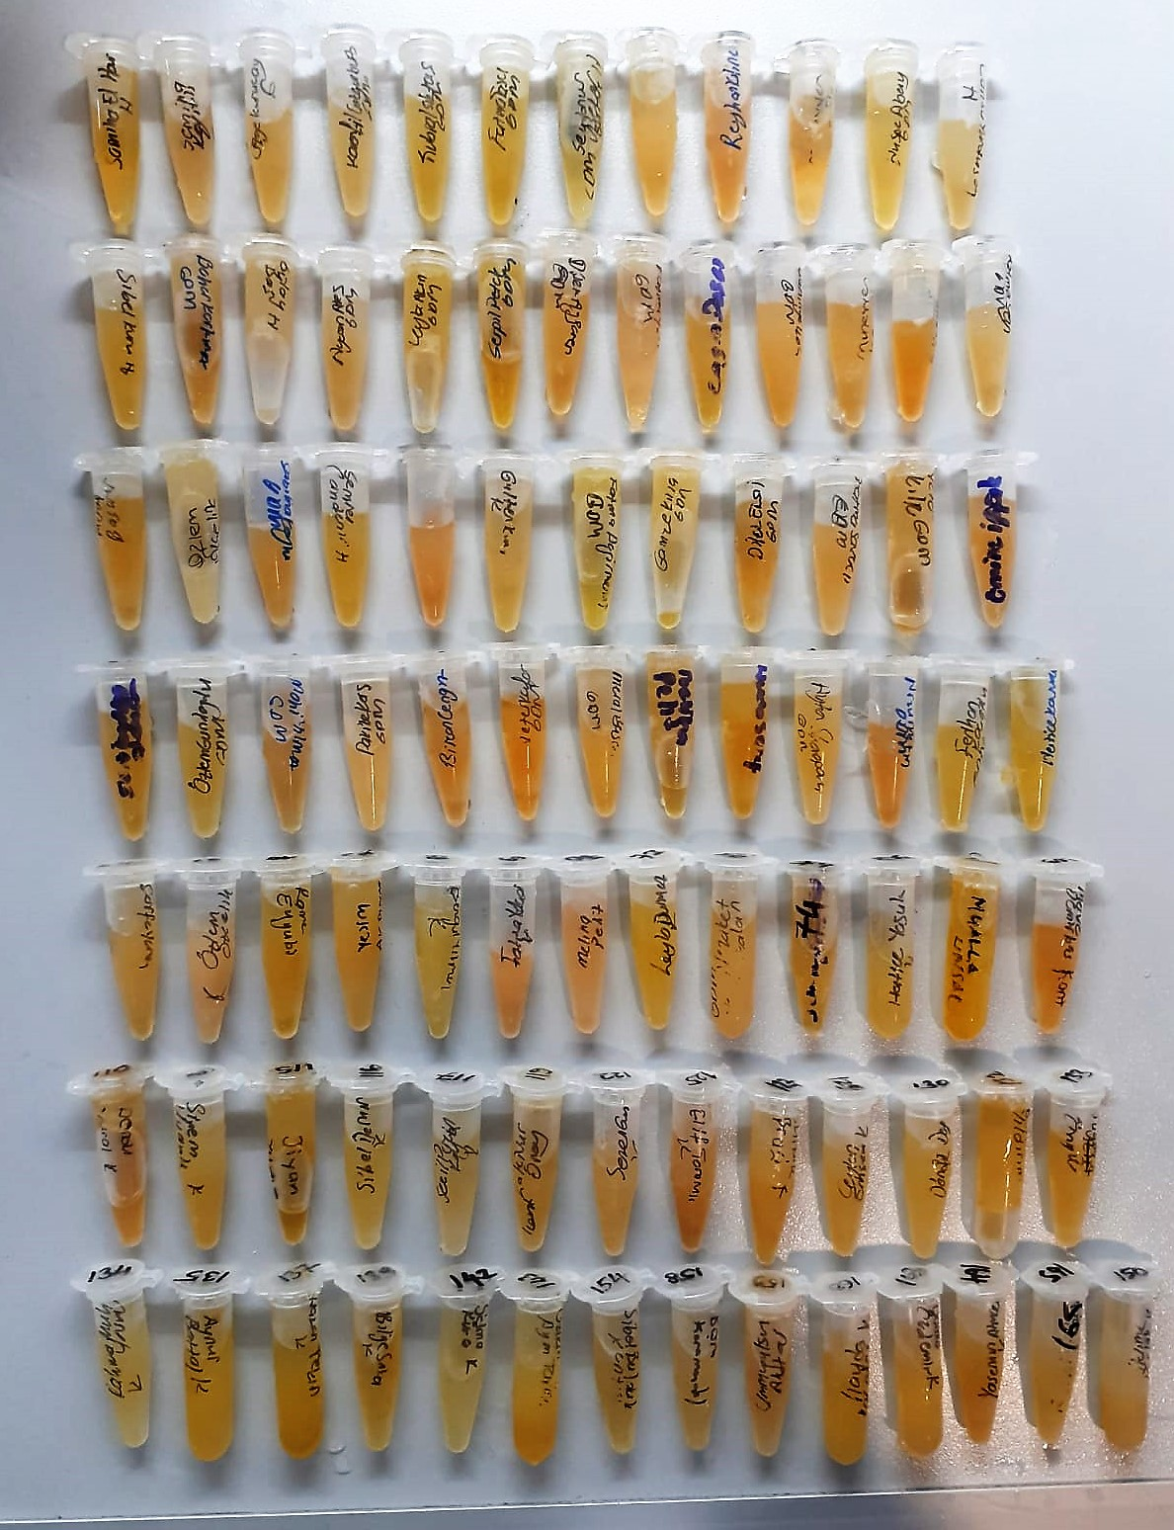
35 | 0.824 | 0.759 | 8.7679979713
36 | 0.733 | 0.668 | 7.4274517552
37 | 0.825 | 0.76 | 8.78334448
38 | 0.331 | 0.266 | 2.8308075988
39 | 0.819 | 0.754 | 8.6914660468
40 | 1.056 | 0.991 | 12.686773771
41 | 0.766 | 0.701 | 7.9007844073
42 | 0.859 | 0.794 | 9.3130836628
44 | 0.811 | 0.746 | 8.5697104468
46 | 0.891 | 0.826 | 9.8257852948
47 | 1.027 | 0.962 | 12.157558661
48 | 0.805 | 0.74 | 8.47895548
49 | 0.829 | 0.764 | 8.8448642608
50 | 0.968 | 0.903 | 11.115600106
51 | 0.772 | 0.707 | 7.9884097177
52 | 0.804 | 0.739 | 8.4638764633
54 | 1.029 | 0.964 | 12.193695141
55 | 0.715 | 0.65 | 7.17540925
56 | 0.866 | 0.801 | 9.4240668673
57 | 0.739 | 0.674 | 7.5124288948
58 | 0.741 | 0.676 | 7.5408616048
59 | 1.619 | 1.554 | 25.189696767
60 | 1.339 | 1.274 | 18.441645135
64 | 1.321 | 1.256 | 18.043712493
65 | 0.908 | 0.843 | 10.103728558
66 | 0.877 | 0.812 | 9.5997931312
67 | 0.716 | 0.651 | 7.1892979273
68 | 0.834 | 0.769 | 8.9220649153
69 | 0.837 | 0.772 | 8.9685458032
70 | 0.784 | 0.719 | 8.1651047953
72 | 0.733 | 0.668 | 7.4274517552
73 | 1.954 | 1.889 | 34.641009523
74 | 1.271 | 1.206 | 16.961080863
106 | 0.798 | 0.733 | 8.3736832297
107 | 0.674 | 0.609 | 6.6174890113
109 | 1.652 | 1.587 | 26.054075974
110 | 0.766 | 0.701 | 7.9007844073
114 | 2.238 | 2.173 | 43.829066302
115 | 1 | 0.935 | 11.674952342
116 | 0.927 | 0.862 | 10.418945141
117 | 0.825 | 0.76 | 8.78334448
119 | 2.202 | 2.137 | 42.604678834
122 | 0.76 | 0.695 | 7.8136405825
125 | 0.878 | 0.813 | 9.6158484937
127 | 0.85 | 0.785 | 9.1713539425
129 | 1.82 | 1.755 | 30.680368682
130 | 1.303 | 1.238 | 17.650113221
132 | 1.464 | 1.399 | 21.324601747
133 | 1.199 | 1.134 | 15.460832559
134 | 1.26 | 1.195 | 16.727389083
135 | 1.197 | 1.132 | 15.420148715
137 | 1.226 | 1.161 | 16.015300603
139 | 1.391 | 1.326 | 19.615570095
142 | 0.9 | 0.835 | 9.9724502425
143 | 1.78 | 1.715 | 29.544631443
154 | 0.642 | 0.577 | 6.1976606017
158 | 1.862 | 1.797 | 31.895923846
159 | 2.36 | 2.295 | 48.107283782
160 | 1.227 | 1.162 | 16.036023701
163 | 1.825 | 1.76 | 30.82384048
164 | 0.802 | 0.737 | 8.4337585537
165 | 0.897 | 0.832 | 9.9234415552
150 | 0.801 | 0.736 | 8.4187196608

