GALP
2.682 | 1.245 | 1.058 | 1.57 | 1.231 | 2.002 | 1.248 | 1.24 | 2.745 | 1.42 | 2.159 | 2.947
1.79 | 1.158 | 1.342 | 1.201 | 1.098 | 1.322 | 1.368 | 2.045 | 1.556 | 1.261 | 2.15 | 1.711
1.03 | 1.269 | 1.801 | 1.314 | 1.897 | 1.993 | 1.269 | 1.738 | 2.012 | 2.697 | 2.932 | 1.109
0.564 | 1.261 | 1.125 | 1.371 | 1.357 | 1.535 | 1.426 | 1.436 | 1.473 | 1.288 | 2.207 | 1.637
0.311 | 2.818 | 1.872 | 1.863 | 1.599 | 1.128 | 1.93 | 1.414 | 1.951 | 2.202 | 1.82 | 2.365
0.07 | 1.293 | 1.322 | 1.783 | 1.531 | 2.772 | 1.677 | 1.363 | 1.6 | 2.612 | 2.556 | 2.115
2.762 | 2.001 | 1.264 | 1.364 | 1.804 | 1.975 | 1.743 | 1.514 | 2.666 | 1.79 | 2.17 | 1.826
1.461 | 1.198 | 2.092 | 1.355 | 1.341 | 1.184 | 1.161 | 1.056 | 1.688 | 1.256 | 2.451 | 1.727

GALP

 | abs | abs-blank | expected | result
std1 | 2.682 | 2.612 | 6.4 | 6.34
std2 | 1.79 | 1.72 | 3.2 | 3.36
std3 | 1.03 | 0.96 | 1.6 | 1.52
std4 | 0.564 | 0.494 | 0.8 | 0.70
std5 | 0.311 | 0.241 | 0.4 | 0.36
blank | 0.07 | 0 | 0 | 0.11

 |  |  |  |  |  |  |  |  | concentration (ng/ml)

Numune | absorbans | blank | abs-blank | result(ng/ml)
Sample-1 | 2.762 | 0.07 | 2.692 | 6.65
Sample-2 | 1.461 | 0.07 | 1.391 | 2.49
Sample-3 | 1.245 | 0.07 | 1.175 | 1.98
Sample-4 | 1.158 | 0.07 | 1.088 | 1.78
Sample-5 | 1.269 | 0.07 | 1.199 | 2.03
Sample-6 | 1.261 | 0.07 | 1.191 | 2.01
Sample-7 | 2.818 | 0.07 | 2.748 | 6.88
Sample-8 | 1.293 | 0.07 | 1.223 | 2.08
Sample-9 | 2.001 | 0.07 | 1.931 | 3.99
Sample-10 | 1.198 | 0.07 | 1.128 | 1.87
Sample-11 | 1.058 | 0.07 | 0.988 | 1.58
Sample-12 | 1.342 | 0.07 | 1.272 | 2.20
Sample-13 | 1.801 | 0.07 | 1.731 | 3.39
Sample-14 | 1.125 | 0.07 | 1.055 | 1.71
Sample-15 | 1.872 | 0.07 | 1.802 | 3.60
Sample-16 | 1.322 | 0.07 | 1.252 | 2.15
Sample-17 | 1.264 | 0.07 | 1.194 | 2.02
Sample-18 | 2.092 | 0.07 | 2.022 | 4.27
Sample-19 | 1.57 | 0.07 | 1.5 | 2.76
Sample-20 | 1.201 | 0.07 | 1.131 | 1.88
Sample-21 | 1.314 | 0.07 | 1.244 | 2.13
Sample-22 | 1.371 | 0.07 | 1.301 | 2.27
Sample-23 | 1.863 | 0.07 | 1.793 | 3.57
Sample-24 | 1.783 | 0.07 | 1.713 | 3.34
Sample-25 | 1.364 | 0.07 | 1.294 | 2.25
Sample-26 | 1.355 | 0.07 | 1.285 | 2.23
Sample-27 | 1.231 | 0.07 | 1.161 | 1.94
Sample-28 | 1.098 | 0.07 | 1.028 | 1.66
Sample-29 | 1.897 | 0.07 | 1.827 | 3.67
Sample-30 | 1.357 | 0.07 | 1.287 | 2.23
Sample-31 | 1.599 | 0.07 | 1.529 | 2.84
Sample-32 | 1.531 | 0.07 | 1.461 | 2.66
Sample-33 | 1.804 | 0.07 | 1.734 | 3.40
Sample-34 | 1.341 | 0.07 | 1.271 | 2.20
Sample-35 | 2.002 | 0.07 | 1.932 | 3.99
Sample-36 | 1.322 | 0.07 | 1.252 | 2.15
Sample-37 | 1.993 | 0.07 | 1.923 | 3.96
Sample-38 | 1.535 | 0.07 | 1.465 | 2.67
Sample-39 | 1.128 | 0.07 | 1.058 | 1.72
Sample-40 | 2.772 | 0.07 | 2.702 | 6.69
Sample-41 | 1.975 | 0.07 | 1.905 | 3.91
Sample-42 | 1.184 | 0.07 | 1.114 | 1.84
Sample-43 | 1.248 | 0.07 | 1.178 | 1.98
Sample-44 | 1.368 | 0.07 | 1.298 | 2.26
Sample-45 | 1.269 | 0.07 | 1.199 | 2.03
Sample-46 | 1.426 | 0.07 | 1.356 | 2.40
Sample-47 | 1.93 | 0.07 | 1.86 | 3.77
Sample-48 | 1.677 | 0.07 | 1.607 | 3.05
Sample-49 | 1.743 | 0.07 | 1.673 | 3.23
Sample-50 | 1.161 | 0.07 | 1.091 | 1.79
Sample-51 | 1.24 | 0.07 | 1.17 | 1.96
Sample-52 | 2.045 | 0.07 | 1.975 | 4.12
Sample-53 | 1.738 | 0.07 | 1.668 | 3.22
Sample-54 | 1.436 | 0.07 | 1.366 | 2.42
Sample-55 | 1.414 | 0.07 | 1.344 | 2.37
Sample-56 | 1.363 | 0.07 | 1.293 | 2.25
Sample-57 | 1.514 | 0.07 | 1.444 | 2.62
Sample-58 | 1.056 | 0.07 | 0.986 | 1.57
Sample-59 | 2.745 | 0.07 | 2.675 | 6.59
Sample-60 | 1.556 | 0.07 | 1.486 | 2.73
Sample-61 | 2.012 | 0.07 | 1.942 | 4.02
Sample-62 | 1.473 | 0.07 | 1.403 | 2.52
Sample-63 | 1.951 | 0.07 | 1.881 | 3.84
Sample-64 | 1.6 | 0.07 | 1.53 | 2.84
Sample-65 | 2.666 | 0.07 | 2.596 | 6.28
Sample-66 | 1.688 | 0.07 | 1.618 | 3.08
Sample-67 | 1.42 | 0.07 | 1.35 | 2.38
Sample-68 | 1.261 | 0.07 | 1.191 | 2.01
Sample-69 | 2.697 | 0.07 | 2.627 | 6.40
Sample-70 | 1.288 | 0.07 | 1.218 | 2.07
Sample-71 | 2.202 | 0.07 | 2.132 | 4.63
Sample-72 | 2.612 | 0.07 | 2.542 | 6.08
Sample-73 | 1.79 | 0.07 | 1.72 | 3.36
Sample-74 | 1.256 | 0.07 | 1.186 | 2.00
Sample-75 | 2.159 | 0.07 | 2.089 | 4.49
Sample-76 | 2.15 | 0.07 | 2.08 | 4.46
Sample-77 | 2.932 | 0.07 | 2.862 | 7.34
Sample-78 | 2.207 | 0.07 | 2.137 | 4.65
Sample-79 | 1.82 | 0.07 | 1.75 | 3.45
Sample-80 | 2.556 | 0.07 | 2.486 | 5.87
Sample-81 | 2.17 | 0.07 | 2.1 | 4.52
Sample-82 | 2.451 | 0.07 | 2.381 | 5.49
Sample-83 | 2.947 | 0.07 | 2.877 | 7.40
Sample-84 | 1.711 | 0.07 | 1.641 | 3.14
Sample-85 | 1.109 | 0.07 | 1.039 | 1.68
Sample-86 | 1.637 | 0.07 | 1.567 | 2.94
Sample-87 | 2.365 | 0.07 | 2.295 | 5.18
Sample-88 | 2.115 | 0.07 | 2.045 | 4.35
Sample-89 | 1.826 | 0.07 | 1.756 | 3.47
Sample-90 | 1.727 | 0.07 | 1.657 | 3.19

Materyal-metod
KİT ADI | TÜR | MARKA | Numune Türü | CAT. NO | Yöntem | Kullanılan Cihaz
Galanin-like peptide (GALP) | Human | BT-lab | Serum | E4655Hu | ELİSA | Mıcroplate reader: BIO-TEK EL X 800-Aotu strıp washer:BIO TEK EL X 50

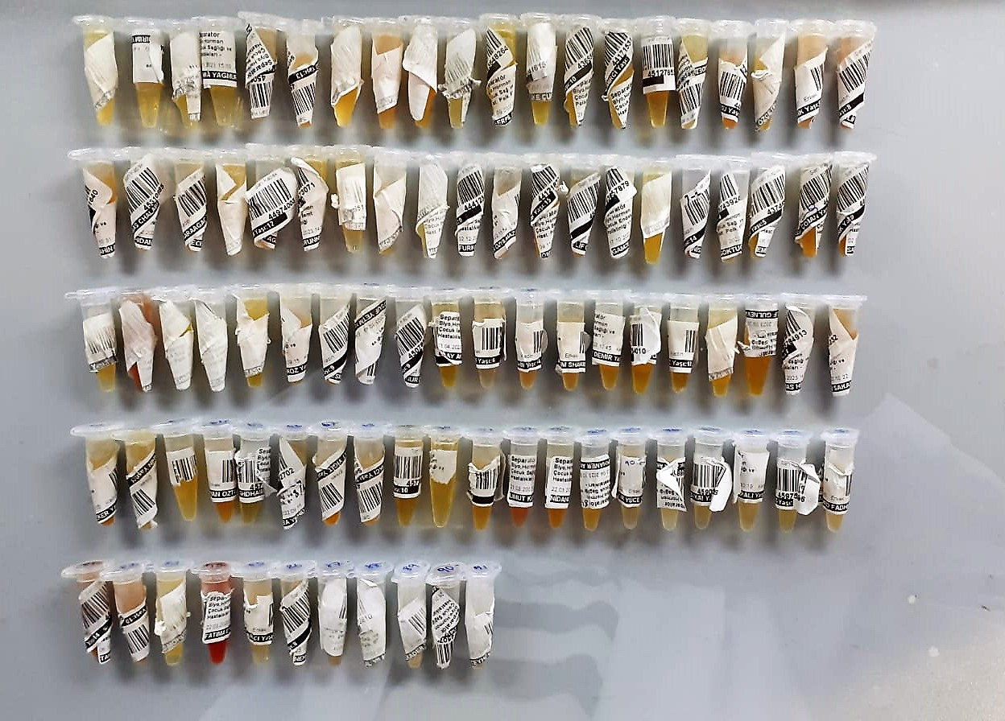

GALP Assay Principle
This kit is an Enzyme-Linked Immunosorbent Assay (ELISA). The plate has been pre-coated with Human GALP antibody. Human GALP present in the sample is added and binds to antibodies coated on the wells.
And then biotinylated Human GALP Antibody is added and binds to Human GALP in the sample. Then Streptavidin-HRP is added and binds to the Biotinylated Human GALP antibody.
After incubation unbound Streptavidin-HRP is washed away during a washing step. Substrate solution is then added and color develops in proportion to the amount of Rat Human GALP.
The reaction is terminated by addition of acidic stop solution and absorbance is measured at 450 nm.

CV(%)=SD/meanx100
Intra-Assay: CV< 8 %
Inter-Assay: CV< 10 %

