SERUM-TESTOSTERONE
0.176 | 1.158 | 0.982 | 1.085 | 1.171
0.681 | 0.919 | 0.761 | 0.929 | 1.352
1.018 | 0.991 | 0.79 | 1.028 | 0.936
1.382 | 0.953 | 0.866 | 1.012 | 1.354
1.783 | 0.96 | 0.754 | 0.803 | 1.051
0.081 | 1.295 | 0.741 | 0.746 | 0.034
0.071 | 1.091 | 1.108 | 0.822 | 0.04
TESTOSTERONE
0.043 | 1.037 | 1.272 | 0.914 | 0.038

 | abs | abs-blank | expected | result
std1 | 0.176 | 0.095 | 24 | 24.01
std2 | 0.681 | 0.6 | 12 | 11.85
std3 | 1.018 | 0.937 | 6 | 6.34
std4 | 1.382 | 1.301 | 3 | 2.73
std5 | 1.783 | 1.702 | 1.5 | 1.58
blank | 0.081 | 0 | 0 | 26.83

 |  |  |  |  | concentration (ng/ml)

Numune | absorbans | blank | abs-blank | result(ng/ml)
KONTROL-1406-2 | 1.158 | 0.081 | 1.077 | 4.66
KONTROL-1408-4 | 0.919 | 0.081 | 0.838 | 7.74
KONTROL-1409-5 | 0.991 | 0.081 | 0.91 | 6.70
KONTROL-1410-6 | 0.953 | 0.081 | 0.872 | 7.24
KONTROL-1411-7 | 0.96 | 0.081 | 0.879 | 7.14
KONTROL-1412-8 | 1.295 | 0.081 | 1.214 | 3.37
KONTROL-1413-9 | 1.091 | 0.081 | 1.01 | 5.42
KONTROL-1414-10 | 1.037 | 0.081 | 0.956 | 6.09
B-620 | 0.982 | 0.081 | 0.901 | 6.83
B-621 | 0.761 | 0.081 | 0.68 | 10.35
B-622 | 0.79 | 0.081 | 0.709 | 9.84
B-623 | 0.866 | 0.081 | 0.785 | 8.56
B-624 | 0.754 | 0.081 | 0.673 | 10.48
B-625 | 0.741 | 0.081 | 0.66 | 10.71
B-CCL4-628 | 1.108 | 0.081 | 1.027 | 5.22
B-CCL4-629 | 1.272 | 0.081 | 1.191 | 3.56
B-CCL4-630 | 1.085 | 0.081 | 1.004 | 5.49
B-CCL4-631 | 0.929 | 0.081 | 0.848 | 7.59
B-CCL4-632 | 1.028 | 0.081 | 0.947 | 6.20
B-CCL4-633 | 1.012 | 0.081 | 0.931 | 6.42
B-CCL4-634 | 0.803 | 0.081 | 0.722 | 9.61
B-CCL4-635 | 0.746 | 0.081 | 0.665 | 10.62
B-636 | 0.822 | 0.081 | 0.741 | 9.29
B-637 | 0.914 | 0.081 | 0.833 | 7.81
B-638 | 1.171 | 0.081 | 1.09 | 4.52
B-639 | 1.352 | 0.081 | 1.271 | 2.93
B-640 | 0.936 | 0.081 | 0.855 | 7.49
B-641 | 1.354 | 0.081 | 1.273 | 2.92
B-642 | 1.051 | 0.081 | 0.97 | 5.91

DOKU-MDA
MDA
2.481 | 100
1.673 | 50
0.994 | 25
0.513 | 12.5
0.288 | 6.25
0.122 | 3.125
0 | 0
MDA
2.481 | 100
1.673 | 50
0.994 | 25
0.513 | 12.5
0.288 | 6.25
0.122 | 3.125
0 | 0
 | absorbans | abs-blank | expected | result
std1 | 2.511 | 2.481 | 100 | 99.11
std2 | 1.703 | 1.673 | 50 | 52.40
std3 | 1.024 | 0.994 | 25 | 24.30
std4 | 0.543 | 0.513 | 12.5 | 10.55
std5 | 0.318 | 0.288 | 6.25 | 5.87
std6 | 0.152 | 0.122 | 3.125 | 3.14
blank | 0.03 | 0 | 0 | 1.51

 |  |  |  |  | concentratıon (nmol/L)

Numune | absorbans | blank | abs-blank | result(nmol/L)
TESTİS
KONTROL-B-612 | 0.811 | 0.03 | 0.781 | 17.58
KONTROL-B-613 | 1.712 | 0.03 | 1.682 | 52.84
KONTROL-B-614 | 1.208 | 0.03 | 1.178 | 30.91
KONTROL-B-615 | 1.151 | 0.03 | 1.121 | 28.78
KONTROL-B-616 | 0.917 | 0.03 | 0.887 | 20.80
KONTROL-B-617 | 1.06 | 0.03 | 1.03 | 25.53
KONTROL-B-618 | 1.726 | 0.03 | 1.696 | 53.53
CURCUMİN-B-620 | 0.962 | 0.03 | 0.932 | 22.24
CURCUMİN-B-621 | 0.984 | 0.03 | 0.954 | 22.96
CURCUMİN-B-622 | 0.885 | 0.03 | 0.855 | 19.80
CURCUMİN-B-623 | 0.766 | 0.03 | 0.736 | 16.29
CURCUMİN-B-624 | 1.048 | 0.03 | 1.018 | 25.12
CURCUMİN-B-625 | 1.113 | 0.03 | 1.083 | 27.40
CCL4-B-628 | 1.013 | 0.03 | 0.983 | 23.93
CCL4-B-629 | 1.338 | 0.03 | 1.308 | 36.03
CCL4-B-630 | 1.523 | 0.03 | 1.493 | 43.96
CCL4-B-631 | 1.488 | 0.03 | 1.458 | 42.40
CCL4-B-632 | 1.216 | 0.03 | 1.186 | 31.21
CCL4-B-633 | 0.97 | 0.03 | 0.94 | 22.50
CCL4-B-634 | 0.947 | 0.03 | 0.917 | 21.75
CCL4-B-635 | 0.836 | 0.03 | 0.806 | 18.32
(CCL4+CUR)-B-636 | 0.995 | 0.03 | 0.965 | 23.32
(CCL4+CUR)-B-637 | 0.976 | 0.03 | 0.946 | 22.70
(CCL4+CUR)-B-638 | 0.922 | 0.03 | 0.892 | 20.96
(CCL4+CUR)-B-639 | 0.998 | 0.03 | 0.968 | 23.42
(CCL4+CUR)-B-640 | 1.15 | 0.03 | 1.12 | 28.74
(CCL4+CUR)-B-641 | 1.12 | 0.03 | 1.09 | 27.65
(CCL4+CUR)-B-642 | 1.03 | 0.03 | 1 | 24.50
İLEUM
KONTROL-B-612 | 0.401 | 0.03 | 0.371 | 7.47
KONTROL-B-613 | 0.311 | 0.03 | 0.281 | 5.74
KONTROL-B-614 | 1.716 | 0.03 | 1.686 | 53.04
KONTROL-B-615 | 0.35 | 0.03 | 0.32 | 6.47
KONTROL-B-616 | 0.261 | 0.03 | 0.231 | 4.86
KONTROL-B-617 | 0.331 | 0.03 | 0.301 | 6.11
KONTROL-B-618 | 0.345 | 0.03 | 0.315 | 6.37
CURCUMİN-B-620 | 0.518 | 0.03 | 0.488 | 9.97
CURCUMİN-B-621 | 0.303 | 0.03 | 0.273 | 5.60
CURCUMİN-B-622 | 0.272 | 0.03 | 0.242 | 5.05
CURCUMİN-B-623 | 0.338 | 0.03 | 0.308 | 6.24
CURCUMİN-B-624 | 0.394 | 0.03 | 0.364 | 7.33
CURCUMİN-B-625 | 0.517 | 0.03 | 0.487 | 9.95
CCL4-B-628 | 0.303 | 0.03 | 0.273 | 5.60
CCL4-B-629 | 0.485 | 0.03 | 0.455 | 9.24
CCL4-B-630 | 0.296 | 0.03 | 0.455 | 9.24
CCL4-B-631 | 0.457 | 0.03 | 0.266 | 5.47
CCL4-B-632 | 2.012 | 0.03 | 0.427 | 8.63
CCL4-B-633 | 0.429 | 0.03 | 1.982 | 68.56
CCL4-B-634 | 0.523 | 0.03 | 0.399 | 16.91
CCL4-B-635 | 0.366 | 0.03 | 0.493 | 17.91
(CCL4+CUR)-B-636 | 0.518 | 0.03 | 0.336 | 18.91
(CCL4+CUR)-B-637 | 0.365 | 0.03 | 0.488 | 19.91
(CCL4+CUR)-B-638 | 0.336 | 0.03 | 0.335 | 20.91
(CCL4+CUR)-B-639 | 0.339 | 0.03 | 0.306 | 21.91
(CCL4+CUR)-B-640 | 0.296 | 0.03 | 0.309 | 22.91
(CCL4+CUR)-B-641 | 0.504 | 0.03 | 0.266 | 23.91
(CCL4+CUR)-B-642 | 0.273 | 0.03 | 0.474 | 24.91
AKCİĞER
KONTROL-B-612 | 1.239 | 0.03 | 0.243 | 25.91
KONTROL-B-613 | 1.524 | 0.03 | 1.209 | 26.91
KONTROL-B-614 | 1.645 | 0.03 | 1.494 | 27.91
KONTROL-B-615 | 1.176 | 0.03 | 1.615 | 28.91
KONTROL-B-616 | 2.218 | 0.03 | 1.146 | 29.91
KONTROL-B-617 | 1.079 | 0.03 | 2.188 | 30.91
KONTROL-B-618 | 1.125 | 0.03 | 1.049 | 31.91
CURCUMİN-B-620 | 1.053 | 0.03 | 1.095 | 32.91
CURCUMİN-B-621 | 1.19 | 0.03 | 1.023 | 33.91
CURCUMİN-B-622 | 1.147 | 0.03 | 1.16 | 34.91
CURCUMİN-B-623 | 1.176 | 0.03 | 1.117 | 35.91
CURCUMİN-B-624 | 1.204 | 0.03 | 1.146 | 36.91
CURCUMİN-B-625 | 1.645 | 0.03 | 1.174 | 37.91
CCL4-B-628 | 1.345 | 0.03 | 1.615 | 38.91
CCL4-B-629 | 1.069 | 0.03 | 1.315 | 39.91
CCL4-B-630 | 0.271 | 0.03 | 1.039 | 40.91
CCL4-B-631 | 1.122 | 0.03 | 0.241 | 41.91
CCL4-B-632 | 0.621 | 0.03 | 1.092 | 42.91
CCL4-B-633 | 0.471 | 0.03 | 0.591 | 43.91
CCL4-B-634 | 1.504 | 0.03 | 0.441 | 44.91
CCL4-B-635 | 1.272 | 0.03 | 1.474 | 45.91
(CCL4+CUR)-B-636 | 1.548 | 0.03 | 1.242 | 46.91
(CCL4+CUR)-B-637 | 0.39 | 0.03 | 1.518 | 47.91
(CCL4+CUR)-B-638 | 0.298 | 0.03 | 0.36 | 48.91
(CCL4+CUR)-B-639 | 0.365 | 0.03 | 0.268 | 49.91
(CCL4+CUR)-B-640 | 0.151 | 0.03 | 0.335 | 50.91
(CCL4+CUR)-B-641 | 1.365 | 0.03 | 0.121 | 51.91
(CCL4+CUR)-B-642 | 0.175 | 0.03 | 1.335 | 52.91

Materyal-metod
KİT ADI | TÜR | MARKA | CAT. NO | Yöntem | Kullanılan Cihaz
Testosterone | Rat | BT-lab | EA0023Ra | ELİSA | Mıcroplate reader: BIO-TEK EL X 800-Aotu strıp washer:BIO TEK EL X 50
MDA: Malondialdehit | Universal | Otto Scientific | Otto1001 | Kolorimetrik | REL BIOCHEM-REL ASSAY
SOD: Super Oxıde Dismutase | Universal | Otto Scientific | Otto3047 | Kolorimetrik | MINDRAY-BS400
AST: Aspartat Aminotransferaz | Universal | Otto Scientific | OttoBC127 | Kolorimetrik | MINDRAY-BS400
ALT: Alanin aminotransferaz | Universal | Otto Scientific | OttoBC128 | Kolorimetrik | MINDRAY-BS400
CREA: Creatinine | Universal | Otto Scientific | OttoBC139 | Kolorimetrik | MINDRAY-BS400
UREA: Üre | Universal | Otto Scientific | OttoBC157 | Kolorimetrik | MINDRAY-BS400
TAS(Total Antioxidant Status) | Universal | REL ASSAY | RL0017 | Kolorimetrik | MINDRAY-BS400
TOS(Total Oxidant Status) | Universal | REL ASSAY | RL0024 | Kolorimetrik | MINDRAY-BS400
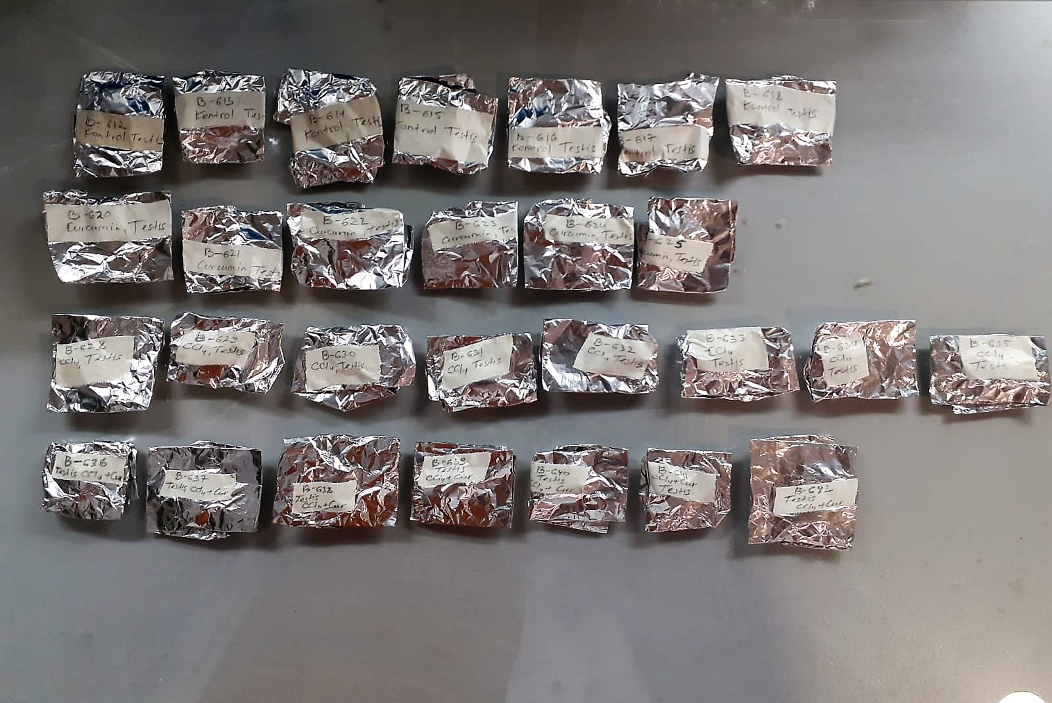

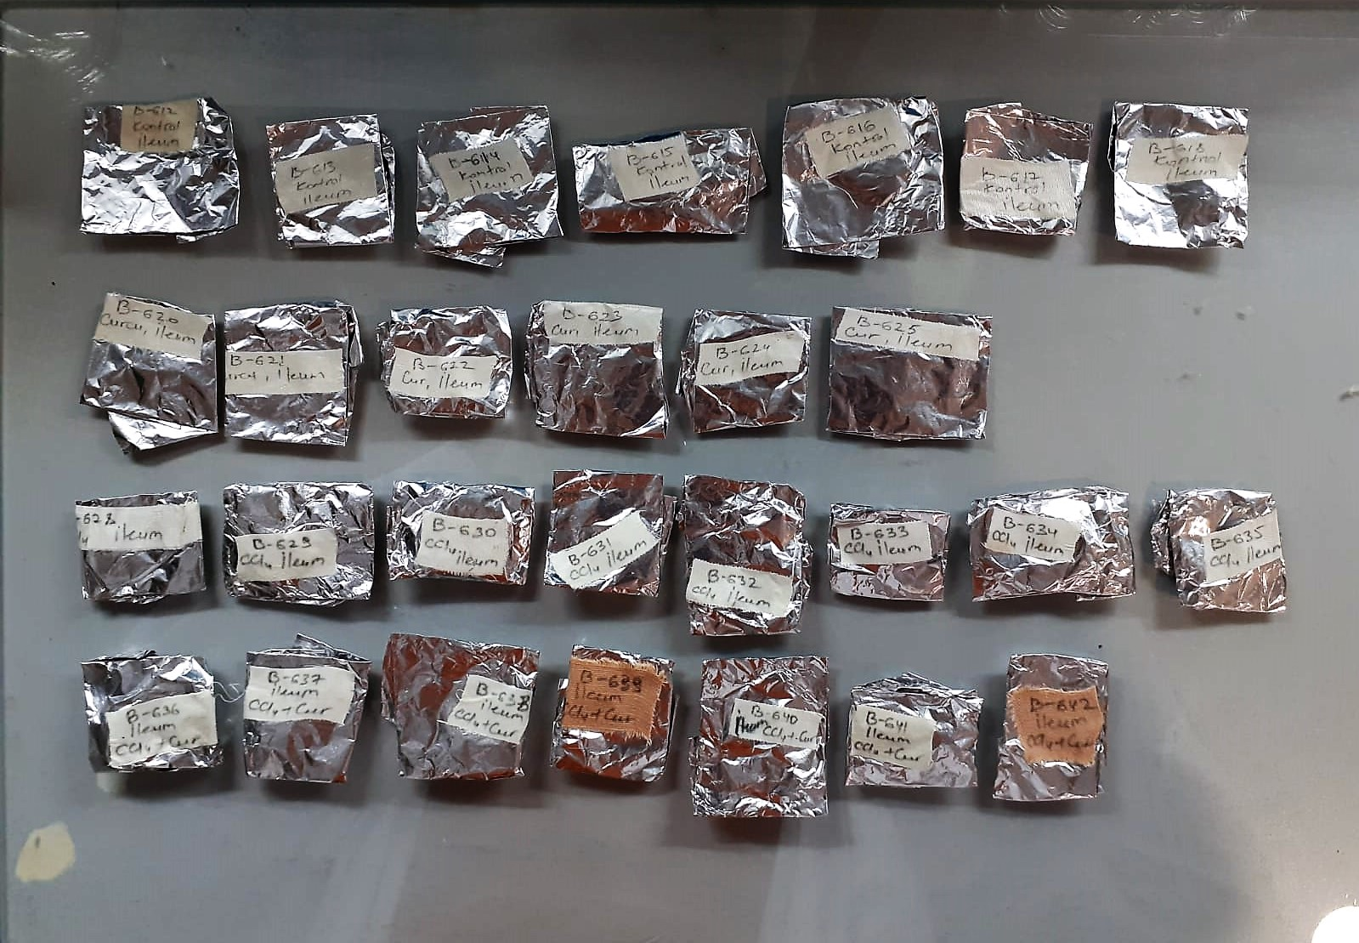

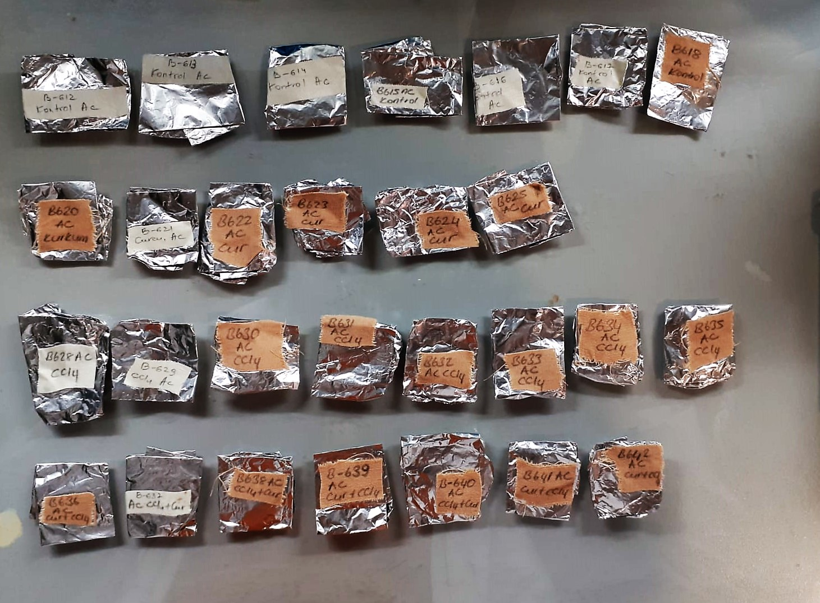

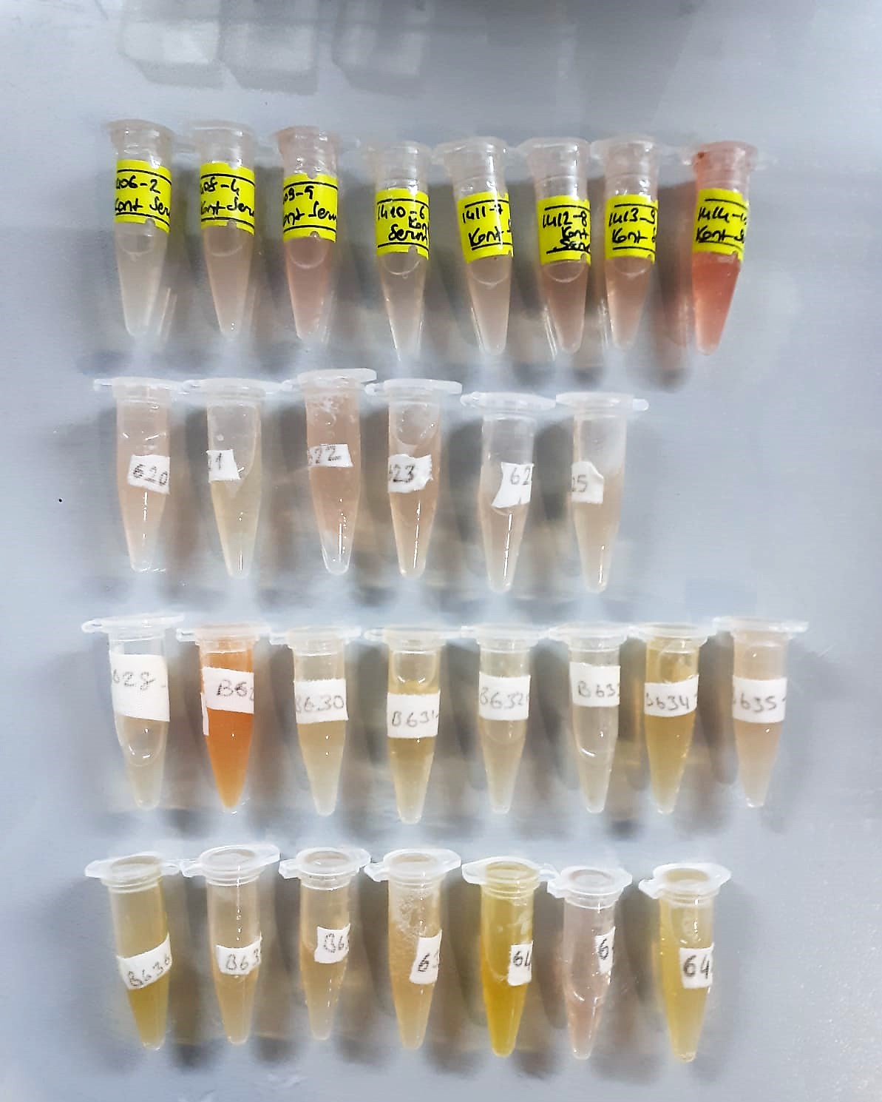

Testosterone Assay Principle
This kit is an Enzyme-Linked Immunosorbent Assay (ELISA). The plate has been pre-coated with Rat T antibody. Rat T present in the sample is added and binds to antibodies coated on the wells.
And then biotinylated Rat T Antibody is added and binds to Rat T in the sample. Then Streptavidin-HRP is added and binds to the Biotinylated Rat T antibody.
After incubation unbound Streptavidin-HRP is washed away during a washing step. Substrate solution is then added and color develops in proportion to the amount of Rat T .
The reaction is terminated by addition of acidic stop solution and absorbance is measured at 450 nm.

TOTAL ANTIOXDANT STATUS (TAS) (mmol/L)
TAS levels were measured using commercially available kits (Relassay, Turkey). The novel
automated method is based on the bleaching of characteristic color of a more stable ABTS
(2,2 ′ - Azino-bis(3-ethylbenzothiazoline-6-sulfonic acid)) radical cation by antioxidants. The
assay has excellent precision values, which are lower than 3%. The results were expressed as
mmol Trolox equivalent/L (Erel O. A novel automated direct measurement method for total
antioxidant capacity using a new generation, more stable ABTS radicalcation. Clin Biochem
2004;37:277-85.)
(Relassay,Turkey)

TOTAL OXIDANT STATUS (TOS) (µmol/L)
TOS levels were measured using commercially available kits (Relassay, Turkey. In the new
method, oxidants present in the sample oxidized the ferrous ion-o-dianisidine complex to
ferric ion. The oxidation reaction was enhanced by glycerol molecules abundantly present in
the reaction medium. The ferric ion produced a colored complex with xylenol orange in an
acidic medium. The color intensity, which could be measured spectrophotometrically, was
related to the total amount of oxidant molecules present in the sample. The assay was
calibrated with hydrogen peroxide and the results were expressed in terms of
micromolar hydrogen peroxide equivalent per liter (μmol H2O2 equivalent/L). ( Erel O. A
new automated colorimetric method for measuringtotal oxidant status. Clin Biochem
2005;38:1103-11. ).
(Relassay,Turkey)

OXIDATIVE STRESS INDEX (OSI)
The ratio of TOS to TAS was accepted as the oxidative stress index (OSI). For calculation, the
resulting unit of TAS was converted to μmol/L, and the OSI value was calculated according to
the following Formula : OSI (arbitrary unit) =
TOS (μmol H2O2 equivalent/L) / TAC (μmol Trolox equivalent/L). (1-3).
1. Yumru M, Savas HA, Kalenderoglu A, Bulut M, Celik H, Erel O. Oxidative imbalance in
bipolar disorder subtypes: a comparative study. Prog Neuropsychopharmacol Biol Psychiatry.
2009 Aug 31;33(6):1070-4.
2. Kosecik M, Erel O, Sevinc E, Selek S. Increased oxidative stress in children exposed to
passive smoking. Int J Cardiol 2005;100:61–4.
3. (Harma M, Harma M, Erel O (2003) Increased oxidative stress in patients with
hydatidiform mole. Swiss Med Wkly 133:563-536).

Malondialdehyde (MDA) nmol/L
The MDA level was determined by a method based
on the reaction with thiobarbituric acid (TBA) at 90–100_C
. In the TBA test reaction, MDA or MDA-like
substances and TBA react with the production of a pink
pigment with a maximum absorption at 532 nm. The
reaction was performed at pH 2–3 at 90_C for 15 min. The
sample was mixed with two volumes of cold 10% (w/v)
trichloroacetic acid for the precipitation of protein. The
precipitate was pelleted by centrifugation, and an aliquot of
the supernatant was reacted with an equal volume of 0.67%
(w/v) TBA in a boiling water bath for 10 min. After
cooling, the absorbance was read at 532 nm.

Super Oxide Dismutase (SOD) U/ml
The role of speroxide dismutase is to accelerate the dismutation of the toxic radical, produced
during oxidative energy processes to hydrogen peroxide and molecular oxygen. This method
employs xanthine and xanthine oxidase to generate superoxide radicals which react with 2-(4-
iodophenyl)-3-(4-nitrophenol)-5-phenyltetrazolium chloride to form a red formazan dye.. the
superoxide dismutase activity is then measured by the degree of inhibiton of this reaction

Creatinine mg/L
Immunoturbidimetric assay
Anti-CRP antibodies react with antigen in the sample to form an ntigen/antibody complex. Following agglutination, this is measured turbidimetrically.
Addition of PEG allows the reaction to progress rapidly to the end point,increases sensitivity, and reduces the risk of samples containing excess antigen
producing false negative results.

Urea (BUN) mg/dl
Urea is hydrolysed in presence of urease to produce ammonia and CO2. The ammonia produced combines with 2 – oxoglutarate and NADH in presence of GLDH to yield glutamate and NAD.
urease
Urea+H2O+2H+ 2 NH4+ + 2+ CO2
GLDH
2 NH4+ + 2-Oxoglutarate + 2 NADH H2O + 2 NAD+ + Gl utamate The decrease in absorbance due to consumption of NADH is measured kinetically.

AST U/L
UV test according to a standarrized method
Sample and addition of R1 (buffer)
Addition of R2 and start of reaction: AST
α-ketoglutarate + L-aspartate L- glutamate + oxaloasetate
AST is the enzyme which catalyzes this equilibrium reaction. The oxaloacetate in- crease is measured in a subsequent indicator reaction which is catalyzed by malate dehydrogenase.
MDH
oxalacetate + NADH + H+ L-Malate + NAD+
In the second reaction, NADH is oxidized to NAD. The rate of decrease in NADH
(Measured photometrically) is directly proportional to the rate of formation of
oxaloasetate, and thus the AST activity.

ALT U/L
UV test according to the IFCC method.
ALT
L-Alanin + 2-Oxoglutarate ⎯⎯ L-Glutamate + Pyruvat

