Biyokimya
Numune Adı | CK (U/L) | LDH (U/L) | NOT
KT0-1 | 218 | 284 |  | Kullanılan cihaz: Mindray marka BS300 model tam otomatik biyokimya cihazı
KT0-2 | 44 | 246
KT0-3 | 62 | 278 |  | CK: Creatine Kinase
KT0-4 | 140 | 239 |  | LDH: Laktat Dehidrogenaz
KT0-5 | 126 | 234
KT0-6 | 127 | 229
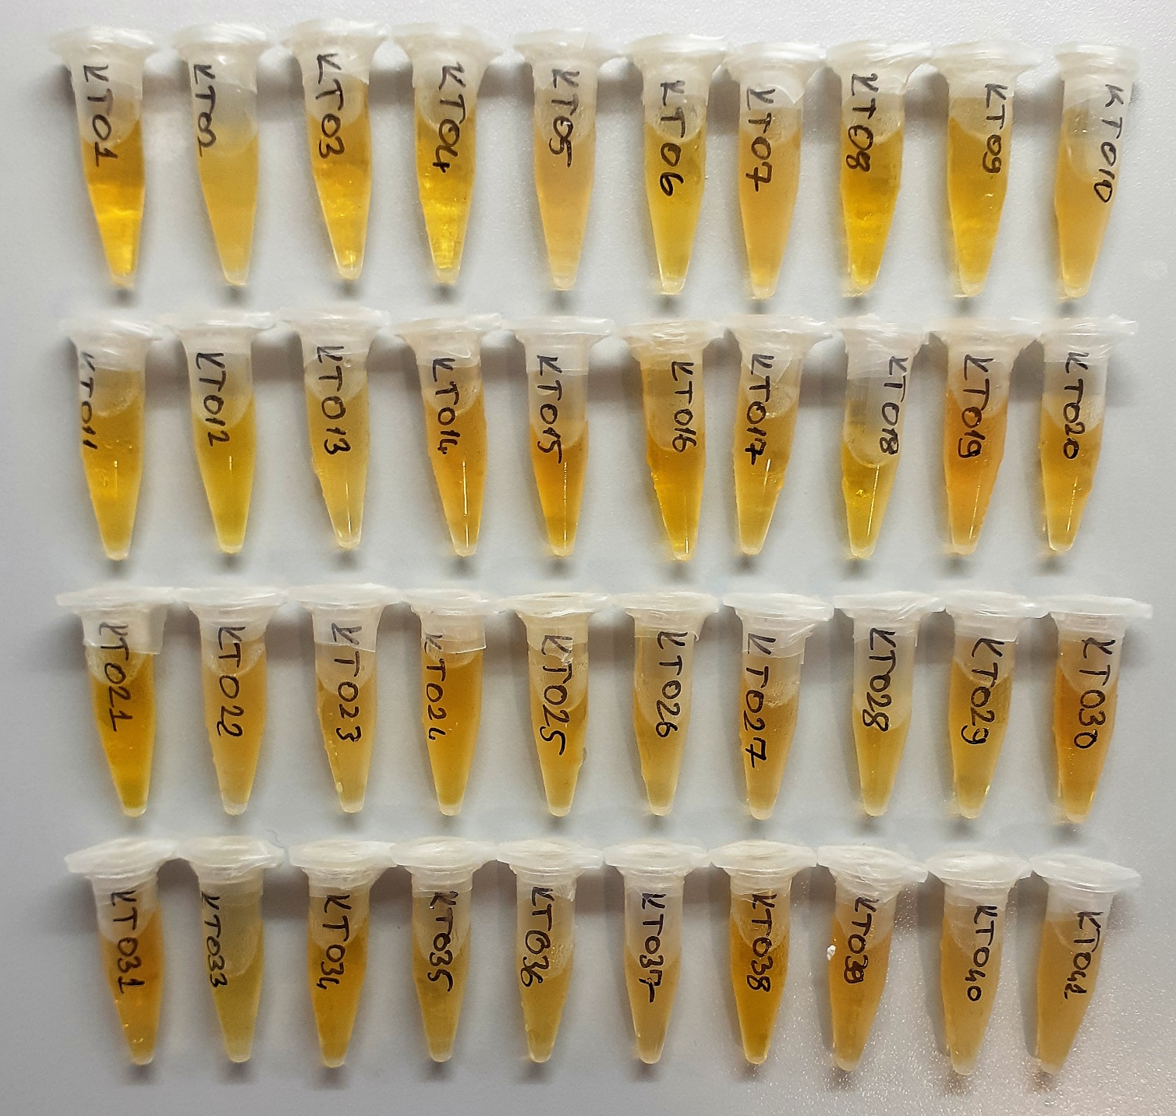
KT0-7 | 68 | 241
KT0-8 | 144 | 273
KT0-9 | 66 | 231
KT0-10 | 62 | 257
KT0-11 | 59 | 251
KT0-12 | 330 | 324
KT0-13 | 95 | 220
KT0-14 | 128 | 299
KT0-15 | 124 | 248
KT0-16 | 79 | 247
KT0-17 | 88 | 264
KT0-18 | 69 | 304
KT0-19 | 50 | 722
KT0-20 | 141 | 341
KT0-21 | 119 | 244
KT0-22 | 134 | 283
KT0-23 | 97 | 258
KT0-24 | 239 | 353
KT0-25 | 66 | 289
KT0-26 | 72 | 217
KT0-27 | 87 | 252
KT0-28 | 317 | 273 | hafif lipemi
KT0-29 | 77 | 214
KT0-30 | 74 | 208
KT0-31 | 78 | 237
KT0-33 | 105 | 278
KT0-34 | 148 | 249
KT0-35 | 88 | 306
KT0-36 | 174 | 259
KT0-37 | 103 | 253
KT0-38 | 70 | 264
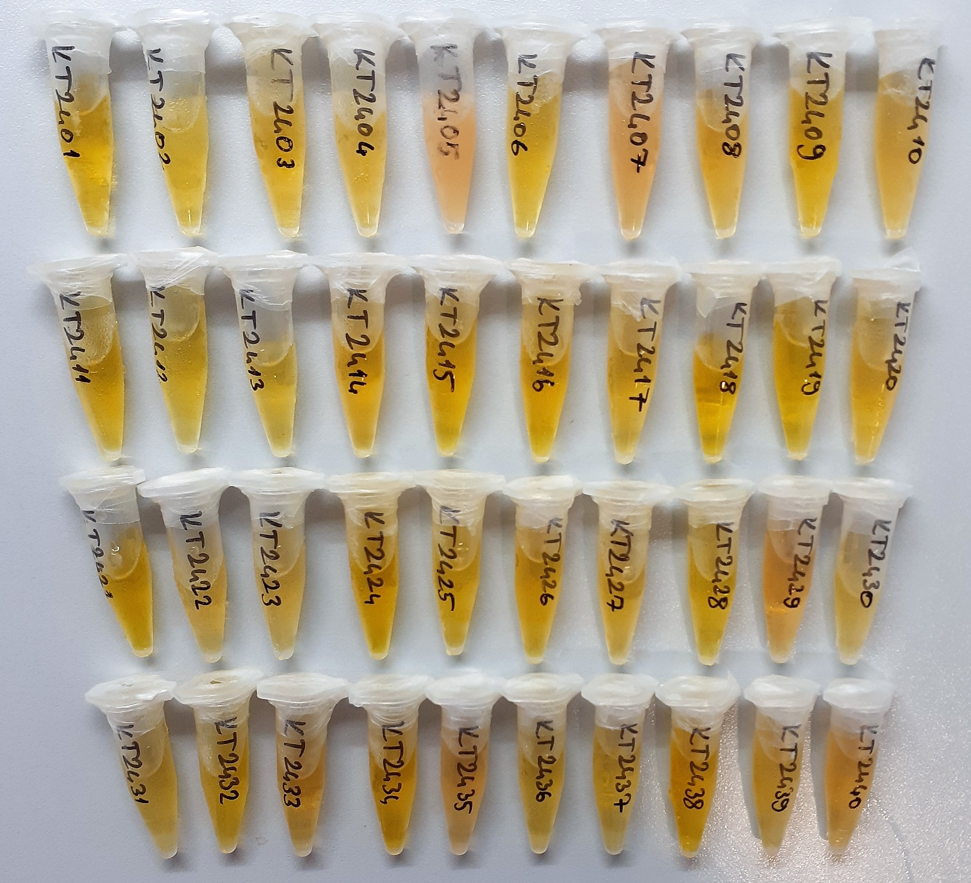
KT0-39 | 87 | 338
KT0-40 | 89 | 247
KT0-41 | 170 | 314 | hafif lipemi
KT24-01 | 202 | 279
KT24-02 | 141 | 269
KT24-03 | 161 | 271
KT24-04 | 244 | 221
KT24-05 | 373 | 320 | lipemi
KT24-06 | 751 | 262
KT24-07 | 2039 | 331 | lipemi
KT24-08 | 262 | 276
KT24-09 | 218 | 263
KT24-10 | 168 | 264
KT24-11 | 283 | 307
KT24-12 | 273 | 326
KT24-13 | 128 | 218
KT24-14 | 175 | 248
KT24-15 | 182 | 226
KT24-16 | 417 | 304
KT24-17 | 99 | 249
KT24-18 | 279 | 291
KT24-19 | 91 | 699
KT24-20 | 1649 | 360
KT24-21 | 311 | 241
KT24-22 | 612 | 305
KT24-23 | 163 | 293
KT24-24 | 1618 | 354
KT24-25 | 157 | 341
KT24-26 | 287 | 276
KT24-27 | 514 | 249
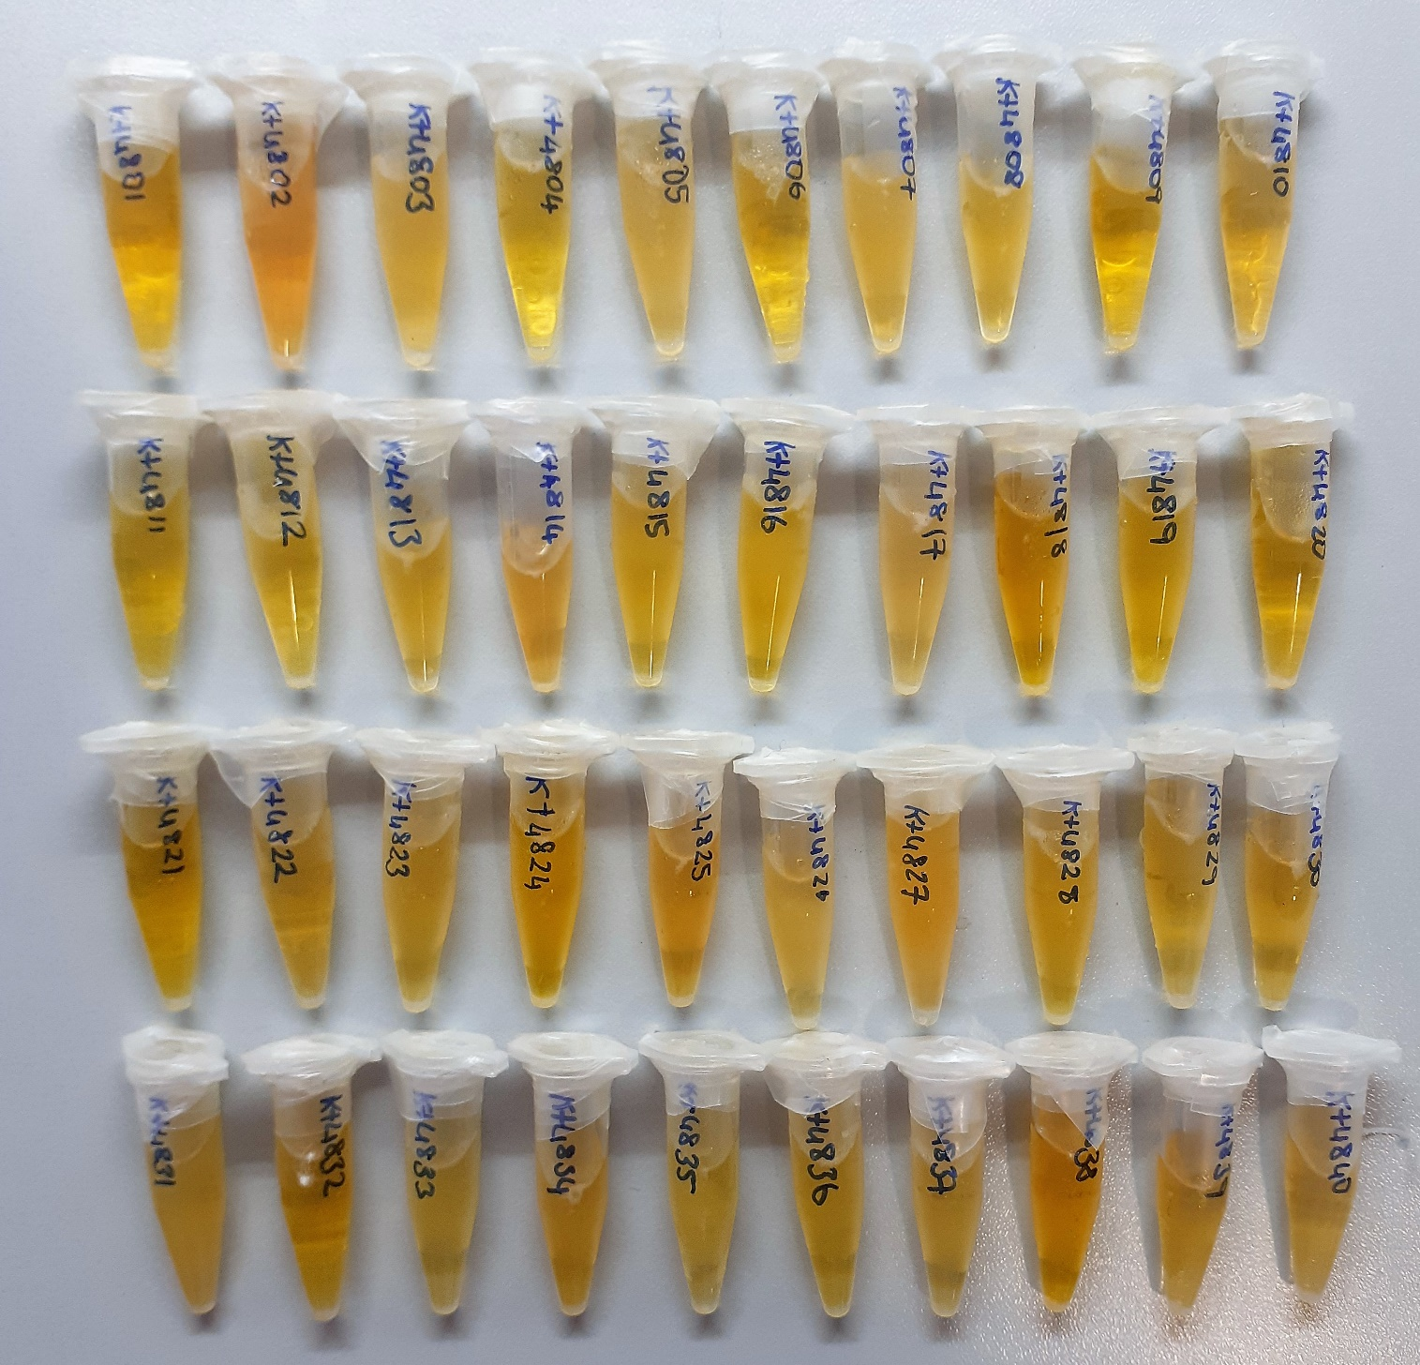
KT24-28 | 1214 | 302
KT24-29 | 225 | 228
KT24-30 | 630 | 217
KT24-31 | 86 | 223
KT24-32 | 482 | 279
KT24-33 | 132 | 296
KT24-34 | 181 | 252
KT24-35 | 163 | 280
KT24-36 | 251 | 258
KT24-37 | 310 | 256
KT24-38 | 1096 | 327
KT24-39 | 392 | 335
KT24-40 | 501 | 273
KT48-01 | 192 | 372
KT48-02 | 105 | 402
KT48-03 | 136 | 355
KT48-04 | 211 | 219
KT48-05 | 230 | 248
KT48-06 | 458 | 267
KT48-07 | 1257 | 326
KT48-08 | 167 | 253
KT48-09 | 119 | 224
KT48-10 | 107 | 243
KT48-11 | 115 | 205
KT48-12 | 167 | 289
KT48-13 | 137 | 258
KT48-14 | 122 | 276
KT48-15 | 116 | 237
KT48-16 | 172 | 233
KT48-17 | 82 | 227
KT48-18 | 144 | 301
KT48-19 | 64 | 767
KT48-20 | 1020 | 327
KT48-21 | 492 | 308
KT48-22 | 1945 | 361
KT48-23 | 131 | 257
KT48-24 | 717 | 292
KT48-25 | 112 | 298
KT48-26 | 154 | 218
KT48-27 | 336 | 302
KT48-28 | 830 | 285
KT48-29 | 125 | 206
KT48-30 | 303 | 249
KT48-31 | 98 | 255
KT48-32 | 244 | 287
KT48-33 | 114 | 276
KT48-34 | 71 | 273
KT48-35 | 123 | 254
KT48-36 | 237 | 289
KT48-37 | 213 | 250
KT48-38 | 2481 | 442
KT48-39 | 224 | 330
KT48-40 | 276 | 276

