Materyal-metod
KİT ADI | TÜR | MARKA | CAT. NO | Yöntem | Kullanılan Cihaz
Calcium | Universal | Otto Scientific | OttoBC133 | Kolorimetrik | MINDRAY-BS400
Demir | Universal | Otto Scientific | OttoBC160 | Kolorimetrik | MINDRAY-BS400
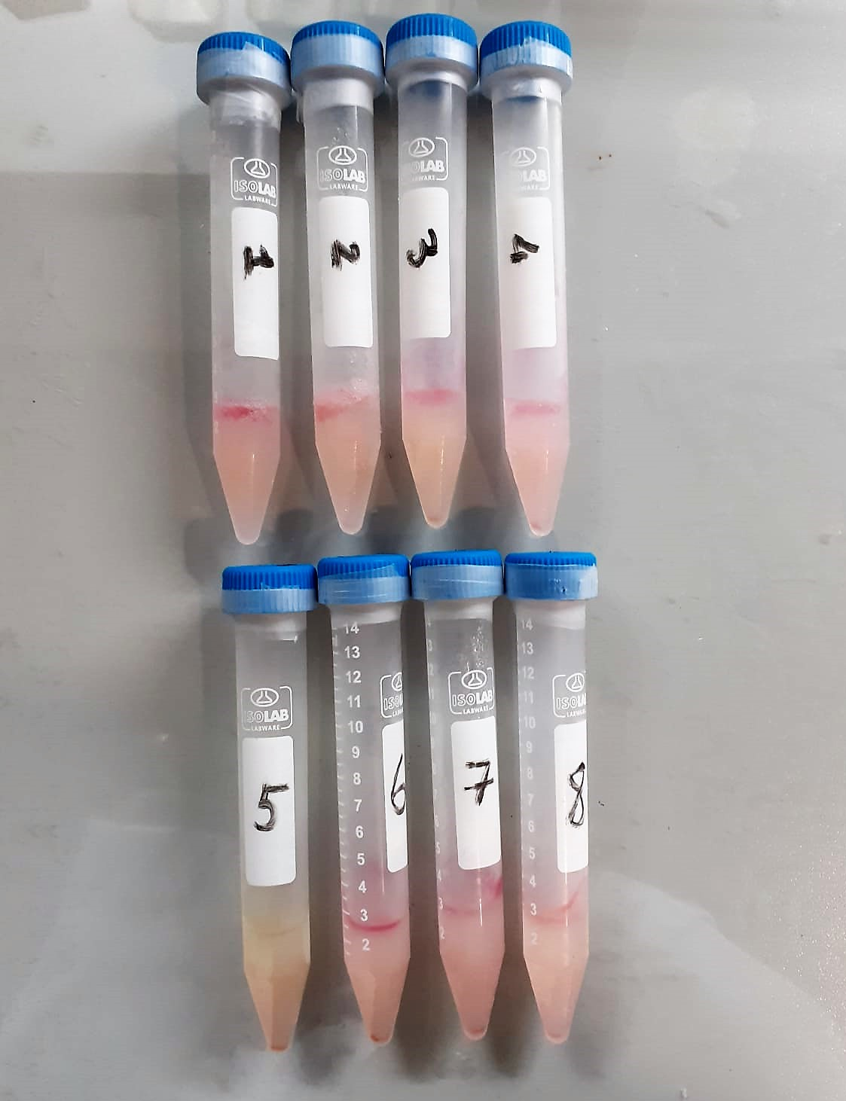

Calcium mg/dl
Calcium in the sample reacts with arsenazo III forming a coloured complex that
can be measured by spectrophotometry.

Iron (FE) (μg/dl)
Colorimetric assay pH < 2,0 Transferrin-Fe-complex apotransferrin + Fe3+ ascorbate Fe3+ Fe2+ FerroZine® + Fe2+ colored complex Under acidic conditions,
iron is liberated from transferrin. Lipemic samples are clarified by the detergent. Ascorbate reduces the released Fe3+ ions to Fe'2+ ions which react with
FerroZine to form a colored complex. The color intensity is directly proportional to the iron concentration and can be measured photometrically.

