ACE
2.874 | 2.865 | 0.22 | 0.209 | 0.172 | 0.161 | 0.184 | 0.163 | 0.296 | 0.176 | 0.209 | 0.215
1.94 | 1.938 | 0.188 | 0.19 | 0.16 | 0.16 | 0.161 | 0.174 | 0.214 | 0.184 | 0.21 | 0.284
1.481 | 1.42 | 0.157 | 0.184 | 0.235 | 0.226 | 0.174 | 0.175 | 0.175 | 0.184 | 0.201 | 0.189
0.922 | 0.937 | 0.157 | 0.151 | 0.126 | 0.158 | 0.157 | 0.184 | 0.154 | 0.18 | 0.165 | 0.192
0.536 | 0.565 | 0.153 | 0.223 | 0.155 | 0.171 | 0.193 | 0.155 | 0.199 | 0.197 | 0.253 | 0.33
0.088 | 0.077 | 0.174 | 0.151 | 0.157 | 0.186 | 0.177 | 0.156 | 0.162 | 0.161 | 0.171 | 0.184
0.267 | 0.324 | 0.279 | 0.172 | 0.201 | 0.179 | 0.218 | 0.148 | 0.207 | 0.2 | 0.184 | 0.181
0.241 | 0.208 | 0.225 | 0.136 | 0.172 | 0.152 | 0.135 | 0.155 | 0.165 | 0.203 | 0.205 | 0.157

ACE

 | abs | abs-blank | expected | result
std1 | 2.869 | 2.787 | 640 | 642.49
std2 | 1.939 | 1.857 | 320 | 305.36
std3 | 1.45 | 1.368 | 160 | 177.75
std4 | 0.929 | 0.847 | 80 | 79.46
std5 | 0.55 | 0.468 | 40 | 32.36
blank | 0.082 | 0 | 0 | 2.58

 |  |  |  |  |  |  |  |  | concentration (ng/ml)

Numune | absorbans | blank | abs-blank | result(ng/ml)
İLK 25 ÖRNEK 9 HAZİRAN-5 TEMMUZ 2021
3090.1 | 0.208 | 0.082 | 0.126 | 7.51
8890 | 0.22 | 0.082 | 0.138 | 8.10
708 | 0.188 | 0.082 | 0.106 | 6.58
3090.2 | 0.157 | 0.082 | 0.075 | 5.24
3133.2 | 0.157 | 0.082 | 0.075 | 5.24
3090 | 0.153 | 0.082 | 0.071 | 5.08
3090.2 | 0.174 | 0.082 | 0.092 | 5.96
708 | 0.279 | 0.082 | 0.197 | 11.30
3090 | 0.225 | 0.082 | 0.143 | 8.35
3088.1 | 0.209 | 0.082 | 0.127 | 7.56
3088.2 | 0.19 | 0.082 | 0.108 | 6.67
708 | 0.184 | 0.082 | 0.102 | 6.40
3133 | 0.151 | 0.082 | 0.069 | 5.00
688 | 0.223 | 0.082 | 0.141 | 8.25
708 | 0.151 | 0.082 | 0.069 | 5.00
0708.1 | 0.172 | 0.082 | 0.09 | 5.87
0708.2 | 0.136 | 0.082 | 0.054 | 4.41
3090.1 | 0.172 | 0.082 | 0.09 | 5.87
3090.2 | 0.16 | 0.082 | 0.078 | 5.37
688 | 0.235 | 0.082 | 0.153 | 8.87
0708.1 | 0.126 | 0.082 | 0.044 | 4.04
0708.2 | 0.155 | 0.082 | 0.073 | 5.16
3090 | 0.157 | 0.082 | 0.075 | 5.24
688 | 0.201 | 0.082 | 0.119 | 7.18
İKİNCİ 25 ÖRNEK 8 TEMMUZ- 29 TEMMUZ 2021
708 | 0.172 | 0.082 | 0.09 | 5.87
3090 | 0.161 | 0.082 | 0.079 | 5.41
688 | 0.16 | 0.082 | 0.078 | 5.37
708 | 0.226 | 0.082 | 0.144 | 8.40
0708.2 | 0.158 | 0.082 | 0.076 | 5.28
3090 | 0.171 | 0.082 | 0.089 | 5.83
3088.2 | 0.186 | 0.082 | 0.104 | 6.49
3133 | 0.179 | 0.082 | 0.097 | 6.18
3133.2 | 0.152 | 0.082 | 0.07 | 5.04
708 | 0.184 | 0.082 | 0.102 | 6.40
0708.2 | 0.161 | 0.082 | 0.079 | 5.41
3090 | 0.174 | 0.082 | 0.092 | 5.96
3090.2 | 0.157 | 0.082 | 0.075 | 5.24
688 | 0.193 | 0.082 | 0.111 | 6.81
0688.2 | 0.177 | 0.082 | 0.095 | 6.09
0708.1 | 0.218 | 0.082 | 0.136 | 8.00
0708.2 | 0.135 | 0.082 | 0.053 | 4.38
3090 | 0.163 | 0.082 | 0.081 | 5.49
3090.2 | 0.174 | 0.082 | 0.092 | 5.96
688 | 0.175 | 0.082 | 0.093 | 6.00
3090 | 0.184 | 0.082 | 0.102 | 6.40
3090.2 | 0.155 | 0.082 | 0.073 | 5.16
708 | 0.156 | 0.082 | 0.074 | 5.20
0708.2 | 0.148 | 0.082 | 0.066 | 4.88
3133 | 0.155 | 0.082 | 0.073 | 5.16
3. 22 ÖRNEK 29 TEMMUZ-12 AĞUSTOS 2021
3088 | 0.296 | 0.082 | 0.214 | 12.31
0708.1 | 0.214 | 0.082 | 0.132 | 7.80
0708.2 | 0.175 | 0.082 | 0.093 | 6.00
3090.1 | 0.154 | 0.082 | 0.072 | 5.12
3090.2 | 0.199 | 0.082 | 0.117 | 7.09
688 | 0.162 | 0.082 | 0.08 | 5.45
3088 | 0.207 | 0.082 | 0.125 | 7.47
3133 | 0.165 | 0.082 | 0.083 | 5.57
708 | 0.176 | 0.082 | 0.094 | 6.04
3090 | 0.184 | 0.082 | 0.102 | 6.40
3088 | 0.184 | 0.082 | 0.102 | 6.40
3133 | 0.18 | 0.082 | 0.098 | 6.22
3090.2 | 0.197 | 0.082 | 0.115 | 6.99
3133 | 0.161 | 0.082 | 0.079 | 5.41
3133.2 | 0.2 | 0.082 | 0.118 | 7.13
3133.3 | 0.203 | 0.082 | 0.121 | 7.27
0708.2 | 0.209 | 0.082 | 0.127 | 7.56
3088 | 0.21 | 0.082 | 0.128 | 7.61
3088.2 | 0.201 | 0.082 | 0.119 | 7.18
708 | 0.165 | 0.082 | 0.083 | 5.57
3088 | 0.253 | 0.082 | 0.171 | 9.83
3133 | 0.171 | 0.082 | 0.089 | 5.83
A1 A2 A3 (KUTU ÜZERİNDEKİ KODLAR)
3090 | 0.184 | 0.082 | 0.102 | 6.40
3090 | 0.205 | 0.082 | 0.123 | 7.37
708 | 0.215 | 0.082 | 0.133 | 7.85
688 | 0.284 | 0.082 | 0.202 | 11.59
0708.2 | 0.189 | 0.082 | 0.107 | 6.62
3133 | 0.192 | 0.082 | 0.11 | 6.76
0688.2 | 0.33 | 0.082 | 0.248 | 14.46
3090 | 0.184 | 0.082 | 0.102 | 6.40
3090.2 | 0.181 | 0.082 | 0.099 | 6.26
0708.2 | 0.157 | 0.082 | 0.075 | 5.24

OPN
2.838 | 2.849 | 0.873 | 0.78 | 0.555 | 0.589 | 0.465 | 0.53 | 0.56 | 0.498 | 0.536 | 0.539
1.899 | 1.956 | 0.898 | 0.691 | 0.658 | 0.638 | 0.52 | 0.496 | 0.502 | 0.523 | 0.494 | 0.618
1.1 | 1.25 | 0.869 | 0.862 | 0.739 | 0.613 | 0.482 | 0.546 | 0.494 | 0.543 | 0.537 | 0.511
0.734 | 0.721 | 1.026 | 0.715 | 0.612 | 0.52 | 0.569 | 0.46 | 0.511 | 0.476 | 0.407 | 0.449
0.466 | 0.492 | 0.836 | 0.851 | 0.672 | 0.626 | 0.62 | 0.575 | 0.536 | 0.538 | 0.591 | 0.702
0.075 | 0.077 | 1.41 | 0.805 | 0.736 | 0.706 | 0.603 | 0.593 | 0.592 | 0.655 | 0.616 | 0.63
0.066 | 0.07 | 1.251 | 0.784 | 0.877 | 0.805 | 0.793 | 0.58 | 0.57 | 0.583 | 0.541 | 0.524
0.067 | 0.806 | 0.849 | 0.643 | 1.541 | 0.631 | 0.64 | 0.553 | 0.466 | 0.47 | 0.641 | 0.617

OPN

 | abs | abs-blank | expected | result
std1 | 2.843 | 2.767 | 640 | 636.27
std2 | 1.927 | 1.851 | 320 | 331.71
std3 | 1.175 | 1.099 | 160 | 151.93
std4 | 0.727 | 0.651 | 80 | 74.95
std5 | 0.479 | 0.403 | 40 | 42.00
blank | 0.076 | 0 | 0 | 3.15

 |  |  |  |  |  |  |  |  |  | concentration (ng/ml)

Numune | absorbans | blank | abs-blank | result(ng/ml)
İLK 25 ÖRNEK 9 HAZİRAN-5 TEMMUZ 2021
3090.1 | 0.806 | 0.076 | 0.73 | 86.89
8890 | 0.873 | 0.076 | 0.797 | 97.56
708 | 0.898 | 0.076 | 0.822 | 101.68
3090.2 | 0.869 | 0.076 | 0.793 | 96.91
3133.2 | 1.026 | 0.076 | 0.95 | 123.83
3090 | 0.836 | 0.076 | 0.76 | 91.61
3090.2 | 1.41 | 0.076 | 1.334 | 201.31
708 | 1.251 | 0.076 | 1.175 | 167.22
3090 | 0.849 | 0.076 | 0.773 | 93.68
3088.1 | 0.78 | 0.076 | 0.704 | 82.88
3088.2 | 0.691 | 0.076 | 0.615 | 69.73
708 | 0.862 | 0.076 | 0.786 | 95.78
3133 | 0.715 | 0.076 | 0.639 | 73.19
688 | 0.851 | 0.076 | 0.775 | 94.00
708 | 0.805 | 0.076 | 0.729 | 86.73
0708.1 | 0.784 | 0.076 | 0.708 | 83.49
0708.2 | 0.643 | 0.076 | 0.567 | 63.01
3090.1 | 0.555 | 0.076 | 0.479 | 51.36
3090.2 | 0.658 | 0.076 | 0.582 | 65.09
688 | 0.739 | 0.076 | 0.663 | 76.71
0708.1 | 0.612 | 0.076 | 0.536 | 58.81
0708.2 | 0.672 | 0.076 | 0.596 | 67.04
3090 | 0.736 | 0.076 | 0.66 | 76.27
688 | 0.877 | 0.076 | 0.801 | 98.22
İKİNCİ 25 ÖRNEK 8 TEMMUZ- 29 TEMMUZ 2021
708 | 1.541 | 0.076 | 1.465 | 231.52
3090 | 0.589 | 0.076 | 0.513 | 55.76
688 | 0.638 | 0.076 | 0.562 | 62.33
708 | 0.613 | 0.076 | 0.537 | 58.94
0708.2 | 0.52 | 0.076 | 0.444 | 46.97
3090 | 0.626 | 0.076 | 0.55 | 60.69
3088.2 | 0.706 | 0.076 | 0.63 | 71.89
3133 | 0.805 | 0.076 | 0.729 | 86.73
3133.2 | 0.631 | 0.076 | 0.555 | 61.37
708 | 0.465 | 0.076 | 0.389 | 40.34
0708.2 | 0.52 | 0.076 | 0.444 | 46.97
3090 | 0.482 | 0.076 | 0.406 | 42.35
3090.2 | 0.569 | 0.076 | 0.493 | 53.16
688 | 0.62 | 0.076 | 0.544 | 59.88
0688.2 | 0.603 | 0.076 | 0.527 | 57.61
0708.1 | 0.793 | 0.076 | 0.717 | 84.87
0708.2 | 0.64 | 0.076 | 0.564 | 62.60
3090 | 0.53 | 0.076 | 0.454 | 48.21
3090.2 | 0.496 | 0.076 | 0.42 | 44.03
688 | 0.546 | 0.076 | 0.47 | 50.22
3090 | 0.46 | 0.076 | 0.384 | 39.76
3090.2 | 0.575 | 0.076 | 0.499 | 53.93
708 | 0.593 | 0.076 | 0.517 | 56.29
0708.2 | 0.58 | 0.076 | 0.504 | 54.58
3133 | 0.553 | 0.076 | 0.477 | 51.11
3. 22 ÖRNEK 29 TEMMUZ-12 AĞUSTOS 2021
3088 | 0.56 | 0.076 | 0.484 | 52.00
0708.1 | 0.502 | 0.076 | 0.426 | 44.76
0708.2 | 0.494 | 0.076 | 0.418 | 43.79
3090.1 | 0.511 | 0.076 | 0.435 | 45.86
3090.2 | 0.536 | 0.076 | 0.46 | 48.96
688 | 0.592 | 0.076 | 0.516 | 56.15
3088 | 0.57 | 0.076 | 0.494 | 53.29
3133 | 0.466 | 0.076 | 0.39 | 40.46
708 | 0.498 | 0.076 | 0.422 | 44.28
3090 | 0.523 | 0.076 | 0.447 | 47.34
3088 | 0.543 | 0.076 | 0.467 | 49.84
3133 | 0.476 | 0.076 | 0.4 | 41.64
3090.2 | 0.538 | 0.076 | 0.462 | 49.21
3133 | 0.655 | 0.076 | 0.579 | 64.67
3133.2 | 0.583 | 0.076 | 0.507 | 54.97
3133.3 | 0.47 | 0.076 | 0.394 | 40.93
0708.2 | 0.536 | 0.076 | 0.46 | 48.96
3088 | 0.494 | 0.076 | 0.418 | 43.79
3088.2 | 0.537 | 0.076 | 0.461 | 49.08
708 | 0.407 | 0.076 | 0.331 | 33.72
3088 | 0.591 | 0.076 | 0.515 | 56.02
3133 | 0.616 | 0.076 | 0.54 | 59.35
A1 A2 A3 (KUTU ÜZERİNDEKİ KODLAR)
3090 | 0.541 | 0.076 | 0.465 | 49.59
3090 | 0.641 | 0.076 | 0.565 | 62.74
708 | 0.539 | 0.076 | 0.463 | 49.34
688 | 0.618 | 0.076 | 0.542 | 59.61
0708.2 | 0.511 | 0.076 | 0.435 | 45.86
3133 | 0.449 | 0.076 | 0.373 | 38.48
0688.2 | 0.702 | 0.076 | 0.626 | 71.31
3090 | 0.63 | 0.076 | 0.554 | 61.24
3090.2 | 0.524 | 0.076 | 0.448 | 47.46
0708.2 | 0.617 | 0.076 | 0.541 | 59.48

CLU
0.186 | 0.144 | 2.281 | 2.071 | 1.957 | 2.082 | 1.565 | 1.61 | 1.974 | 1.725 | 1.933 | 1.47
0.472 | 0.486 | 2.287 | 2.54 | 2.282 | 2.386 | 1.863 | 2.07 | 1.694 | 1.882 | 1.92 | 1.582
0.682 | 0.688 | 2.216 | 2.549 | 2.248 | 2.245 | 1.89 | 1.85 | 1.608 | 1.933 | 1.813 | 1.766
0.855 | 0.866 | 2.029 | 2.383 | 2.055 | 2.166 | 2.071 | 1.722 | 1.635 | 1.803 | 1.644 | 1.756
1.202 | 1.24 | 1.925 | 2.171 | 1.863 | 1.67 | 1.759 | 1.476 | 1.761 | 1.639 | 1.749 | 1.643
0.09 | 0.093 | 2.11 | 1.992 | 2.052 | 1.784 | 1.857 | 1.556 | 1.704 | 1.829 | 1.664 | 1.513
0.088 | 0.092 | 2.44 | 2.047 | 2.274 | 1.851 | 2.091 | 1.788 | 2.025 | 1.918 | 1.761 | 1.59
0.085 | 1.799 | 2.129 | 1.999 | 1.958 | 1.696 | 1.715 | 1.859 | 1.434 | 1.657 | 1.551 | 1.36

CLU

 | abs | abs-blank | expected | result
std1 | 0.165 | 0.074 | 480 | 482.0
std2 | 0.479 | 0.388 | 240 | 233.2
std3 | 0.68 | 0.589 | 120 | 124.7
std4 | 0.86 | 0.769 | 60 | 61.0
std5 | 1.221 | 1.13 | 30 | 29.0
blank | 0.091 | 0 | 0 | 554.7

 |  |  |  |  |  |  |  |  |  | concentration (ng/ml)

Numune | absorbans | blank | abs-blank | result(ng/ml)
İLK 25 ÖRNEK 9 HAZİRAN-5 TEMMUZ 2021
3090.1 | 1.799 | 0.091 | 1.708 | 243.4
8890 | 2.281 | 0.091 | 2.19 | 672.2
708 | 2.287 | 0.091 | 2.196 | 679.0
3090.2 | 2.216 | 0.091 | 2.125 | 601.1
3133.2 | 2.029 | 0.091 | 1.938 | 419.6
3090 | 1.925 | 0.091 | 1.834 | 333.5
3090.2 | 2.11 | 0.091 | 2.019 | 494.0
708 | 2.44 | 0.091 | 2.349 | 863.6
3090 | 2.129 | 0.091 | 2.038 | 512.4
3088.1 | 2.071 | 0.091 | 1.98 | 457.4
3088.2 | 2.54 | 0.091 | 2.449 | 996.6
708 | 2.549 | 0.091 | 2.458 | 1009.1
3133 | 2.383 | 0.091 | 2.292 | 792.1
688 | 2.171 | 0.091 | 2.08 | 554.3
708 | 1.992 | 0.091 | 1.901 | 387.8
0708.1 | 2.047 | 0.091 | 1.956 | 435.6
0708.2 | 1.999 | 0.091 | 1.908 | 393.7
3090.1 | 1.957 | 0.091 | 1.866 | 358.9
3090.2 | 2.282 | 0.091 | 2.191 | 673.3
688 | 2.248 | 0.091 | 2.157 | 635.6
0708.1 | 2.055 | 0.091 | 1.964 | 442.8
0708.2 | 1.863 | 0.091 | 1.772 | 287.2
3090 | 2.052 | 0.091 | 1.961 | 440.1
688 | 2.274 | 0.091 | 2.183 | 664.4
İKİNCİ 25 ÖRNEK 8 TEMMUZ- 29 TEMMUZ 2021
708 | 1.958 | 0.091 | 1.867 | 359.7
3090 | 2.082 | 0.091 | 1.991 | 467.6
688 | 2.386 | 0.091 | 2.295 | 795.8
708 | 2.245 | 0.091 | 2.154 | 632.3
0708.2 | 2.166 | 0.091 | 2.075 | 549.2
3090 | 1.67 | 0.091 | 1.579 | 167.2
3088.2 | 1.784 | 0.091 | 1.693 | 233.7
3133 | 1.851 | 0.091 | 1.76 | 278.7
3133.2 | 1.696 | 0.091 | 1.605 | 181.2
708 | 1.565 | 0.091 | 1.474 | 117.2
0708.2 | 1.863 | 0.091 | 1.772 | 287.2
3090 | 1.89 | 0.091 | 1.799 | 306.9
3090.2 | 2.071 | 0.091 | 1.98 | 457.4
688 | 1.759 | 0.091 | 1.668 | 218.0
0688.2 | 1.857 | 0.091 | 1.766 | 282.9
0708.1 | 2.091 | 0.091 | 2 | 476.0
0708.2 | 1.715 | 0.091 | 1.624 | 191.9
3090 | 1.61 | 0.091 | 1.519 | 137.3
3090.2 | 2.07 | 0.091 | 1.979 | 456.5
688 | 1.85 | 0.091 | 1.759 | 278.0
3090 | 1.722 | 0.091 | 1.631 | 195.9
3090.2 | 1.476 | 0.091 | 1.385 | 83.3
708 | 1.556 | 0.091 | 1.465 | 113.4
0708.2 | 1.788 | 0.091 | 1.697 | 236.2
3133 | 1.859 | 0.091 | 1.768 | 284.4
3. 22 ÖRNEK 29 TEMMUZ-12 AĞUSTOS 2021
3088 | 1.974 | 0.091 | 1.883 | 372.8
0708.1 | 1.694 | 0.091 | 1.603 | 180.1
0708.2 | 1.608 | 0.091 | 1.517 | 136.3
3090.1 | 1.635 | 0.091 | 1.544 | 149.3
3090.2 | 1.761 | 0.091 | 1.67 | 219.2
688 | 1.704 | 0.091 | 1.613 | 185.7
3088 | 2.025 | 0.091 | 1.934 | 416.1
3133 | 1.434 | 0.091 | 1.343 | 69.9
708 | 1.725 | 0.091 | 1.634 | 197.7
3090 | 1.882 | 0.091 | 1.791 | 301.0
3088 | 1.933 | 0.091 | 1.842 | 339.8
3133 | 1.803 | 0.091 | 1.712 | 246.0
3090.2 | 1.639 | 0.091 | 1.548 | 151.3
3133 | 1.829 | 0.091 | 1.738 | 263.4
3133.2 | 1.918 | 0.091 | 1.827 | 328.1
3133.3 | 1.657 | 0.091 | 1.566 | 160.4
0708.2 | 1.933 | 0.091 | 1.842 | 339.8
3088 | 1.92 | 0.091 | 1.829 | 329.6
3088.2 | 1.813 | 0.091 | 1.722 | 252.6
708 | 1.644 | 0.091 | 1.553 | 153.8
3088 | 1.749 | 0.091 | 1.658 | 211.9
3133 | 1.664 | 0.091 | 1.573 | 164.0
A1 A2 A3 (KUTU ÜZERİNDEKİ KODLAR)
3090 | 1.761 | 0.091 | 1.67 | 219.2
3090 | 1.551 | 0.091 | 1.46 | 111.3
708 | 1.47 | 0.091 | 1.379 | 81.2
688 | 1.582 | 0.091 | 1.491 | 124.5
0708.2 | 1.766 | 0.091 | 1.675 | 222.3
3133 | 1.756 | 0.091 | 1.665 | 216.2
0688.2 | 1.643 | 0.091 | 1.552 | 153.3
3090 | 1.513 | 0.091 | 1.422 | 96.4
3090.2 | 1.59 | 0.091 | 1.499 | 128.1
0708.2 | 1.36 | 0.091 | 1.269 | 50.7

LTF
0.521 | 0.58 | 1.793 | 1.966 | 1.765 | 2.158 | 1.501 | 1.646 | 2.211 | 1.959 | 2.298 | 1.907
1.228 | 1.17 | 1.483 | 1.992 | 2.073 | 1.89 | 1.557 | 1.791 | 1.777 | 2.091 | 2.109 | 1.744
1.697 | 1.644 | 1.429 | 1.912 | 2.327 | 2.05 | 1.929 | 1.99 | 1.655 | 2.214 | 2.21 | 1.382
2.152 | 2.139 | 1.466 | 2 | 1.94 | 2.074 | 2.005 | 1.709 | 1.863 | 2.138 | 2.023 | 1.687
2.724 | 2.831 | 1.35 | 2.19 | 2.126 | 1.905 | 2.065 | 1.728 | 1.898 | 1.907 | 1.892 | 1.793
0.05 | 0.045 | 1.467 | 1.751 | 2.003 | 1.959 | 2.007 | 1.423 | 1.813 | 2.011 | 2.056 | 1.874
0.065 | 0.072 | 1.87 | 1.803 | 2.219 | 1.838 | 1.956 | 1.861 | 2.109 | 2.231 | 2.217 | 1.663
0.064 | 1.744 | 1.973 | 2.02 | 2.353 | 1.893 | 2.025 | 2.138 | 1.579 | 2.338 | 2.173 | 1.736

LTF

 | abs | abs-blank | expected | result
std1 | 0.55 | 0.503 | 240 | 239.4
std2 | 1.199 | 1.152 | 120 | 120.7
std3 | 1.67 | 1.623 | 60 | 62.2
std4 | 2.145 | 2.098 | 30 | 26.7
std5 | 2.777 | 2.73 | 15 | 16.1
blank | 0.047 | 0 | 0 | 361.8

 |  |  |  |  |  |  |  |  | concentration (ug/ml)

Numune | absorbans | blank | abs-blank | result(ug/ml)
İLK 25 ÖRNEK 9 HAZİRAN-5 TEMMUZ 2021
3090.1 | 1.744 | 0.047 | 1.697 | 55.1
8890 | 1.793 | 0.047 | 1.746 | 50.7
708 | 1.483 | 0.047 | 1.436 | 82.6
3090.2 | 1.429 | 0.047 | 1.382 | 89.2
3133.2 | 1.466 | 0.047 | 1.419 | 84.6
3090 | 1.35 | 0.047 | 1.303 | 99.4
3090.2 | 1.467 | 0.047 | 1.42 | 84.5
708 | 1.87 | 0.047 | 1.823 | 44.3
3090 | 1.973 | 0.047 | 1.926 | 36.8
3088.1 | 1.966 | 0.047 | 1.919 | 37.3
3088.2 | 1.992 | 0.047 | 1.945 | 35.5
708 | 1.912 | 0.047 | 1.865 | 41.1
3133 | 2 | 0.047 | 1.953 | 35.0
688 | 2.19 | 0.047 | 2.143 | 24.5
708 | 1.751 | 0.047 | 1.704 | 54.4
0708.1 | 1.803 | 0.047 | 1.756 | 49.8
0708.2 | 2.02 | 0.047 | 1.973 | 33.7
3090.1 | 1.765 | 0.047 | 1.718 | 53.2
3090.2 | 2.073 | 0.047 | 2.026 | 30.5
688 | 2.327 | 0.047 | 2.28 | 19.3
0708.1 | 1.94 | 0.047 | 1.893 | 39.1
0708.2 | 2.126 | 0.047 | 2.079 | 27.6
3090 | 2.003 | 0.047 | 1.956 | 34.8
688 | 2.219 | 0.047 | 2.172 | 23.3
İKİNCİ 25 ÖRNEK 8 TEMMUZ- 29 TEMMUZ 2021
708 | 2.353 | 0.047 | 2.306 | 18.6
3090 | 2.158 | 0.047 | 2.111 | 26.0
688 | 1.89 | 0.047 | 1.843 | 42.8
708 | 2.05 | 0.047 | 2.003 | 31.9
0708.2 | 2.074 | 0.047 | 2.027 | 30.5
3090 | 1.905 | 0.047 | 1.858 | 41.6
3088.2 | 1.959 | 0.047 | 1.912 | 37.7
3133 | 1.838 | 0.047 | 1.791 | 46.9
3133.2 | 1.893 | 0.047 | 1.846 | 42.5
708 | 1.501 | 0.047 | 1.454 | 80.5
0708.2 | 1.557 | 0.047 | 1.51 | 74.1
3090 | 1.929 | 0.047 | 1.882 | 39.9
3090.2 | 2.005 | 0.047 | 1.958 | 34.7
688 | 2.065 | 0.047 | 2.018 | 31.0
0688.2 | 2.007 | 0.047 | 1.96 | 34.5
0708.1 | 1.956 | 0.047 | 1.909 | 38.0
0708.2 | 2.025 | 0.047 | 1.978 | 33.4
3090 | 1.646 | 0.047 | 1.599 | 64.6
3090.2 | 1.791 | 0.047 | 1.744 | 50.9
688 | 1.99 | 0.047 | 1.943 | 35.6
3090 | 1.709 | 0.047 | 1.662 | 58.3
3090.2 | 1.728 | 0.047 | 1.681 | 56.6
708 | 1.423 | 0.047 | 1.376 | 89.9
0708.2 | 1.861 | 0.047 | 1.814 | 45.0
3133 | 2.138 | 0.047 | 2.091 | 27.0
3. 22 ÖRNEK 29 TEMMUZ-12 AĞUSTOS 2021
3088 | 2.211 | 0.047 | 2.164 | 23.6
0708.1 | 1.777 | 0.047 | 1.73 | 52.1
0708.2 | 1.655 | 0.047 | 1.608 | 63.7
3090.1 | 1.863 | 0.047 | 1.816 | 44.9
3090.2 | 1.898 | 0.047 | 1.851 | 42.2
688 | 1.813 | 0.047 | 1.766 | 49.0
3088 | 2.109 | 0.047 | 2.062 | 28.5
3133 | 1.579 | 0.047 | 1.532 | 71.6
708 | 1.959 | 0.047 | 1.912 | 37.7
3090 | 2.091 | 0.047 | 2.044 | 29.5
3088 | 2.214 | 0.047 | 2.167 | 23.5
3133 | 2.138 | 0.047 | 2.091 | 27.0
3090.2 | 1.907 | 0.047 | 1.86 | 41.5
3133 | 2.011 | 0.047 | 1.964 | 34.3
3133.2 | 2.231 | 0.047 | 2.184 | 22.8
3133.3 | 2.338 | 0.047 | 2.291 | 19.0
0708.2 | 2.298 | 0.047 | 2.251 | 20.3
3088 | 2.109 | 0.047 | 2.062 | 28.5
3088.2 | 2.21 | 0.047 | 2.163 | 23.7
708 | 2.023 | 0.047 | 1.976 | 33.5
3088 | 1.892 | 0.047 | 1.845 | 42.6
3133 | 2.056 | 0.047 | 2.009 | 31.5
A1 A2 A3 (KUTU ÜZERİNDEKİ KODLAR)
3090 | 2.217 | 0.047 | 2.17 | 23.4
3090 | 2.173 | 0.047 | 2.126 | 25.3
708 | 1.907 | 0.047 | 1.86 | 41.5
688 | 1.744 | 0.047 | 1.697 | 55.1
0708.2 | 1.382 | 0.047 | 1.335 | 95.2
3133 | 1.687 | 0.047 | 1.64 | 60.5
0688.2 | 1.793 | 0.047 | 1.746 | 50.7
3090 | 1.874 | 0.047 | 1.827 | 44.0
3090.2 | 1.663 | 0.047 | 1.616 | 62.9
0708.2 | 1.736 | 0.047 | 1.689 | 55.8

Materyal-metod
KİT ADI | TÜR | MARKA | Numune Türü | CAT. NO | Yöntem | Kullanılan Cihaz
Clusterin (CLU) | Bovine | BT-lab | Seminal plazma | EA0061BO | ELİSA | Mıcroplate reader: BIO-TEK EL X 800-Aotu strıp washer:BIO TEK EL X 50
Lactoferrin (LTF) | Bovine | BT-lab | Seminal plazma | EA0048BO | ELİSA | Mıcroplate reader: BIO-TEK EL X 800-Aotu strıp washer:BIO TEK EL X 50
Osteopontin (OPN) | Bovine | BT-lab | Seminal plazma | E0402Bo | ELİSA | Mıcroplate reader: BIO-TEK EL X 800-Aotu strıp washer:BIO TEK EL X 50
Angiotensin converting enyzme (ACE) | Bovine | BT-lab | Seminal plazma | E0075Bo | ELİSA | Mıcroplate reader: BIO-TEK EL X 800-Aotu strıp washer:BIO TEK EL X 50

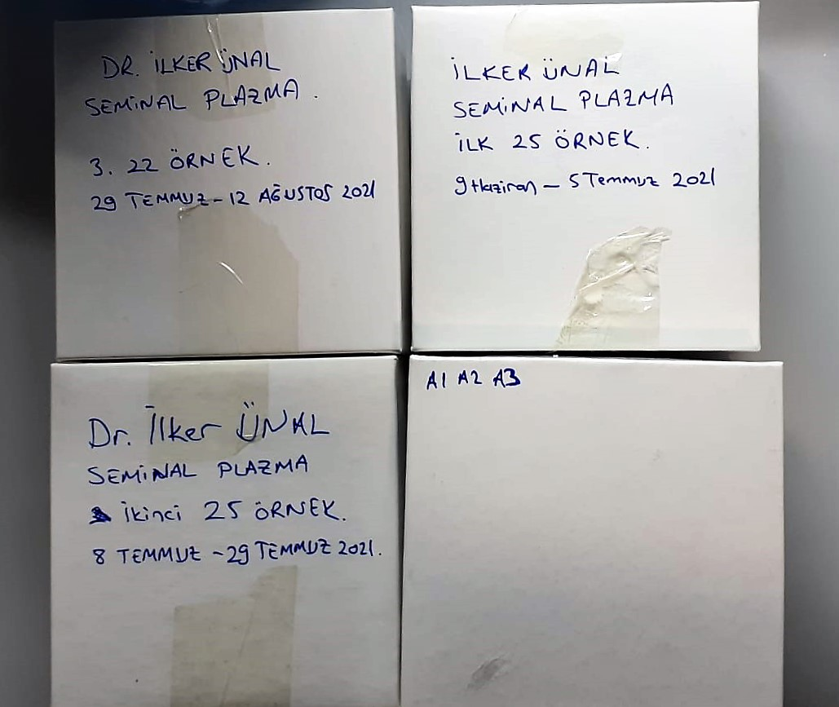

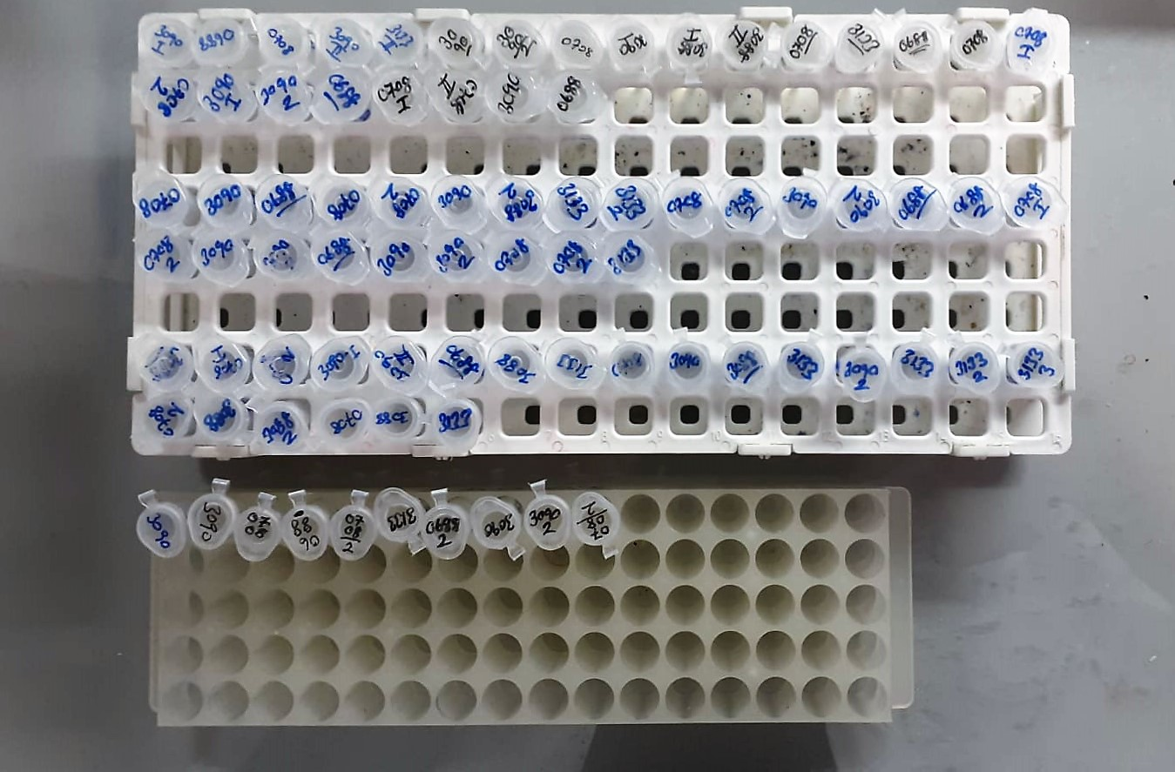

Clusterin Assay Principle
This kit is an Enzyme-Linked Immunosorbent Assay (ELISA). The plate has been pre-coated with Bovine CLU antibody. Bovine CLU present in the sample is added and binds to antibodies coated on the wells.
And then biotinylated Bovine CLU Antibody is added and binds to Bovine CLU in the sample. Then Streptavidin-HRP is added and binds to the Biotinylated Bovine CLU antibody.
After incubation unbound Streptavidin-HRP is washed away during a washing step. Substrate solution is then added and color develops in proportion to the amount of Rat Bovine CLU .
The reaction is terminated by addition of acidic stop solution and absorbance is measured at 450 nm.

Lactoferrin Assay Principle
This kit is an Enzyme-Linked Immunosorbent Assay (ELISA). The plate has been pre-coated with Bovine LTF antibody. Bovine LTF present in the sample is added and binds to antibodies coated on the wells.
And then biotinylated Bovine LTF Antibody is added and binds to Bovine LTF in the sample. Then Streptavidin-HRP is added and binds to the Biotinylated Bovine LTF antibody.
After incubation unbound Streptavidin-HRP is washed away during a washing step. Substrate solution is then added and color develops in proportion to the amount of Rat Bovine LTF .
The reaction is terminated by addition of acidic stop solution and absorbance is measured at 450 nm.

Osteopontin Assay Principle
This kit is an Enzyme-Linked Immunosorbent Assay (ELISA). The plate has been pre-coated with Bovine OPN antibody. Bovine OPN present in the sample is added and binds to antibodies coated on the wells.
And then biotinylated Bovine OPN Antibody is added and binds to Bovine OPN in the sample. Then Streptavidin-HRP is added and binds to the Biotinylated Bovine OPN antibody.
After incubation unbound Streptavidin-HRP is washed away during a washing step. Substrate solution is then added and color develops in proportion to the amount of Rat Bovine OPN .
The reaction is terminated by addition of acidic stop solution and absorbance is measured at 450 nm.

Angiotensin converting enyzme Assay Principle
This kit is an Enzyme-Linked Immunosorbent Assay (ELISA). The plate has been pre-coated with Bovine ACE antibody. Bovine ACE present in the sample is added and binds to antibodies coated on the wells.
And then biotinylated Bovine ACE Antibody is added and binds to Bovine ACE in the sample. Then Streptavidin-HRP is added and binds to the Biotinylated Bovine ACE antibody.
After incubation unbound Streptavidin-HRP is washed away during a washing step. Substrate solution is then added and color develops in proportion to the amount of Rat Bovine ACE .
The reaction is terminated by addition of acidic stop solution and absorbance is measured at 450 nm.

