MDA
MDA
2.481 | 100
1.673 | 50
0.994 | 25
0.513 | 12.5
0.288 | 6.25
0.122 | 3.125
0 | 0
 | absorbans | abs-blank | expected | result
std1 | 2.511 | 2.481 | 100 | 99.11
std2 | 1.703 | 1.673 | 50 | 52.40
std3 | 1.024 | 0.994 | 25 | 24.30
std4 | 0.543 | 0.513 | 12.5 | 10.55
std5 | 0.318 | 0.288 | 6.25 | 5.87
std6 | 0.152 | 0.122 | 3.125 | 3.14
blank | 0.03 | 0 | 0 | 1.51

 |  |  |  |  | concentratıon (nmol/L)

Numune | absorbans | blank | abs-blank | result(nmol/L)
Tuğçe Akbayır-13.07.21 | 1.175 | 0.03 | 1.145 | 29.67
Elizan Demirel-14.07.21 | 1.923 | 0.03 | 1.893 | 63.69
Mustafa Arda Arık-27.07.21 | 1.021 | 0.03 | 0.991 | 24.20
Can Ahmet Şener-30.07.21 | 0.453 | 0.03 | 0.423 | 8.54
Havvanur Şimşek-30.07.21 | 0.583 | 0.03 | 0.553 | 11.50
Habip Berat Kasım-03.08.21 | 0.187 | 0.03 | 0.157 | 3.66
Cem Ülger-03.08.21 | 0.351 | 0.03 | 0.321 | 6.49
Emir Ali Özen-05.08.21 | 1.639 | 0.03 | 1.609 | 49.32
Ecrin Gupse Cengiz-04.08.21 | 0.179 | 0.03 | 0.149 | 3.54
Muhammed Yusuf Çiçek-19.08.21 | 0.144 | 0.03 | 0.114 | 3.02
İlayda Gülerce-24.08.21 | 0.118 | 0.03 | 0.088 | 2.65
Alp Murtaza Doğan-26.08.21 | 0.327 | 0.03 | 0.297 | 6.04
Berrak Yıldız-26.08.21 | 0.365 | 0.03 | 0.335 | 6.75
İrem Gül-27.08.21 | 0.632 | 0.03 | 0.602 | 12.71
Emir Ağören-27.08.21 | 0.628 | 0.03 | 0.598 | 12.61
Hasan Burak Koçak-02.09.21 | 1.507 | 0.03 | 1.477 | 43.24
M.Kayra Erol-02.09.21 | 1.727 | 0.03 | 1.697 | 53.58
M.Efe Aydemir-02.09.21 | 0.331 | 0.03 | 0.301 | 6.11
Irmak Hamiyet Can-10.09.21 | 0.258 | 0.03 | 0.228 | 4.81
Tuğra Bulut Öztürk-17.09.21 | 0.21 | 0.03 | 0.18 | 4.02
Mehmet Emin Aydın-17.09.21 | 0.185 | 0.03 | 0.155 | 3.63
Osman Polat Satılmış-20.09.21 | 0.105 | 0.03 | 0.075 | 2.47
Hayrunnisa Bakır-21.09.21 | 0.114 | 0.03 | 0.084 | 2.59
Sude Gün-28.09.21 | 0.178 | 0.03 | 0.148 | 3.52
Elif Çalık-01.10.21 | 0.1114 | 0.03 | 0.0814 | 2.56
Berat Kasım-08.10.21 | 0.233 | 0.03 | 0.203 | 4.39
Gupse Cengiz-11.10.21 | 0.333 | 0.03 | 0.303 | 6.15
Erdem Mengüer-18.10.21 | 0.302 | 0.03 | 0.272 | 5.58
Tuğçe Akbayır-21.10.21 | 0.247 | 0.03 | 0.217 | 4.63
Elizan Demirel-24.10.21 | 1.924 | 0.03 | 1.894 | 63.75
Can Ahmet Şener-15.11.21 | 1.475 | 0.03 | 1.445 | 41.83
Cem Ülger-18.11.21 | 0.708 | 0.03 | 0.678 | 14.69
Muhammed Yusuf Çiçek-22.11.21 | 0.343 | 0.03 | 0.313 | 6.33
Havvanur Şimşek-25.11.21 | 0.104 | 0.03 | 0.074 | 2.46
Emir Ağören-06.12.21 | 0.2 | 0.03 | 0.17 | 3.86
M.Arda Arık-10.12.21 | 0.162 | 0.03 | 0.132 | 3.28
Elif Çalık-14.12.21 | 0.41 | 0.03 | 0.38 | 7.65
Irmak Hamiyet Can-16.12.21 | 0.381 | 0.03 | 0.351 | 7.07
Berrak Yıldız-16.12.21 | 0.124 | 0.03 | 0.094 | 2.73
Mete Aydemir-17.12.21 | 0.118 | 0.03 | 0.088 | 2.65
Mehmet Emin Aydın-24.12.21 | 0.272 | 0.03 | 0.242 | 5.05
İlayda Gülerce-27.12.21 | 1.093 | 0.03 | 1.063 | 26.69
Sude Gün-04.01.22 | 0.787 | 0.03 | 0.757 | 16.88
Emir Ali Özen-06.01.22 | 0.515 | 0.03 | 0.485 | 9.91
Muhammed Kayra Erol-13.01.22 | 2.134 | 0.03 | 2.104 | 75.52
Osman Polat Satılmış-14.01.22 | 0.294 | 0.03 | 0.264 | 5.44
Hasan Burak Koçak-17.01.22 | 0.243 | 0.03 | 0.213 | 4.56
Erdem Mengüer-18.01.22 | 0.343 | 0.03 | 0.313 | 6.33
Alp Murtaza Doğan-01.02.22 | 0.32 | 0.03 | 0.29 | 5.91
Yağmur Köse-04.02.22 | 0.33 | 0.03 | 0.3 | 6.09
Tuğra Bulut Öztürk-04.02.22 | 0.41 | 0.03 | 0.38 | 7.65
Yusuf Berkay Eser-07.02.22 | 0.126 | 0.03 | 0.096 | 2.76
Beril Ağcabay-10.02.22 | 0.113 | 0.03 | 0.083 | 2.58
Arzu Uçar-10.02.22 | 0.247 | 0.03 | 0.217 | 4.63
Elif Kargın-17.02.22 | 0.276 | 0.03 | 0.246 | 5.12
Rümeysa Cihan-21.02.22 | 0.406 | 0.03 | 0.376 | 7.57
M.Hafsa Sakarya-21.02.22 | 0.925 | 0.03 | 0.895 | 21.05
Ecenaz Şenpotuk-24.03.22 | 1.044 | 0.03 | 1.014 | 24.98
Hayrunnisa Bakır-28.03.22 | 0.186 | 0.03 | 0.156 | 3.65
Asya Kök-28.03.22 | 0.491 | 0.03 | 0.461 | 9.37
Mina Göksel-29.03.22 | 2.032 | 0.03 | 2.002 | 69.68
Mehmet Akif Özğan-29.03.22 | 0.718 | 0.03 | 0.688 | 14.96
Edanur Karaman-29.03.22 | 0.21 | 0.03 | 0.18 | 4.02
Muhammed Emrah-05.04.22 | 0.611 | 0.03 | 0.581 | 12.18
Sude Dursun-05.04.22 | 0.141 | 0.03 | 0.111 | 2.98
Nisanur Doğramacı-12.04.22 | 0.338 | 0.03 | 0.308 | 6.24
İrem Gül-14.04.22 | 0.123 | 0.03 | 0.093 | 2.72
Beril Ağcabay-15.04.22 | 0.336 | 0.03 | 0.306 | 6.20
Kerem Kartal-21.04.22 | 0.282 | 0.03 | 0.252 | 5.23
Zafer Erdoğan-26.04.22 | 0.466 | 0.03 | 0.436 | 8.82
Yusuf Berkay Eser-27.04.22 | 0.72 | 0.03 | 0.69 | 15.01
Nesibe Betül Kaya-28.04.22 | 0.35 | 0.03 | 0.32 | 6.47
M.Hafsa Sakarya-29.05.22 | 0.693 | 0.03 | 0.663 | 14.29
Yağmur Köse-09.05.22 | 2.022 | 0.03 | 1.992 | 69.12
Elif Kargın-12.05.22 | 0.376 | 0.03 | 0.346 | 6.97
Ayaz Ayadağ-16.05.22 | 1.763 | 0.03 | 1.733 | 55.38
Rümeysa Cihan-30.05.22 | 1.009 | 0.03 | 0.979 | 23.79
Arzu Uçar-09.06.22 | 1.952 | 0.03 | 1.922 | 65.26
Edanur Karaman-20.06.22 | 0.911 | 0.03 | 0.881 | 20.61
Nisanur Doğramacı-22.06.22 | 0.662 | 0.03 | 0.632 | 13.47
N.Betül Kaya-23.06.22 | 0.267 | 0.03 | 0.237 | 4.97
Zafer Erdoğan-24.06.22 | 0.374 | 0.03 | 0.344 | 6.93
Emina Göksel-27.06.22 | 0.472 | 0.03 | 0.442 | 8.95
Ecenaz Şenpotuk-01.07.22 | 1.13 | 0.03 | 1.1 | 28.01
Kerem Kartal-07.07.22 | 0.217 | 0.03 | 0.187 | 4.13
Sude Dursun-07.07.22 | 0.596 | 0.03 | 0.566 | 11.81
Muhammed Emrah-25.07.22 | 1.655 | 0.03 | 1.625 | 50.08
Asya Kök-26.07.22 | 0.326 | 0.03 | 0.296 | 6.02
Mehmet Akif Özğan-27.07.22 | 0.451 | 0.03 | 0.421 | 8.50
Ayaz Ayadağ-04.08.22

CAT
2.236 | 0.741 | 1.205 | 2.982 | 0.731 | 0.795 | 0.584 | 0.61 | 0.975 | 0.636 | 0.498 | 1.025
1.462 | 1.582 | 0.806 | 0.863 | 1.274 | 0.69 | 0.678 | 1.081 | 0.785 | 0.793 | 2.105 | 1.111
1.088 | 0.739 | 0.681 | 0.886 | 0.969 | 0.61 | 1.563 | 0.909 | 1.081 | 0.556 | 0.696 | 0.619
0.695 | 0.818 | 0.805 | 0.659 | 0.543 | 2.319 | 1.186 | 1.01 | 0.537 | 0.503 | 0.88 | 0.691
0.37 | 1.484 | 0.621 | 0.974 | 0.556 | 0.679 | 0.933 | 0.647 | 0.986 | 1.001 | 0.823 | 0.573
0.07 | 0.809 | 0.96 | 0.641 | 1.328 | 0.767 | 1.105 | 0.697 | 0.754 | 2.347 | 0.811 | 0.702
1.051 | 0.731 | 2.178 | 0.583 | 2.567 | 0.684 | 1.001 | 0.597 | 0.83 | 0.779 | 2.508 | 0.493
0.906 | 2.583 | 1.15 | 0.779 | 1.173 | 1.001 | 0.724 | 1.382 | 1.046 | 0.653 | 0.783 | 2.134

CAT

 | abs | abs-blank | expected | result
std1 | 2.236 | 2.166 | 400 | 402.44
std2 | 1.462 | 1.392 | 200 | 187.38
std3 | 1.088 | 1.018 | 100 | 112.00
std4 | 0.695 | 0.625 | 50 | 52.82
std5 | 0.37 | 0.3 | 25 | 19.38
blank | 0.07 | 0 | 0 | 0.98

 |  |  |  |  |  |  |  |  | concentration (KU/L)

Numune | absorbans | blank | abs-blank | result(KU/L)
Tuğçe Akbayır-13.07.21 | 1.051 | 0.07 | 0.981 | 105.55
Elizan Demirel-14.07.21 | 0.906 | 0.07 | 0.836 | 82.04
Mustafa Arda Arık-27.07.21 | 0.741 | 0.07 | 0.671 | 58.69
Can Ahmet Şener-30.07.21 | 1.582 | 0.07 | 1.512 | 215.51
Havvanur Şimşek-30.07.21 | 0.739 | 0.07 | 0.669 | 58.42
Habip Berat Kasım-03.08.21 | 0.818 | 0.07 | 0.748 | 69.13
Cem Ülger-03.08.21 | 1.484 | 0.07 | 1.414 | 192.40
Emir Ali Özen-05.08.21 | 0.809 | 0.07 | 0.739 | 67.87
Ecrin Gupse Cengiz-04.08.21 | 0.731 | 0.07 | 0.661 | 57.39
Muhammed Yusuf Çiçek-19.08.21 | 2.583 | 0.07 | 2.513 | 524.70
İlayda Gülerce-24.08.21 | 1.205 | 0.07 | 1.135 | 133.58
Alp Murtaza Doğan-26.08.21 | 0.806 | 0.07 | 0.736 | 67.45
Berrak Yıldız-26.08.21 | 0.681 | 0.07 | 0.611 | 51.09
İrem Gül-27.08.21 | 0.805 | 0.07 | 0.735 | 67.32
Emir Ağören-27.08.21 | 0.621 | 0.07 | 0.551 | 43.97
Hasan Burak Koçak-02.09.21 | 0.96 | 0.07 | 0.89 | 90.47
M.Kayra Erol-02.09.21 | 2.178 | 0.07 | 2.108 | 383.56
M.Efe Aydemir-02.09.21 | 1.15 | 0.07 | 1.08 | 123.21
Irmak Hamiyet Can-10.09.21 | 2.982 | 0.07 | 2.912 | 685.06
Tuğra Bulut Öztürk-17.09.21 | 0.863 | 0.07 | 0.793 | 75.61
Mehmet Emin Aydın-17.09.21 | 0.886 | 0.07 | 0.816 | 79.02
Osman Polat Satılmış-20.09.21 | 0.659 | 0.07 | 0.589 | 48.42
Hayrunnisa Bakır-21.09.21 | 0.974 | 0.07 | 0.904 | 92.72
Sude Gün-28.09.21 | 0.641 | 0.07 | 0.571 | 46.29
Elif Çalık-01.10.21 | 0.583 | 0.07 | 0.513 | 39.71
Berat Kasım-08.10.21 | 0.779 | 0.07 | 0.709 | 63.74
Gupse Cengiz-11.10.21 | 0.731 | 0.07 | 0.661 | 57.39
Erdem Mengüer-18.10.21 | 1.274 | 0.07 | 1.204 | 147.17
Tuğçe Akbayır-21.10.21 | 0.969 | 0.07 | 0.899 | 91.91
Elizan Demirel-24.10.21 | 0.543 | 0.07 | 0.473 | 35.43
Can Ahmet Şener-15.11.21 | 0.556 | 0.07 | 0.486 | 36.80
Cem Ülger-18.11.21 | 1.328 | 0.07 | 1.258 | 158.24
Muhammed Yusuf Çiçek-22.11.21 | 2.567 | 0.07 | 2.497 | 518.71
Havvanur Şimşek-25.11.21 | 1.173 | 0.07 | 1.103 | 127.50
Emir Ağören-06.12.21 | 0.795 | 0.07 | 0.725 | 65.93
M.Arda Arık-10.12.21 | 0.69 | 0.07 | 0.62 | 52.20
Elif Çalık-14.12.21 | 0.61 | 0.07 | 0.54 | 42.72
Irmak Hamiyet Can-16.12.21 | 2.319 | 0.07 | 2.249 | 430.23
Berrak Yıldız-16.12.21 | 0.679 | 0.07 | 0.609 | 50.84
Mete Aydemir-17.12.21 | 0.767 | 0.07 | 0.697 | 62.13
Mehmet Emin Aydın-24.12.21 | 0.684 | 0.07 | 0.614 | 51.46
İlayda Gülerce-27.12.21 | 1.001 | 0.07 | 0.931 | 97.13
Sude Gün-04.01.22 | 0.584 | 0.07 | 0.514 | 39.82
Emir Ali Özen-06.01.22 | 0.678 | 0.07 | 0.608 | 50.72
Muhammed Kayra Erol-13.01.22 | 1.563 | 0.07 | 1.493 | 210.93
Osman Polat Satılmış-14.01.22 | 1.186 | 0.07 | 1.116 | 129.96
Hasan Burak Koçak-17.01.22 | 0.933 | 0.07 | 0.863 | 86.21
Erdem Mengüer-18.01.22 | 1.105 | 0.07 | 1.035 | 115.02
Alp Murtaza Doğan-01.02.22 | 1.001 | 0.07 | 0.931 | 97.13
Yağmur Köse-04.02.22 | 0.724 | 0.07 | 0.654 | 56.48
Tuğra Bulut Öztürk-04.02.22 | 0.61 | 0.07 | 0.54 | 42.72
Yusuf Berkay Eser-07.02.22 | 1.081 | 0.07 | 1.011 | 110.77
Beril Ağcabay-10.02.22 | 0.909 | 0.07 | 0.839 | 82.50
Arzu Uçar-10.02.22 | 1.01 | 0.07 | 0.94 | 98.62
Elif Kargın-17.02.22 | 0.647 | 0.07 | 0.577 | 47.00
Rümeysa Cihan-21.02.22 | 0.697 | 0.07 | 0.627 | 53.07
M.Hafsa Sakarya-21.02.22 | 0.597 | 0.07 | 0.527 | 41.26
Ecenaz Şenpotuk-24.03.22 | 1.382 | 0.07 | 1.312 | 169.70
Hayrunnisa Bakır-28.03.22 | 0.975 | 0.07 | 0.905 | 92.88
Asya Kök-28.03.22 | 0.785 | 0.07 | 0.715 | 64.56
Mina Göksel-29.03.22 | 1.081 | 0.07 | 1.011 | 110.77
Mehmet Akif Özğan-29.03.22 | 0.537 | 0.07 | 0.467 | 34.81
Edanur Karaman-29.03.22 | 0.986 | 0.07 | 0.916 | 94.67
Muhammed Emrah-05.04.22 | 0.754 | 0.07 | 0.684 | 60.39
Sude Dursun-05.04.22 | 0.83 | 0.07 | 0.76 | 70.83
Nisanur Doğramacı-12.04.22 | 1.046 | 0.07 | 0.976 | 104.70
İrem Gül-14.04.22 | 0.636 | 0.07 | 0.566 | 45.71
Beril Ağcabay-15.04.22 | 0.793 | 0.07 | 0.723 | 65.66
Kerem Kartal-21.04.22 | 0.556 | 0.07 | 0.486 | 36.80
Zafer Erdoğan-26.04.22 | 0.503 | 0.07 | 0.433 | 31.37
Yusuf Berkay Eser-27.04.22 | 1.001 | 0.07 | 0.931 | 97.13
Nesibe Betül Kaya-28.04.22 | 2.347 | 0.07 | 2.277 | 439.81
M.Hafsa Sakarya-29.05.22 | 0.779 | 0.07 | 0.709 | 63.74
Yağmur Köse-09.05.22 | 0.653 | 0.07 | 0.583 | 47.71
Elif Kargın-12.05.22 | 0.498 | 0.07 | 0.428 | 30.88
Ayaz Ayadağ-16.05.22 | 2.105 | 0.07 | 2.035 | 360.44
Rümeysa Cihan-30.05.22 | 0.696 | 0.07 | 0.626 | 52.94
Arzu Uçar-09.06.22 | 0.88 | 0.07 | 0.81 | 78.12
...

Irisin
1.797 | 0.938 | 1.011 | 0.965 | 0.86 | 0.965 | 0.912 | 0.935 | 0.952 | 0.954 | 0.974 | 0.875
0.893 | 0.688 | 0.864 | 0.767 | 0.949 | 1.008 | 0.872 | 0.859 | 0.882 | 0.812 | 0.76 | 0.845
0.498 | 0.744 | 0.76 | 0.737 | 0.917 | 0.851 | 0.646 | 0.758 | 0.881 | 0.787 | 0.68 | 0.708
0.236 | 0.717 | 0.806 | 0.827 | 0.637 | 0.751 | 0.765 | 0.718 | 0.787 | 0.815 | 0.676 | 0.726
0.162 | 0.761 | 0.75 | 0.73 | 0.564 | 0.741 | 0.724 | 0.734 | 0.696 | 0.752 | 0.71 | 0.628
0.053 | 0.722 | 0.704 | 0.711 | 0.584 | 0.577 | 0.62 | 0.74 | 0.661 | 0.769 | 0.7 | 0.808
0.597 | 0.764 | 0.553 | 0.65 | 0.708 | 0.62 | 0.635 | 0.645 | 0.224 | 0.72 | 0.692 | 0.758
0.493 | 0.76 | 0.735 | 0.534 | 0.697 | 0.481 | 0.518 | 0.906 | 0.654 | 0.632 | 0.684 | 0.684

Irisin

 | abs | abs-blank | expected | result
std1 | 1.797 | 1.744 | 500 | 500.36
std2 | 0.893 | 0.84 | 250 | 246.69
std3 | 0.498 | 0.445 | 125 | 132.30
std4 | 0.236 | 0.183 | 62.5 | 55.24
std5 | 0.162 | 0.109 | 31.25 | 33.30
blank | 0.053 | 0 | 0 | 0.85

 |  |  |  |  |  |  |  |  | concentration /pg/ml)

Numune | absorbans | blank | abs-blank | result(pg/ml)
Tuğçe Akbayır-13.07.21 | 0.597 | 0.053 | 0.544 | 161.17
Elizan Demirel-14.07.21 | 0.493 | 0.053 | 0.44 | 130.84
Mustafa Arda Arık-27.07.21 | 0.938 | 0.053 | 0.885 | 259.58
Can Ahmet Şener-30.07.21 | 0.688 | 0.053 | 0.635 | 187.59
Havvanur Şimşek-30.07.21 | 0.744 | 0.053 | 0.691 | 203.79
...

Materyal-metod
KİT ADI | TÜR | MARKA | CAT. NO | Yöntem | Kullanılan Cihaz
MDA: Malondialdehit | Universal | Otto Scientific | Otto1001 | Kolorimetrik | REL BIOCHEM-REL ASSAY
SOD: Super Oxıde Dismutase | Universal | Otto Scientific | Otto3047 | Kolorimetrik | MINDRAY-BS400
TAS(Total Antioxidant Status) | Universal | REL ASSAY | RL0017 | Kolorimetrik | MINDRAY-BS400
TOS(Total Oxidant Status) | Universal | REL ASSAY | RL0024 | Kolorimetrik | MINDRAY-BS400
Irisin | Human | Elabscıence | E-EL-H6120 | Kolorimetrik | Mıcroplate reader: BIO-TEK EL X 800-Aotu strıp washer:BIO TEK EL X 50
Catalase | Human | BT-lab | E3053Hu | ELİSA | Mıcroplate reader: BIO-TEK EL X 800-Aotu strıp washer:BIO TEK EL X 50
Protein Carbonyl | Universal | Elabscıence | E-BC-K1178-S | Kolorimetrik | REL BIOCHEM-REL ASSAY

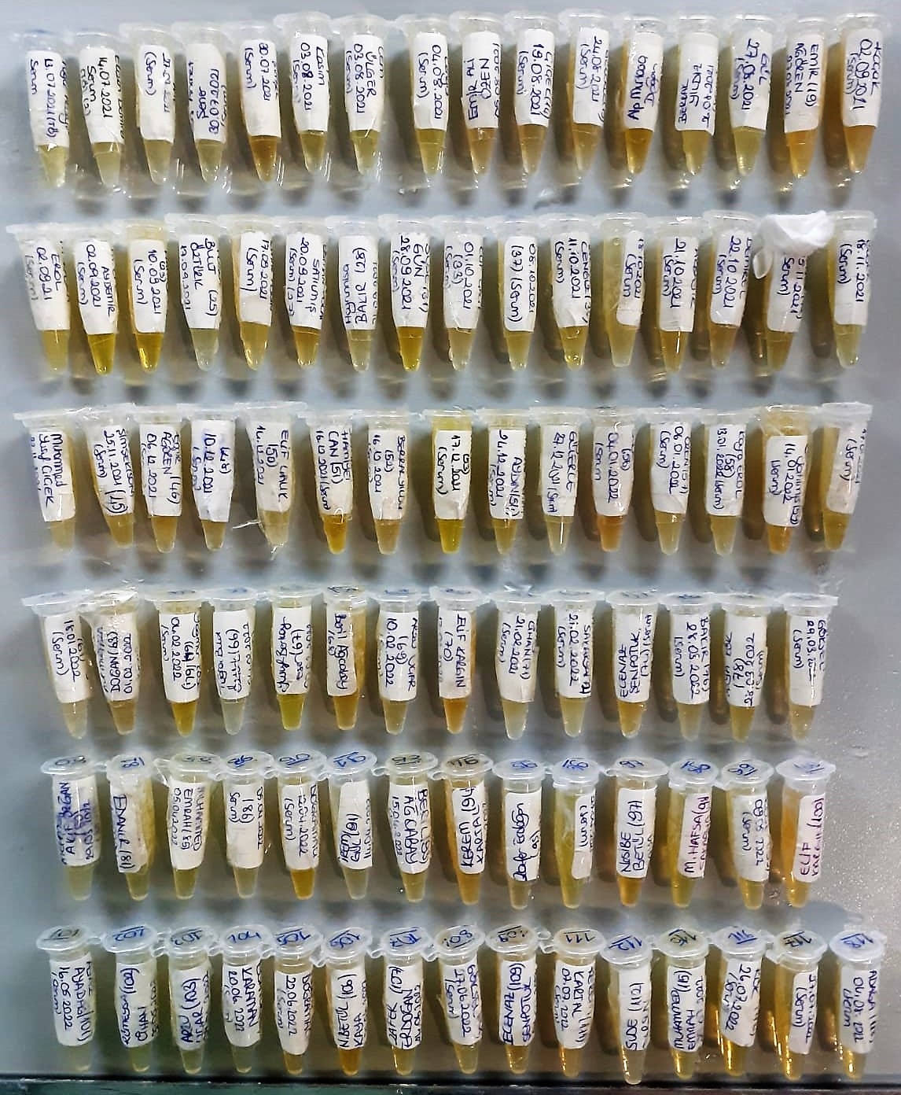

TOTAL ANTIOXDANT STATUS (TAS) (mmol/L)
TAS levels were measured using commercially available kits (Relassay, Turkey). The novel
automated method is based on the bleaching of characteristic color of a more stable ABTS
(2,2 ′ - Azino-bis(3-ethylbenzothiazoline-6-sulfonic acid)) radical cation by antioxidants. The
assay has excellent precision values, which are lower than 3%. The results were expressed as
mmol Trolox equivalent/L (Erel O. A novel automated direct measurement method for total
antioxidant capacity using a new generation, more stable ABTS radicalcation. Clin Biochem
2004;37:277-85.)
(Relassay,Turkey)
...

