CK18
1.284 | 0.293 | 0.328 | 0.333 | 0.349 | 0.339
0.874 | 0.268 | 0.439 | 0.32 | 0.345 | 0.376
0.522 | 0.452 | 0.424 | 0.373 | 0.364 | 0.476
0.325 | 0.492 | 0.342 | 0.378 | 0.361 | 0.425
0.244 | 0.456 | 0.361 | 0.482 | 0.318 | 0.364
0.078 | 0.466 | 0.356 | 0.448 | 0.261 | 0.392
0.07 | 0.374 | 0.387 | 0.378 | 0.275 | 0.352
CK18
0.061 | 0.371 | 0.325 | 0.37 | 0.282 | 0.316

 | abs | abs-blank | expected | result
std1 | 1.284 | 1.206 | 8 | 7.94
std2 | 0.874 | 0.796 | 4 | 4.19
std3 | 0.522 | 0.444 | 2 | 1.85
std4 | 0.325 | 0.247 | 1 | 0.89
std5 | 0.244 | 0.166 | 0.5 | 0.57
blank | 0.078 | 0 | 0 | 0.05

 |  |  |  |  |  | concentration (ng/ml)

Numune | absorbans | blank | abs-blank | result(ng/ml)
OBEZ-1 | 0.293 | 0.078 | 0.215 | 0.76
OBEZ-1 | 0.268 | 0.078 | 0.19 | 0.66
OBEZ-2 | 0.452 | 0.078 | 0.374 | 1.48
OBEZ-2 | 0.492 | 0.078 | 0.414 | 1.69
OBEZ-3 | 0.456 | 0.078 | 0.378 | 1.50
OBEZ-3 | 0.466 | 0.078 | 0.388 | 1.55
OBEZ-4 | 0.374 | 0.078 | 0.296 | 1.11
OBEZ-4 | 0.371 | 0.078 | 0.293 | 1.09
OBEZ-5 | 0.328 | 0.078 | 0.25 | 0.91
OBEZ-5 | 0.439 | 0.078 | 0.361 | 1.42
OBEZ-6 | 0.424 | 0.078 | 0.346 | 1.34
OBEZ-6 | 0.342 | 0.078 | 0.264 | 0.97
OBEZ-7 | 0.361 | 0.078 | 0.283 | 1.05
OBEZ-7 | 0.356 | 0.078 | 0.278 | 1.03
OBEZ-8 | 0.387 | 0.078 | 0.309 | 1.17
OBEZ-8 | 0.325 | 0.078 | 0.247 | 0.89
PB-1 | 0.333 | 0.078 | 0.255 | 0.93
PB-1 | 0.32 | 0.078 | 0.242 | 0.87
PB-2 | 0.373 | 0.078 | 0.295 | 1.10
PB-2 | 0.378 | 0.078 | 0.3 | 1.13
PB-3 | 0.482 | 0.078 | 0.404 | 1.64
PB-3 | 0.448 | 0.078 | 0.37 | 1.46
PB-4 | 0.378 | 0.078 | 0.3 | 1.13
PB-4 | 0.37 | 0.078 | 0.292 | 1.09
PB-5 | 0.349 | 0.078 | 0.271 | 1.00
PB-5 | 0.345 | 0.078 | 0.267 | 0.98
K-1 | 0.364 | 0.078 | 0.286 | 1.06
K-1 | 0.361 | 0.078 | 0.283 | 1.05
K-2 | 0.318 | 0.078 | 0.24 | 0.86
K-2 | 0.261 | 0.078 | 0.183 | 0.64
K-3 | 0.275 | 0.078 | 0.197 | 0.69
K-3 | 0.282 | 0.078 | 0.204 | 0.72
K-4 | 0.339 | 0.078 | 0.261 | 0.95
K-4 | 0.376 | 0.078 | 0.298 | 1.12
K-5 | 0.476 | 0.078 | 0.398 | 1.60
K-5 | 0.425 | 0.078 | 0.347 | 1.35
K-6 | 0.364 | 0.078 | 0.286 | 1.06
K-6 | 0.392 | 0.078 | 0.314 | 1.19

GLP-1
1.164 | 0.276 | 0.405 | 0.212 | 0.182 | 0.222
0.657 | 0.244 | 0.415 | 0.209 | 0.226 | 0.267
0.447 | 0.305 | 0.433 | 0.348 | 0.282 | 0.319
0.306 | 0.303 | 0.437 | 0.361 | 0.297 | 0.352
0.225 | 0.415 | 0.398 | 0.436 | 0.24 | 0.283
0.075 | 0.415 | 0.397 | 0.463 | 0.243 | 0.25
0.085 | 0.325 | 0.231 | 0.295 | 0.23 | 0.453
GLP-1
0.061 | 0.372 | 0.247 | 0.262 | 0.176 | 0.387

 | abs | abs-blank | expected | result
std1 | 1.164 | 1.089 | 32 | 32.26
std2 | 0.657 | 0.582 | 16 | 14.72
std3 | 0.447 | 0.372 | 8 | 8.53
std4 | 0.306 | 0.231 | 4 | 4.72
std5 | 0.225 | 0.15 | 2 | 2.67
blank | 0.075 | 0 | 0 | -0.90

 |  |  |  |  |  | concentration (ug/ml)

Numune | absorbans | blank | abs-blank | result(ug/ml)
OBEZ-1 | 0.276 | 0.075 | 0.201 | 3.95
OBEZ-1 | 0.244 | 0.075 | 0.169 | 3.14
OBEZ-2 | 0.305 | 0.075 | 0.23 | 4.70
OBEZ-2 | 0.303 | 0.075 | 0.228 | 4.65
OBEZ-3 | 0.415 | 0.075 | 0.34 | 7.64
OBEZ-3 | 0.415 | 0.075 | 0.34 | 7.64
OBEZ-4 | 0.325 | 0.075 | 0.25 | 5.22
OBEZ-4 | 0.372 | 0.075 | 0.297 | 6.47
OBEZ-5 | 0.405 | 0.075 | 0.33 | 7.36
OBEZ-5 | 0.415 | 0.075 | 0.34 | 7.64
OBEZ-6 | 0.433 | 0.075 | 0.358 | 8.14
OBEZ-6 | 0.437 | 0.075 | 0.362 | 8.25
OBEZ-7 | 0.398 | 0.075 | 0.323 | 7.17
OBEZ-7 | 0.397 | 0.075 | 0.322 | 7.15
OBEZ-8 | 0.231 | 0.075 | 0.156 | 2.82
OBEZ-8 | 0.247 | 0.075 | 0.172 | 3.22
PB-1 | 0.212 | 0.075 | 0.137 | 2.35
PB-1 | 0.209 | 0.075 | 0.134 | 2.27
PB-2 | 0.348 | 0.075 | 0.273 | 5.83
PB-2 | 0.361 | 0.075 | 0.286 | 6.17
PB-3 | 0.436 | 0.075 | 0.361 | 8.22
PB-3 | 0.463 | 0.075 | 0.388 | 8.98
PB-4 | 0.295 | 0.075 | 0.22 | 4.44
PB-4 | 0.262 | 0.075 | 0.187 | 3.59
PB-5 | 0.182 | 0.075 | 0.107 | 1.61
PB-5 | 0.226 | 0.075 | 0.151 | 2.69
K-1 | 0.282 | 0.075 | 0.207 | 4.10
K-1 | 0.297 | 0.075 | 0.222 | 4.49
K-2 | 0.24 | 0.075 | 0.165 | 3.04
K-2 | 0.243 | 0.075 | 0.168 | 3.12
K-3 | 0.23 | 0.075 | 0.155 | 2.79
K-3 | 0.176 | 0.075 | 0.101 | 1.47
K-4 | 0.222 | 0.075 | 0.147 | 2.59
K-4 | 0.267 | 0.075 | 0.192 | 3.72
K-5 | 0.319 | 0.075 | 0.244 | 5.06
K-5 | 0.352 | 0.075 | 0.277 | 5.93
K-6 | 0.283 | 0.075 | 0.208 | 4.13
K-6 | 0.25 | 0.075 | 0.175 | 3.29

TNF-A
1.432 | 0.136 | 0.217 | 0.206 | 0.169 | 0.251
0.897 | 0.183 | 0.262 | 0.275 | 0.195 | 0.289
0.539 | 0.448 | 0.449 | 0.435 | 0.491 | 0.372
0.314 | 0.412 | 0.415 | 0.516 | 0.5 | 0.333
0.24 | 0.413 | 0.417 | 0.571 | 0.353 | 0.345
0.084 | 0.423 | 0.509 | 0.581 | 0.436 | 0.38
0.088 | 0.568 | 0.628 | 0.565 | 0.454 | 0.315
TNF-A
0.094 | 0.525 | 0.622 | 0.539 | 0.446 | 0.334

 | abs | abs-blank | expected | result
std1 | 1.432 | 1.348 | 640 | 639.12
std2 | 0.897 | 0.813 | 320 | 323.45
std3 | 0.539 | 0.455 | 160 | 157.77
std4 | 0.314 | 0.23 | 80 | 72.34
std5 | 0.24 | 0.156 | 40 | 47.39
blank | 0.084 | 0 | 0 | -0.08

 |  |  |  |  |  | concentration (ng/L)

Numune | absorbans | blank | abs-blank | result(ng/L)
OBEZ-1 | 0.136 | 0.084 | 0.052 | 14.98
OBEZ-1 | 0.183 | 0.084 | 0.099 | 29.24
OBEZ-2 | 0.448 | 0.084 | 0.364 | 121.48
OBEZ-2 | 0.412 | 0.084 | 0.328 | 107.78
OBEZ-3 | 0.413 | 0.084 | 0.329 | 108.15
OBEZ-3 | 0.423 | 0.084 | 0.339 | 111.92
OBEZ-4 | 0.568 | 0.084 | 0.484 | 169.83
OBEZ-4 | 0.525 | 0.084 | 0.441 | 152.03
OBEZ-5 | 0.217 | 0.084 | 0.133 | 39.96
OBEZ-5 | 0.262 | 0.084 | 0.178 | 54.65
OBEZ-6 | 0.449 | 0.084 | 0.365 | 121.87
OBEZ-6 | 0.415 | 0.084 | 0.331 | 108.90
OBEZ-7 | 0.417 | 0.084 | 0.333 | 109.66
OBEZ-7 | 0.509 | 0.084 | 0.425 | 145.55
OBEZ-8 | 0.628 | 0.084 | 0.544 | 195.55
OBEZ-8 | 0.622 | 0.084 | 0.538 | 192.93
PB-1 | 0.206 | 0.084 | 0.122 | 36.46
PB-1 | 0.275 | 0.084 | 0.191 | 59.00
PB-2 | 0.435 | 0.084 | 0.351 | 116.49
PB-2 | 0.516 | 0.084 | 0.432 | 148.38
PB-3 | 0.571 | 0.084 | 0.487 | 171.09
PB-3 | 0.581 | 0.084 | 0.497 | 175.32
PB-4 | 0.565 | 0.084 | 0.481 | 168.57
PB-4 | 0.539 | 0.084 | 0.455 | 157.77
PB-5 | 0.169 | 0.084 | 0.085 | 24.93
PB-5 | 0.195 | 0.084 | 0.111 | 32.99
K-1 | 0.491 | 0.084 | 0.407 | 138.33
K-1 | 0.5 | 0.084 | 0.416 | 141.93
K-2 | 0.353 | 0.084 | 0.269 | 86.11
K-2 | 0.436 | 0.084 | 0.352 | 116.87
K-3 | 0.454 | 0.084 | 0.37 | 123.80
K-3 | 0.446 | 0.084 | 0.362 | 120.71
K-4 | 0.251 | 0.084 | 0.167 | 51.00
K-4 | 0.289 | 0.084 | 0.205 | 63.74
K-5 | 0.372 | 0.084 | 0.288 | 92.98
K-5 | 0.333 | 0.084 | 0.249 | 79.00
K-6 | 0.345 | 0.084 | 0.261 | 83.25
K-6 | 0.38 | 0.084 | 0.296 | 95.90

IL-6
1.346 | 0.151 | 0.132 | 0.129 | 0.139 | 0.141
0.747 | 0.153 | 0.146 | 0.18 | 0.18 | 0.172
0.42 | 0.178 | 0.276 | 0.319 | 0.341 | 0.315
0.233 | 0.238 | 0.299 | 0.315 | 0.32 | 0.318
0.147 | 0.271 | 0.3 | 0.359 | 0.266 | 0.331
0.07 | 0.255 | 0.306 | 0.315 | 0.235 | 0.3
0.077 | 0.345 | 0.258 | 0.341 | 0.222 | 0.403
0.067 | 0.38 | 0.31 | 0.344 | 0.228 | 0.398

IL-6

 | abs | abs-blank | expected | result
std1 | 1.346 | 1.276 | 320 | 319.86
std2 | 0.747 | 0.677 | 160 | 160.39
std3 | 0.42 | 0.35 | 80 | 80.98
std4 | 0.233 | 0.163 | 40 | 37.99
std5 | 0.147 | 0.077 | 20 | 18.82
blank | 0.07 | 0 | 0 | 1.97

 |  |  |  |  |  | concentration (pg/ml)

Numune | absorbans | blank | abs-blank | result(pg/ml)
OBEZ-1 | 0.151 | 0.07 | 0.081 | 19.70
OBEZ-1 | 0.153 | 0.07 | 0.083 | 20.15
OBEZ-2 | 0.178 | 0.07 | 0.108 | 25.69
OBEZ-2 | 0.238 | 0.07 | 0.168 | 39.12
OBEZ-3 | 0.271 | 0.07 | 0.201 | 46.59
OBEZ-3 | 0.255 | 0.07 | 0.185 | 42.96
OBEZ-4 | 0.345 | 0.07 | 0.275 | 63.53
OBEZ-4 | 0.38 | 0.07 | 0.31 | 71.64
OBEZ-5 | 0.132 | 0.07 | 0.062 | 15.51
OBEZ-5 | 0.146 | 0.07 | 0.076 | 18.60
OBEZ-6 | 0.276 | 0.07 | 0.206 | 47.72
OBEZ-6 | 0.299 | 0.07 | 0.229 | 52.96
OBEZ-7 | 0.3 | 0.07 | 0.23 | 53.19
OBEZ-7 | 0.306 | 0.07 | 0.236 | 54.56
OBEZ-8 | 0.258 | 0.07 | 0.188 | 43.64
OBEZ-8 | 0.31 | 0.07 | 0.24 | 55.48
PB-1 | 0.129 | 0.07 | 0.059 | 14.85
PB-1 | 0.18 | 0.07 | 0.11 | 26.13
PB-2 | 0.319 | 0.07 | 0.249 | 57.54
PB-2 | 0.315 | 0.07 | 0.245 | 56.63
PB-3 | 0.359 | 0.07 | 0.289 | 66.76
PB-3 | 0.315 | 0.07 | 0.245 | 56.63
PB-4 | 0.341 | 0.07 | 0.271 | 62.60
PB-4 | 0.344 | 0.07 | 0.274 | 63.30
PB-5 | 0.139 | 0.07 | 0.069 | 17.06
PB-5 | 0.18 | 0.07 | 0.11 | 26.13
K-1 | 0.341 | 0.07 | 0.271 | 62.60
K-1 | 0.32 | 0.07 | 0.25 | 57.77
K-2 | 0.266 | 0.07 | 0.196 | 45.45
K-2 | 0.235 | 0.07 | 0.165 | 38.44
K-3 | 0.222 | 0.07 | 0.152 | 35.52
K-3 | 0.228 | 0.07 | 0.158 | 36.87
K-4 | 0.141 | 0.07 | 0.071 | 17.50
K-4 | 0.172 | 0.07 | 0.102 | 24.36
K-5 | 0.315 | 0.07 | 0.245 | 56.63
K-5 | 0.318 | 0.07 | 0.248 | 57.31
K-6 | 0.331 | 0.07 | 0.261 | 60.30
K-6 | 0.3 | 0.07 | 0.23 | 53.19

INS
1.554 | 0.266 | 0.171 | 0.164 | 0.216 | 0.277
1.003 | 0.203 | 0.165 | 0.194 | 0.238 | 0.235
0.572 | 0.316 | 0.318 | 0.407 | 0.406 | 0.328
0.384 | 0.318 | 0.308 | 0.384 | 0.421 | 0.332
0.254 | 0.334 | 0.337 | 0.318 | 0.47 | 0.599
0.079 | 0.397 | 0.387 | 0.328 | 0.439 | 0.534
0.077 | 0.499 | 0.352 | 0.464 | 0.234 | 0.453
INS
0.081 | 0.492 | 0.397 | 0.5 | 0.268 | 0.332

 | abs | abs-blank | expected | result
std1 | 1.554 | 1.475 | 24 | 23.91
std2 | 1.003 | 0.924 | 12 | 12.35
std3 | 0.572 | 0.493 | 6 | 5.49
std4 | 0.384 | 0.305 | 3 | 3.10
std5 | 0.254 | 0.175 | 1.5 | 1.66
blank | 0.079 | 0 | 0 | -0.01
 |  |  |  |  |  | concentration (IU/L)

Numune | absorbans | blank | abs-blank | result(IU/L)
OBEZ-1 | 0.466 | 0.079 | 0.387 | 4.10
OBEZ-1 | 0.433 | 0.079 | 0.354 | 3.69
OBEZ-2 | 0.416 | 0.079 | 0.337 | 3.48
OBEZ-2 | 0.418 | 0.079 | 0.339 | 3.50
OBEZ-3 | 0.394 | 0.079 | 0.315 | 3.22
OBEZ-3 | 0.397 | 0.079 | 0.318 | 3.25
OBEZ-4 | 0.499 | 0.079 | 0.42 | 4.52
OBEZ-4 | 0.492 | 0.079 | 0.413 | 4.43
OBEZ-5 | 0.571 | 0.079 | 0.492 | 5.47
OBEZ-5 | 0.565 | 0.079 | 0.486 | 5.39
OBEZ-6 | 0.518 | 0.079 | 0.439 | 4.76
OBEZ-6 | 0.508 | 0.079 | 0.429 | 4.63
OBEZ-7 | 0.437 | 0.079 | 0.358 | 3.73
OBEZ-7 | 0.487 | 0.079 | 0.408 | 4.36
OBEZ-8 | 0.452 | 0.079 | 0.373 | 3.92
OBEZ-8 | 0.497 | 0.079 | 0.418 | 4.49
PB-1 | 0.164 | 0.079 | 0.085 | 0.76
...

Materyal-metod
...
KİT ADI | TÜR | MARKA | CAT. NO | Yöntem | Kullanılan Cihaz
LDL: LDL Cholesterol | Universal | Otto Scientific | OttoBC145 | Kolorimetrik | MINDRAY BS-400
HDL: HDL Cholesterol | Universal | Otto Scientific | OttoBC144 | Kolorimetrik | MINDRAY BS-400
AST: Aspartat Aminotransferaz | Universal | Otto Scientific | OttoBC127 | Kolorimetrik | MINDRAY-BS400
ALT: Alanin aminotransferaz | Universal | Otto Scientific | OttoBC128 | Kolorimetrik | MINDRAY-BS400
INSULIN | Rat | Sunred | 201-11-0708-48t | ELİSA | Mıcroplate reader: BIO-TEK EL X 800-Aotu strıp washer:BIO TEK EL X 50
IL-6(ınterleukin 6) | Rat | Sunred | 201-11-0136-48t | ELİSA | Mıcroplate reader: BIO-TEK EL X 800-Aotu strıp washer:BIO TEK EL X 50
TNF-ALFA (tumor necrosis alfa) | Rat | Sunred | 201-11-0765-48t | ELİSA | Mıcroplate reader: BIO-TEK EL X 800-Aotu strıp washer:BIO TEK EL X 50
GLP-1(glucagons like peptide 1) | Rat | Sunred | 201-11-0720-48t | ELİSA | Mıcroplate reader: BIO-TEK EL X 800-Aotu strıp washer:BIO TEK EL X 50
CK18(cytokeratin 18) | Rat | Sunred | 201-11-2692-48t | ELİSA | Mıcroplate reader: BIO-TEK EL X 800-Aotu strıp washer:BIO TEK EL X 50

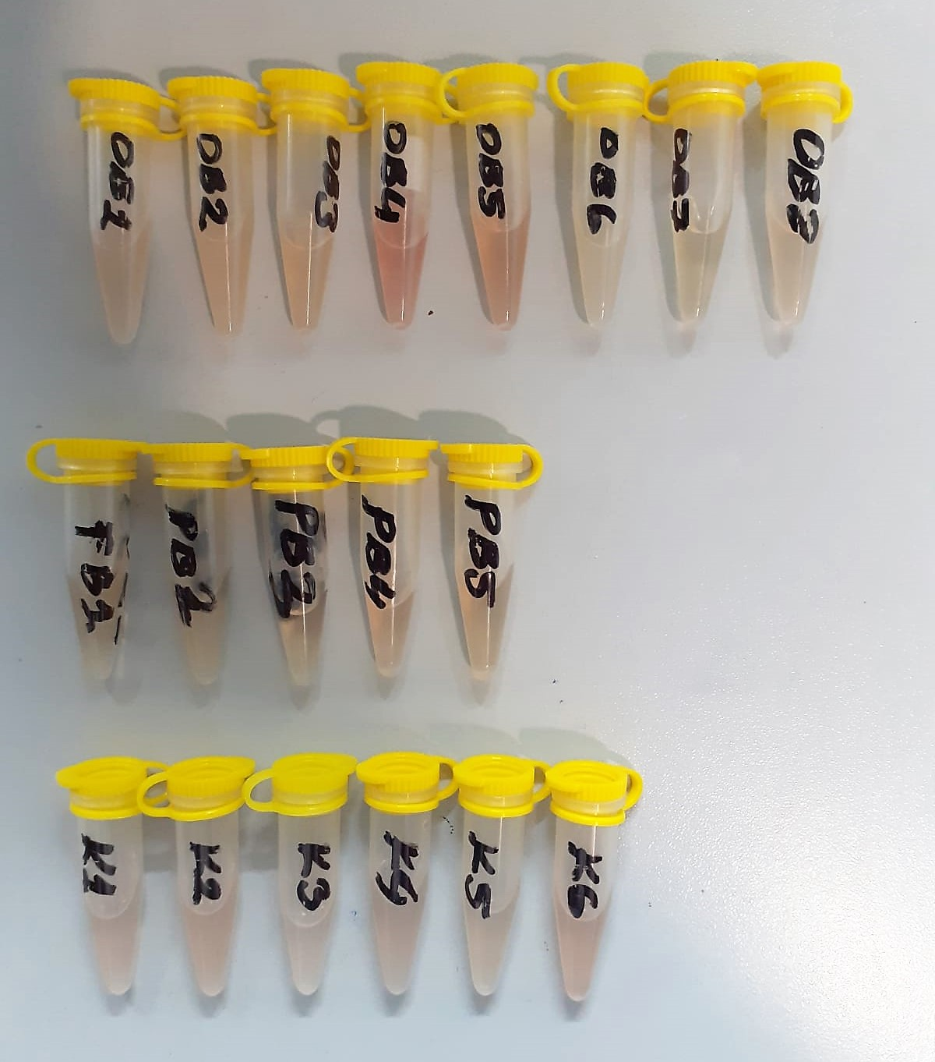

TNF-A Test Principle
The kit uses a double-antibody sandwich enzyme-linked immunosorbent assay to assay the level of Rat tumor necrosis alfa (TNF-A) in samples.
Add Rat tumor necrosis alfa (TNF-A) a to monoclonal antibody Enzyme well which is pre-coated with Rat tumor necrosis alfa (TNF-A) a monoclonal antibody, incubation.
Then, add Rat tumor necrosis alfa (TNF-A) a antibodies labeled with biotin, and combined with Stpertavidin-HRP to form immune complex; then carry out incubation and washing again to remove the uncombined enzyme.
Then add Chromogen Solutions A,B,the color of the liguid changes into the blue, and at he effect of acid, the color finally becomes yellow.
The chroma of color and the concentration of the Rat tumor necrosis alfa (TNF-A) a of sample were positively correlated.

IL-6 Test Principle
The kit uses a double-antibody sandwich enzyme-linked immunosorbent assay to assay the level of Rat Interleukin 6(IL-6) in samples.
Add Rat Interleukin 6(IL-6) a to monoclonal antibody Enzyme well which is pre-coated with Rat Interleukin 6(IL-6) a monoclonal antibody, incubation.
...

