MDA
MDA
2.481 | 100
1.673 | 50
0.994 | 25
0.513 | 12.5
0.288 | 6.25
0.122 | 3.125
0 | 0
 | absorbans | abs-blank | expected | result
std1 | 2.511 | 2.481 | 100 | 99.11
std2 | 1.703 | 1.673 | 50 | 52.40
std3 | 1.024 | 0.994 | 25 | 24.30
std4 | 0.543 | 0.513 | 12.5 | 10.55
std5 | 0.318 | 0.288 | 6.25 | 5.87
std6 | 0.152 | 0.122 | 3.125 | 3.14
blank | 0.03 | 0 | 0 | 1.51

 |  |  |  |  | concentratıon (mmol/L)

Numune | absorbans | blank | abs-blank | result
1.grup-hayvan-1 | 1.502 | 0.03 | 1.472 | 43.02
1.grup-hayvan-2 | 0.729 | 0.03 | 0.699 | 15.26
1.grup-hayvan-3 | 0.508 | 0.03 | 0.478 | 9.75
1.grup-hayvan-4 | 0.589 | 0.03 | 0.559 | 11.64
1.grup-hayvan-5 | 0.459 | 0.03 | 0.429 | 8.67
2.grup-hayvan-1 | 0.33 | 0.03 | 0.3 | 6.09
2.grup-hayvan-2 | 0.354 | 0.03 | 0.324 | 6.54
2.grup-hayvan-3 | 0.352 | 0.03 | 0.322 | 6.51
2.grup-hayvan-4 | 2.02 | 0.03 | 1.99 | 69.01
2.grup-hayvan-5 | 1.119 | 0.03 | 1.089 | 27.62
2.grup-hayvan-6 | 1.428 | 0.03 | 1.398 | 39.79
3.grup-hayvan-1 | 0.468 | 0.03 | 0.438 | 8.86
3.grup-hayvan-2 | 0.395 | 0.03 | 0.365 | 7.35
3.grup-hayvan-3 | 0.362 | 0.03 | 0.332 | 6.70
3.grup-hayvan-4 | 0.997 | 0.03 | 0.967 | 23.39
3.grup-hayvan-5 | 1.45 | 0.03 | 1.42 | 40.74
3.grup-hayvan-6 | 1.003 | 0.03 | 0.973 | 23.59
4.grup-hayvan-1 | 0.292 | 0.03 | 0.262 | 5.40
4.grup-hayvan-2 | 0.668 | 0.03 | 0.638 | 13.63
4.grup-hayvan-3 | 0.308 | 0.03 | 0.278 | 5.69
4.grup-hayvan-4 | 0.322 | 0.03 | 0.292 | 5.94
4.grup-hayvan-5 | 0.327 | 0.03 | 0.297 | 6.04
4.grup-hayvan-6 | 0.812 | 0.03 | 0.782 | 17.61
5.grup-hayvan-1 | 0.315 | 0.03 | 0.285 | 5.82
5.grup-hayvan-2 | 0.803 | 0.03 | 0.773 | 17.35
5.grup-hayvan-3 | 0.358 | 0.03 | 0.328 | 6.62
5.grup-hayvan-4 | 1.03 | 0.03 | 1 | 24.50
5.grup-hayvan-5 | 0.416 | 0.03 | 0.386 | 7.77
5.grup-hayvan-6 | 0.377 | 0.03 | 0.347 | 6.99

Materyal-metod
KİT ADI | TÜR | MARKA | Yöntem | Kullanılan Cihaz
AST: Aspartat Aminotransferaz | Universal | REL ASSAY | Kolorimetrik | MINDRAY-BS400
ALT: Alanin aminotransferaz | Universal | REL ASSAY | Kolorimetrik | MINDRAY-BS400
ALP: Alkaline Phosphatase | Universal | REL ASSAY | Kolorimetrik | MINDRAY-BS400
SOD: Super Oxıde Dismutase | Universal | REL ASSAY | Kolorimetrik | MINDRAY-BS400
MDA: Malondialdehit | Universal | REL ASSAY | Kolorimetrik | REL BIOCHEM-REL ASSAY
CAT: Catalase | Universal | REL ASSAY | Kolorimetrik | MINDRAY-BS400

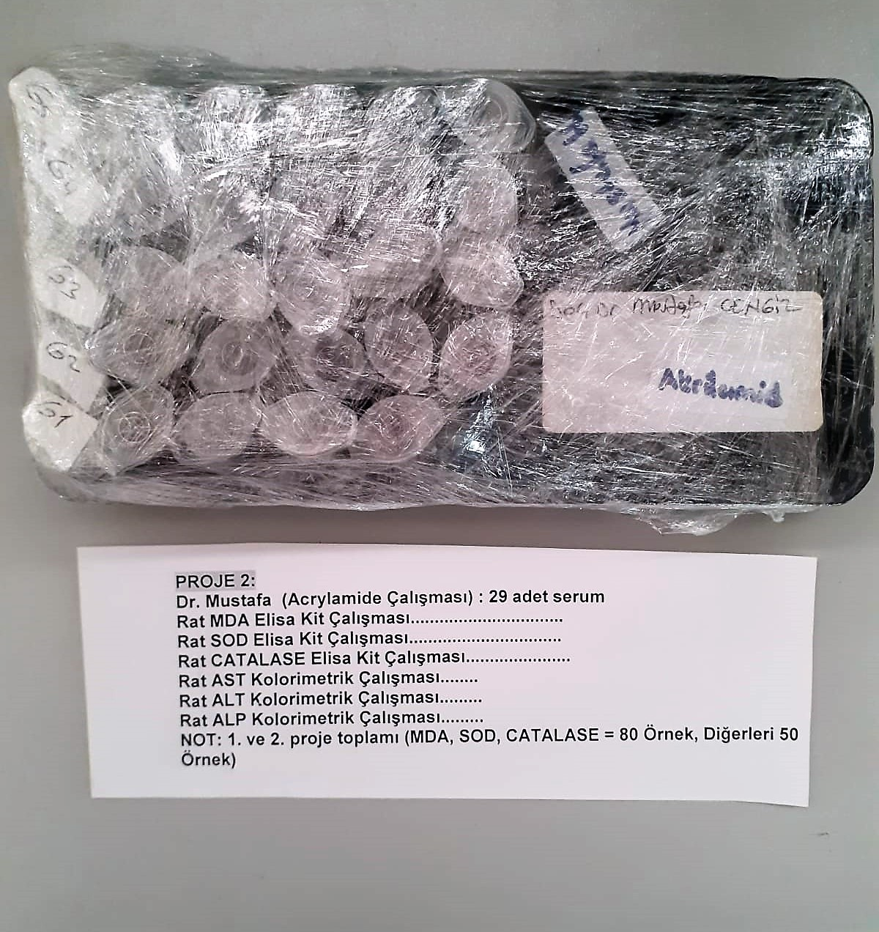
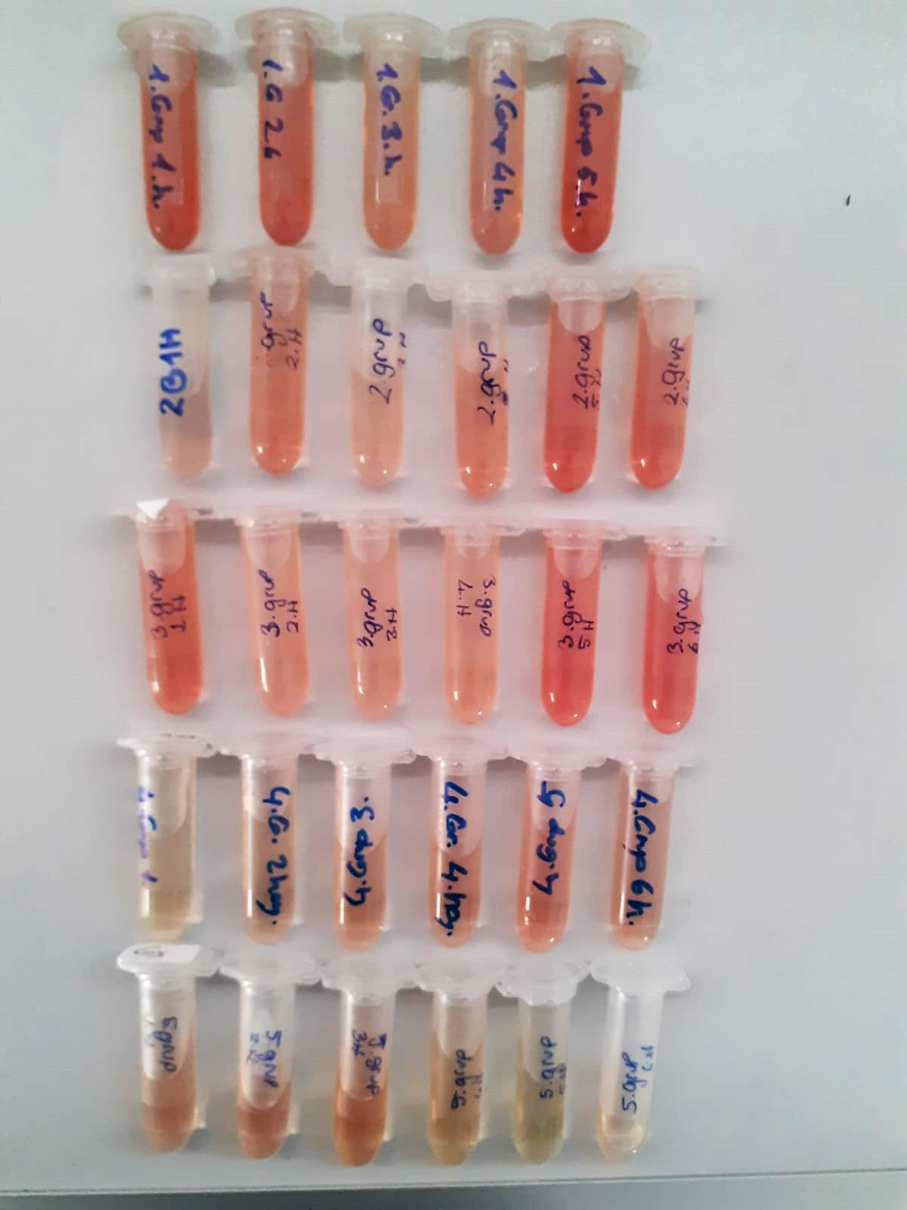

AST U/L
UV test according to a standarrized method
Sample and addition of R1 (buffer)
Addition of R2 and start of reaction: AST
α-ketoglutarate + L-aspartate L- glutamate + oxaloasetate
AST is the enzyme which catalyzes this equilibrium reaction. The oxaloacetate in- crease is measured in a subsequent indicator reaction which is catalyzed by malate dehydrogenase.
MDH
oxalacetate + NADH + H+ L-Malate + NAD+
In the second reaction, NADH is oxidized to NAD. The rate of decrease in NADH
(Measured photometrically) is directly proportional to the rate of formation of
oxaloasetate, and thus the AST activity.

ALT U/L
UV test according to the IFCC method.
ALT
L-Alanin + 2-Oxoglutarate ⎯⎯ L-Glutamate + Pyruvat

Alkaline Phosphatase (ALP) U/L
Colorimetric assay in accordance with a standardized method.
ALP, Mg2
p - Nitrophenylphosphate+ H2O Phosphate + p - Nitrophenol
In the presence of magnesium and zinc ions, p-nitrophenyl phosphate is hydrolyzed by phosphatases to form phosphate and p-nitrophenol.
In this process AMP serves as transient phosphate acceptor. The release of coloured p-nitrophenol is proportional to the ALP activity and can be measured photometrically.

Super Oxide Dismutase (SOD) U/ml
The role of speroxide dismutase is to accelerate the dismutation of the toxic radical, produced
during oxidative energy processes to hydrogen peroxide and molecular oxygen. This method
employs xanthine and xanthine oxidase to generate superoxide radicals which react with 2-(4-
iodophenyl)-3-(4-nitrophenol)-5-phenyltetrazolium chloride to form a red formazan dye.. the
superoxide dismutase activity is then measured by the degree of inhibiton of this reaction
(Relassay, Turkey)

Catalase (CAT) U/L
This colorimetric assay involves two steps. Sample is first incubated with a known amount of
hydrogen peroxide. Sample converts hydrogen peroxide to water and oxygen. The ratio is
proportional to the concentration of catalase. The enzyme is stopped and the remaining
hydrogen peroxide, following a fixed incubation period, is determined using a chromogen.
The resulting absorbance is measured at 405 nm and the obtained results are expressed as U/L.
(Relassay, Turkey)

Malondialdehyde (MDA) nmol/L
The MDA level was determined by a method based
on the reaction with thiobarbituric acid (TBA) at 90–100_C
. In the TBA test reaction, MDA or MDA-like
substances and TBA react with the production of a pink
pigment with a maximum absorption at 532 nm. The
reaction was performed at pH 2–3 at 90_C for 15 min. The
sample was mixed with two volumes of cold 10% (w/v)
trichloroacetic acid for the precipitation of protein. The
precipitate was pelleted by centrifugation, and an aliquot of
the supernatant was reacted with an equal volume of 0.67%
(w/v) TBA in a boiling water bath for 10 min. After
cooling, the absorbance was read at 532 nm.

