Materyal-metod
KİT ADI | TÜR | MARKA | CAT. NO | Yöntem
PON-1: Paraoxanase-1 | Universal | REL ASSAY | RL0031 | Kolorimetrik
NOT: Dokular 1/9 oranında( 0,1 gr doku: 0,9ml 50 mmol. lık pH:7.40 fosfat tamponu) fosfat tamponu ile homojenize edildikten sonra 7000 rpm + 4' de 5 dk santrifüj edildi.
MINDRAY BS-300 Tam Otomatik Analizör
Centrifuge: HETTICH Mıcro 200-R

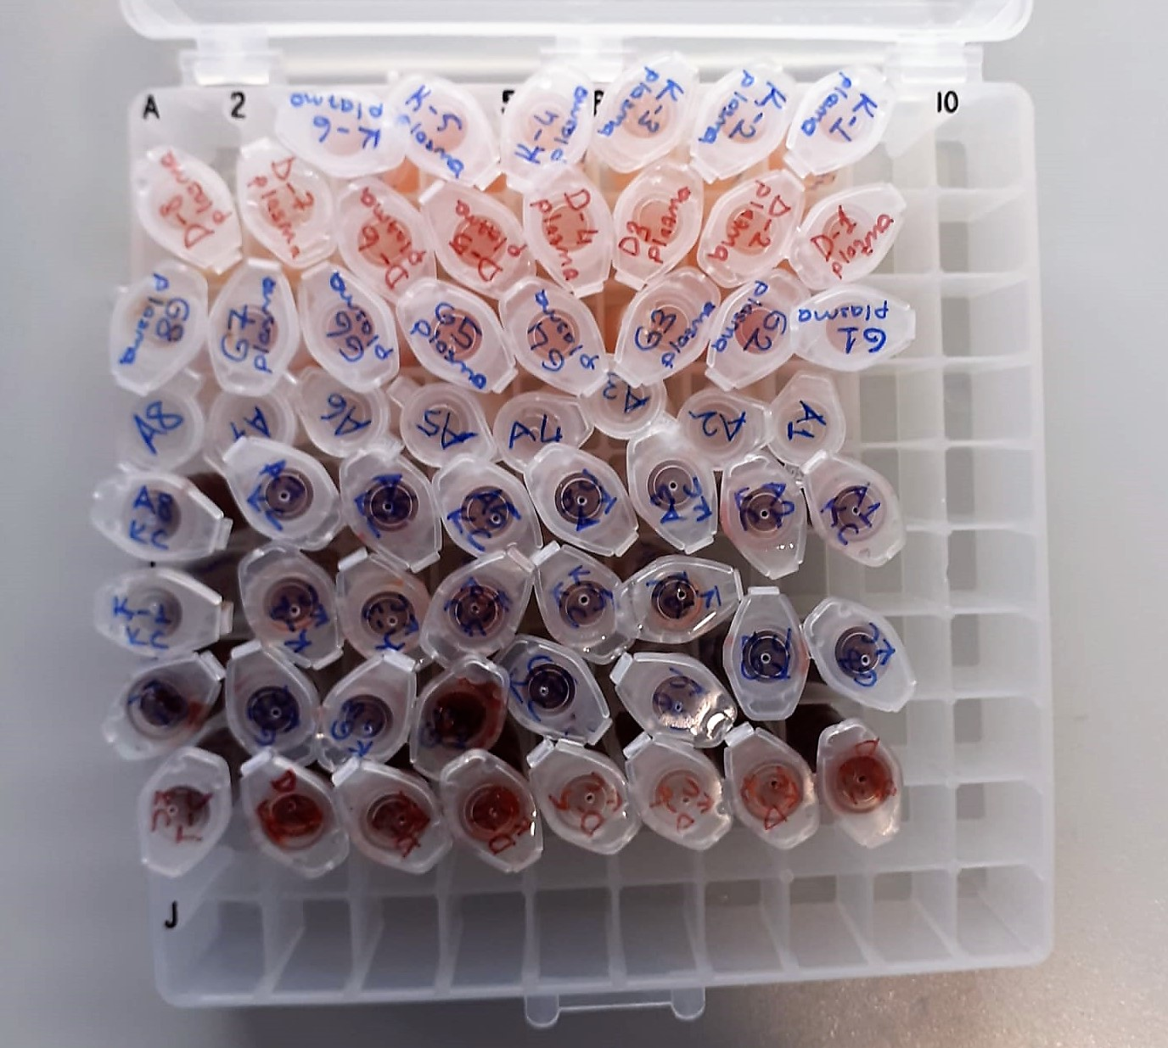
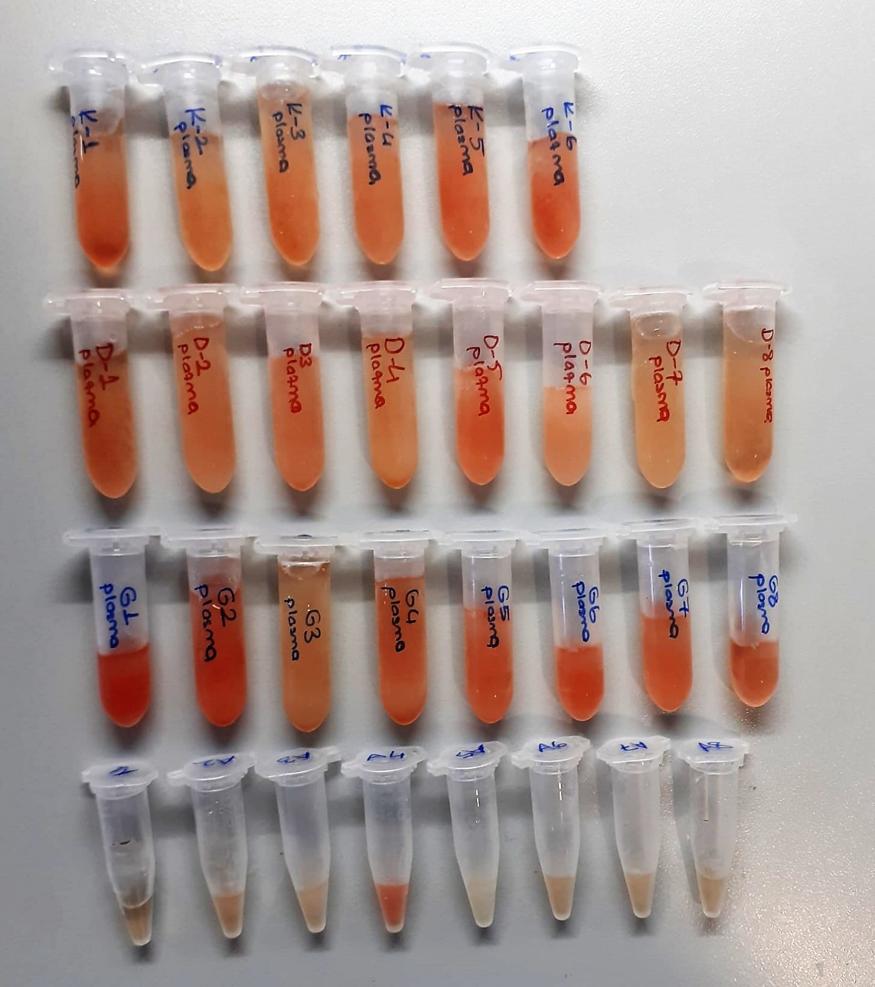

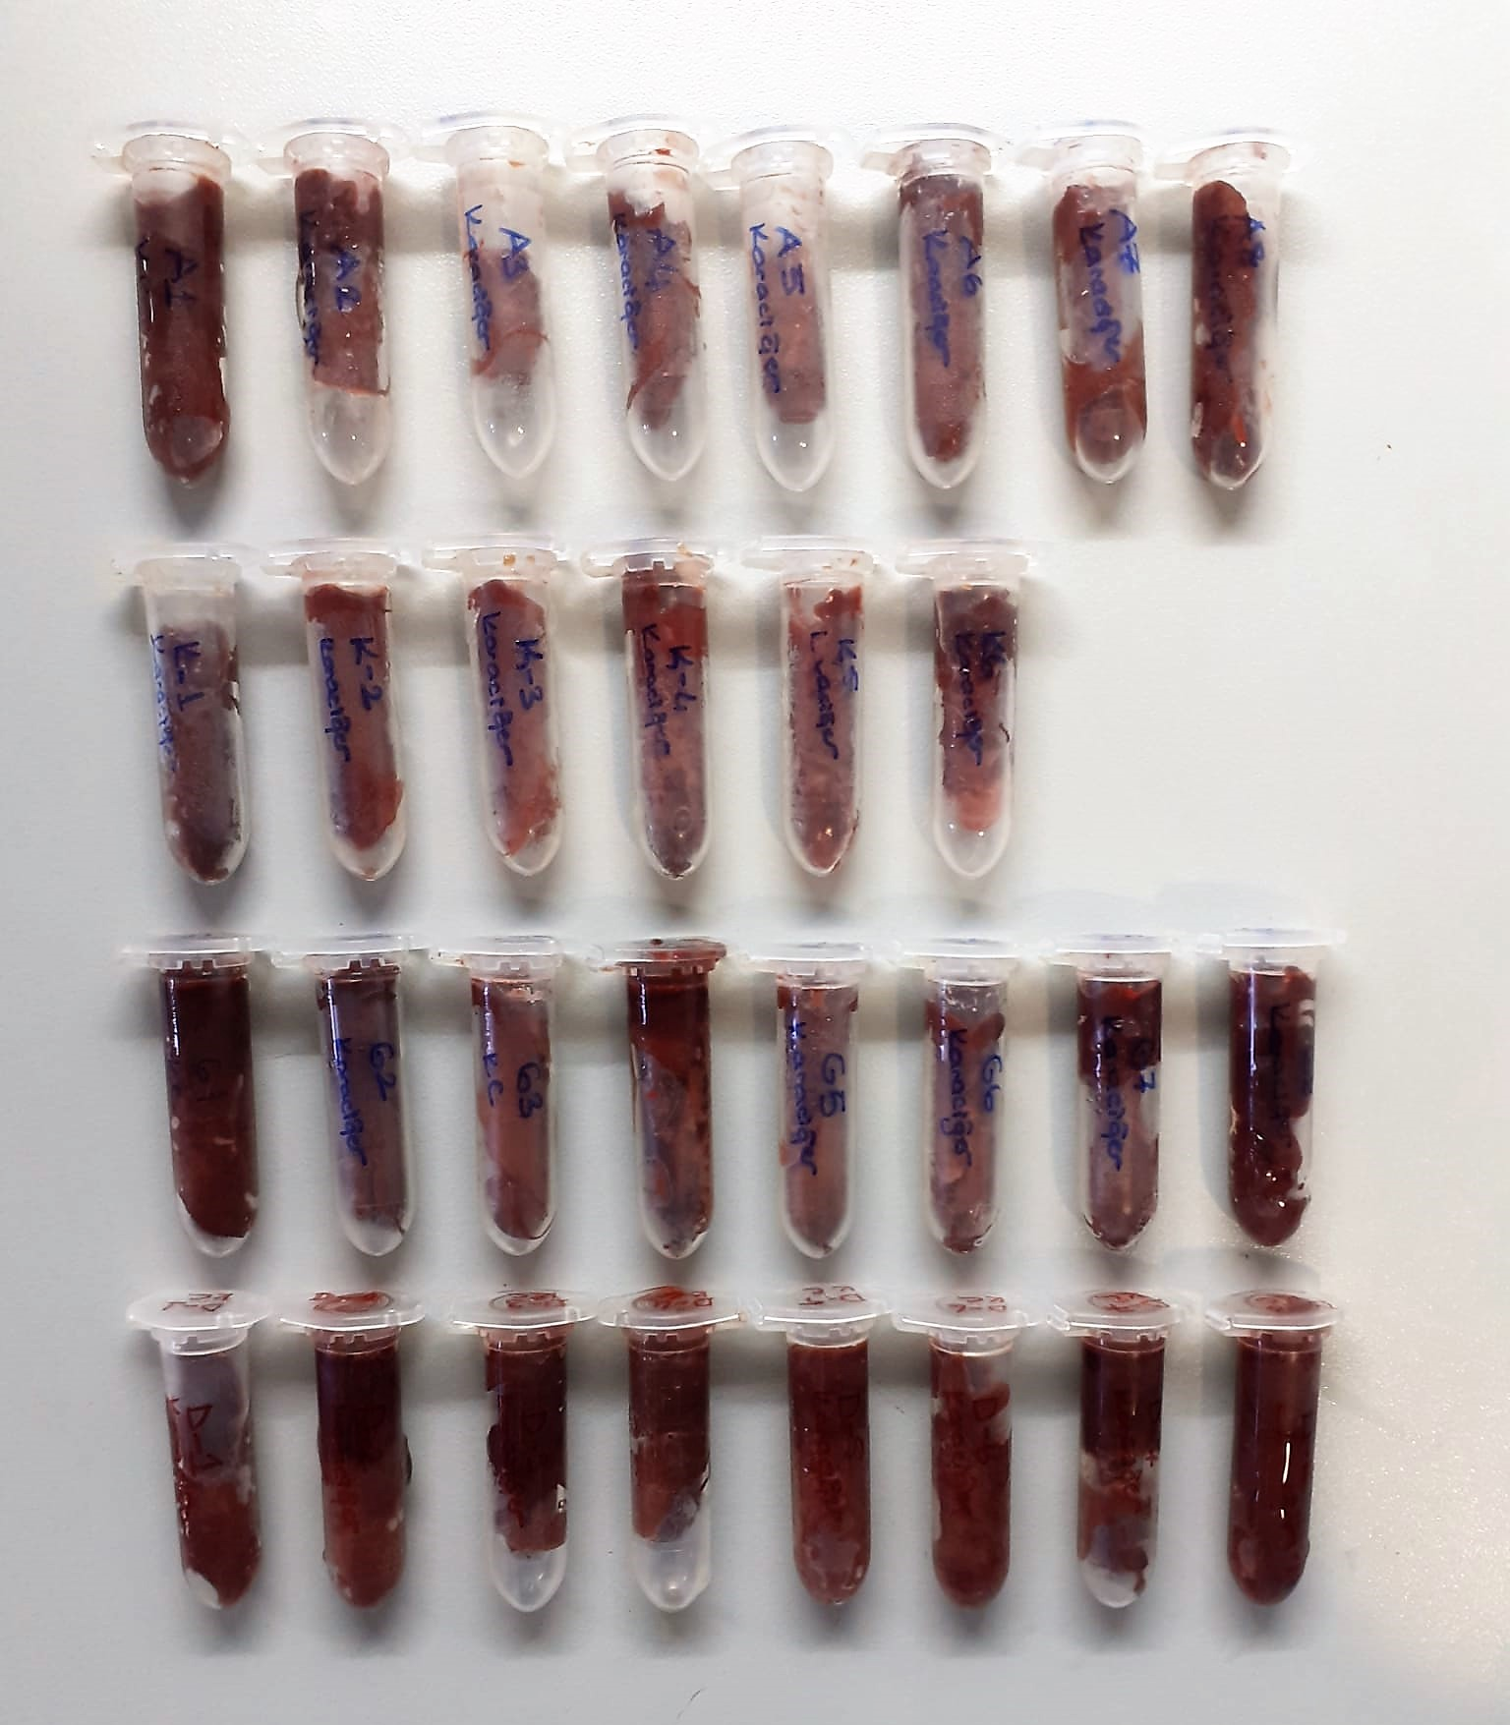

Paraoxonase-1 PON-1) U/L
Measurement of paraoxonase activity;
Paraoxonase activity was measured using
commercially available kits (Relassay, Turkey).
The rate of paraoxon hydrolysis (diethylpnitrophenylphosphate)
was measured by monitoring the increase of
absorption at 412 nm at 37 °C. The amount of generated p-nitrophenol
was calculated from the molar absorption coefficient at pH 8.5, which
was 18.290 M−1 cm−1 Paraoxonase activity was expressed as U/L serum
(Relassay, Turkey)

