Biyokimya-doku
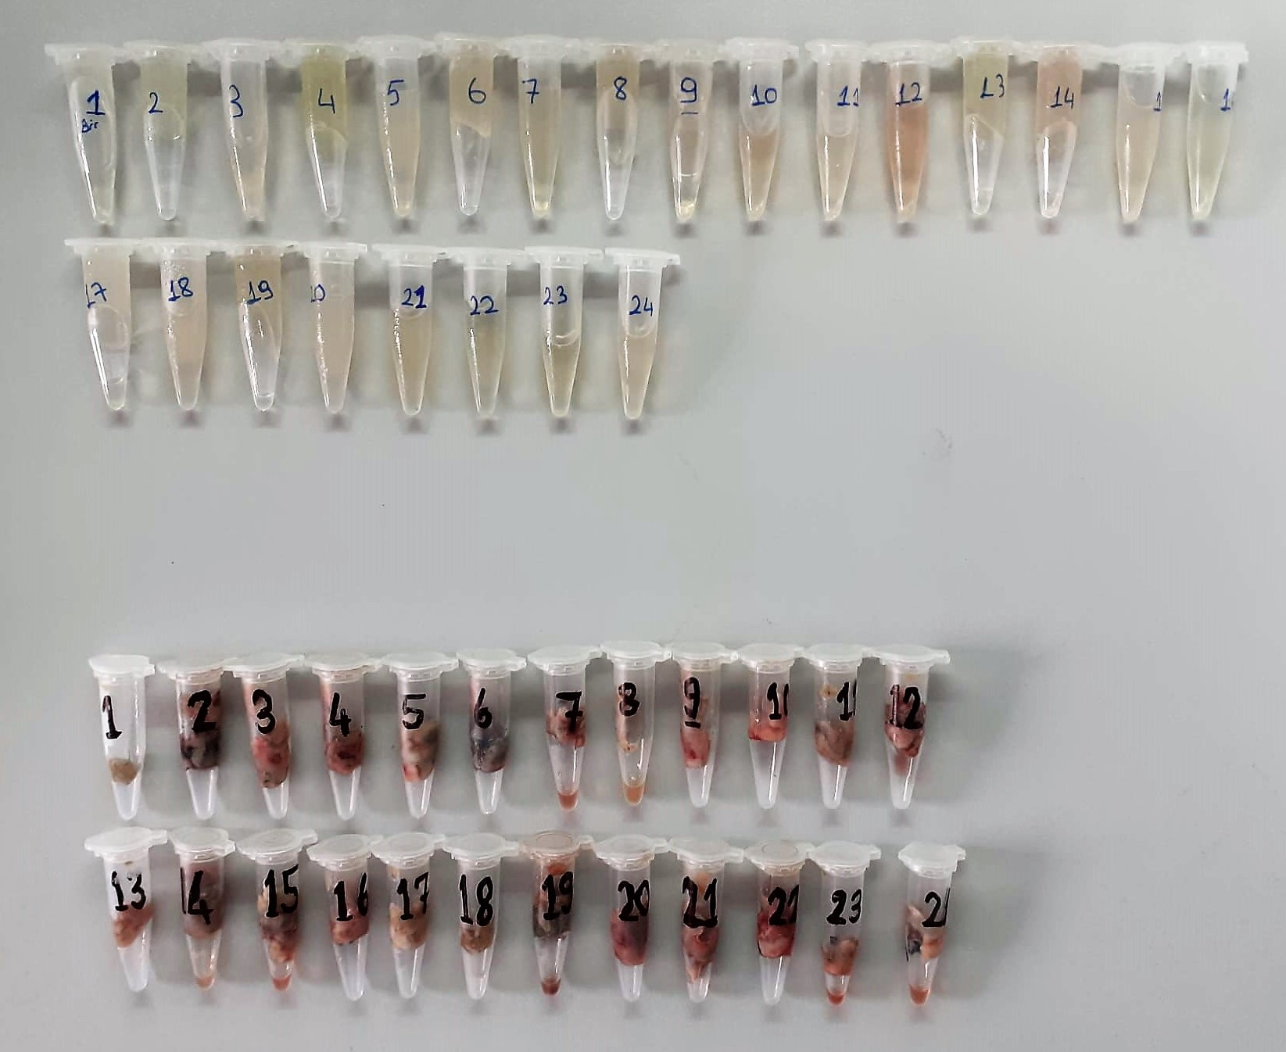
Numune Adı | MPO (U/L) | HYP (ug/ml)
Doku-1 | 185.4 | 2.1
Doku-2 | 99.25 | 2.3
Doku-3 | 306.1 | 1.53
Doku-4 | 139.7 | 0.88
Doku-5 | 198.06 | 1.95
Doku-6 | 260.7 | 1.22
Doku-7 | 76.78 | 1.37
Doku-8 | 160.81 | 1.75
Doku-9 | 277.1 | 1.36
Doku-10 | 253.7 | 1.82
Doku-11 | 218.5 | 2.88
Doku-12 | 246.1 | 2.19
Doku-13 | 124.13 | 2.31
Doku-14 | 355.1 | 2.39
Doku-15 | 113.7 | 1.88
Doku-16 | 256.9 | 1.93
Doku-17 | 216.2 | 0.73
Doku-18 | 276.4 | 1.38
Doku-19 | 170.5 | 1.42
Doku-20 | 312.3 | 0.75
Doku-21 | 372.9 | 1.18
Doku-22 | 223.1 | 1.79
Doku-23 | 327.5 | 2.11
Doku-24 | 335.7 | 1.94

Elabscıence HYP Cat. No: E-BC-K061-S

MDA
MDA
2.481 | 100
1.673 | 50
0.994 | 25
0.513 | 12.5
0.288 | 6.25
0.122 | 3.125
0 | 0
 | absorbans | abs-blank | expected | result
std1 | 2.511 | 2.481 | 100 | 99.11157344
std2 | 1.703 | 1.673 | 50 | 52.40258016
std3 | 1.024 | 0.994 | 25 | 24.29762944
std4 | 0.543 | 0.513 | 12.5 | 10.54810976
std5 | 0.318 | 0.288 | 6.25 | 5.87012576
std6 | 0.152 | 0.122 | 3.125 | 3.13537536
blank | 0.03 | 0 | 0 | 1.5134

 |  |  |  |  | concentratıon (mmol/L)

Numune | absorbans | abs-blank | result
Serum-1 | 0.229 | 0.199 | 4.3282
Serum-2 | 0.137 | 0.107 | 2.9182
Serum-3 | 0.1 | 0.07 | 2.4039
Serum-4 | 0.162 | 0.132 | 3.2829
Serum-5 | 0.219 | 0.189 | 4.1659
Serum-6 | 0.123 | 0.093 | 2.7200
Serum-7 | 0.148 | 0.118 | 3.0770
Serum-8 | 0.154 | 0.124 | 3.1647
Serum-9 | 0.117 | 0.087 | 2.6364
Serum-10 | 0.117 | 0.087 | 2.6364
Serum-11 | 0.17 | 0.14 | 3.4025
Serum-12 | 0.158 | 0.128 | 3.2236
Serum-13 | 0.193 | 0.163 | 3.7542
Serum-14 | 0.133 | 0.103 | 2.8612
Serum-15 | 0.227 | 0.197 | 4.2956
Serum-16 | 0.137 | 0.107 | 2.9182
Serum-17 | 0.22 | 0.19 | 4.1821
Serum-18 | 0.227 | 0.197 | 4.2956
Serum-19 | 0.171 | 0.141 | 3.4176
Serum-20 | 0.316 | 0.286 | 5.8336
Serum-21 | 0.574 | 0.544 | 11.2802
Serum-22 | 0.215 | 0.185 | 4.1016
Serum-23 | 0.192 | 0.162 | 3.7387
Serum-24 | 0.223 | 0.193 | 4.2306
Doku-1 | 0.114 | 0.084 | 2.5949
Doku-2 | 0.405 | 0.375 | 7.5464
Doku-3 | 0.216 | 0.186 | 4.1177
Doku-4 | 0.186 | 0.156 | 3.6460
Doku-5 | 0.297 | 0.267 | 5.4905
Doku-6 | 0.163 | 0.133 | 3.2978
Doku-7 | 0.566 | 0.536 | 11.0893
Doku-8 | 0.578 | 0.548 | 11.3763
Doku-9 | 0.369 | 0.339 | 6.8325
Doku-10 | 0.158 | 0.128 | 3.2236
Doku-11 | 0.124 | 0.094 | 2.7341
Doku-12 | 0.119 | 0.089 | 2.6642
Doku-13 | 0.248 | 0.218 | 4.6427
Doku-14 | 0.133 | 0.103 | 2.8612
Doku-15 | 0.362 | 0.332 | 6.6970
Doku-16 | 0.302 | 0.272 | 5.5800
Doku-17 | 0.44 | 0.41 | 8.2679
Doku-18 | 0.34 | 0.31 | 6.2782
Doku-19 | 0.37 | 0.34 | 6.8519
Doku-20 | 0.256 | 0.226 | 4.7775
Doku-21 | 0.271 | 0.241 | 5.0341
Doku-22 | 0.189 | 0.159 | 3.6922
Doku-23 | 0.122 | 0.092 | 2.7061
Doku-24 | 0.109 | 0.079 | 2.5262

MDA: Relassay Cat.No:RLMD0158

Caspase-3
1.984 | 0.085 | 0.149 | 0.073 | 1.727 | 1.485 | 1.455
1.26 | 0.086 | 0.085 | 0.075 | 1.404 | 0.816 | 1.538
0.762 | 0.106 | 0.142 | 0.087 | 1.13 | 1.4 | 1.693
0.423 | 0.088 | 0.116 | 0.082 | 1.383 | 1.487 | 1.714
0.257 | 0.194 | 0.392 | 0.073 | 1.527 | 0.264 | 0.964
0.158 | 0.107 | 0.124 | 0.131 | 1.393 | 1.731 | 0.563
0.122 | 0.098 | 0.115 | 0.166 | 1.668 | 1.514 | 0.659
0.072 | 0.091 | 0.089 | 0.109 | 1.717 | 1.528 | 1.833

Caspase-3
1.912 | 20
1.188 | 10
0.69 | 5
0.351 | 2.5
0.185 | 1.25
0.086 | 0.63
0.05 | 0.31
 | abs | abs-blank | expected | result
std1 | 1.984 | 1.912 | 20 | 19.962729434
std2 | 1.26 | 1.188 | 10 | 10.111666874
std3 | 0.762 | 0.69 | 5 | 5.00578084
std4 | 0.423 | 0.351 | 2.5 | 2.3087916244
std5 | 0.257 | 0.185 | 1.25 | 1.21820509
std6 | 0.158 | 0.086 | 0.63 | 0.6397943824
std7 | 0.122 | 0.05 | 0.31 | 0.442801
blank | 0.072 | 0 | 0

 |  |  |  |  |  |  | concentratıon (ng/ml)

Numune | absorbans | abs-blank | result
Serum-1 | 0.085 | 0.013 | 0.2477
Serum-2 | 0.086 | 0.014 | 0.2529
Serum-3 | 0.106 | 0.034 | 0.3575
Serum-4 | 0.088 | 0.016 | 0.2633
Serum-5 | 0.194 | 0.122 | 0.8439
Serum-6 | 0.107 | 0.035 | 0.3628
Serum-7 | 0.098 | 0.026 | 0.3154
Serum-8 | 0.091 | 0.019 | 0.2789
Serum-9 | 0.149 | 0.077 | 0.5899
Serum-10 | 0.085 | 0.013 | 0.2477
Serum-11 | 0.142 | 0.07 | 0.5514
Serum-12 | 0.116 | 0.044 | 0.4107
Serum-13 | 0.392 | 0.32 | 2.0936
Serum-14 | 0.124 | 0.052 | 0.4536
Serum-15 | 0.115 | 0.043 | 0.4053
Serum-16 | 0.089 | 0.017 | 0.2685
Serum-17 | 0.073 | 0.001 | 0.1861
Serum-18 | 0.075 | 0.003 | 0.1963
Serum-19 | 0.087 | 0.015 | 0.2581
Serum-20 | 0.082 | 0.01 | 0.2323
Serum-21 | 0.073 | 0.001 | 0.1861
Serum-22 | 0.131 | 0.059 | 0.4914
Serum-23 | 0.166 | 0.094 | 0.6845
Serum-24 | 0.109 | 0.037 | 0.3734
Doku-1 | 1.727 | 1.655 | 16.1365
Doku-2 | 1.404 | 1.332 | 11.8418
Doku-3 | 1.13 | 1.058 | 8.6475
Doku-4 | 1.383 | 1.311 | 11.5824
Doku-5 | 1.527 | 1.455 | 13.4097
Doku-6 | 1.393 | 1.321 | 11.7056
Doku-7 | 1.668 | 1.596 | 15.3093
Doku-8 | 1.717 | 1.645 | 15.9949
Doku-9 | 1.485 | 1.413 | 12.8650
Doku-10 | 0.816 | 0.744 | 5.4936
Doku-11 | 1.4 | 1.328 | 11.7922
Doku-12 | 1.487 | 1.415 | 12.8907
Doku-13 | 0.264 | 0.192 | 1.2611
Doku-14 | 1.731 | 1.659 | 16.1933
Doku-15 | 1.514 | 1.442 | 13.2401
Doku-16 | 1.528 | 1.456 | 13.4228
Doku-17 | 1.455 | 1.383 | 12.4818
Doku-18 | 1.538 | 1.466 | 13.5540
Doku-19 | 1.693 | 1.621 | 15.6575
Doku-20 | 1.714 | 1.642 | 15.9526
Doku-21 | 0.964 | 0.892 | 6.9127
Doku-22 | 0.563 | 0.491 | 3.3461
Doku-23 | 0.659 | 0.587 | 4.1196
Doku-24 | 1.833 | 1.761 | 17.6707

Centrifuge: HETTICH Mıcro 200-R
Microplate Reader: BIO-TEK EL X 800
Auto Strip Washer: BIO-TEK EL X 50
Elabscıence Caspase-3 Cat. No: E-EL-R0160

G-redüktaz
2.11 | 0.223 | 0.177 | 0.153
1.181 | 0.291 | 0.2 | 0.147
0.668 | 0.201 | 0.307 | 0.168
0.403 | 0.466 | 0.186 | 0.17
0.24 | 0.217 | 0.109 | 0.129
0.18 | 0.221 | 0.155 | 0.21
0.137 | 0.211 | 0.109 | 0.158
Glutatyon Redüktaz
2.014 | 1000
1.085 | 500
0.572 | 250
0.307 | 125
0.144 | 62.5
0.084 | 31.25
0.041 | 15.63
0.096 | 0.123 | 0.103 | 0.111

 | abs | abs-blank | expected | result
std1 | 2.11 | 2.014 | 1000 | 1000.3760008
std2 | 1.181 | 1.085 | 500 | 498.41467318
std3 | 0.668 | 0.572 | 250 | 250.03620651
std4 | 0.403 | 0.307 | 125 | 129.76041881
std5 | 0.24 | 0.144 | 62.5 | 58.496282048
std6 | 0.18 | 0.084 | 31.25 | 32.785141808
std7 | 0.137 | 0.041 | 15.63 | 14.531303183
blank | 0.096 | 0 | 0

 |  |  |  |  | concentratıon (pg/ml)

Numune | absorbans | abs-blank | result
Serum-1 | 0.223 | 0.127 | 51.1830
Serum-2 | 0.291 | 0.195 | 80.5712
Serum-3 | 0.201 | 0.105 | 41.7521
Serum-4 | 0.466 | 0.37 | 157.8587
Serum-5 | 0.217 | 0.121 | 48.6072
Serum-6 | 0.221 | 0.125 | 50.3241
Serum-7 | 0.211 | 0.115 | 46.0342
Serum-8 | 0.123 | 0.027 | 8.6193
Serum-9 | 0.177 | 0.081 | 31.5069
Serum-10 | 0.2 | 0.104 | 41.3244
Serum-11 | 0.307 | 0.211 | 87.5384
Serum-12 | 0.186 | 0.09 | 35.3436
Serum-13 | 0.109 | 0.013 | 2.7225
Serum-14 | 0.155 | 0.059 | 22.1549
Serum-15 | 0.109 | 0.013 | 2.7225
Serum-16 | 0.103 | 0.007 | 0.2000
Serum-17 | 0.153 | 0.057 | 21.3066
Serum-18 | 0.147 | 0.051 | 18.7635
Serum-19 | 0.168 | 0.072 | 27.6766
Serum-20 | 0.17 | 0.074 | 28.5272
Serum-21 | 0.129 | 0.033 | 11.1511
Serum-22 | 0.21 | 0.114 | 45.6057
Serum-23 | 0.158 | 0.062 | 23.4280
Serum-24 | 0.111 | 0.015 | 3.5640

Centrifuge: HETTICH Mıcro 200-R
Microplate Reader: BIO-TEK EL X 800
Auto Strip Washer: BIO-TEK EL X 50
Elabscıence G-Redüktaz Cat. No: E-EL-R1127

TNF-A
1.625 | 0.211 | 0.211 | 0.192
0.815 | 0.185 | 0.207 | 0.188
0.474 | 0.167 | 0.192 | 0.182
0.254 | 0.144 | 0.197 | 0.182
0.149 | 0.174 | 0.231 | 0.237
0.064 | 0.155 | 0.276 | 0.219
0.144 | 0.168 | 0.137
0.156 | 0.146 | 0.2

TNFA
1.561 | 640
0.751 | 320
0.41 | 160
0.19 | 80
0.085 | 40
0 | 0
 | abs | abs-blank | expected | result
std1 | 1.625 | 1.561 | 640 | 641.03832018
std2 | 0.815 | 0.751 | 320 | 312.22893093
std3 | 0.474 | 0.41 | 160 | 171.34225913
std4 | 0.254 | 0.19 | 80 | 79.67345553
std5 | 0.149 | 0.085 | 40 | 35.708379742
blank | 0.064 | 0 | 0 | 0.0163

 |  |  |  |  | concentratıon (ng/L)

Numune | absorbans | abs-blank | result
Serum-1 | 0.144 | 0.08 | 33.6114
Serum-2 | 0.156 | 0.092 | 38.6437
Serum-3 | 0.211 | 0.147 | 61.6854
Serum-4 | 0.185 | 0.121 | 50.7977
Serum-5 | 0.167 | 0.103 | 43.2551
Serum-6 | 0.144 | 0.08 | 33.6114
Serum-7 | 0.174 | 0.11 | 46.1888
Serum-8 | 0.155 | 0.091 | 38.2244
Serum-9 | 0.168 | 0.104 | 43.6742
Serum-10 | 0.146 | 0.082 | 34.4502
Serum-11 | 0.211 | 0.147 | 61.6854
Serum-12 | 0.207 | 0.143 | 60.0109
Serum-13 | 0.192 | 0.128 | 53.7298
Serum-14 | 0.197 | 0.133 | 55.8239
Serum-15 | 0.231 | 0.167 | 70.0548
Serum-16 | 0.276 | 0.212 | 88.8677
Serum-17 | 0.137 | 0.073 | 30.6750
Serum-18 | 0.2 | 0.136 | 57.0801
Serum-19 | 0.192 | 0.128 | 53.7298
Serum-20 | 0.188 | 0.124 | 52.0544
Serum-21 | 0.182 | 0.118 | 49.5409
Serum-22 | 0.182 | 0.118 | 49.5409
Serum-23 | 0.237 | 0.173 | 72.5647
Serum-24 | 0.219 | 0.155 | 65.0338

Centrifuge: HETTICH Mıcro 200-R
Microplate Reader: BIO-TEK EL X 800
Auto Strip Washer: BIO-TEK EL X 50
BT - TNFA Cat. No: E0764Ra

IL-6
1.915 | 0.142 | 0.148 | 0.137
1.019 | 0.154 | 0.163 | 0.222
0.549 | 0.136 | 0.166 | 0.166
0.239 | 0.138 | 0.129 | 0.15
0.171 | 0.12 | 0.155 | 0.164
IL-6
1.864 | 24
0.968 | 12
0.498 | 6
0.188 | 3
0.12 | 1.5
0 | 0
0.051 | 0.116 | 0.148 | 0.173
0.156 | 0.156 | 0.136
0.151 | 0.133 | 0.136

 | abs | abs-blank | expected | result
std1 | 1.915 | 1.864 | 24 | 23.982099219
std2 | 1.019 | 0.968 | 12 | 12.040205485
std3 | 0.549 | 0.498 | 6 | 6.1661980308
std4 | 0.239 | 0.188 | 3 | 2.4387945488
std5 | 0.171 | 0.12 | 1.5 | 1.63679088
blank | 0.051 | 0 | 0 | 0.2352

 |  |  |  |  | concentratıon (ng/L)

Numune | absorbans | abs-blank | result
Serum-1 | 0.156 | 0.105 | 1.4606
Serum-2 | 0.151 | 0.1 | 1.4020
Serum-3 | 0.142 | 0.091 | 1.2965
Serum-4 | 0.154 | 0.103 | 1.4372
Serum-5 | 0.136 | 0.085 | 1.2262
Serum-6 | 0.138 | 0.087 | 1.2496
Serum-7 | 0.12 | 0.069 | 1.0390
Serum-8 | 0.116 | 0.065 | 0.9922
Serum-9 | 0.156 | 0.105 | 1.4606
Serum-10 | 0.133 | 0.082 | 1.1911
Serum-11 | 0.148 | 0.097 | 1.3668
Serum-12 | 0.163 | 0.112 | 1.5428
Serum-13 | 0.166 | 0.115 | 1.5780
Serum-14 | 0.129 | 0.078 | 1.1442
Serum-15 | 0.155 | 0.104 | 1.4489
Serum-16 | 0.148 | 0.097 | 1.3668
Serum-17 | 0.136 | 0.085 | 1.2262
Serum-18 | 0.136 | 0.085 | 1.2262
Serum-19 | 0.137 | 0.086 | 1.2379
Serum-20 | 0.222 | 0.171 | 2.2378
Serum-21 | 0.166 | 0.115 | 1.5780
Serum-22 | 0.15 | 0.099 | 1.3902
Serum-23 | 0.164 | 0.113 | 1.5546
Serum-24 | 0.173 | 0.122 | 1.6603

Centrifuge: HETTICH Mıcro 200-R
Microplate Reader: BIO-TEK EL X 800
Auto Strip Washer: BIO-TEK EL X 50
BT - IL-6 Cat. No: E0135Ra

