FNDC5-1.PLATE
2.687 | 0.254 | 0.243 | 0.292 | 0.547 | 0.259 | 0.413 | 0.27 | 0.287 | 0.267 | 0.308 | 0.246
1.629 | 0.27 | 0.242 | 0.302 | 0.267 | 0.246 | 0.42 | 0.25 | 0.305 | 0.289 | 0.337 | 0.255
0.873 | 0.338 | 0.293 | 0.315 | 0.358 | 0.362 | 0.128 | 0.39 | 0.364 | 0.323 | 0.382 | 0.436
0.532 | 0.305 | 0.278 | 0.288 | 0.261 | 0.349 | 0.101 | 0.337 | 0.35 | 0.305 | 0.306 | 0.4
0.327 | 0.253 | 0.286 | 0.263 | 0.369 | 0.235 | 0.223 | 0.266 | 0.27 | 0.238 | 0.22 | 0.29
0.182 | 0.317 | 0.6 | 0.272 | 0.402 | 0.244 | 0.213 | 0.278 | 0.277 | 0.244 | 0.239 | 0.275
0.119 | 0.274 | 0.266 | 0.248 | 0.274 | 0.349 | 0.327 | 0.409 | 0.354 | 0.399 | 0.303 | 0.345
0.059 | 0.255 | 0.343 | 0.721 | 0.249 | 0.33 | 0.369 | 0.406 | 0.361 | 0.398 | 0.316 | 0.345

FNDC5
 | abs | abs-blank | expected | result
std1 | 2.687 | 2.628 | 4000 | 3990.28
std2 | 1.629 | 1.57 | 2000 | 2043.47
std3 | 0.873 | 0.814 | 1000 | 933.42
std4 | 0.532 | 0.473 | 500 | 509.39
std5 | 0.327 | 0.268 | 250 | 277.41
std6 | 0.182 | 0.123 | 125 | 123.73
std7 | 0.119 | 0.06 | 62.5 | 59.65
blank | 0.059 | 0 | 0 | 0.12

 |  |  |  |  |  |  |  | concentratıon (pg/ml)

Numune | absorbans | blank | abs-blank | result(pg/ml)
DOKU
DM-Y4/1-EDL | 0.254 | 0.059 | 0.195 | 198.97
DM-Y4/1-EDL | 0.27 | 0.059 | 0.211 | 215.97
DM-Y4/1-SOL | 0.338 | 0.059 | 0.279 | 289.42
DM-Y4/1-SOL | 0.305 | 0.059 | 0.246 | 253.54
DM-Y4/2-EDL | 0.253 | 0.059 | 0.194 | 197.91
DM-Y4/2-EDL | 0.317 | 0.059 | 0.258 | 266.54
DM-Y4/2-SOL | 0.274 | 0.059 | 0.215 | 220.24
DM-Y4/2-SOL | 0.255 | 0.059 | 0.196 | 200.03
DM-Y3/1-EDL | 0.243 | 0.059 | 0.184 | 187.33
DM-Y3/1-EDL | 0.242 | 0.059 | 0.183 | 186.28
DM-Y3/1-SOL | 0.293 | 0.059 | 0.234 | 240.61
DM-Y3/1-SOL | 0.278 | 0.059 | 0.219 | 224.52
DM-Y3/2-EDL | 0.286 | 0.059 | 0.227 | 233.09
DM-Y3/2-EDL | 0.6 | 0.059 | 0.541 | 590.15
DM-Y3/2-SOL | 0.266 | 0.059 | 0.207 | 211.71
DM-Y3/2-SOL | 0.343 | 0.059 | 0.284 | 294.90
DM-4/1-EDL | 0.292 | 0.059 | 0.233 | 239.53
DM-4/1-EDL | 0.302 | 0.059 | 0.243 | 250.30
DM-4/1-SOL | 0.315 | 0.059 | 0.256 | 264.37
DM-4/1-SOL | 0.288 | 0.059 | 0.229 | 235.23
DM-4/2-EDL | 0.263 | 0.059 | 0.204 | 208.52
DM-4/2-EDL | 0.272 | 0.059 | 0.213 | 218.11
DM-4/2-SOL | 0.248 | 0.059 | 0.189 | 192.62
DM-4/2-SOL | 0.721 | 0.059 | 0.662 | 738.53
DM-4/3-EDL | 0.547 | 0.059 | 0.488 | 527.04
DM-4/3-EDL | 0.267 | 0.059 | 0.208 | 212.78
DM-4/3-SOL | 0.358 | 0.059 | 0.299 | 311.39
DM-4/3-SOL | 0.261 | 0.059 | 0.202 | 206.39
EX-1/2-EDL | 0.369 | 0.059 | 0.31 | 323.54
EX-1/2-EDL | 0.402 | 0.059 | 0.343 | 360.29
EX-1/2-SOL | 0.274 | 0.059 | 0.215 | 220.24
EX-1/2-SOL | 0.249 | 0.059 | 0.19 | 193.67
EX-Y7/2-EDL | 0.259 | 0.059 | 0.2 | 204.27
EX-Y7/2-EDL | 0.246 | 0.059 | 0.187 | 190.50
EX-Y7/2-SOL | 0.362 | 0.059 | 0.303 | 315.80
EX-Y7/2-SOL | 0.349 | 0.059 | 0.29 | 301.48
EX-Y8/1-EDL | 0.235 | 0.059 | 0.176 | 178.91
EX-Y8/1-EDL | 0.244 | 0.059 | 0.185 | 188.39
EX-Y8/1-SOL | 0.349 | 0.059 | 0.29 | 301.48
EX-Y8/1-SOL | 0.33 | 0.059 | 0.271 | 280.68
EX-Y7/3-EDL | 0.413 | 0.059 | 0.354 | 372.63
EX-Y7/3-EDL | 0.42 | 0.059 | 0.361 | 380.52
EX-Y7/3-SOL | 0.128 | 0.059 | 0.069 | 68.70
EX-Y7/3-SOL | 0.101 | 0.059 | 0.042 | 41.63
EX-2/3-EDL | 0.223 | 0.059 | 0.164 | 166.31
EX-2/3-EDL | 0.213 | 0.059 | 0.154 | 155.86
EX-2/3-SOL | 0.327 | 0.059 | 0.268 | 277.41
EX-2/3-SOL | 0.369 | 0.059 | 0.31 | 323.54
EX-3/3-EDL | 0.27 | 0.059 | 0.211 | 215.97
EX-3/3-EDL | 0.25 | 0.059 | 0.191 | 194.73
EX-3/3-SOL | 0.39 | 0.059 | 0.331 | 346.87
EX-3/3-SOL | 0.337 | 0.059 | 0.278 | 288.33
EX-4/3-EDL | 0.266 | 0.059 | 0.207 | 211.71
EX-4/3-EDL | 0.278 | 0.059 | 0.219 | 224.52
EX-4/3-SOL | 0.409 | 0.059 | 0.35 | 368.14
EX-4/3-SOL | 0.406 | 0.059 | 0.347 | 364.77
DMEX-Y5/2-EDL | 0.287 | 0.059 | 0.228 | 234.16
DMEX-Y5/2-EDL | 0.305 | 0.059 | 0.246 | 253.54
DMEX-Y5/2-SOL | 0.364 | 0.059 | 0.305 | 318.01
DMEX-Y5/2-SOL | 0.35 | 0.059 | 0.291 | 302.58
DMEX-4/2-EDL | 0.27 | 0.059 | 0.211 | 215.97
DMEX-4/2-EDL | 0.277 | 0.059 | 0.218 | 223.45
DMEX-4/2-SOL | 0.354 | 0.059 | 0.295 | 306.98
DMEX-4/2-SOL | 0.361 | 0.059 | 0.302 | 314.70
DMEX-6/1-EDL | 0.267 | 0.059 | 0.208 | 212.78
DMEX-6/1-EDL | 0.289 | 0.059 | 0.23 | 236.31
DMEX-6/1-SOL | 0.323 | 0.059 | 0.264 | 273.06
DMEX-6/1-SOL | 0.305 | 0.059 | 0.246 | 253.54
DMEX-6/2-EDL | 0.238 | 0.059 | 0.179 | 182.06
DMEX-6/2-EDL | 0.244 | 0.059 | 0.185 | 188.39
DMEX-6/2-SOL | 0.399 | 0.059 | 0.34 | 356.93
DMEX-6/2-SOL | 0.398 | 0.059 | 0.339 | 355.81
DMEX-8/2-EDL | 0.308 | 0.059 | 0.249 | 256.79
DMEX-8/2-EDL | 0.337 | 0.059 | 0.278 | 288.33
DMEX-8/2-SOL | 0.382 | 0.059 | 0.323 | 337.96
DMEX-8/2-SOL | 0.306 | 0.059 | 0.247 | 254.62
DMEX-8/3-EDL | 0.22 | 0.059 | 0.161 | 163.17
DMEX-8/3-EDL | 0.239 | 0.059 | 0.18 | 183.12
DMEX-8/3-SOL | 0.303 | 0.059 | 0.244 | 251.38
DMEX-8/3-SOL | 0.316 | 0.059 | 0.257 | 265.45
DMEX-9/1-EDL | 0.246 | 0.059 | 0.187 | 190.50
DMEX-9/1-EDL | 0.255 | 0.059 | 0.196 | 200.03
DMEX-9/1-SOL | 0.436 | 0.059 | 0.377 | 398.61
DMEX-9/1-SOL | 0.4 | 0.059 | 0.341 | 358.05
K-1/2-EDL | 0.29 | 0.059 | 0.231 | 237.38
K-1/2-EDL | 0.275 | 0.059 | 0.216 | 221.31
K-1/2-SOL | 0.345 | 0.059 | 0.286 | 297.09
K-1/2-SOL | 0.345 | 0.059 | 0.286 | 297.09

FNDC5-2.PLATE
2.652 | 0.268 | 0.235 | 0.256 | 0.422 | 0.45 | 0.451 | 0.346 | 0.366 | 0.499 | 0.443
1.576 | 0.288 | 0.232 | 0.246 | 0.44 | 0.446 | 0.499 | 0.454 | 0.384 | 0.56 | 0.517
0.807 | 0.307 | 0.299 | 0.339 | 0.547 | 0.535 | 0.499 | 0.479 | 0.47 | 0.484 | 0.616
0.463 | 0.296 | 0.288 | 0.304 | 0.464 | 0.516 | 0.436 | 0.433 | 0.441 | 0.474 | 0.51
0.279 | 0.32 | 0.23 | 0.232 | 0.406 | 0.669 | 0.392 | 0.39 | 0.418 | 0.447 | 0.467
0.175 | 0.28 | 0.243 | 0.22 | 0.452 | 0.686 | 0.445 | 0.477 | 0.449 | 0.49 | 0.408
0.133 | 0.322 | 0.266 | 0.275 | 0.444 | 0.611 | 0.382 | 0.455 | 0.467 | 0.519 | 0.495
0.055 | 0.464 | 0.262 | 0.24 | 0.425 | 0.467 | 0.437 | 0.446 | 0.464 | 0.468 | 0.483

FNDC5

 | abs | abs-blank | expected | result
std1 | 2.652 | 2.597 | 4000 | 3983.89
std2 | 1.576 | 1.521 | 2000 | 2065.59
std3 | 0.807 | 0.752 | 1000 | 926.79
std4 | 0.463 | 0.408 | 500 | 480.03
std5 | 0.279 | 0.224 | 250 | 256.96
std6 | 0.175 | 0.12 | 125 | 135.78
std7 | 0.133 | 0.078 | 62.5 | 87.85
blank | 0.055 | 0 | 0 | 0.36

 |  |  |  |  |  |  |  |  | concentratıon (pg/ml)

Numune | absorbans | blank | abs-blank | result(pg/ml)
DOKU
K-Y1/1-EDL | 0.268 | 0.055 | 0.213 | 243.98
K-Y1/1-EDL | 0.288 | 0.055 | 0.233 | 267.61
K-Y1/1-SOL | 0.307 | 0.055 | 0.252 | 290.19
K-Y1/1-SOL | 0.296 | 0.055 | 0.241 | 277.11
K-Y2/1-EDL | 0.32 | 0.055 | 0.265 | 305.71
K-Y2/1-EDL | 0.28 | 0.055 | 0.225 | 258.14
K-Y2/1-SOL | 0.322 | 0.055 | 0.267 | 308.10
K-Y2/1-SOL | 0.464 | 0.055 | 0.409 | 481.27
K-Y2/2-EDL | 0.235 | 0.055 | 0.18 | 205.26
K-Y2/2-EDL | 0.232 | 0.055 | 0.177 | 201.76
K-Y2/2-SOL | 0.299 | 0.055 | 0.244 | 280.67
K-Y2/2-SOL | 0.288 | 0.055 | 0.233 | 267.61
K-Y3/1-EDL | 0.23 | 0.055 | 0.175 | 199.43
K-Y3/1-EDL | 0.243 | 0.055 | 0.188 | 214.61
K-Y3/1-SOL | 0.266 | 0.055 | 0.211 | 241.62
K-Y3/1-SOL | 0.262 | 0.055 | 0.207 | 236.91
K-Y3/2-EDL | 0.256 | 0.055 | 0.201 | 229.86
K-Y3/2-EDL | 0.246 | 0.055 | 0.191 | 218.13
K-Y3/2-SOL | 0.339 | 0.055 | 0.284 | 328.48
K-Y3/2-SOL | 0.304 | 0.055 | 0.249 | 286.62
K-Y3/3-EDL | 0.232 | 0.055 | 0.177 | 201.76
K-Y3/3-EDL | 0.22 | 0.055 | 0.165 | 187.78
K-Y3/3-SOL | 0.275 | 0.055 | 0.22 | 252.23
K-Y3/3-SOL | 0.24 | 0.055 | 0.185 | 211.10
PLAZMA
DM-Y3/1 | 0.422 | 0.055 | 0.367 | 429.36
DM-Y3/1 | 0.44 | 0.055 | 0.385 | 451.54
DM-Y3/2 | 0.547 | 0.055 | 0.492 | 585.55
DM-Y3/2 | 0.464 | 0.055 | 0.409 | 481.27
DM-Y4/1 | 0.406 | 0.055 | 0.351 | 409.74
DM-Y4/1 | 0.452 | 0.055 | 0.397 | 466.38
DM-Y4/2 | 0.444 | 0.055 | 0.389 | 456.48
DM-Y4/2 | 0.425 | 0.055 | 0.37 | 433.05
DM-Y4/3 | 0.45 | 0.055 | 0.395 | 463.90
DM-Y4/3 | 0.446 | 0.055 | 0.391 | 458.95
EX-1/2 | 0.535 | 0.055 | 0.48 | 570.33
EX-1/2 | 0.516 | 0.055 | 0.461 | 546.34
EX-2/3 | 0.669 | 0.055 | 0.614 | 742.92
EX-2/3 | 0.686 | 0.055 | 0.631 | 765.23
EX-3/3 | 0.611 | 0.055 | 0.556 | 667.49
EX-3/3 | 0.467 | 0.055 | 0.412 | 485.00
EX-4/3 | 0.451 | 0.055 | 0.396 | 465.14
EX-4/3 | 0.499 | 0.055 | 0.444 | 524.97
EX-7/1 | 0.499 | 0.055 | 0.444 | 524.97
EX-7/1 | 0.436 | 0.055 | 0.381 | 446.60
EX-7/2 | 0.392 | 0.055 | 0.337 | 392.64
EX-7/2 | 0.445 | 0.055 | 0.39 | 457.72
EX-7/3 | 0.382 | 0.055 | 0.327 | 380.47
EX-7/3 | 0.437 | 0.055 | 0.382 | 447.84
EX-8/1 | 0.346 | 0.055 | 0.291 | 336.90
EX-8/1 | 0.454 | 0.055 | 0.399 | 468.86
DMEX-4/2 | 0.479 | 0.055 | 0.424 | 499.95
DMEX-4/2 | 0.433 | 0.055 | 0.378 | 442.90
DMEX-Y5/2 | 0.39 | 0.055 | 0.335 | 390.20
DMEX-Y5/2 | 0.477 | 0.055 | 0.422 | 497.46
DMEX-6/1 | 0.455 | 0.055 | 0.4 | 470.10
DMEX-6/1 | 0.446 | 0.055 | 0.391 | 458.95
DMEX-6/2 | 0.366 | 0.055 | 0.311 | 361.05
DMEX-6/2 | 0.384 | 0.055 | 0.329 | 382.90
DMEX-8/2 | 0.47 | 0.055 | 0.415 | 488.73
DMEX-8/2 | 0.441 | 0.055 | 0.386 | 452.77
DMEX-8/3 | 0.418 | 0.055 | 0.363 | 424.45
DMEX-8/3 | 0.449 | 0.055 | 0.394 | 462.67
DMEX-9/1 | 0.467 | 0.055 | 0.412 | 485.00
DMEX-9/1 | 0.464 | 0.055 | 0.409 | 481.27
K-Y1/1 | 0.499 | 0.055 | 0.444 | 524.97
K-Y1/1 | 0.56 | 0.055 | 0.505 | 602.09
K-Y1/2 | 0.484 | 0.055 | 0.429 | 506.19
K-Y1/2 | 0.474 | 0.055 | 0.419 | 493.72
K-Y2/1 | 0.447 | 0.055 | 0.392 | 460.19
K-Y2/1 | 0.49 | 0.055 | 0.435 | 513.69
K-Y2/2 | 0.519 | 0.055 | 0.464 | 550.12
K-Y2/2 | 0.468 | 0.055 | 0.413 | 486.25
K-1/2 | 0.443 | 0.055 | 0.388 | 455.25
K-1/2 | 0.517 | 0.055 | 0.462 | 547.60
K-3/1 | 0.616 | 0.055 | 0.561 | 673.95
K-3/1 | 0.51 | 0.055 | 0.455 | 538.78
K-3/2 | 0.467 | 0.055 | 0.412 | 485.00
K-3/2 | 0.408 | 0.055 | 0.353 | 412.19
K-3/3 | 0.495 | 0.055 | 0.44 | 519.95
K-3/3 | 0.483 | 0.055 | 0.428 | 504.94

IL-6-1.PLATE
2.635 | 1.39 | 0.572 | 0.827 | 0.962 | 0.483 | 0.772 | 0.441 | 0.699 | 0.519 | 0.439 | 0.532
1.703 | 1.292 | 0.534 | 0.766 | 0.868 | 0.488 | 0.719 | 0.41 | 1.662 | 0.475 | 0.381 | 0.491
1.136 | 1.782 | 1.629 | 1.624 | 1.494 | 1.542 | 1.71 | 1.401 | 1.314 | 1.791 | 1.512 | 1.679
0.806 | 1.777 | 1.565 | 1.654 | 1.423 | 1.776 | 1.713 | 1.448 | 1.263 | 1.904 | 1.521 | 1.616
0.474 | 0.909 | 0.708 | 0.562 | 2.016 | 0.595 | 0.275 | 0.279 | 0.746 | 0.423 | 0.715 | 0.284
0.259 | 0.892 | 0.663 | 0.52 | 1.933 | 0.402 | 0.244 | 0.269 | 0.656 | 0.711 | 0.687 | 0.274
0.169 | 1.449 | 1.184 | 1.458 | 0.361 | 1.65 | 1.477 | 1.627 | 1.177 | 0.909 | 1.781 | 1.401
0.089 | 1.332 | 1.174 | 1.568 | 0.325 | 1.5 | 1.238 | 1.749 | 1.175 | 1.226 | 1.506 | 1.26

IL-6
 | abs | abs-blank | expected | result
std1 | 2.635 | 2.546 | 800 | 805.43
std2 | 1.703 | 1.614 | 400 | 385.96
std3 | 1.136 | 1.047 | 200 | 201.28
std4 | 0.806 | 0.717 | 100 | 118.36
std5 | 0.474 | 0.385 | 50 | 53.16
std6 | 0.259 | 0.17 | 25 | 20.69
std7 | 0.169 | 0.08 | 12.5 | 9.38
blank | 0.089 | 0 | 0 | 0.45

 |  |  |  |  |  |  |  |  | concentratıon (pg/ml)

Numune | absorbans | blank | abs-blank | result(pg/ml)
DOKU
DM-Y4/1-EDL | 1.39 | 0.089 | 1.301 | 277.42
DM-Y4/1-EDL | 1.292 | 0.089 | 1.203 | 246.78
DM-Y4/1-SOL | 1.782 | 0.089 | 1.693 | 415.93
DM-Y4/1-SOL | 1.777 | 0.089 | 1.688 | 414.00
DM-Y4/2-EDL | 0.909 | 0.089 | 0.82 | 142.30
DM-Y4/2-EDL | 0.892 | 0.089 | 0.803 | 138.23
DM-Y4/2-SOL | 1.449 | 0.089 | 1.36 | 296.64
DM-Y4/2-SOL | 1.332 | 0.089 | 1.243 | 259.09
DM-Y3/1-EDL | 0.572 | 0.089 | 0.483 | 70.50
DM-Y3/1-EDL | 0.534 | 0.089 | 0.445 | 63.59
DM-Y3/1-SOL | 1.629 | 0.089 | 1.54 | 358.84
DM-Y3/1-SOL | 1.565 | 0.089 | 1.476 | 336.10
DM-Y3/2-EDL | 0.708 | 0.089 | 0.619 | 97.21
DM-Y3/2-EDL | 0.663 | 0.089 | 0.574 | 88.03
DM-Y3/2-SOL | 1.184 | 0.089 | 1.095 | 214.85
DM-Y3/2-SOL | 1.174 | 0.089 | 1.085 | 211.99
DM-4/1-EDL | 0.827 | 0.089 | 0.738 | 123.09
DM-4/1-EDL | 0.766 | 0.089 | 0.677 | 109.53
DM-4/1-SOL | 1.624 | 0.089 | 1.535 | 357.03
DM-4/1-SOL | 1.654 | 0.089 | 1.565 | 367.90
DM-4/2-EDL | 0.562 | 0.089 | 0.473 | 68.66
DM-4/2-EDL | 0.52 | 0.089 | 0.431 | 61.10
DM-4/2-SOL | 1.458 | 0.089 | 1.369 | 299.62
DM-4/2-SOL | 1.568 | 0.089 | 1.479 | 337.15
DM-4/3-EDL | 0.962 | 0.089 | 0.873 | 155.31
DM-4/3-EDL | 0.868 | 0.089 | 0.779 | 132.56
DM-4/3-SOL | 1.494 | 0.089 | 1.405 | 311.68
DM-4/3-SOL | 1.423 | 0.089 | 1.334 | 288.10
EX-1/2-EDL | 2.016 | 0.089 | 1.927 | 510.76
EX-1/2-EDL | 1.933 | 0.089 | 1.844 | 476.09
EX-1/2-SOL | 0.361 | 0.089 | 0.272 | 35.14
EX-1/2-SOL | 0.325 | 0.089 | 0.236 | 29.84
EX-Y7/2-EDL | 0.483 | 0.089 | 0.394 | 54.68
EX-Y7/2-EDL | 0.488 | 0.089 | 0.399 | 55.54
EX-Y7/2-SOL | 1.542 | 0.089 | 1.453 | 328.10
EX-Y7/2-SOL | 1.776 | 0.089 | 1.687 | 413.62
EX-Y8/1-EDL | 0.595 | 0.089 | 0.506 | 74.80
EX-Y8/1-EDL | 0.402 | 0.089 | 0.313 | 41.43
EX-Y8/1-SOL | 1.65 | 0.089 | 1.561 | 366.44
EX-Y8/1-SOL | 1.5 | 0.089 | 1.411 | 313.71
EX-Y7/3-EDL | 0.772 | 0.089 | 0.683 | 110.84
EX-Y7/3-EDL | 0.719 | 0.089 | 0.63 | 99.50
EX-Y7/3-SOL | 1.71 | 0.089 | 1.621 | 388.58
EX-Y7/3-SOL | 1.713 | 0.089 | 1.624 | 389.70
EX-2/3-EDL | 0.275 | 0.089 | 0.186 | 22.84
EX-2/3-EDL | 0.244 | 0.089 | 0.155 | 18.71
EX-2/3-SOL | 1.477 | 0.089 | 1.388 | 305.96
EX-2/3-SOL | 1.238 | 0.089 | 1.149 | 230.57
EX-3/3-EDL | 0.441 | 0.089 | 0.352 | 47.68
EX-3/3-EDL | 0.41 | 0.089 | 0.321 | 42.69
EX-3/3-SOL | 1.401 | 0.089 | 1.312 | 280.96
EX-3/3-SOL | 1.448 | 0.089 | 1.359 | 296.31
EX-4/3-EDL | 0.279 | 0.089 | 0.19 | 23.39
EX-4/3-EDL | 0.269 | 0.089 | 0.18 | 22.03
EX-4/3-SOL | 1.627 | 0.089 | 1.538 | 358.11
EX-4/3-SOL | 1.749 | 0.089 | 1.66 | 403.29
DMEX-Y5/2-EDL | 0.699 | 0.089 | 0.61 | 95.35
DMEX-Y5/2-EDL | 1.662 | 0.089 | 1.573 | 370.82
DMEX-Y5/2-SOL | 1.314 | 0.089 | 1.225 | 253.52
DMEX-Y5/2-SOL | 1.263 | 0.089 | 1.174 | 238.01
DMEX-4/2-EDL | 0.746 | 0.089 | 0.657 | 105.22
DMEX-4/2-EDL | 0.656 | 0.089 | 0.567 | 86.63
DMEX-4/2-SOL | 1.177 | 0.089 | 1.088 | 212.85
DMEX-4/2-SOL | 1.175 | 0.089 | 1.086 | 212.28
DMEX-6/1-EDL | 0.519 | 0.089 | 0.43 | 60.92
DMEX-6/1-EDL | 0.475 | 0.089 | 0.386 | 53.33
DMEX-6/1-SOL | 1.791 | 0.089 | 1.702 | 419.41
DMEX-6/1-SOL | 1.904 | 0.089 | 1.815 | 464.24
DMEX-6/2-EDL | 0.423 | 0.089 | 0.334 | 44.76
DMEX-6/2-EDL | 0.711 | 0.089 | 0.622 | 97.83
DMEX-6/2-SOL | 0.909 | 0.089 | 0.82 | 142.30
DMEX-6/2-SOL | 1.226 | 0.089 | 1.137 | 227.04
DMEX-8/2-EDL | 0.439 | 0.089 | 0.35 | 47.35
DMEX-8/2-EDL | 0.381 | 0.089 | 0.292 | 38.17
DMEX-8/2-SOL | 1.512 | 0.089 | 1.423 | 317.80
DMEX-8/2-SOL | 1.521 | 0.089 | 1.432 | 320.87
DMEX-8/3-EDL | 0.715 | 0.089 | 0.626 | 98.67
DMEX-8/3-EDL | 0.687 | 0.089 | 0.598 | 92.88
DMEX-8/3-SOL | 1.781 | 0.089 | 1.692 | 415.54
DMEX-8/3-SOL | 1.506 | 0.089 | 1.417 | 315.75
DMEX-9/1-EDL | 0.532 | 0.089 | 0.443 | 63.23
DMEX-9/1-EDL | 0.491 | 0.089 | 0.402 | 56.05
DMEX-9/1-SOL | 1.679 | 0.089 | 1.59 | 377.07
DMEX-9/1-SOL | 1.616 | 0.089 | 1.527 | 354.16
K-1/2-EDL | 0.284 | 0.089 | 0.195 | 24.07
K-1/2-EDL | 0.274 | 0.089 | 0.185 | 22.71
K-1/2-SOL | 1.401 | 0.089 | 1.312 | 280.96
K-1/2-SOL | 1.26 | 0.089 | 1.171 | 237.12

IL-6-2.PLATE
2.66 | 0.5 | 0.524 | 0.748 | 0.107 | 0.171 | 0.161 | 0.158 | 0.158 | 0.158 | 0.154
1.744 | 0.468 | 0.475 | 0.656 | 0.106 | 0.177 | 0.152 | 0.153 | 0.155 | 0.151 | 0.151
1.194 | 1.604 | 1.925 | 2.107 | 0.187 | 0.156 | 0.153 | 0.154 | 0.154 | 0.153 | 0.167
0.844 | 1.759 | 1.872 | 2.11 | 0.189 | 0.169 | 0.152 | 0.139 | 0.165 | 0.156 | 0.169
0.518 | 0.558 | 0.438 | 0.643 | 0.179 | 0.206 | 0.156 | 0.167 | 0.177 | 0.156 | 0.161
0.291 | 0.577 | 0.449 | 0.63 | 0.183 | 0.254 | 0.157 | 0.167 | 0.177 | 0.151 | 0.182
0.168 | 1.305 | 1.726 | 1.648 | 0.269 | 0.163 | 0.166 | 0.177 | 0.186 | 0.326 | 0.168
0.078 | 1.232 | 1.349 | 1.795 | 0.225 | 0.158 | 0.162 | 0.176 | 0.167 | 0.331 | 0.166

IL-6

 | abs | abs-blank | expected | result
std1 | 2.66 | 2.582 | 800 | 804.92
std2 | 1.744 | 1.666 | 400 | 383.78
std3 | 1.194 | 1.116 | 200 | 202.45
std4 | 0.844 | 0.766 | 100 | 115.00
std5 | 0.518 | 0.44 | 50 | 53.10
std6 | 0.291 | 0.213 | 25 | 21.14
std7 | 0.168 | 0.09 | 12.5 | 7.64
blank | 0.078 | 0 | 0 | -0.53

 |  |  |  |  |  |  |  | concentratıon (pg/ml)

Numune | absorbans | blank | abs-blank | result(pg/ml)
DOKU
K-Y1/1-EDL | 0.5 | 0.078 | 0.422 | 50.24
K-Y1/1-EDL | 0.468 | 0.078 | 0.39 | 45.28
K-Y1/1-SOL | 1.604 | 0.078 | 1.526 | 332.53
K-Y1/1-SOL | 1.759 | 0.078 | 1.681 | 389.47
K-Y2/1-EDL | 0.558 | 0.078 | 0.48 | 59.68
K-Y2/1-EDL | 0.577 | 0.078 | 0.499 | 62.91
K-Y2/1-SOL | 1.305 | 0.078 | 1.227 | 234.72
K-Y2/1-SOL | 1.232 | 0.078 | 1.154 | 213.25
K-Y2/2-EDL | 0.524 | 0.078 | 0.446 | 54.07
K-Y2/2-EDL | 0.475 | 0.078 | 0.397 | 46.35
K-Y2/2-SOL | 1.925 | 0.078 | 1.847 | 455.19
K-Y2/2-SOL | 1.872 | 0.078 | 1.794 | 433.68
K-Y3/1-EDL | 0.438 | 0.078 | 0.36 | 40.80
K-Y3/1-EDL | 0.449 | 0.078 | 0.371 | 42.42
K-Y3/1-SOL | 1.726 | 0.078 | 1.648 | 376.99
K-Y3/1-SOL | 1.349 | 0.078 | 1.271 | 248.12
K-Y3/2-EDL | 0.748 | 0.078 | 0.67 | 94.81
K-Y3/2-EDL | 0.656 | 0.078 | 0.578 | 77.00
K-Y3/2-SOL | 2.107 | 0.078 | 2.029 | 532.86
K-Y3/2-SOL | 2.11 | 0.078 | 2.032 | 534.19
K-Y3/3-EDL | 0.643 | 0.078 | 0.565 | 74.61
K-Y3/3-EDL | 0.63 | 0.078 | 0.552 | 72.24
K-Y3/3-SOL | 1.648 | 0.078 | 1.57 | 348.26
K-Y3/3-SOL | 1.795 | 0.078 | 1.717 | 403.31
PLAZMA
DM-Y3/1 | 0.107 | 0.078 | 0.029 | 1.94
DM-Y3/1 | 0.106 | 0.078 | 0.028 | 1.86
DM-Y3/2 | 0.187 | 0.078 | 0.109 | 9.55
DM-Y3/2 | 0.189 | 0.078 | 0.111 | 9.76
DM-Y4/1 | 0.179 | 0.078 | 0.101 | 8.74
DM-Y4/1 | 0.183 | 0.078 | 0.105 | 9.15
DM-Y4/2 | 0.269 | 0.078 | 0.191 | 18.53
DM-Y4/2 | 0.225 | 0.078 | 0.147 | 13.57
DM-Y4/3 | 0.171 | 0.078 | 0.093 | 7.94
DM-Y4/3 | 0.177 | 0.078 | 0.099 | 8.54
EX-1/2 | 0.156 | 0.078 | 0.078 | 6.47
EX-1/2 | 0.169 | 0.078 | 0.091 | 7.74
EX-2/3 | 0.206 | 0.078 | 0.128 | 11.53
EX-2/3 | 0.254 | 0.078 | 0.176 | 16.80
EX-3/3 | 0.163 | 0.078 | 0.085 | 7.15
EX-3/3 | 0.158 | 0.078 | 0.08 | 6.66
EX-4/3 | 0.161 | 0.078 | 0.083 | 6.96
EX-4/3 | 0.152 | 0.078 | 0.074 | 6.09
EX-7/1 | 0.153 | 0.078 | 0.075 | 6.18
EX-7/1 | 0.152 | 0.078 | 0.074 | 6.09
EX-7/2 | 0.156 | 0.078 | 0.078 | 6.47
EX-7/2 | 0.157 | 0.078 | 0.079 | 6.57
EX-7/3 | 0.166 | 0.078 | 0.088 | 7.45
EX-7/3 | 0.162 | 0.078 | 0.084 | 7.05
EX-8/1 | 0.158 | 0.078 | 0.08 | 6.66
EX-8/1 | 0.153 | 0.078 | 0.075 | 6.18
DMEX-4/2 | 0.154 | 0.078 | 0.076 | 6.28
DMEX-4/2 | 0.139 | 0.078 | 0.061 | 4.85
DMEX-Y5/2 | 0.167 | 0.078 | 0.089 | 7.54
DMEX-Y5/2 | 0.167 | 0.078 | 0.089 | 7.54
DMEX-6/1 | 0.177 | 0.078 | 0.099 | 8.54
DMEX-6/1 | 0.176 | 0.078 | 0.098 | 8.44
DMEX-6/2 | 0.158 | 0.078 | 0.08 | 6.66
DMEX-6/2 | 0.155 | 0.078 | 0.077 | 6.37
DMEX-8/2 | 0.154 | 0.078 | 0.076 | 6.28
DMEX-8/2 | 0.165 | 0.078 | 0.087 | 7.35
DMEX-8/3 | 0.177 | 0.078 | 0.099 | 8.54
DMEX-8/3 | 0.177 | 0.078 | 0.099 | 8.54
DMEX-9/1 | 0.186 | 0.078 | 0.108 | 9.45
DMEX-9/1 | 0.167 | 0.078 | 0.089 | 7.54
K-Y1/1 | 0.158 | 0.078 | 0.08 | 6.66
K-Y1/1 | 0.151 | 0.078 | 0.073 | 5.99
K-Y1/2 | 0.153 | 0.078 | 0.075 | 6.18
K-Y1/2 | 0.156 | 0.078 | 0.078 | 6.47
K-Y2/1 | 0.156 | 0.078 | 0.078 | 6.47
K-Y2/1 | 0.151 | 0.078 | 0.073 | 5.99
K-Y2/2 | 0.326 | 0.078 | 0.248 | 25.47
K-Y2/2 | 0.331 | 0.078 | 0.253 | 26.11
K-1/2 | 0.154 | 0.078 | 0.076 | 6.28
K-1/2 | 0.151 | 0.078 | 0.073 | 5.99
K-3/1 | 0.167 | 0.078 | 0.089 | 7.54
K-3/1 | 0.169 | 0.078 | 0.091 | 7.74
K-3/2 | 0.161 | 0.078 | 0.083 | 6.96
K-3/2 | 0.182 | 0.078 | 0.104 | 9.04
K-3/3 | 0.168 | 0.078 | 0.09 | 7.64
K-3/3 | 0.166 | 0.078 | 0.088 | 7.45

MYONECTİN-1.PLATE
2.749 | 0.983 | 1.337 | 1.282 | 1.23 | 1.121 | 1.22 | 1.109 | 1.232 | 1.382 | 1.365 | 1.249
1.815 | 1.001 | 1.012 | 1.028 | 1.064 | 1.034 | 1.07 | 1.028 | 1.085 | 1.22 | 1.023 | 1.147
1.116 | 0.908 | 0.931 | 0.988 | 1.131 | 1.027 | 0.982 | 0.988 | 1.167 | 1.171 | 1.013 | 1.07
0.652 | 0.927 | 0.944 | 0.869 | 0.984 | 1.064 | 1.112 | 0.977 | 1.097 | 1.074 | 0.939 | 1.087
0.33 | 0.791 | 0.94 | 0.996 | 0.884 | 1.737 | 1.144 | 1.037 | 1.058 | 0.957 | 0.953 | 1.134
0.081 | 0.749 | 0.675 | 0.934 | 1.025 | 0.987 | 0.959 | 1.035 | 1.142 | 0.929 | 0.968 | 1.065
 | 0.934 | 0.743 | 0.675 | 0.961 | 0.691 | 0.805 | 0.821 | 0.867 | 0.813 | 1.056 | 0.941
 | 0.685 | 0.73 | 0.64 | 0.798 | 0.951 | 0.965 | 0.815 | 0.877 | 0.777 | 0.903 | 0.968

MYONECTİN

 | abs | abs-blank | expected | result
std1 | 2.749 | 2.668 | 8 | 7.97
std2 | 1.815 | 1.734 | 4 | 4.09
std3 | 1.116 | 1.035 | 2 | 1.98
std4 | 0.652 | 0.571 | 1 | 0.95
std5 | 0.33 | 0.249 | 0.5 | 0.41
blank | 0.081 | 0 | 0 | 0.10

 |  |  |  |  |  |  |  | concentratıon (ng/ml)

Numune | absorbans | blank | abs-blank | result(ng/ml)
DOKU
DM-Y4/1-EDL | 0.983 | 0.081 | 0.902 | 1.65
DM-Y4/1-EDL | 1.001 | 0.081 | 0.92 | 1.70
DM-Y4/1-SOL | 0.908 | 0.081 | 0.827 | 1.48
DM-Y4/1-SOL | 0.927 | 0.081 | 0.846 | 1.52
DM-Y4/2-EDL | 0.791 | 0.081 | 0.71 | 1.23
DM-Y4/2-EDL | 0.749 | 0.081 | 0.668 | 1.14
DM-Y4/2-SOL | 0.934 | 0.081 | 0.853 | 1.54
DM-Y4/2-SOL | 0.685 | 0.081 | 0.604 | 1.01
DM-Y3/1-EDL | 1.337 | 0.081 | 1.256 | 2.57
DM-Y3/1-EDL | 1.012 | 0.081 | 0.931 | 1.72
DM-Y3/1-SOL | 0.931 | 0.081 | 0.85 | 1.53
DM-Y3/1-SOL | 0.944 | 0.081 | 0.863 | 1.56
DM-Y3/2-EDL | 0.94 | 0.081 | 0.859 | 1.55
DM-Y3/2-EDL | 0.675 | 0.081 | 0.594 | 1.00
DM-Y3/2-SOL | 0.743 | 0.081 | 0.662 | 1.13
DM-Y3/2-SOL | 0.73 | 0.081 | 0.649 | 1.10
DM-4/1-EDL | 1.282 | 0.081 | 1.201 | 2.42
DM-4/1-EDL | 1.028 | 0.081 | 0.947 | 1.76
DM-4/1-SOL | 0.988 | 0.081 | 0.907 | 1.67
DM-4/1-SOL | 0.869 | 0.081 | 0.788 | 1.39
DM-4/2-EDL | 0.996 | 0.081 | 0.915 | 1.68
DM-4/2-EDL | 0.934 | 0.081 | 0.853 | 1.54
DM-4/2-SOL | 0.675 | 0.081 | 0.594 | 1.00
DM-4/2-SOL | 0.64 | 0.081 | 0.559 | 0.93
DM-4/3-EDL | 1.23 | 0.081 | 1.149 | 2.28
DM-4/3-EDL | 1.064 | 0.081 | 0.983 | 1.85
DM-4/3-SOL | 1.131 | 0.081 | 1.05 | 2.02
DM-4/3-SOL | 0.984 | 0.081 | 0.903 | 1.66
EX-1/2-EDL | 0.884 | 0.081 | 0.803 | 1.43
EX-1/2-EDL | 1.025 | 0.081 | 0.944 | 1.75
EX-1/2-SOL | 0.961 | 0.081 | 0.88 | 1.60
EX-1/2-SOL | 0.798 | 0.081 | 0.717 | 1.24
EX-Y7/2-EDL | 1.121 | 0.081 | 1.04 | 1.99
EX-Y7/2-EDL | 1.034 | 0.081 | 0.953 | 1.78
EX-Y7/2-SOL | 1.027 | 0.081 | 0.946 | 1.76
EX-Y7/2-SOL | 1.064 | 0.081 | 0.983 | 1.85
EX-Y8/1-EDL | 1.037 | 0.081 | 0.956 | 1.78
EX-Y8/1-EDL | 0.987 | 0.081 | 0.906 | 1.66
EX-Y8/1-SOL | 0.691 | 0.081 | 0.61 | 1.03
EX-Y8/1-SOL | 0.951 | 0.081 | 0.87 | 1.58
EX-Y7/3-EDL | 1.22 | 0.081 | 1.139 | 2.25
EX-Y7/3-EDL | 1.07 | 0.081 | 0.989 | 1.86
EX-Y7/3-SOL | 0.982 | 0.081 | 0.901 | 1.65
EX-Y7/3-SOL | 1.112 | 0.081 | 1.031 | 1.97
EX-2/3-EDL | 1.144 | 0.081 | 1.063 | 2.05
EX-2/3-EDL | 0.959 | 0.081 | 0.878 | 1.60
EX-2/3-SOL | 0.805 | 0.081 | 0.724 | 1.26
EX-2/3-SOL | 0.965 | 0.081 | 0.884 | 1.61
EX-3/3-EDL | 1.109 | 0.081 | 1.028 | 1.96
EX-3/3-EDL | 1.028 | 0.081 | 0.947 | 1.76
EX-3/3-SOL | 0.988 | 0.081 | 0.907 | 1.67
EX-3/3-SOL | 0.977 | 0.081 | 0.896 | 1.64
EX-4/3-EDL | 1.037 | 0.081 | 0.956 | 1.78
EX-4/3-EDL | 1.035 | 0.081 | 0.954 | 1.78
EX-4/3-SOL | 0.821 | 0.081 | 0.74 | 1.29
EX-4/3-SOL | 0.815 | 0.081 | 0.734 | 1.28
DMEX-Y5/2-EDL | 1.232 | 0.081 | 1.151 | 2.28
DMEX-Y5/2-EDL | 1.085 | 0.081 | 1.004 | 1.90
DMEX-Y5/2-SOL | 1.167 | 0.081 | 1.086 | 2.11
DMEX-Y5/2-SOL | 1.097 | 0.081 | 1.016 | 1.93
DMEX-4/2-EDL | 1.058 | 0.081 | 0.977 | 1.83
DMEX-4/2-EDL | 1.142 | 0.081 | 1.061 | 2.05
DMEX-4/2-SOL | 0.867 | 0.081 | 0.786 | 1.39
DMEX-4/2-SOL | 0.877 | 0.081 | 0.796 | 1.41
DMEX-6/1-EDL | 1.382 | 0.081 | 1.301 | 2.70
DMEX-6/1-EDL | 1.22 | 0.081 | 1.139 | 2.25
DMEX-6/1-SOL | 1.171 | 0.081 | 1.09 | 2.12
DMEX-6/1-SOL | 1.074 | 0.081 | 0.993 | 1.87
DMEX-6/2-EDL | 0.957 | 0.081 | 0.876 | 1.59
DMEX-6/2-EDL | 0.929 | 0.081 | 0.848 | 1.53
DMEX-6/2-SOL | 0.813 | 0.081 | 0.732 | 1.27
DMEX-6/2-SOL | 0.777 | 0.081 | 0.696 | 1.20
DMEX-8/2-EDL | 1.365 | 0.081 | 1.284 | 2.65
DMEX-8/2-EDL | 1.023 | 0.081 | 0.942 | 1.75
DMEX-8/2-SOL | 1.013 | 0.081 | 0.932 | 1.72
DMEX-8/2-SOL | 0.939 | 0.081 | 0.858 | 1.55
DMEX-8/3-EDL | 0.953 | 0.081 | 0.872 | 1.58
DMEX-8/3-EDL | 0.968 | 0.081 | 0.887 | 1.62
DMEX-8/3-SOL | 1.056 | 0.081 | 0.975 | 1.83
DMEX-8/3-SOL | 0.903 | 0.081 | 0.822 | 1.47
DMEX-9/1-EDL | 1.249 | 0.081 | 1.168 | 2.33
DMEX-9/1-EDL | 1.147 | 0.081 | 1.066 | 2.06
DMEX-9/1-SOL | 1.07 | 0.081 | 0.989 | 1.86
DMEX-9/1-SOL | 1.087 | 0.081 | 1.006 | 1.91
K-1/2-EDL | 1.134 | 0.081 | 1.053 | 2.02
K-1/2-EDL | 1.065 | 0.081 | 0.984 | 1.85
K-1/2-SOL | 0.941 | 0.081 | 0.86 | 1.56
K-1/2-SOL | 0.968 | 0.081 | 0.887 | 1.62

MYONECTİN-2.PLATE
2.441 | 1.011 | 0.73 | 0.802 | 0.696 | 0.664 | 0.675 | 0.605 | 0.834 | 0.705 | 0.725
1.608 | 0.992 | 0.948 | 0.915 | 0.657 | 0.68 | 0.581 | 0.522 | 0.514 | 0.542 | 0.602
0.923 | 0.835 | 0.791 | 0.862 | 0.69 | 0.619 | 0.59 | 0.6 | 0.618 | 0.5 | 0.675
0.551 | 0.698 | 0.718 | 0.638 | 1.14 | 0.521 | 0.541 | 0.55 | 0.594 | 0.59 | 0.67
0.369 | 1.311 | 0.766 | 1.018 | 0.997 | 0.606 | 0.616 | 0.647 | 0.694 | 0.611 | 0.687
0.063 | 1 | 0.907 | 0.991 | 0.591 | 0.607 | 0.538 | 0.548 | 0.678 | 0.611 | 0.699
 | 0.72 | 0.705 | 0.751 | 0.642 | 0.6 | 0.63 | 0.608 | 0.643 | 0.643 | 0.803
 | 0.588 | 0.653 | 0.74 | 0.636 | 0.565 | 0.632 | 0.633 | 0.665 | 0.608 | 0.709

MYONECTİN

 | abs | abs-blank | expected | result
std1 | 2.441 | 2.378 | 8 | 7.95
std2 | 1.608 | 1.545 | 4 | 4.16
std3 | 0.923 | 0.86 | 2 | 1.87
std4 | 0.551 | 0.488 | 1 | 0.93
std5 | 0.369 | 0.306 | 0.5 | 0.55
blank | 0.063 | 0 | 0 | 0.04

 |  |  |  |  |  |  |  |  |  | concentratıon (ng/ml)

Numune | absorbans | blank | abs-blank | result(ng/ml)
DOKU
K-Y1/1-EDL | 1.011 | 0.063 | 0.948 | 2.12
K-Y1/1-EDL | 0.992 | 0.063 | 0.929 | 2.06
K-Y1/1-SOL | 0.835 | 0.063 | 0.772 | 1.62
K-Y1/1-SOL | 0.698 | 0.063 | 0.635 | 1.27
K-Y2/1-EDL | 1.311 | 0.063 | 1.248 | 3.07
K-Y2/1-EDL | 1 | 0.063 | 0.937 | 2.09
K-Y2/1-SOL | 0.72 | 0.063 | 0.657 | 1.33
K-Y2/1-SOL | 0.588 | 0.063 | 0.525 | 1.01
K-Y2/2-EDL | 0.73 | 0.063 | 0.667 | 1.35
K-Y2/2-EDL | 0.948 | 0.063 | 0.885 | 1.94
K-Y2/2-SOL | 0.791 | 0.063 | 0.728 | 1.51
K-Y2/2-SOL | 0.718 | 0.063 | 0.655 | 1.32
K-Y3/1-EDL | 0.766 | 0.063 | 0.703 | 1.44
K-Y3/1-EDL | 0.907 | 0.063 | 0.844 | 1.82
K-Y3/1-SOL | 0.705 | 0.063 | 0.642 | 1.29
K-Y3/1-SOL | 0.653 | 0.063 | 0.59 | 1.17
K-Y3/2-EDL | 0.802 | 0.063 | 0.739 | 1.54
K-Y3/2-EDL | 0.915 | 0.063 | 0.852 | 1.84
K-Y3/2-SOL | 0.862 | 0.063 | 0.799 | 1.70
K-Y3/2-SOL | 0.638 | 0.063 | 0.575 | 1.13
K-Y3/3-EDL | 1.018 | 0.063 | 0.955 | 2.14
K-Y3/3-EDL | 0.991 | 0.063 | 0.928 | 2.06
K-Y3/3-SOL | 0.751 | 0.063 | 0.688 | 1.41
K-Y3/3-SOL | 0.74 | 0.063 | 0.677 | 1.38
PLAZMA
DM-Y3/1 | 0.696 | 0.063 | 0.633 | 1.27
DM-Y3/1 | 0.657 | 0.063 | 0.594 | 1.17
DM-Y3/2 | 0.69 | 0.063 | 0.627 | 1.25
DM-Y3/2 | 1.14 | 0.063 | 1.077 | 2.51
DM-Y4/1 | 0.997 | 0.063 | 0.934 | 2.08
DM-Y4/1 | 0.591 | 0.063 | 0.528 | 1.02
DM-Y4/2 | 0.642 | 0.063 | 0.579 | 1.14
DM-Y4/2 | 0.636 | 0.063 | 0.573 | 1.13
DM-Y4/3 | 0.664 | 0.063 | 0.601 | 1.19
DM-Y4/3 | 0.68 | 0.063 | 0.617 | 1.23
EX-1/2 | 0.619 | 0.063 | 0.556 | 1.09
EX-1/2 | 0.521 | 0.063 | 0.458 | 0.87
EX-2/3 | 0.606 | 0.063 | 0.543 | 1.06
EX-2/3 | 0.607 | 0.063 | 0.544 | 1.06
EX-3/3 | 0.6 | 0.063 | 0.537 | 1.04
EX-3/3 | 0.565 | 0.063 | 0.502 | 0.96
EX-4/3 | 0.675 | 0.063 | 0.612 | 1.22
EX-4/3 | 0.581 | 0.063 | 0.518 | 1.00
EX-7/1 | 0.59 | 0.063 | 0.527 | 1.02
EX-7/1 | 0.541 | 0.063 | 0.478 | 0.91
EX-7/2 | 0.616 | 0.063 | 0.553 | 1.08
EX-7/2 | 0.538 | 0.063 | 0.475 | 0.90
EX-7/3 | 0.63 | 0.063 | 0.567 | 1.11
EX-7/3 | 0.632 | 0.063 | 0.569 | 1.12
EX-8/1 | 0.605 | 0.063 | 0.542 | 1.05
EX-8/1 | 0.522 | 0.063 | 0.459 | 0.87
DMEX-4/2 | 0.6 | 0.063 | 0.537 | 1.04
DMEX-4/2 | 0.55 | 0.063 | 0.487 | 0.93
DMEX-Y5/2 | 0.647 | 0.063 | 0.584 | 1.15
DMEX-Y5/2 | 0.548 | 0.063 | 0.485 | 0.92
DMEX-6/1 | 0.608 | 0.063 | 0.545 | 1.06
DMEX-6/1 | 0.633 | 0.063 | 0.57 | 1.12
DMEX-6/2 | 0.834 | 0.063 | 0.771 | 1.62
DMEX-6/2 | 0.514 | 0.063 | 0.451 | 0.85
DMEX-8/2 | 0.618 | 0.063 | 0.555 | 1.08
DMEX-8/2 | 0.594 | 0.063 | 0.531 | 1.03
DMEX-8/3 | 0.694 | 0.063 | 0.631 | 1.26
DMEX-8/3 | 0.678 | 0.063 | 0.615 | 1.23
DMEX-9/1 | 0.643 | 0.063 | 0.58 | 1.14
DMEX-9/1 | 0.665 | 0.063 | 0.602 | 1.19
K-Y1/1 | 0.705 | 0.063 | 0.642 | 1.29
K-Y1/1 | 0.542 | 0.063 | 0.479 | 0.91
K-Y1/2 | 0.5 | 0.063 | 0.437 | 0.82
K-Y1/2 | 0.59 | 0.063 | 0.527 | 1.02
K-Y2/1 | 0.611 | 0.063 | 0.548 | 1.07
K-Y2/1 | 0.611 | 0.063 | 0.548 | 1.07
K-Y2/2 | 0.643 | 0.063 | 0.58 | 1.14
K-Y2/2 | 0.608 | 0.063 | 0.545 | 1.06
K-1/2 | 0.725 | 0.063 | 0.662 | 1.34
K-1/2 | 0.602 | 0.063 | 0.539 | 1.05
K-3/1 | 0.675 | 0.063 | 0.612 | 1.22
K-3/1 | 0.67 | 0.063 | 0.607 | 1.21
K-3/2 | 0.687 | 0.063 | 0.624 | 1.25
K-3/2 | 0.699 | 0.063 | 0.636 | 1.28
K-3/3 | 0.803 | 0.063 | 0.74 | 1.54
K-3/3 | 0.709 | 0.063 | 0.646 | 1.30

Materyal-metod
KİT ADI | TÜR | MARKA | LOT | CAT. NO | Yöntem | Kullanılan Cihaz
Micro protein (Bradford yöntem) | Universal | REL ASSAY |  |  | Kolorimetrik | MINDRAY-BS400
FNDC5(Fibronectin type Ⅲ domain-containing protein 5) | Rat | Elabscience | SS5URNTWFQ | E-EL-R1104 | ELİSA | Mıcroplate reader: BIO-TEK EL X 800-Aotu strıp washer:BIO TEK EL X 50
Interleukin-6 | Rat | Elabscience | UC16E2RRJK | E-EL-R0015 | ELİSA | Mıcroplate reader: BIO-TEK EL X 800-Aotu strıp washer:BIO TEK EL X 50
Myonectin | Rat | BT | 202111009 | E1364Ra | ELİSA | Mıcroplate reader: BIO-TEK EL X 800-Aotu strıp washer:BIO TEK EL X 50

NOT: Dokular 1/9 oranında( 0,1 gr doku: 0,9ml 140 mmol. lık KCl) Potasyum Klorür tamponu ile homojenize edildikten sonra 7000 rpm + 4' de 5 dk santrifüj edildi.
NOT: Doku homojenatlarında Microprotein ölçümü Bradford methodu ile yapıldı.
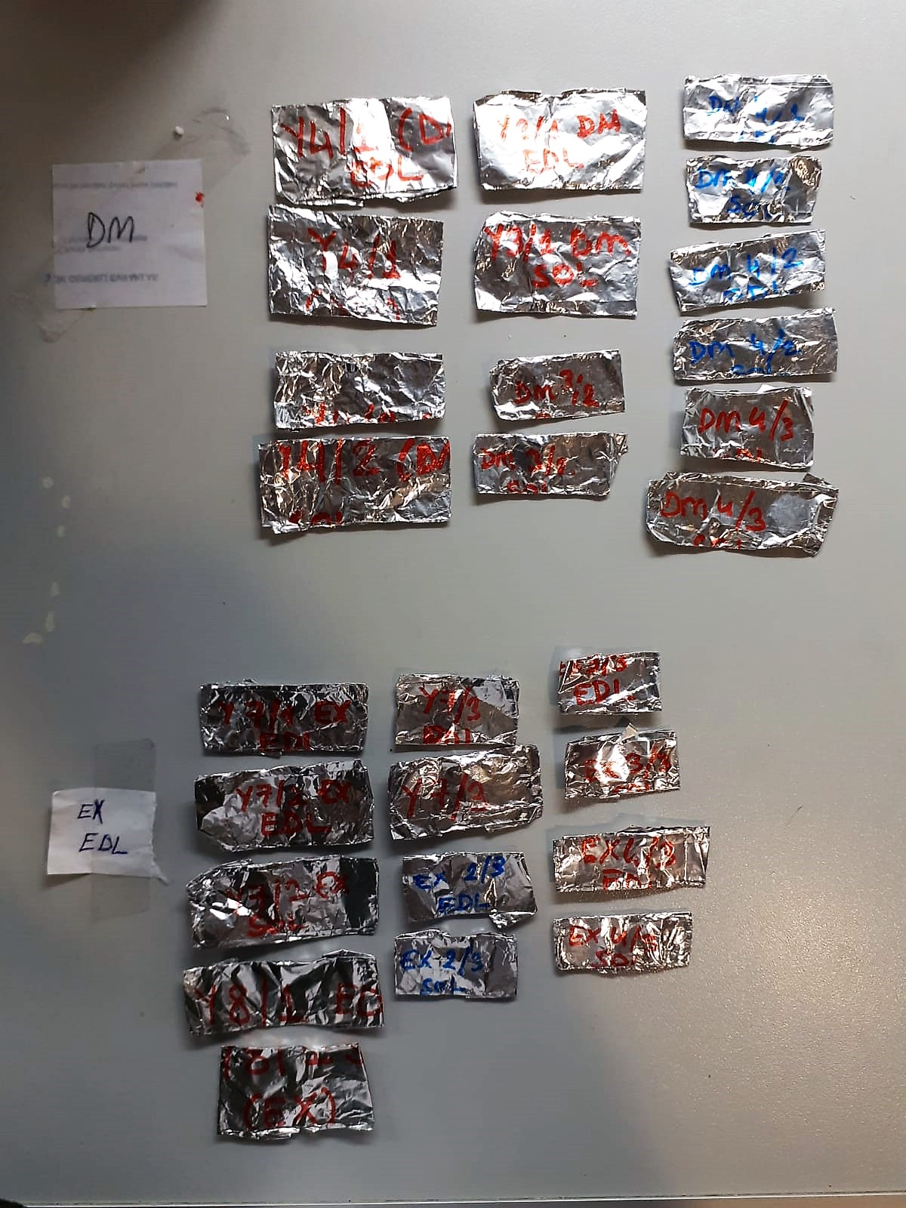
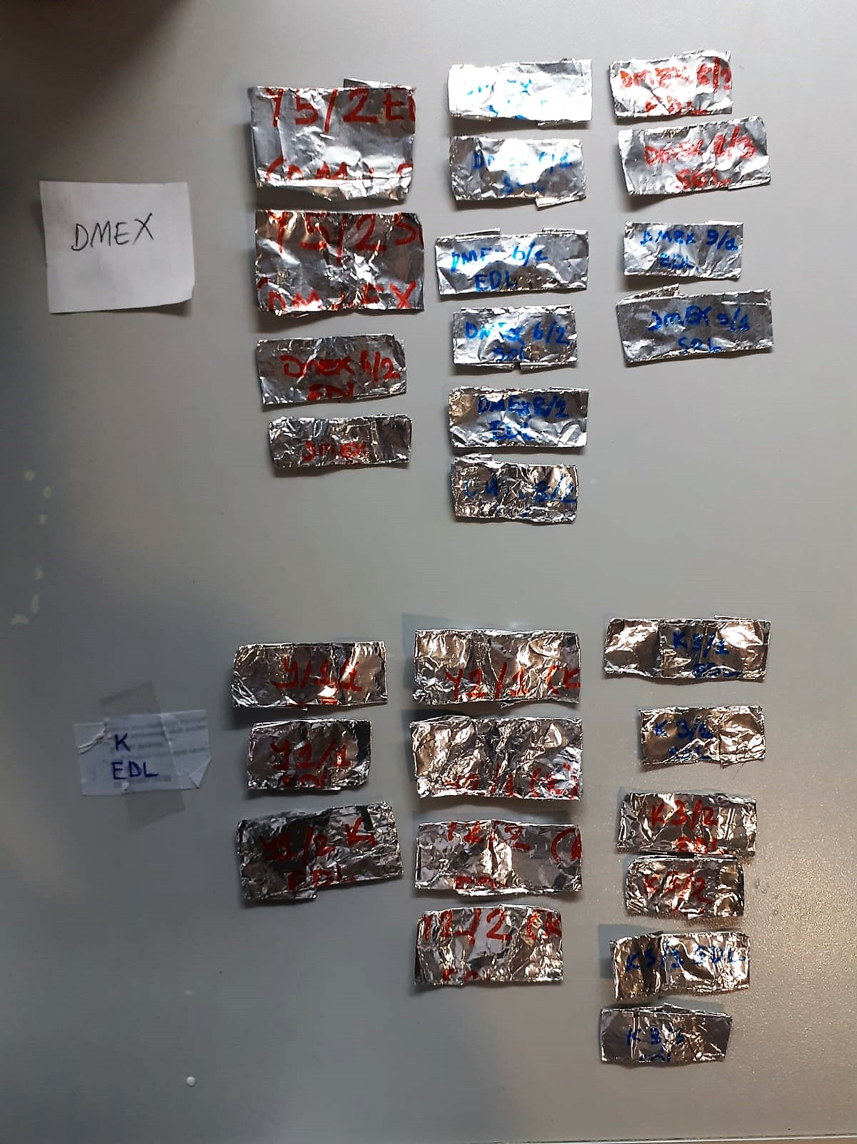

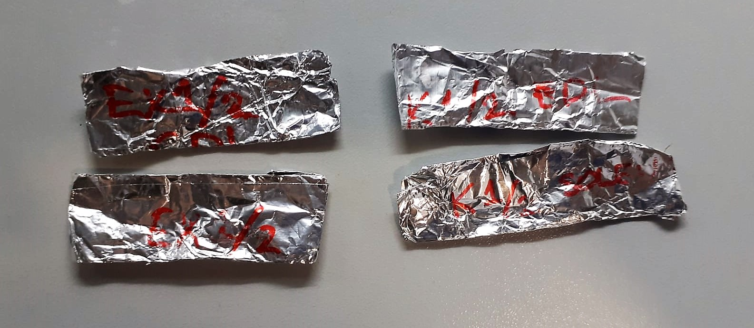

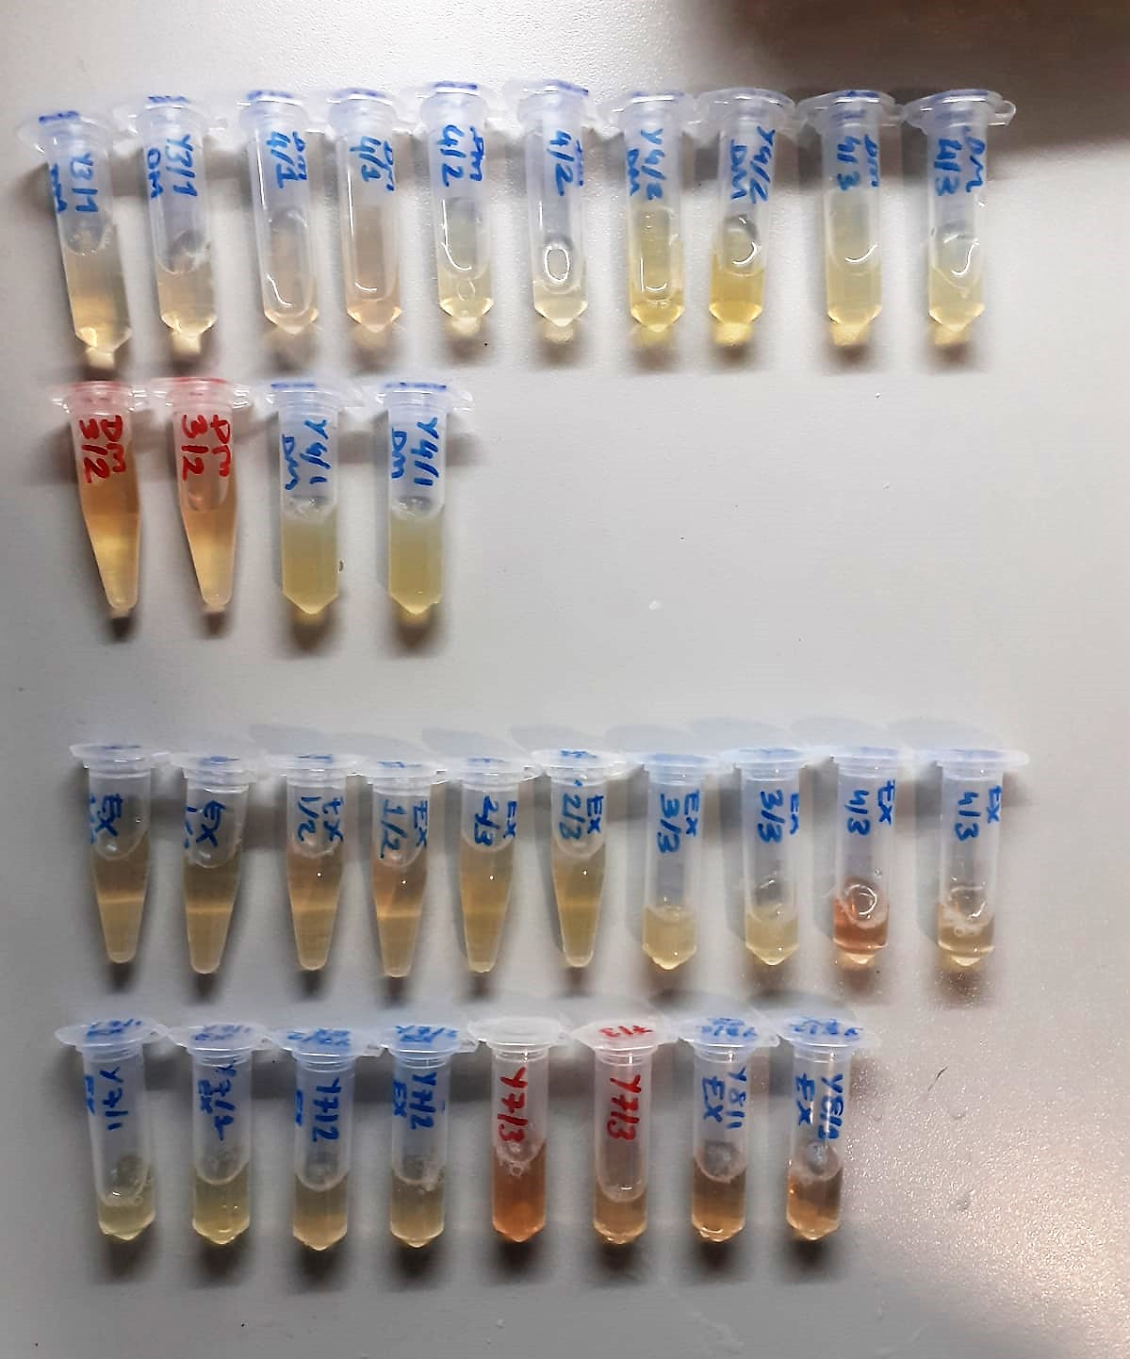
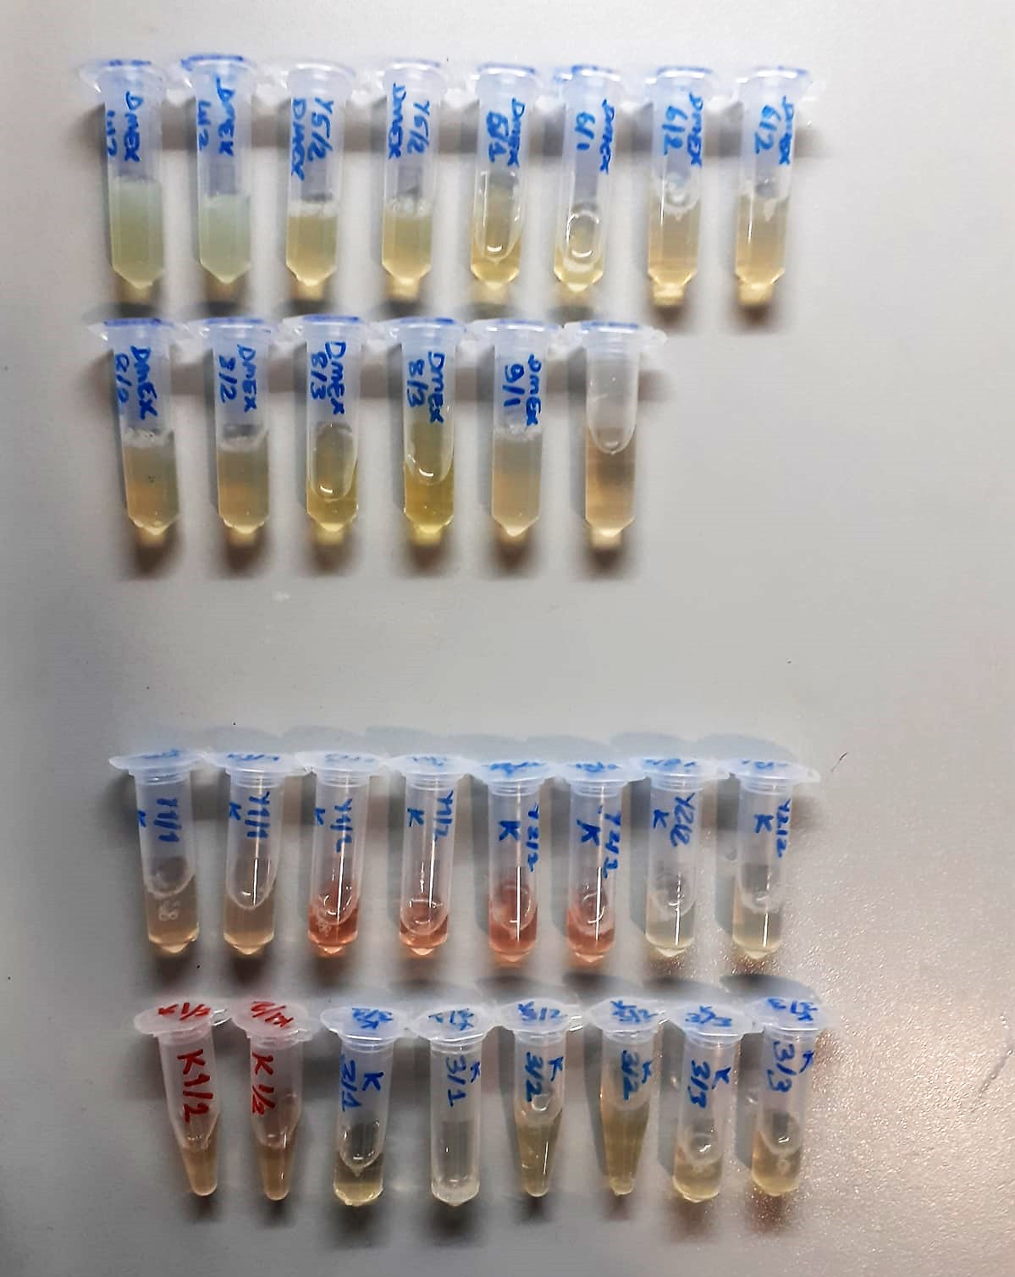

FNDC5 Test Principle
This ELISA kit uses the Sandwich-ELISA principle. The micro ELISA plate provided in this kit has been pre-coated with an antibody specific to Rat FNDC5.
Samples (or Standards) are added to the micro ELISA plate wells and combined with the specific antibody. Then a biotinylated detection antibody specific for Rat FNDC5 and Avidin-Horseradish Peroxidase (HRP) conjugate are added successively to each micro plate well and incubated.
Free components are washed away. The substrate solution is added to each well. Only those wells that contain Rat FNDC5, biotinylated detection antibody and Avidin-HRP conjugate will appear blue in color.
The enzyme-substrate reaction is terminated by the addition of stop solution and the color turns yellow. The optical density (OD) is measured spectrophotometrically at a wavelength of 450 nm ± 2 nm.
The OD value is proportional to the concentration of Rat FNDC5. You can calculate the concentration of Rat FNDC5 in the samples by comparing the OD of the samples to the standard curve.

IL-6 Test Principle
This ELISA kit uses the Sandwich-ELISA principle. The micro ELISA plate provided in this kit has been pre-coated with an antibody specific to Rat IL-6. Standards or samples are added to the micro ELISA plate wells and combined with the specific antibody.
Then a biotinylated detection antibody specific for Rat IL-6 and Avidin-Horseradish Peroxidase (HRP) conjugate are added successively to each micro plate well and incubated. Free components are washed away.
The substrate solution is added to each well. Only those wells that contain Rat IL-6, biotinylated detection antibody and Avidin-HRP conjugate will appear blue in color.
The enzyme-substrate reaction is terminated by the addition of stop solution and the color turns yellow. The optical density (OD) is measured spectrophotometrically at a wavelength of 450 nm ± 2 nm.
The OD value is proportional to the concentration of Rat IL-6. You can calculate the concentration of Rat IL-6 in the samples by comparing the OD of the samples to the standard curve.

Myonectin Test Principle
This kit is an Enzyme-Linked Immunosorbent Assay (ELISA). The plate has been pre-coated with Rat CTRP15 antibody. CTRP15 present in the sample is added and binds to antibodies coated on the wells.
And then biotinylated Rat CTRP15 Antibody is added and binds to CTRP15 in the sample. Then Streptavidin-HRP is added and binds to the Biotinylated CTRP15 antibody.
After incubation unbound Streptavidin-HRP is washed away during a washing step. Substrate solution is then added and color develops in proportion to the amount of Rat CTRP15.
The reaction is terminated by addition of acidic stop solution and absorbance is measured at 450 nm.

