sCD40L-1.PLATE
2.507 | 0.377 | 0.21 | 0.134 | 0.219 | 0.211 | 0.227 | 0.354 | 0.133 | 0.213 | 0.22 | 0.18
1.55 | 0.355 | 0.394 | 0.281 | 0.269 | 0.321 | 0.389 | 0.294 | 0.149 | 0.217 | 0.228 | 0.369
1.042 | 0.55 | 0.406 | 0.52 | 0.651 | 0.564 | 0.479 | 0.62 | 0.437 | 0.213 | 0.522 | 0.444
0.518 | 0.584 | 0.435 | 0.336 | 0.414 | 0.651 | 0.51 | 0.579 | 0.563 | 0.685 | 0.495 | 0.497
0.327 | 0.452 | 0.486 | 0.414 | 0.428 | 0.466 | 0.852 | 0.516 | 0.704 | 0.497 | 0.562 | 0.512
0.253 | 0.501 | 0.533 | 0.48 | 0.781 | 0.745 | 0.602 | 0.695 | 0.525 | 0.634 | 0.414 | 0.274
0.125 | 0.531 | 0.489 | 0.471 | 0.532 | 0.401 | 0.441 | 0.502 | 0.521 | 0.415 | 0.414 | 0.264
0.068 | 0.432 | 0.484 | 0.416 | 0.553 | 0.611 | 0.512 | 0.367 | 0.368 | 0.405 | 0.228 | 0.163

sCD40L
 | abs | abs-blank | expected | result
std1 | 2.507 | 2.439 | 4000 | 4014.83
std2 | 1.55 | 1.482 | 2000 | 1924.51
std3 | 1.042 | 0.974 | 1000 | 1085.29
std4 | 0.518 | 0.518 | 500 | 491.68
std5 | 0.327 | 0.259 | 250 | 221.80
std6 | 0.253 | 0.185 | 125 | 153.64
std7 | 0.125 | 0.057 | 62.5 | 45.14
blank | 0.068 | 0 | 0 | 0.65

 |  |  |  |  |  |  |  |  |  | concentratıon (pg/ml)

Numune | absorbans | blank | abs-blank | result(pg/ml)
C-1 | 0.377 | 0.068 | 0.309 | 270.10
C-2 | 0.355 | 0.068 | 0.287 | 248.62
C-3 | 0.55 | 0.068 | 0.482 | 451.25
C-4 | 0.584 | 0.068 | 0.516 | 489.41
C-5 | 0.452 | 0.068 | 0.384 | 345.96
C-7 | 0.501 | 0.068 | 0.433 | 397.73
C-9 | 0.531 | 0.068 | 0.463 | 430.29
C-10 | 0.432 | 0.068 | 0.364 | 325.33
C-11 | 0.21 | 0.068 | 0.142 | 115.86
C-12 | 0.394 | 0.068 | 0.326 | 286.94
C-13 | 0.406 | 0.068 | 0.338 | 298.95
C-14 | 0.435 | 0.068 | 0.367 | 328.41
C-15 | 0.486 | 0.068 | 0.418 | 381.70
C-16 | 0.533 | 0.068 | 0.465 | 432.49
C-17 | 0.489 | 0.068 | 0.421 | 384.89
C-18 | 0.484 | 0.068 | 0.416 | 379.57
C-20 | 0.134 | 0.068 | 0.066 | 52.38
C-23 | 0.281 | 0.068 | 0.213 | 178.96
C-24 | 0.52 | 0.068 | 0.452 | 418.28
C-25 | 0.336 | 0.068 | 0.268 | 230.36
C-26 | 0.414 | 0.068 | 0.346 | 307.01
C-27 | 0.48 | 0.068 | 0.412 | 375.33
C-28 | 0.471 | 0.068 | 0.403 | 365.83
C-30 | 0.416 | 0.068 | 0.348 | 309.04
C-31 | 0.219 | 0.068 | 0.151 | 123.66
C-32 | 0.269 | 0.068 | 0.201 | 168.04
C-33 | 0.651 | 0.068 | 0.583 | 567.06
C-34 | 0.414 | 0.068 | 0.346 | 307.01
C-35 | 0.428 | 0.068 | 0.36 | 321.24
C-36 | 0.781 | 0.068 | 0.713 | 727.04
C-37 | 0.532 | 0.068 | 0.464 | 431.39
C-38 | 0.553 | 0.068 | 0.485 | 454.58
C-39 | 0.211 | 0.068 | 0.143 | 116.72
C-40 | 0.321 | 0.068 | 0.253 | 216.12
C-41 | 0.564 | 0.068 | 0.496 | 466.86
C-42 | 0.651 | 0.068 | 0.583 | 567.06
C-44 | 0.466 | 0.068 | 0.398 | 360.58
C-45 | 0.745 | 0.068 | 0.677 | 681.51
C-46 | 0.401 | 0.068 | 0.333 | 293.93
C-47 | 0.611 | 0.068 | 0.543 | 520.31
C-48 | 0.227 | 0.068 | 0.159 | 130.64
C-49 | 0.389 | 0.068 | 0.321 | 281.96
C-50 | 0.479 | 0.068 | 0.411 | 374.27
C-51 | 0.51 | 0.068 | 0.442 | 407.43
C-53 | 0.852 | 0.068 | 0.784 | 819.59
C-54 | 0.602 | 0.068 | 0.534 | 509.95
C-55 | 0.441 | 0.068 | 0.373 | 334.58
C-56 | 0.512 | 0.068 | 0.444 | 409.60
C-58 | 0.354 | 0.068 | 0.286 | 247.65
C-59 | 0.294 | 0.068 | 0.226 | 190.91
C-60 | 0.62 | 0.068 | 0.552 | 530.73
C-61 | 0.579 | 0.068 | 0.511 | 483.74
C-62 | 0.516 | 0.068 | 0.448 | 413.93
C-63 | 0.695 | 0.068 | 0.627 | 619.83
C-64 | 0.502 | 0.068 | 0.434 | 398.81
C-65 | 0.367 | 0.068 | 0.299 | 260.29
C-66 | 0.133 | 0.068 | 0.065 | 51.57
C-67 | 0.149 | 0.068 | 0.081 | 64.57
C-68 | 0.437 | 0.068 | 0.369 | 330.46
C-69 | 0.563 | 0.068 | 0.495 | 465.74
C-70 | 0.704 | 0.068 | 0.636 | 630.80
C-71 | 0.525 | 0.068 | 0.457 | 423.73
C-72 | 0.521 | 0.068 | 0.453 | 419.37
C-73 | 0.368 | 0.068 | 0.3 | 261.27
C-74 | 0.213 | 0.068 | 0.145 | 118.45
C-75 | 0.217 | 0.068 | 0.149 | 121.92
C-77 | 0.213 | 0.068 | 0.145 | 118.45
C-78 | 0.685 | 0.068 | 0.617 | 607.72
C-79 | 0.497 | 0.068 | 0.429 | 393.44
C-82 | 0.634 | 0.068 | 0.566 | 547.05
C-84 | 0.415 | 0.068 | 0.347 | 308.03
C-85 | 0.405 | 0.068 | 0.337 | 297.94
C-86 | 0.22 | 0.068 | 0.152 | 124.53
C-88 | 0.228 | 0.068 | 0.16 | 131.51
C-89 | 0.522 | 0.068 | 0.454 | 420.46
C-91 | 0.495 | 0.068 | 0.427 | 391.30
C-92 | 0.562 | 0.068 | 0.494 | 464.62
C-93 | 0.414 | 0.068 | 0.346 | 307.01
C-96 | 0.414 | 0.068 | 0.346 | 307.01
C-98 | 0.228 | 0.068 | 0.16 | 131.51
C-99 | 0.18 | 0.068 | 0.112 | 90.30
C-100 | 0.369 | 0.068 | 0.301 | 262.25
C-101 | 0.444 | 0.068 | 0.376 | 337.68
C-102 | 0.497 | 0.068 | 0.429 | 393.44
C-103 | 0.512 | 0.068 | 0.444 | 409.60
C-106 | 0.274 | 0.068 | 0.206 | 172.58
C-107 | 0.264 | 0.068 | 0.196 | 163.52
C-108 | 0.163 | 0.068 | 0.095 | 76.11

sCD40L-2.PLATE
2.519 | 0.1 | 0.094 | 0.063 | 0.151 | 0.135 | 0.209 | 0.171 | 0.149 | 0.144 | 0.267 | 0.158
1.534 | 0.165 | 0.109 | 0.16 | 0.28 | 0.207 | 0.105 | 0.126 | 0.139 | 0.121 | 0.069 | 0.127
0.981 | 0.144 | 0.185 | 0.194 | 0.146 | 0.268 | 0.132 | 0.06 | 0.095 | 0.123 | 0.096 | 0.292
0.512 | 0.213 | 0.063 | 0.09 | 0.076 | 0.073 | 0.086 | 0.12 | 0.056 | 0.083 | 0.413 | 0.062
0.299 | 0.264 | 0.073 | 0.074 | 0.081 | 0.133 | 0.068 | 0.235 | 0.076 | 0.056 | 0.135 | 0.1
0.189 | 0.414 | 0.267 | 0.519 | 0.08 | 0.1 | 0.061 | 0.092 | 0.09 | 0.113 | 0.143 | 0.102
0.113 | 0.13 | 0.178 | 0.142 | 0.113 | 0.105 | 0.17 | 0.064 | 0.127 | 0.062 | 0.125 | 0.063
0.052 | 0.115 | 0.064 | 0.059 | 0.132 | 0.112 | 0.105 | 0.183 | 0.136 | 0.193 | 0.114 | 0.063

sCD40L

 | abs | abs-blank | expected | result
std1 | 2.519 | 2.467 | 4000 | 4011.80
std2 | 1.534 | 1.482 | 2000 | 1944.30
std3 | 0.981 | 0.929 | 1000 | 1055.61
std4 | 0.512 | 0.512 | 500 | 514.86
std5 | 0.299 | 0.247 | 250 | 229.04
std6 | 0.189 | 0.137 | 125 | 123.58
std7 | 0.113 | 0.061 | 62.5 | 55.25
blank | 0.052 | 0 | 0 | 3.07

 |  |  |  |  |  |  |  |  |  | concentratıon (pg/ml)

Numune | absorbans | blank | abs-blank | result(pg/ml)
C-109 | 0.1 | 0.052 | 0.048 | 43.93
C-110 | 0.165 | 0.052 | 0.113 | 101.60
C-111 | 0.144 | 0.052 | 0.092 | 82.68
C-112 | 0.213 | 0.052 | 0.161 | 145.93
C-113 | 0.264 | 0.052 | 0.212 | 194.64
C-114 | 0.414 | 0.052 | 0.362 | 347.56
C-115 | 0.13 | 0.052 | 0.078 | 70.21
C-116 | 0.115 | 0.052 | 0.063 | 57.00
C-117 | 0.094 | 0.052 | 0.042 | 38.74
C-118 | 0.109 | 0.052 | 0.057 | 51.75
C-119 | 0.185 | 0.052 | 0.133 | 119.89
C-120 | 0.063 | 0.052 | 0.011 | 12.31
C-121 | 0.073 | 0.052 | 0.021 | 20.77
C-122 | 0.267 | 0.052 | 0.215 | 197.56
C-123 | 0.178 | 0.052 | 0.126 | 113.46
C-124 | 0.064 | 0.052 | 0.012 | 13.15
C-125 | 0.063 | 0.052 | 0.011 | 12.31
C-126 | 0.16 | 0.052 | 0.108 | 97.07
C-127 | 0.194 | 0.052 | 0.142 | 128.21
C-128 | 0.09 | 0.052 | 0.038 | 35.30
C-129 | 0.074 | 0.052 | 0.022 | 21.62
C-130 | 0.519 | 0.052 | 0.467 | 463.16
C-131 | 0.142 | 0.052 | 0.09 | 80.89
C-132 | 0.059 | 0.052 | 0.007 | 8.94
C-133 | 0.151 | 0.052 | 0.099 | 88.95
C-135 | 0.28 | 0.052 | 0.228 | 210.27
C-136 | 0.146 | 0.052 | 0.094 | 84.47
C-137 | 0.076 | 0.052 | 0.024 | 23.32
C-138 | 0.081 | 0.052 | 0.029 | 27.58
C-139 | 0.08 | 0.052 | 0.028 | 26.73
C-140 | 0.113 | 0.052 | 0.061 | 55.25
C-141 | 0.132 | 0.052 | 0.08 | 71.99
C-142 | 0.135 | 0.052 | 0.083 | 74.65
C-143 | 0.207 | 0.052 | 0.155 | 140.31
C-144 | 0.268 | 0.052 | 0.216 | 198.53
C-145 | 0.073 | 0.052 | 0.021 | 20.77
C-146 | 0.133 | 0.052 | 0.081 | 72.87
C-147 | 0.1 | 0.052 | 0.048 | 43.93
C-148 | 0.105 | 0.052 | 0.053 | 48.27
C-150 | 0.112 | 0.052 | 0.06 | 54.37
C-151 | 0.209 | 0.052 | 0.157 | 142.18
C-152 | 0.105 | 0.052 | 0.053 | 48.27
C-153 | 0.132 | 0.052 | 0.08 | 71.99
C-154 | 0.086 | 0.052 | 0.034 | 31.86
C-155 | 0.068 | 0.052 | 0.016 | 16.53
C-156 | 0.061 | 0.052 | 0.009 | 10.62
C-157 | 0.17 | 0.052 | 0.118 | 106.15
C-158 | 0.105 | 0.052 | 0.053 | 48.27
C-159 | 0.171 | 0.052 | 0.119 | 107.06
C-160 | 0.126 | 0.052 | 0.074 | 66.67
C-162 | 0.06 | 0.052 | 0.008 | 9.78
C-163 | 0.12 | 0.052 | 0.068 | 61.39
C-164 | 0.235 | 0.052 | 0.183 | 166.74
C-165 | 0.092 | 0.052 | 0.04 | 37.02
C-166 | 0.064 | 0.052 | 0.012 | 13.15
C-167 | 0.183 | 0.052 | 0.131 | 118.05
C-169 | 0.149 | 0.052 | 0.097 | 87.16
C-170 | 0.139 | 0.052 | 0.087 | 78.21
C-171 | 0.095 | 0.052 | 0.043 | 39.60
C-172 | 0.056 | 0.052 | 0.004 | 6.42
C-173 | 0.076 | 0.052 | 0.024 | 23.32
C-174 | 0.09 | 0.052 | 0.038 | 35.30
C-175 | 0.127 | 0.052 | 0.075 | 67.56
C-177 | 0.136 | 0.052 | 0.084 | 75.54
C-178 | 0.144 | 0.052 | 0.092 | 82.68
C-179 | 0.121 | 0.052 | 0.069 | 62.27
C-180 | 0.123 | 0.052 | 0.071 | 64.03
C-182 | 0.083 | 0.052 | 0.031 | 29.29
C-183 | 0.056 | 0.052 | 0.004 | 6.42
C-184 | 0.113 | 0.052 | 0.061 | 55.25
C-185 | 0.062 | 0.052 | 0.01 | 11.46
C-186 | 0.193 | 0.052 | 0.141 | 127.28
C-189 | 0.267 | 0.052 | 0.215 | 197.56
C-190 | 0.069 | 0.052 | 0.017 | 17.37
C-191 | 0.096 | 0.052 | 0.044 | 40.47
C-192 | 0.413 | 0.052 | 0.361 | 346.49
C-193 | 0.135 | 0.052 | 0.083 | 74.65
C-195 | 0.143 | 0.052 | 0.091 | 81.78
C-196 | 0.125 | 0.052 | 0.073 | 65.79
C-197 | 0.114 | 0.052 | 0.062 | 56.12
C-198 | 0.158 | 0.052 | 0.106 | 95.26
C-199 | 0.127 | 0.052 | 0.075 | 67.56
C-200 | 0.292 | 0.052 | 0.24 | 222.09
C-202 | 0.062 | 0.052 | 0.01 | 11.46
C-203 | 0.1 | 0.052 | 0.048 | 43.93
C-204 | 0.102 | 0.052 | 0.05 | 45.66
C-205 | 0.063 | 0.052 | 0.011 | 12.31
C-206 | 0.063 | 0.052 | 0.011 | 12.31

Materyal-metod
KİT ADI | TÜR | MARKA | CAT. NO | Yöntem | Kullanılan Cihaz
Soluble Cluster of Differentiation 40 Ligand | Human | Elabscience | E-EL-H0035 | ELİSA | Mıcroplate reader: BIO-TEK EL X 800-Aotu strıp washer:BIO TEK EL X 50

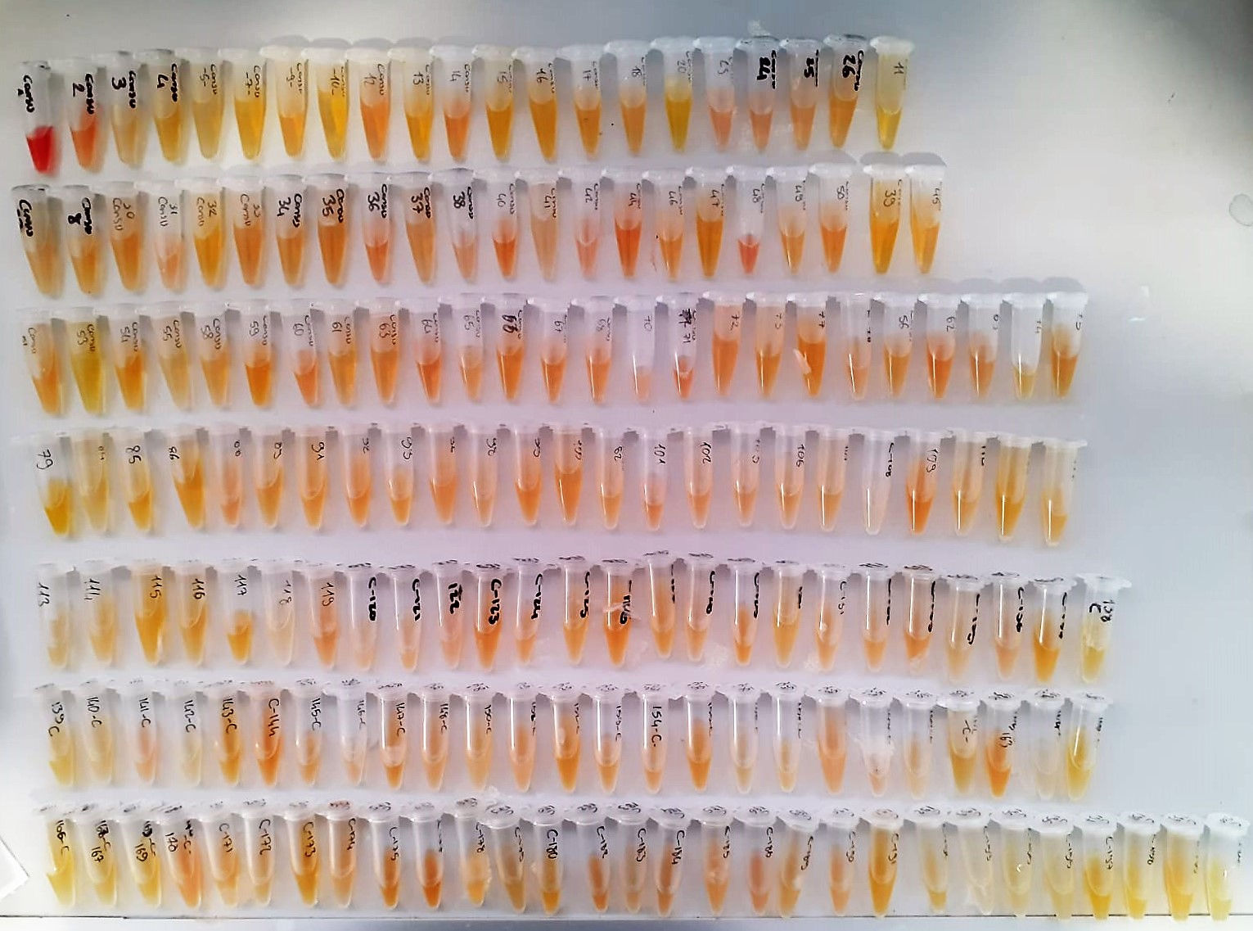

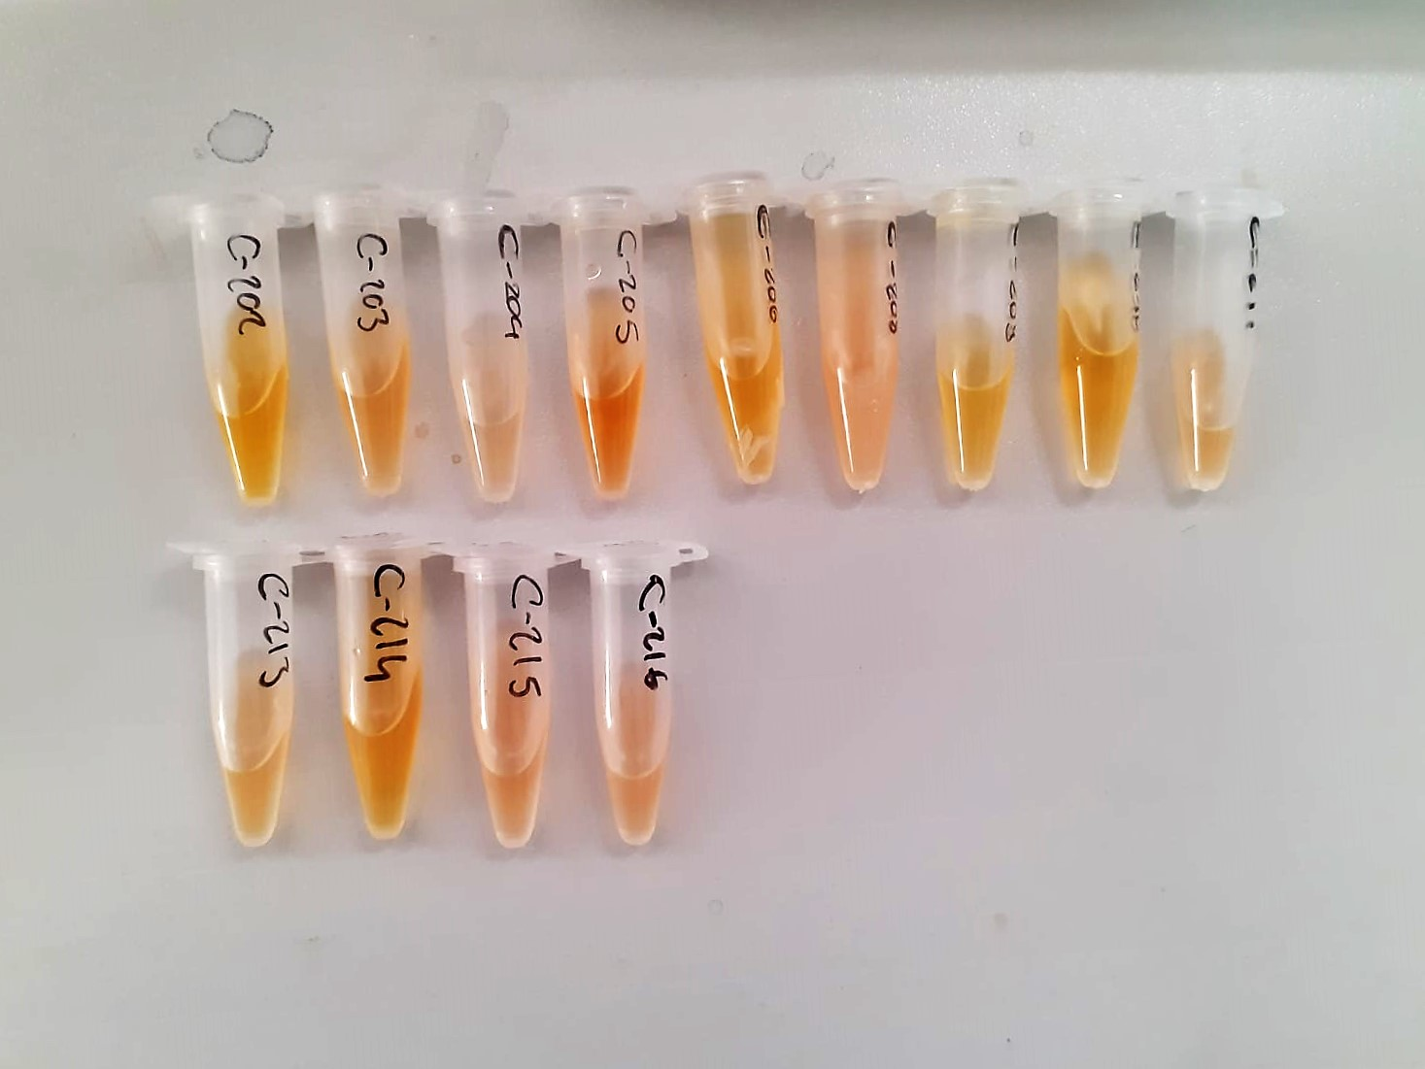

Human sCD40L Test Principle
This ELISA kit uses the Sandwich-ELISA principle. The micro ELISA plate provided in this kit has been pre-coated with an antibody specific to Human sCD40L.
Samples (or Standards) are added to the micro ELISA plate wells and combined with the specific antibody.
Then a biotinylated detection antibody specific for Human sCD40L and Avidin-Horseradish Peroxidase (HRP) conjugate are added successively to each micro plate well and incubated.
Free components are washed away. The substrate solution is added to each well.
Only those wells that contain Human sCD40L, biotinylated detection antibody and Avidin HRP conjugate will appear blue in color.
The enzyme-substrate reaction is terminated by the addition of stop solution and the color turns yellow. The optical density (OD) is measured spectrophotometrically at a wavelength of 450 nm ± 2 nm.
The OD value is proportional to the concentration of Human sCD40L. You can calculate the concentration of Human sCD40L in the samples by comparing the OD of the samples to the standard curve.

**Plate'de yer kalmadığı için son 8 numune çalışılmadı.

