TT4
2.638 | 0.38 | 0.785 | 0.749 | 0.373
1.72 | 0.516 | 0.56 | 0.332 | 0.574
1.037 | 0.395 | 0.676 | 0.462 | 0.523
0.603 | 0.273 | 0.532 | 0.448
0.431 | 0.365 | 0.526 | 0.575
0.242 | 0.34 | 0.501 | 0.386
0.091 | 0.522 | 0.628 | 0.333
0.098 | 0.457 | 0.687 | 0.499

TT4

 | abs | abs-blank | expected | result
std1 | 2.638 | 2.547 | 320 | 318.98
std2 | 1.72 | 1.629 | 160 | 163.51
std3 | 1.037 | 0.946 | 80 | 77.68
std4 | 0.603 | 0.512 | 40 | 36.36
std5 | 0.431 | 0.34 | 20 | 22.83
std6 | 0.242 | 0.151 | 10 | 9.82
blank | 0.091 | 0 | 0 | 0.83

 |  |  |  |  | concentratıon (ng/ml)

Numune | absorbans | blank | abs-blank | result(ng/ml)
1.KUTU
K4 | 0.38 | 0.091 | 0.289 | 19.12
K8 | 0.516 | 0.091 | 0.425 | 29.31
S4 | 0.395 | 0.091 | 0.304 | 20.20
S10 | 0.273 | 0.091 | 0.182 | 11.82
M5 | 0.365 | 0.091 | 0.274 | 18.06
M6 | 0.34 | 0.091 | 0.249 | 16.32
2.KUTU
S6 | 0.522 | 0.091 | 0.431 | 29.78
S1 | 0.457 | 0.091 | 0.366 | 24.77
M5 | 0.785 | 0.091 | 0.694 | 52.43
K1 | 0.56 | 0.091 | 0.469 | 32.82
S2 | 0.676 | 0.091 | 0.585 | 42.59
M1 | 0.532 | 0.091 | 0.441 | 30.58
S10 | 0.526 | 0.091 | 0.435 | 30.10
K13 | 0.501 | 0.091 | 0.41 | 28.14
S13 | 0.628 | 0.091 | 0.537 | 38.46
K2 | 0.687 | 0.091 | 0.596 | 43.55
K4 | 0.749 | 0.091 | 0.658 | 49.11
K5 | 0.332 | 0.091 | 0.241 | 15.77
S4 | 0.462 | 0.091 | 0.371 | 25.15
M2 | 0.448 | 0.091 | 0.357 | 24.09
K8 | 0.575 | 0.091 | 0.484 | 34.05
K12 | 0.386 | 0.091 | 0.295 | 19.55
S3 | 0.333 | 0.091 | 0.242 | 15.84
M8 | 0.499 | 0.091 | 0.408 | 27.98
S14 | 0.373 | 0.091 | 0.282 | 18.63
M6 | 0.574 | 0.091 | 0.483 | 33.96
K6 | 0.523 | 0.091 | 0.432 | 29.86

TSH
1.754 | 0.155 | 0.209 | 0.19 | 0.154
1.138 | 0.148 | 0.146 | 0.141 | 0.145
0.636 | 0.144 | 0.173 | 0.149 | 0.153
0.355 | 0.12 | 0.149 | 0.146
0.26 | 0.143 | 0.155 | 0.163
0.188 | 0.144 | 0.151 | 0.131
0.064 | 0.174 | 0.174 | 0.139
0.121 | 0.176 | 0.191 | 0.145

TSH

 | abs | abs-blank | expected | result
std1 | 1.754 | 1.69 | 32 | 31.79
std2 | 1.138 | 1.074 | 16 | 16.73
std3 | 0.636 | 0.572 | 8 | 7.43
std4 | 0.355 | 0.291 | 4 | 3.39
std5 | 0.26 | 0.196 | 2 | 2.21
std6 | 0.188 | 0.124 | 1 | 1.38
blank | 0.064 | 0 | 0 | 0.08

 |  |  |  |  | concentratıon (mlU/ml)

Numune | absorbans | blank | abs-blank | result(mlU/ml)
1.KUTU
K4 | 0.155 | 0.064 | 0.091 | 1.02
K8 | 0.148 | 0.064 | 0.084 | 0.94
S4 | 0.144 | 0.064 | 0.08 | 0.90
S10 | 0.12 | 0.064 | 0.056 | 0.65
M5 | 0.143 | 0.064 | 0.079 | 0.89
M6 | 0.144 | 0.064 | 0.08 | 0.90
2.KUTU
S6 | 0.174 | 0.064 | 0.11 | 1.23
S1 | 0.176 | 0.064 | 0.112 | 1.25
M5 | 0.209 | 0.064 | 0.145 | 1.62
K1 | 0.146 | 0.064 | 0.082 | 0.92
S2 | 0.173 | 0.064 | 0.109 | 1.22
M1 | 0.149 | 0.064 | 0.085 | 0.96
S10 | 0.155 | 0.064 | 0.091 | 1.02
K13 | 0.151 | 0.064 | 0.087 | 0.98
S13 | 0.174 | 0.064 | 0.11 | 1.23
K2 | 0.191 | 0.064 | 0.127 | 1.41
K4 | 0.19 | 0.064 | 0.126 | 1.40
K5 | 0.141 | 0.064 | 0.077 | 0.87
S4 | 0.149 | 0.064 | 0.085 | 0.96
M2 | 0.146 | 0.064 | 0.082 | 0.92
K8 | 0.163 | 0.064 | 0.099 | 1.11
K12 | 0.131 | 0.064 | 0.067 | 0.76
S3 | 0.139 | 0.064 | 0.075 | 0.85
M8 | 0.145 | 0.064 | 0.081 | 0.91
S14 | 0.154 | 0.064 | 0.09 | 1.01
M6 | 0.145 | 0.064 | 0.081 | 0.91
K6 | 0.153 | 0.064 | 0.089 | 1.00

3.KUTU-CORTISOL
0.127 | 1.69 | 1.668 | 1.654 | 1.792 | 1.934
0.593 | 1.627 | 1.643 | 1.586 | 1.638 | 1.714
0.894 | 1.449 | 1.327 | 1.299 | 1.255
1.167 | 1.208 | 1.354 | 1.257 | 1.325
1.452 | 1.121 | 0.97 | 0.956 | 1.256
1.742 | 1.44 | 1.555 | 1.504 | 1.529
0.049 | 1.641 | 1.642 | 1.733 | 2.087
CORTISOL
1.873 | 2.101 | 2.115 | 2.158 | 2.311

 | abs | abs-blank | expected | result
std1 | 0.127 | 0.078 | 320 | 319.95
std2 | 0.593 | 0.544 | 160 | 157.83
std3 | 0.894 | 0.845 | 80 | 84.76
std4 | 1.167 | 1.118 | 40 | 39.97
std5 | 1.452 | 1.403 | 20 | 15.01
std6 | 1.742 | 1.693 | 10 | 12.48 |  | concentratıon (ng/ml)
blank | 0.049 | 0 | 0 | 0.00

Numune | absorbans | blank | abs-blank | result(ng/ml)
S10 | 1.69 | 0.049 | 1.641 | 11.24
S1 | 1.627 | 0.049 | 1.578 | 10.72
S6 | 1.449 | 0.049 | 1.4 | 15.16
K1 | 1.208 | 0.049 | 1.159 | 35.01
S2 | 1.121 | 0.049 | 1.072 | 46.08
M5 | 1.44 | 0.049 | 1.391 | 15.61
M1 | 1.641 | 0.049 | 1.592 | 10.74
S13 | 2.101 | 0.049 | 2.052 | 41.28
S4 | 1.668 | 0.049 | 1.619 | 10.93
K13 | 1.643 | 0.049 | 1.594 | 10.75
K2 | 1.327 | 0.049 | 1.278 | 23.22
K5 | 1.354 | 0.049 | 1.305 | 21.08
S9 | 0.97 | 0.049 | 0.921 | 70.24
M4 | 1.555 | 0.049 | 1.506 | 11.47
S7 | 1.642 | 0.049 | 1.593 | 10.75
M9 | 2.115 | 0.049 | 2.066 | 43.12
K10 | 1.654 | 0.049 | 1.605 | 10.81
K11 | 1.586 | 0.049 | 1.537 | 10.97
Y1 | 1.299 | 0.049 | 1.25 | 25.64
Y2 | 1.257 | 0.049 | 1.208 | 29.68
Y3 | 0.956 | 0.049 | 0.907 | 72.79
Y4 | 1.504 | 0.049 | 1.455 | 12.86
K14 | 1.733 | 0.049 | 1.684 | 12.21
Y6 | 2.158 | 0.049 | 2.109 | 49.10
Y7 | 1.792 | 0.049 | 1.743 | 14.37
Y8 | 1.638 | 0.049 | 1.589 | 10.73
S12 | 1.255 | 0.049 | 1.206 | 29.89
K8 | 1.325 | 0.049 | 1.276 | 23.38
K12 | 1.256 | 0.049 | 1.207 | 29.78
S3 | 1.529 | 0.049 | 1.48 | 12.09
M8 | 2.087 | 0.049 | 2.038 | 39.50
S14 | 2.311 | 0.049 | 2.262 | 74.51
K6 | 1.934 | 0.049 | 1.885 | 23.49
M6 | 1.714 | 0.049 | 1.665 | 11.72

4.KUTU-IL-1BETA
1.557 | 0.541 | 0.589 | 0.538 | 0.528
0.925 | 0.498 | 0.555 | 0.569 | 0.628
0.562 | 0.552 | 0.568 | 0.596 | 0.633
0.399 | 0.622 | 0.64 | 0.573 | 0.703
0.263 | 0.558 | 0.383 | 0.568 | 0.682
0.091 | 0.569 | 0.335 | 0.555 | 0.619
0.58 | 0.571 | 0.32 | 0.602 | 0.596
IL-1BETA
0.578 | 0.581 | 0.315 | 0.622 | 0.6

 | abs | abs-blank | expected | result
std1 | 1.557 | 1.466 | 40 | 40.15
std2 | 0.925 | 0.834 | 20 | 19.49
std3 | 0.562 | 0.471 | 10 | 9.74
std4 | 0.399 | 0.308 | 5 | 5.86
std5 | 0.263 | 0.172 | 2.5 | 2.87
blank | 0.091 | 0 | 0 | -0.61

 |  |  |  |  | concentration (ng/ml)

Numune | absorbans | blank | abs-blank | result(ng/ml)
M1 | 0.58 | 0.091 | 0.489 | 10.19
K1 | 0.578 | 0.091 | 0.487 | 10.14
M5 | 0.541 | 0.091 | 0.45 | 9.22
S1 | 0.498 | 0.091 | 0.407 | 8.18
S2 | 0.552 | 0.091 | 0.461 | 9.49
S10 | 0.622 | 0.091 | 0.531 | 11.25
S6 | 0.558 | 0.091 | 0.467 | 9.64
Y1 | 0.569 | 0.091 | 0.478 | 9.91
Y2 | 0.571 | 0.091 | 0.48 | 9.96
Y3 | 0.581 | 0.091 | 0.49 | 10.21
Y4 | 0.589 | 0.091 | 0.498 | 10.41
K14 | 0.555 | 0.091 | 0.464 | 9.57
Y5 | 0.568 | 0.091 | 0.477 | 9.89
Y7 | 0.64 | 0.091 | 0.549 | 11.71
Y8 | 0.383 | 0.091 | 0.292 | 5.50
S12 | 0.335 | 0.091 | 0.244 | 4.43
M9 | 0.32 | 0.091 | 0.229 | 4.10
S7 | 0.315 | 0.091 | 0.224 | 3.99
M4 | 0.538 | 0.091 | 0.447 | 9.15
K10 | 0.569 | 0.091 | 0.478 | 9.91
S9 | 0.596 | 0.091 | 0.505 | 10.59
K11 | 0.573 | 0.091 | 0.482 | 10.01
M6 | 0.568 | 0.091 | 0.477 | 9.89
K6 | 0.555 | 0.091 | 0.464 | 9.57
S14 | 0.602 | 0.091 | 0.511 | 10.74
K8 | 0.622 | 0.091 | 0.531 | 11.25
M8 | 0.528 | 0.091 | 0.437 | 8.91
S3 | 0.628 | 0.091 | 0.537 | 11.40
K12 | 0.633 | 0.091 | 0.542 | 11.53
S13 | 0.703 | 0.091 | 0.612 | 13.34
S4 | 0.682 | 0.091 | 0.591 | 12.79
K13 | 0.619 | 0.091 | 0.528 | 11.17
K2 | 0.596 | 0.091 | 0.505 | 10.59
K5 | 0.6 | 0.091 | 0.509 | 10.69

4.KUTU-TNF-ALFA
1.997 | 1.444 | 0.886 | 0.891 | 0.959
1.159 | 0.965 | 0.698 | 0.805 | 0.766
0.628 | 0.961 | 0.774 | 0.655 | 1.142
0.323 | 0.655 | 0.559 | 0.643 | 1.204
0.218 | 0.706 | 0.619 | 0.618 | 0.494
0.069 | 1.141 | 0.84 | 1.163 | 0.75
0.957 | 1.477 | 1.009 | 1.157 | 0.697
TNF-A
1.386 | 1.502 | 0.623 | 0.689 | 0.498

 | abs | abs-blank | expected | result
std1 | 1.997 | 1.928 | 640 | 638.55
std2 | 1.159 | 1.09 | 320 | 325.74
std3 | 0.628 | 0.559 | 160 | 157.23
std4 | 0.323 | 0.254 | 80 | 70.86
std5 | 0.218 | 0.149 | 40 | 42.89
blank | 0.069 | 0 | 0 | 4.74 | concentratıon (ng/L)

Numune | absorbans | blank | abs-blank | result(ng/L)
M1 | 0.957 | 0.069 | 0.888 | 258.92
K1 | 1.386 | 0.069 | 1.317 | 404.80
M5 | 1.444 | 0.069 | 1.375 | 425.68
S1 | 0.965 | 0.069 | 0.896 | 261.50
S2 | 0.961 | 0.069 | 0.892 | 260.21
S10 | 0.655 | 0.069 | 0.586 | 165.24
S6 | 0.706 | 0.069 | 0.637 | 180.54
Y1 | 1.141 | 0.069 | 1.072 | 319.65
Y2 | 1.477 | 0.069 | 1.408 | 437.68
Y3 | 1.502 | 0.069 | 1.433 | 446.83
Y4 | 0.886 | 0.069 | 0.817 | 236.23
K14 | 0.698 | 0.069 | 0.629 | 178.13
Y5 | 0.774 | 0.069 | 0.705 | 201.27
Y7 | 0.559 | 0.069 | 0.49 | 137.03
Y8 | 0.619 | 0.069 | 0.55 | 154.57
S12 | 0.84 | 0.069 | 0.771 | 221.74
M9 | 1.009 | 0.069 | 0.94 | 275.80
S7 | 0.623 | 0.069 | 0.554 | 155.75
M4 | 0.891 | 0.069 | 0.822 | 237.81
K10 | 0.805 | 0.069 | 0.736 | 210.84
S9 | 0.655 | 0.069 | 0.586 | 165.24
K11 | 0.643 | 0.069 | 0.574 | 161.68
M6 | 0.618 | 0.069 | 0.549 | 154.28
K6 | 1.163 | 0.069 | 1.094 | 327.09
S14 | 1.157 | 0.069 | 1.088 | 325.06
K8 | 0.689 | 0.069 | 0.62 | 175.42
M8 | 0.959 | 0.069 | 0.89 | 259.56
S3 | 0.766 | 0.069 | 0.697 | 198.81
K12 | 1.142 | 0.069 | 1.073 | 319.99
S13 | 1.204 | 0.069 | 1.135 | 341.08
S4 | 0.494 | 0.069 | 0.425 | 118.35
K13 | 0.75 | 0.069 | 0.681 | 193.91
K2 | 0.697 | 0.069 | 0.628 | 177.83
K5 | 0.498 | 0.069 | 0.429 | 119.49

Materyal-metod
KİT ADI | TÜR | MARKA | CAT. NO | Yöntem | Kullanılan Cihaz
TNF-ALFA | Rat | BT | E0764Ra | ELİSA | Mıcroplate reader: BIO-TEK EL X 800-Aotu strıp washer:BIO TEK EL X 50
Interleukin-1 beta | Rat | BT | E0119Ra | ELİSA | Mıcroplate reader: BIO-TEK EL X 800-Aotu strıp washer:BIO TEK EL X 50
Thyroid Stimulating Hormone (TSH) | Rat | BT | E0180Ra | ELİSA | Mıcroplate reader: BIO-TEK EL X 800-Aotu strıp washer:BIO TEK EL X 50
Total thyyroxine (TT4) | Rat | BT | E0786Ra | ELİSA | Mıcroplate reader: BIO-TEK EL X 800-Aotu strıp washer:BIO TEK EL X 50
Cortisol | Universal | BT | EA0010Ge | ELİSA | Mıcroplate reader: BIO-TEK EL X 800-Aotu strıp washer:BIO TEK EL X 50
AST: Aspartat Aminotransferaz | Universal | Otto Scientific | OttoBC127 | Kolorimetrik | MINDRAY-BS400
ALT: Alanin aminotransferaz | Universal | Otto Scientific | OttoBC128 | Kolorimetrik | MINDRAY-BS400
CREA: Creatinine | Universal | Otto Scientific | OttoBC139 | Kolorimetrik | MINDRAY-BS400
UREA: Üre | Universal | Otto Scientific | OttoBC157 | Kolorimetrik | MINDRAY-BS400
TAS(Total Antioxidant Status) | Universal | REL ASSAY | RL0017 | Kolorimetrik | MINDRAY-BS400
TOS(Total Oxidant Status) | Universal | REL ASSAY | RL0024 | Kolorimetrik | MINDRAY-BS400
Gamma GT( GGT) | Universal | Otto Scientific | OttoBC141 | Kolorimetrik | MINDRAY-BS401
TTL(Total Thıol) | Universal | REL ASSAY | RL0185 | Kolorimetrik | MINDRAY BS-400
NTL(Natıve Thıol) | Universal | REL ASSAY | RL0185 | Kolorimetrik | MINDRAY BS-400
NOT: Dokular 1/9 oranında( 0,1 gr doku: 0,9ml 140 mmol. lık KCl) Potasyum Klorür tamponu ile homojenize edildikten sonra 7000 rpm + 4' de 5 dk santrifüj edildi.
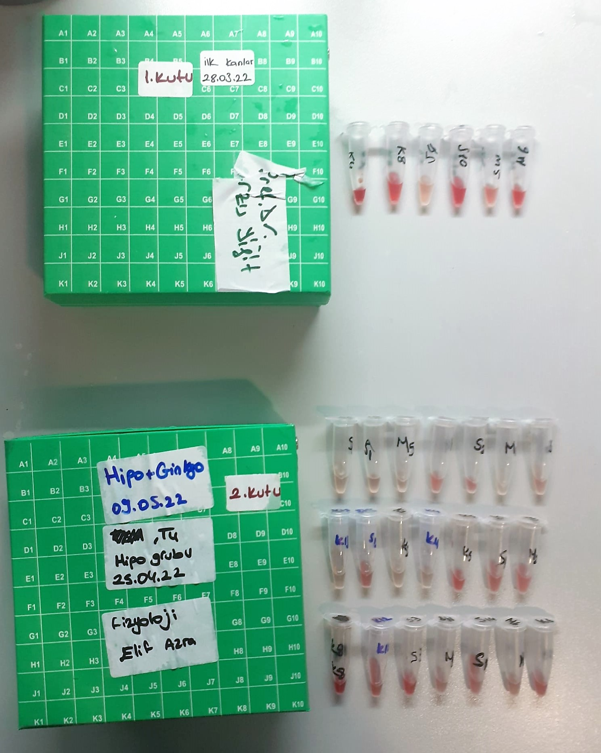
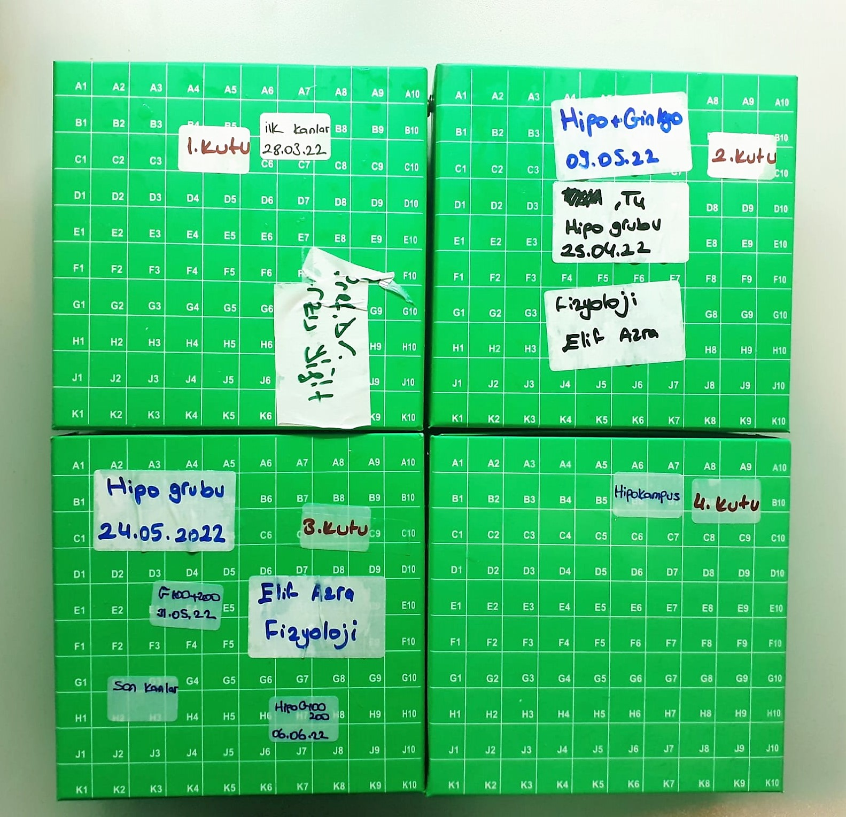

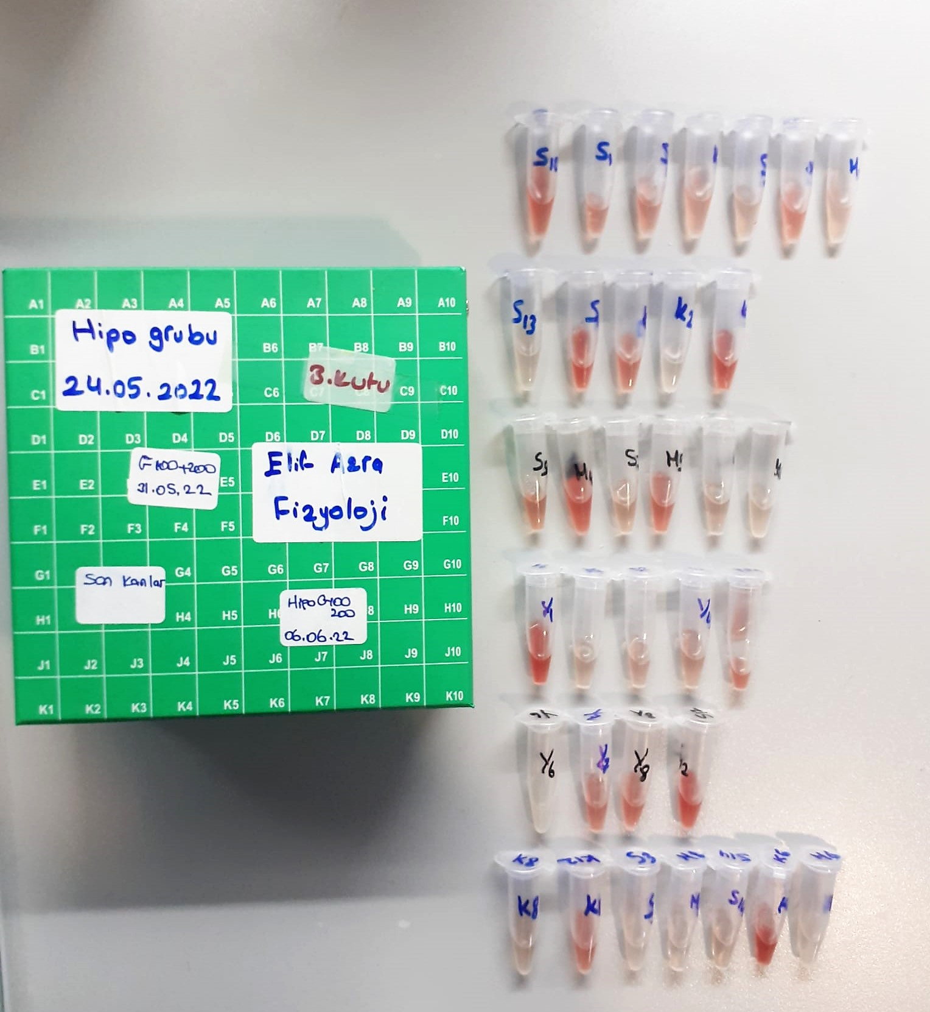
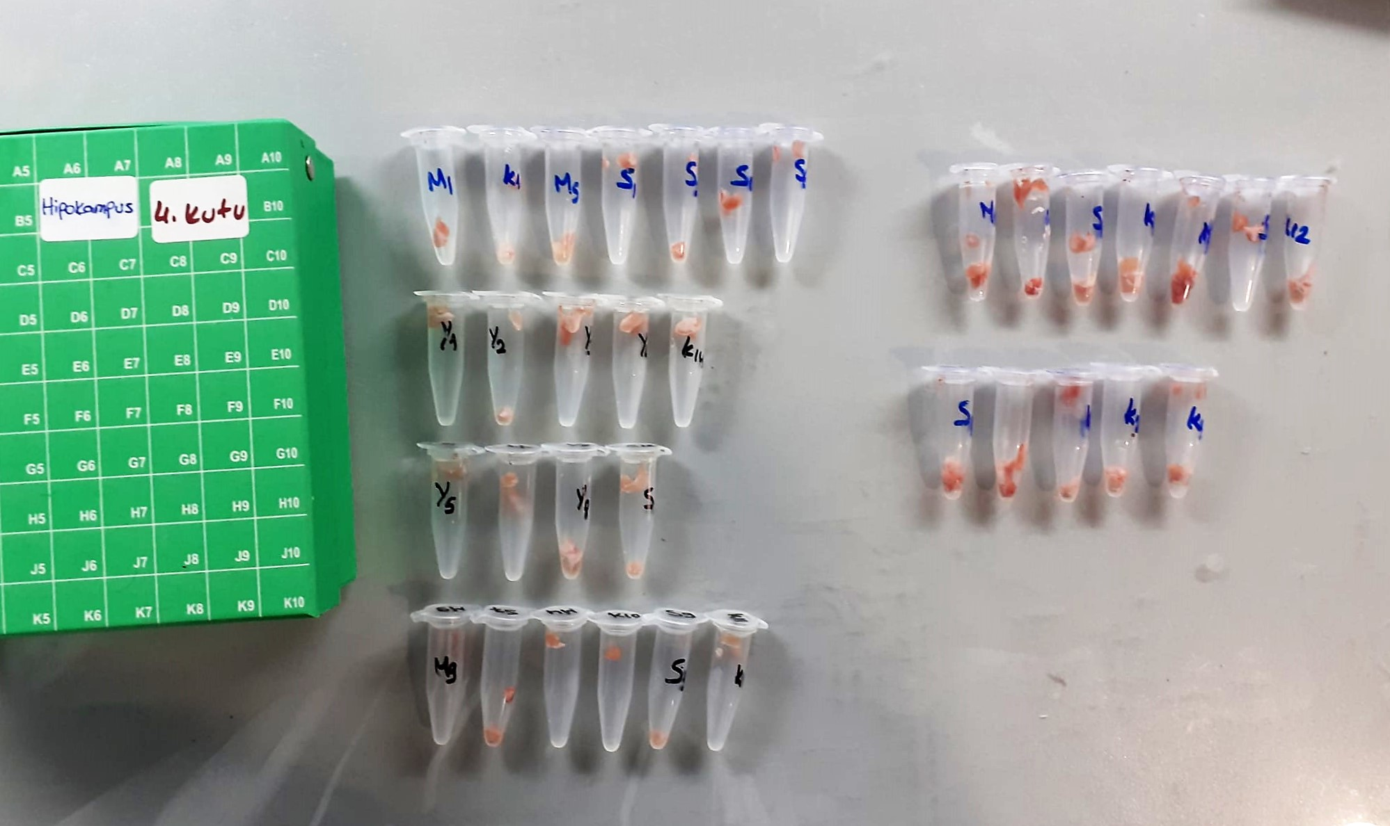

Creatinine mg/L
Immunoturbidimetric assay
Anti-CRP antibodies react with antigen in the sample to form an ntigen/antibody complex. Following agglutination, this is measured turbidimetrically.
Addition of PEG allows the reaction to progress rapidly to the end point,increases sensitivity, and reduces the risk of samples containing excess antigen
producing false negative results.

Urea (BUN) mg/dl
Urea is hydrolysed in presence of urease to produce ammonia and CO2. The ammonia produced combines with 2 – oxoglutarate and NADH in presence of GLDH to yield glutamate and NAD.
urease
Urea+H2O+2H+ 2 NH4+ + 2+ CO2
GLDH
2 NH4+ + 2-Oxoglutarate + 2 NADH H2O + 2 NAD+ + Gl utamate The decrease in absorbance due to consumption of NADH is measured kinetically.

AST U/L
UV test according to a standarrized method
Sample and addition of R1 (buffer)
Addition of R2 and start of reaction: AST
α-ketoglutarate + L-aspartate L- glutamate + oxaloasetate
AST is the enzyme which catalyzes this equilibrium reaction. The oxaloacetate in- crease is measured in a subsequent indicator reaction which is catalyzed by malate dehydrogenase.
MDH
oxalacetate + NADH + H+ L-Malate + NAD+
In the second reaction, NADH is oxidized to NAD. The rate of decrease in NADH
(Measured photometrically) is directly proportional to the rate of formation of
oxaloasetate, and thus the AST activity.

ALT U/L
UV test according to the IFCC method.
ALT
L-Alanin + 2-Oxoglutarate ⎯⎯ L-Glutamate + Pyruvat

GGT (Gamma GT) U/l
Enzymatic colorimetric assay
• Sample and addition of R1 (Buffer/Glycylglycine)
• Addition of R2 (substrate) and start of reaction Gamma-glutamyltransferase transfers the g-glutamyl group of L-g-glutamyl-3-
carboxy-4-nitroanilide to glycylglycine. The amount of 5-amino-2-nitrobenzo-nate liberated is proportional to the GGT activity and can be determined photo-metrically.
(Otto Scientific)

Thiol/Disulfide Homeostasis (µmol/L)
Tests were measured using a novel automatic and spectrophotometric method developed by Erel and Neselioglu*
which is avaliable commercially (Rel Assay Diagnostics, Turkey) In this method, dynamic and reducible disulfide bonds
in the samples were reduced to free functional thiol groups by using sodium borohydride. In order to prevent the reduction
of unused reduced sodium borohydride to dithionite-2 nitrobenzoic (DTNB), NaBH4 was removed with formaldehyde. Native thiol (NT) and total thiol (TT)
levels were determined after reaction with DTNB and their levels were measured ultimately. Half of the difference of the result obtained
by the subtraction of native thiol amount from total thiol content indicated the disulfide (DS) level.
(Relassay, Turkey)

TOTAL ANTIOXDANT STATUS (TAS) (mmol/L)
TAS levels were measured using commercially available kits (Relassay, Turkey). The novel
automated method is based on the bleaching of characteristic color of a more stable ABTS
(2,2 ′ - Azino-bis(3-ethylbenzothiazoline-6-sulfonic acid)) radical cation by antioxidants. The
assay has excellent precision values, which are lower than 3%. The results were expressed as
mmol Trolox equivalent/L (Erel O. A novel automated direct measurement method for total
antioxidant capacity using a new generation, more stable ABTS radicalcation. Clin Biochem
2004;37:277-85.)
(Relassay,Turkey)

TOTAL OXIDANT STATUS (TOS) (µmol/L)
TOS levels were measured using commercially available kits (Relassay, Turkey. In the new
method, oxidants present in the sample oxidized the ferrous ion-o-dianisidine complex to
ferric ion. The oxidation reaction was enhanced by glycerol molecules abundantly present in
the reaction medium. The ferric ion produced a colored complex with xylenol orange in an
acidic medium. The color intensity, which could be measured spectrophotometrically, was
related to the total amount of oxidant molecules present in the sample. The assay was
calibrated with hydrogen peroxide and the results were expressed in terms of
micromolar hydrogen peroxide equivalent per liter (μmol H2O2 equivalent/L). ( Erel O. A
new automated colorimetric method for measuringtotal oxidant status. Clin Biochem
2005;38:1103-11. ).
(Relassay,Turkey)

OXIDATIVE STRESS INDEX (OSI)
The ratio of TOS to TAS was accepted as the oxidative stress index (OSI). For calculation, the
resulting unit of TAS was converted to μmol/L, and the OSI value was calculated according to
the following Formula : OSI (arbitrary unit) =
TOS (μmol H2O2 equivalent/L) / TAC (μmol Trolox equivalent/L). (1-3).
1. Yumru M, Savas HA, Kalenderoglu A, Bulut M, Celik H, Erel O. Oxidative imbalance in
bipolar disorder subtypes: a comparative study. Prog Neuropsychopharmacol Biol Psychiatry.
2009 Aug 31;33(6):1070-4.
2. Kosecik M, Erel O, Sevinc E, Selek S. Increased oxidative stress in children exposed to
passive smoking. Int J Cardiol 2005;100:61–4.
3. (Harma M, Harma M, Erel O (2003) Increased oxidative stress in patients with
hydatidiform mole. Swiss Med Wkly 133:563-536).

TNF-Alfa Assay Principle
This kit is an Enzyme-Linked Immunosorbent Assay (ELISA). The plate has been pre-coated with Rat TNFA antibody. TNFA present in the sample is added and binds to antibodies coated on the wells.
And then biotinylated Rat TNFA Antibody is added and binds to TNFA in the sample. Then Streptavidin-HRP is added and binds to the Biotinylated TNFA antibody.
After incubation unbound Streptavidin-HRP is washed away during a washing step. Substrate solution is then added and color develops in proportion to the amount of Rat TNFA.
The reaction is terminated by addition of acidic stop solution and absorbance is measured at 450 nm.

IL-1BETA Assay Principle
This kit is an Enzyme-Linked Immunosorbent Assay (ELISA). The plate has been pre-coated with Rat IL-1B antibody. IL-1B present in the sample is added and binds to antibodies coated on the wells.
And then biotinylated Rat IL-1B Antibody is added and binds to IL-1B in the sample. Then Streptavidin-HRP is added and binds to the Biotinylated IL-1B antibody.
After incubation unbound Streptavidin-HRP is washed away during a washing step. Substrate solution is then added and color develops in proportion to the amount of Rat IL-1B.
The reaction is terminated by addition of acidic stop solution and absorbance is measured at 450 nm.

Cortisol Assay Principle
This kit is an enzyme -linked ımmunosorbent assay.(elisa).COR standards or samples are added to the wells pre-coated with a monoclonal antibody.
Then biotin-conjugated target antigen are added to the wells. The antigens in the standards or sample compete with the biotin-conjugated antigen to the bind to the capture antibody and incubate.
Unbound antigen is washed away during a washing step.An avidin-HRP is then added and then incubate.Unbound avidin hrp is washed away during a washing step.TMB Subsrate is then added and color develops.
The reaction is stopped by addition of acidic stop solution and color changes into yellow that can be measured at 450 nm. The intensity of the color developed in inversely proportional to the concentration of COR in the sample.
The concentratıon of COR in the sample is then determined by comparing the O.D of the samples to the standard curve.

TT4 Assay Principle
This kit is an Enzyme-Linked Immunosorbent Assay (ELISA). The plate has been pre-coated with Rat TT4 antibody. TT4 present in the sample is added and binds to antibodies coated on the wells.
And then biotinylated Rat TT4 Antibody is added and binds to TT4 in the sample. Then Streptavidin-HRP is added and binds to the Biotinylated TT4 antibody.
After incubation unbound Streptavidin-HRP is washed away during a washing step. Substrate solution is then added and color develops in proportion to the amount of Rat TT4 .
The reaction is terminated by addition of acidic stop solution and absorbance is measured at 450 nm.

TSH Assay Principle
This kit is an Enzyme-Linked Immunosorbent Assay (ELISA). The plate has been pre-coated with Rat TSH antibody. TSH present in the sample is added and binds to antibodies coated on the wells.
And then biotinylated Rat TSH Antibody is added and binds to TTSH in the sample. Then Streptavidin-HRP is added and binds to the Biotinylated TSH antibody.
After incubation unbound Streptavidin-HRP is washed away during a washing step. Substrate solution is then added and color develops in proportion to the amount of Rat TSH.
The reaction is terminated by addition of acidic stop solution and absorbance is measured at 450 nm.

