Model_Comparison
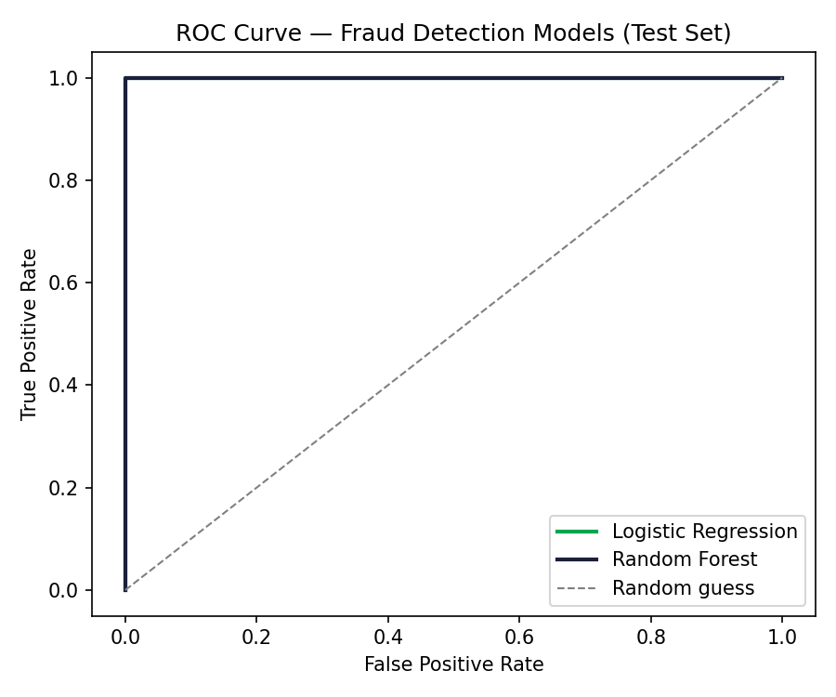
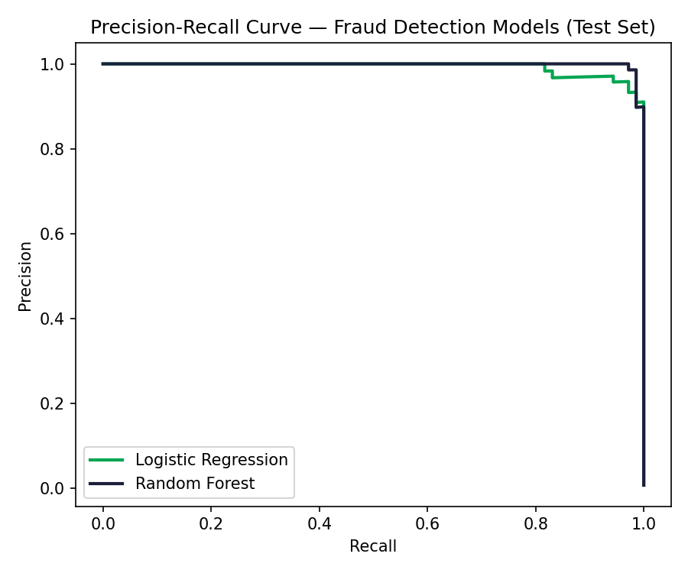
Model Comparison — Rule-Based vs Logistic Regression vs Random Forest
All metrics evaluated on the same held-out test period (last ~25% of transactions chronologically)

model | threshold | precision | recall | f1_score | roc_auc
Logistic Regression | 0.5 | 0.7172 | 1 | 0.8353 | 0.9999
Random Forest | 0.5 | 0.7474 | 1 | 0.8554 | 1
Rule-Based | score>=50 | 1 | 0.9718 | 0.9857

Precision, Recall, F1 by Model

Feature_Importance
Feature Importance — Logistic Regression Coefficients
Standardized coefficients: positive = increases fraud probability, negative = decreases it

feature | coefficient
amount_zscore | 2.8270536334
txn_count_last_1h | 1.0903250459
region_mismatch | 0.34806215613
is_new_device | 0.30986759715
txn_count_last_24h | -0.21466879966
is_odd_hour | -0.21117582672
account_age_days | 0.17202447469

Logistic Regression Coefficients

Feature Importance — Random Forest

feature | importance
amount_zscore | 0.28115911361
is_new_device | 0.25664559772
region_mismatch | 0.2401113197
is_odd_hour | 0.088097927744
txn_count_last_1h | 0.084118333293
txn_count_last_24h | 0.038288495563
account_age_days | 0.011579212371

Random Forest Feature Importance

