Home
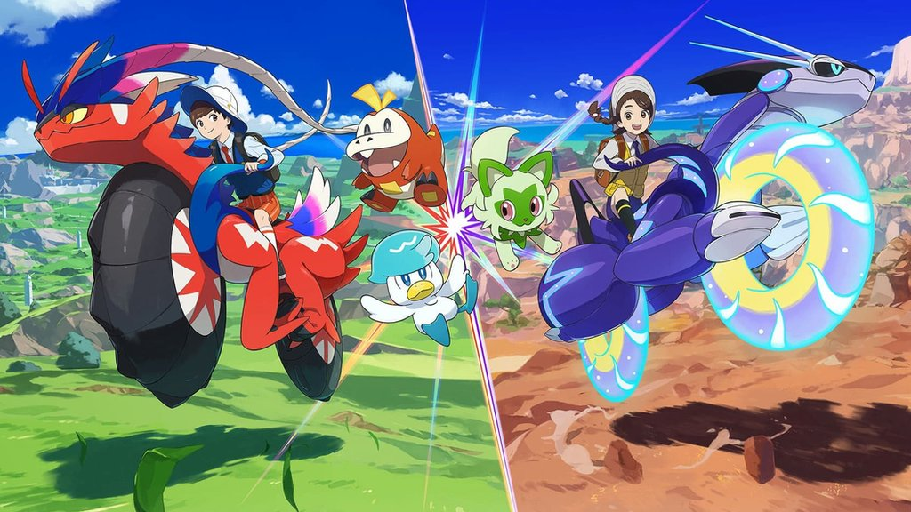
Scarlet Violet Singles Pokemon Draft League
Year 2 | Ryan Tidey | Marcus | Ian Heslin | Ryan Evans

 | Tyler Gottfredsen | Dick Hansen | Jackson McLoughlin | Zach VanSickle

