Sheet1
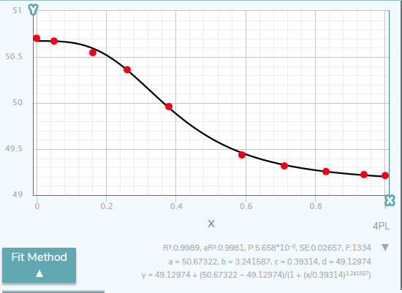
 |  | a | 50.654528761
 |  | b | 6.827903126
 |  | c | 0.70871416442
 |  | d | 49.248777592
 |  | sum | 0.01763933249 | base freq: | 49.951653176

X | Y | pred | diff
0.00 | 50.685 | 50.654528761 | 0.00092849643273
0.02 | 50.682 | 50.654528761 | 0.00075466899762
0.11 | 50.674 | 50.654525648 | 0.00037925037349
0.24 | 50.658 | 50.653682928 | 1.8637109669E-05
0.36 | 50.623 | 50.639919804 | 0.0002862797511
0.42 | 50.581 | 50.615476442 | 0.0011886250613
0.46 | 50.539 | 50.580543129 | 0.0017258315786
0.53 | 50.462 | 50.491574295 | 0.00087463892607
0.60 | 50.34 | 50.304616627 | 0.001251983079
0.69 | 50.09 | 50.019155844 | 0.005018894392
0.73 | 49.835 | 49.889786254 | 0.0030015336305
0.81 | 49.633 | 49.643465937 | 0.00010953583414
0.88038277512 | 49.482 | 49.509229532 | 0.00074144742963
0.93301435407 | 49.427 | 49.435294422 | 6.8797442895E-05
1 | 49.407 | 49.371073513 | 0.0012907124516

