Fitter
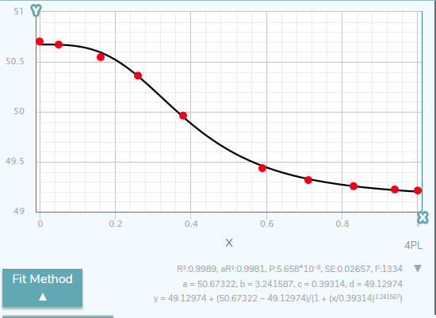
 |  | a | 0.018020753348
 |  | b | 4.4812743699
 |  | c | 0.64629961951
 |  | d | 1.1506223679
 |  | sum | 0.0019679754704 | base freq: | 0.58432156065

X | Y | pred | diff
0.00 | 0 | 0.018020753348 | 0.00032474755124
0.06 | 0.0073726541555 | 0.018044024828 | 0.00011387815203
0.17 | 0.029490616622 | 0.021210230113 | 6.856480073E-05
0.29 | 0.070375335121 | 0.048723267217 | 0.00046881204449
0.41 | 0.15013404826 | 0.1446303081 | 3.0291155717E-05
0.62 | 0.50268096515 | 0.52419713715 | 0.00046294565759
0.74 | 0.77077747989 | 0.7575408765 | 0.00017520766938
0.84 | 0.89477211796 | 0.8802667977 | 0.00021040431589
0.95 | 0.97922252011 | 0.98188491438 | 7.0883432551E-06
1.00 | 1 | 1.0102973676 | 0.00010603578005
 |  | 0 | 0
 |  | 0 | 0
 |  | 0 | 0
 |  | 0 | 0
 |  | 0 | 0

 | Measured | Predicted
0.00 | 0 | 0.018020753348
0.06 | 0.0073726541555 | 0.018044024828
0.17 | 0.029490616622 | 0.021210230113
0.29 | 0.070375335121 | 0.048723267217
0.41 | 0.15013404826 | 0.1446303081
0.62 | 0.50268096515 | 0.52419713715
0.74 | 0.77077747989 | 0.7575408765
0.84 | 0.89477211796 | 0.8802667977
0.95 | 0.97922252011 | 0.98188491438
1.00 | 1 | 1.0102973676
 |  | 0
 |  | 0
 |  | 0
 |  | 0
 |  | 0

