Sheet1
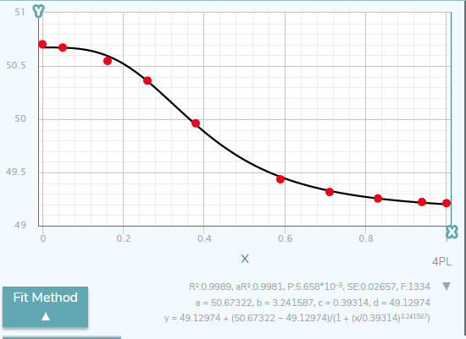
 |  | a | 50.67322
 |  | b | 3.24
 |  | c | 0.39
 |  | d | 49.12
 |  | sum | 0.0055036784199

X | Y | pred | diff
0.00 | 50.704 | 50.67322 | 0.0009474084
0.05 | 50.673 | 50.671640058 | 1.8494412743E-06
0.16 | 50.547 | 50.586727216 | 0.0015782516732
0.26 | 50.362 | 50.35757628 | 1.9569302968E-05
0.38 | 49.962 | 49.917025894 | 0.0020226701699
0.59 | 49.436 | 49.437775365 | 3.1519204427E-06
0.71 | 49.317 | 49.315507515 | 2.2275122523E-06
0.83 | 49.256 | 49.245698453 | 0.00010612187939
0.94 | 49.223 | 49.204392461 | 0.00034624049094
1.00 | 49.212 | 49.190178276 | 0.00047618762952

 | Measured | Predicted
0.00 | 50.704 | 50.67322
0.05 | 50.673 | 50.671640058
0.16 | 50.547 | 50.586727216
0.26 | 50.362 | 50.35757628
0.38 | 49.962 | 49.917025894
0.59 | 49.436 | 49.437775365
0.71 | 49.317 | 49.315507515
0.83 | 49.256 | 49.245698453
0.94 | 49.223 | 49.204392461
1.00 | 49.212 | 49.190178276

