Category Statistics
country | US
Parent Category Outcomes
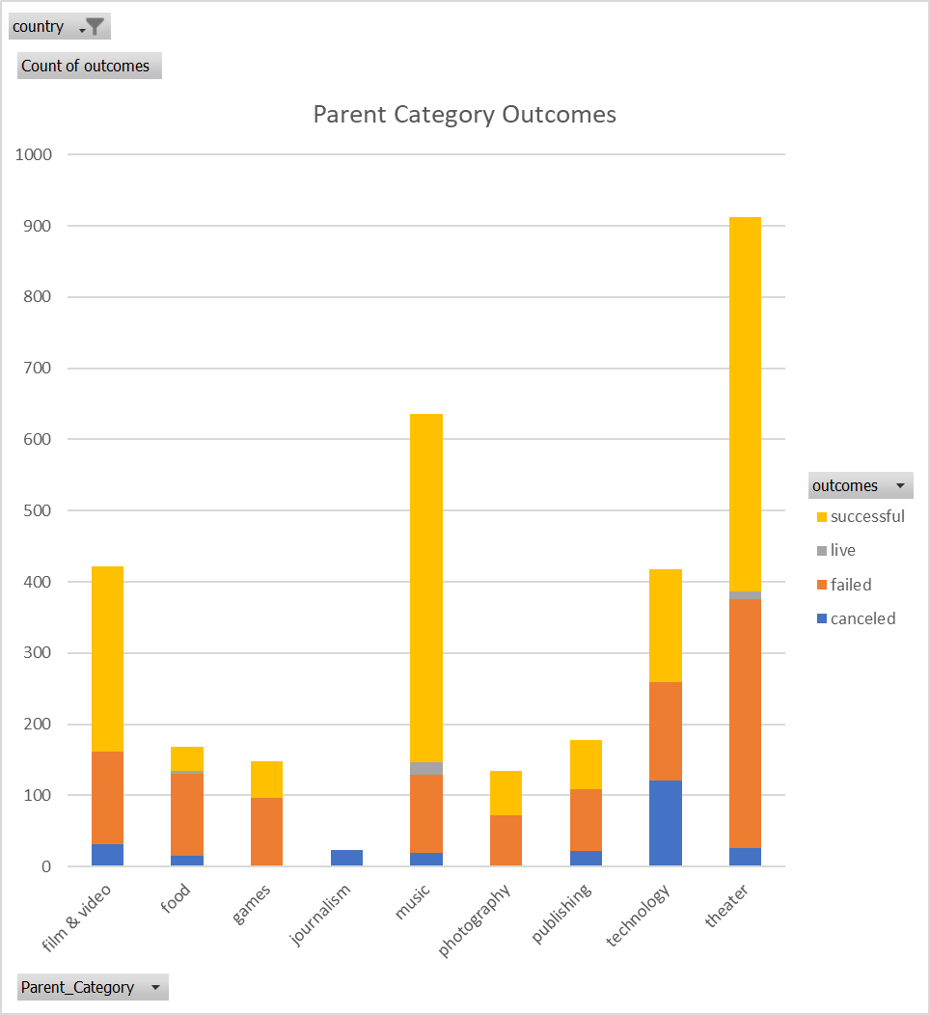
Count of outcomes | Column Labels
Row Labels | canceled | failed | live | successful | Grand Total
theater | 26 | 349 | 12 | 525 | 912
Grand Total | 26 | 349 | 12 | 525 | 912

Subcategory Statistics
country | (All)
Parent_Category | (All)
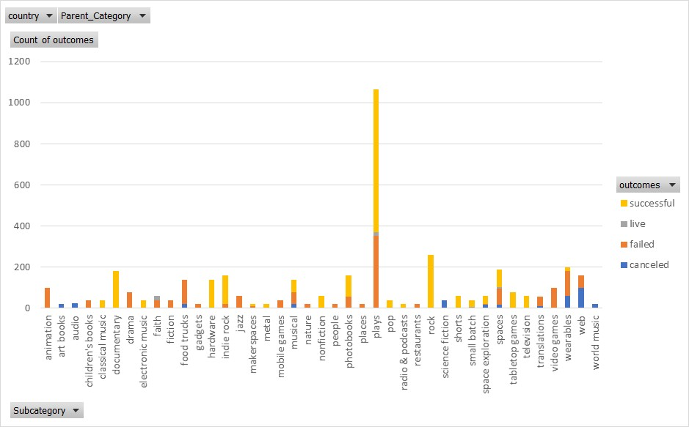
Count of outcomes | Column Labels
Row Labels | failed | live | successful | Grand Total
plays | 353 | 19 | 694 | 1066
Grand Total | 353 | 19 | 694 | 1066

Outcomes Based on Launch Date
Parent_Category | theater
Years | (All)
 | canceled | failed | live | successful
Jan | 7 | 33 | 2 | 56
Feb | 3 | 39 | 8 | 71
Mar | 3 | 33 | 14 | 56
Apr | 2 | 40 |  | 71
May | 3 | 52 |  | 111
Jun | 4 | 49 |  | 100
Jul | 1 | 50 |  | 87
Aug | 4 | 47 |  | 72
Sep | 4 | 34 |  | 59
Oct |  | 50 |  | 65
Nov | 3 | 31 |  | 54
Dec | 3 | 35 |  | 37
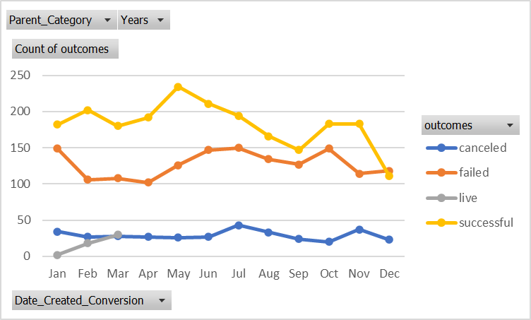
Count of outcomes | Column Labels
Row Labels | canceled | failed | live | successful | Grand Total
Jan | 7 | 33 | 2 | 56 | 98
Feb | 3 | 39 | 8 | 71 | 121
Mar | 3 | 33 | 14 | 56 | 106
Apr | 2 | 40 |  | 71 | 113
May | 3 | 52 |  | 111 | 166
Jun | 4 | 49 |  | 100 | 153
Jul | 1 | 50 |  | 87 | 138
Aug | 4 | 47 |  | 72 | 123
Sep | 4 | 34 |  | 59 | 97
Oct |  | 50 |  | 65 | 115
Nov | 3 | 31 |  | 54 | 88
Dec | 3 | 35 |  | 37 | 75
Grand Total | 37 | 493 | 24 | 839 | 1393

