Data P02_10
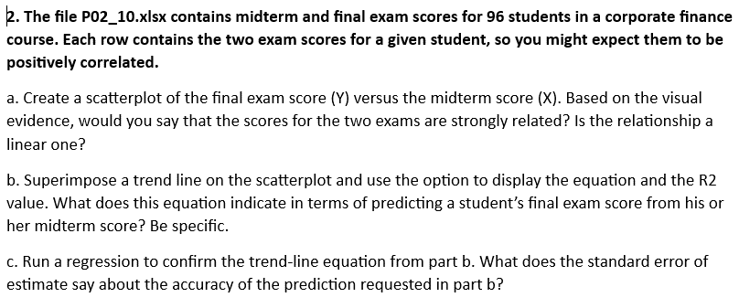
Student | Midterm | Final
1 | 72 | 70
2 | 95 | 100
3 | 83 | 88
4 | 85 | 75
5 | 65 | 73
6 | 82 | 86
7 | 84 | 85
8 | 74 | 69
9 | 74 | 76
10 | 82 | 73
11 | 81 | 71
12 | 75 | 80
13 | 78 | 72
14 | 78 | 83
15 | 72 | 68
16 | 73 | 83
17 | 75 | 76
18 | 79 | 69
19 | 72 | 76
20 | 75 | 79
21 | 77 | 74
22 | 71 | 80
23 | 78 | 70
24 | 83 | 93
25 | 84 | 78
26 | 71 | 81
27 | 81 | 73
28 | 82 | 88
29 | 79 | 83
30 | 71 | 69
31 | 73 | 77
32 | 89 | 87
33 | 74 | 74
34 | 75 | 78
35 | 93 | 96
36 | 74 | 84
37 | 88 | 90
38 | 83 | 89
39 | 90 | 100
40 | 82 | 82
41 | 79 | 85
42 | 62 | 60
43 | 73 | 70
44 | 88 | 88
45 | 76 | 80
46 | 76 | 86
47 | 76 | 68
48 | 80 | 84
49 | 84 | 92
50 | 84 | 74
51 | 91 | 98
52 | 70 | 64
53 | 76 | 78
54 | 74 | 79
55 | 68 | 76
56 | 80 | 88
57 | 87 | 94
58 | 92 | 86
59 | 84 | 87
60 | 79 | 75
61 | 80 | 75
62 | 91 | 84
63 | 74 | 77
64 | 69 | 62
65 | 88 | 92
66 | 84 | 79
67 | 83 | 82
68 | 87 | 81
69 | 82 | 89
70 | 72 | 63
71 | 97 | 87
72 | 88 | 91
73 | 70 | 71
74 | 83 | 78
75 | 92 | 97
76 | 94 | 92
77 | 63 | 56
78 | 83 | 91
79 | 81 | 78
80 | 84 | 94
81 | 78 | 71
82 | 84 | 93
83 | 91 | 88
84 | 78 | 88
85 | 71 | 76
86 | 77 | 79
87 | 78 | 78
88 | 70 | 74
89 | 86 | 89
90 | 79 | 85
91 | 70 | 60
92 | 75 | 78
93 | 80 | 84
94 | 75 | 66
95 | 77 | 80
96 | 74 | 65

P02_10_a
a. Create a scatterplot of the final exam score (Y) versus the midterm score (X). Based on the visual evidence, would you say that the scores for the two exams are strongly related? Is the relationship a linear one?

Answer:
Based on the visual evidence from the scatterplot, we can make the following observations: The scores for the two exams are positively correlated, as we might expect. This means that students who perform well on the Midterm tend to also perform well on the Final, and vice versa. Also, the relationship between the Midterm and Final scores appears to be linear, as a straight line could be drawn to approximate the trend of the data

Scatterplot by Krasnoff
 | Scaterplot
72 | 70
95 | 100
83 | 88
85 | 75
65 | 73
82 | 86
84 | 85
74 | 69
74 | 76
82 | 73
81 | 71
75 | 80
78 | 72
78 | 83
72 | 68
73 | 83
75 | 76
79 | 69
72 | 76
75 | 79
77 | 74
71 | 80
78 | 70
83 | 93
84 | 78
71 | 81
81 | 73
82 | 88
79 | 83
71 | 69
73 | 77
89 | 87
74 | 74
75 | 78
93 | 96
74 | 84
88 | 90
83 | 89
90 | 100
82 | 82
79 | 85
62 | 60
73 | 70
88 | 88
76 | 80
76 | 86
76 | 68
80 | 84
84 | 92
84 | 74
...

P02_10_b
b. Superimpose a trend line on the scatterplot and use the option to display the equation and the R2 value. What does this equation indicate in terms of predicting a student’s final exam score from his or her midterm score? Be specific.

Answer:
The equation of the trend line indicates the relationship between the independent variable (midterm score) and the dependent variable (final exam score) in the form of a linear equation. The R-squared value, also known as the coefficient of determination, measures the proportion of the variance in the dependent variable that is predictable from the independent variable(s). In the context of predicting a student's final exam score from his or her midterm score, the equation of the trend line provides the specific formula for making the prediction. The R-squared value indicates how well the trend line fits the data and, therefore, how much of the variation in the final exam scores can be explained by the midterm scores. A higher R-squared value suggests a stronger relationship between the two variables and a better prediction model. To be specific, an R2 of 1.0 indicates that the data perfectly fit the linear model. Any R2 value less than 1.0 indicates that at least some variability in the data cannot be accounted for by the model (e.g., an R2 of 0.5 indicates that 50% of the variability in the outcome data cannot be explained by the model). In this case, the R2 is 0,5795. Thus, 57.95% of the variation in the grades is explained by the regression model.

Scatterplot by Krasnoff
 | Scaterplot
72 | 70
95 | 100
83 | 88
85 | 75
65 | 73
82 | 86
84 | 85
74 | 69
74 | 76
82 | 73
81 | 71
75 | 80
78 | 72
78 | 83
72 | 68
73 | 83
75 | 76
79 | 69
72 | 76
75 | 79
77 | 74
71 | 80
78 | 70
83 | 93
84 | 78
71 | 81
81 | 73
82 | 88
79 | 83
71 | 69
73 | 77
89 | 87
74 | 74
75 | 78
93 | 96
74 | 84
88 | 90
83 | 89
90 | 100
82 | 82
79 | 85
62 | 60
73 | 70
88 | 88
76 | 80
76 | 86
76 | 68
80 | 84
84 | 92
84 | 74
...

P10_16_b
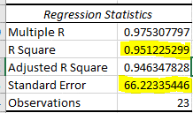
b. Interpret the s standard error of estimate se and R2 for these data.
Answer:
The standard error of estimate (SE) is a measure of the average deviation of the actual values from the predicted values in the regression model. In this case, the standard error of the estimate is 66.2233544628525. A lower standard error of estimate indicates a better fit of the regression model to the data, and it can be interpreted as the average amount by which the actual maintenance expenses deviate from the predicted values. In the given case, the standard error of the estimate is relatively low, which indicates that the regression model is a good fit for the data and that the predicted final exam scores are likely to be close to the actual scores. The R-squared (R2) value, which is 0.951225299 in this case, represents the proportion of the variance in the dependent variable (maintenance expense) that is explained by the independent variables (miles driven and the age of the truck). A higher R-squared value indicates a better fit of the regression model to the data. In this case, approximately 95.12% of the variance in the maintenance expense can be explained by the miles driven and age of the truck variables.

Data P10_28
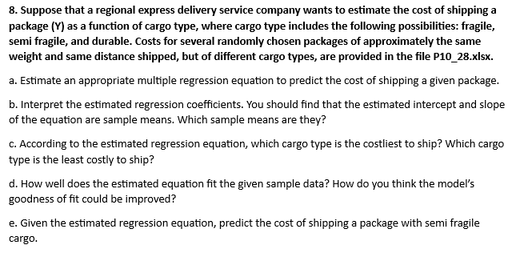
Shipment | Cargo Type | Cost of Shipment | Durable | Fragile | Semifragile
1 | Semifragile | $7.00 | 0 | 0 | 1
2 | Durable | $2.00 | 1 | 0 | 0
3 | Fragile | $13.80 | 0 | 1 | 0
4 | Fragile | $11.10 | 0 | 1 | 0
5 | Semifragile | $10.00 | 0 | 0 | 1
6 | Fragile | $17.20 | 0 | 1 | 0
7 | Semifragile | $11.50 | 0 | 0 | 1
8 | Semifragile | $6.50 | 0 | 0 | 1
9 | Semifragile | $8.50 | 0 | 0 | 1
10 | Durable | $2.10 | 1 | 0 | 0
11 | Fragile | $10.90 | 0 | 1 | 0
12 | Fragile | $12.00 | 0 | 1 | 0
13 | Durable | $7.50 | 1 | 0 | 0
14 | Durable | $3.40 | 1 | 0 | 0
15 | Durable | $1.30 | 1 | 0 | 0

