Sheet1
 | Quantity | Value | Component Category | Weight (kg) | Part Number | Area (sq mm) | Layers | Thickness (mm) | Embodied Carbon (kg of CO2e) |  | Data We Have Specific Emissions Information For | Data We Have General Emissions Information For
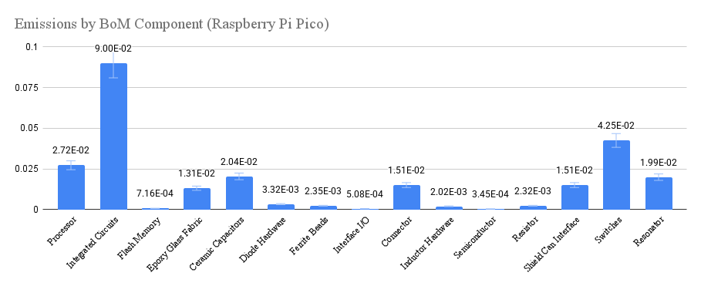
U1 | 1 | RP2040 | ICs |  | RP2B1 |  |  |  | 2.72E-02
U2 | 1 | RT6154AGQW | Integrated Circuits |  | RT6154AGQW |  |  |  | 2.54E-02
U3 | 1 | W25Q16JVUXIQ | Integrated Circuits |  | W25Q16JVUXIQ |  |  |  | 3.00E-05
U19 | 1 | CYW43439KUBG | Integrated Circuits |  | CYW43439KUBG |  |  |  | 6.46E-02
1 |  | PCB | PCB |  |  | 1071 | 2 | 1 | 1.3E-02
C1,C2,C21 | 3 | 47u | Capacitor |  | GRM21BR60J476ME01L |  |  |  | 3.20E-03
C4,C5,C6,C7,C8,C9,C10,C11,C15,C20,C251,C255,C256 | 13 | 100n | Capacitor |  | GRM033R60J104KE19D |  |  |  | 7.94E-03
C12,C13,C14,C18,C246,C248 | 6 | 2.2u | Capacitor |  | GRM155R60J225ME01D |  |  |  | 8.76E-04
C16,C17 | 2 | 15p | Capacitor |  | GRM0335C1E150JA01D |  |  |  | 1.22E-03
C240,C241,C243 | 3 | 4.7u | Capacitor |  | GRM155R60J475ME47J |  |  |  | 4.38E-04
C242,C244,C245,C252 | 4 | 1u | Capacitor |  | GRM033R60J105ME11D |  |  |  | 2.44E-03
C247,C272 | 2 | NF | Capacitor |  |  |  |  |  | 1.22E-03
C249,C250 | 2 | 10p | Capacitor |  | GRM0335C1E100JA01D |  |  |  | 1.22E-03
C257,C258 | 2 | 18p | Capacitor |  | GRM0335C1E180JA01D |  |  |  | 1.22E-03
C260,C271 | 2 | 0.2pF | Capacitor |  | GJM1555C1HR20WB01D |  |  |  | 2.92E-04
C261 | 1 | 0.36pF | Capacitor |  | GJM1555C1HR36WB01D |  |  |  | 1.46E-04
C262 | 1 | 0.3pF | Capacitor |  | GJM1555C1HR30WB01D |  |  |  | 1.46E-04
D1 | 1 | MBR120VLSFT1G | Diode | 1.1708353051E-05 | MBR120VLSFT1G |  |  |  | 2.94E-03
D2 | 1 | Green | Diode | 1.5025247256E-06 | 150060VS83000 |  |  |  | 3.77E-04
FB8 | 1 | 600@100MHz | Ferite Bead | 2.0128161419E-06 | BLM18AG601SN1 |  |  |  | 2.44E-04
FB9 | 1 | 600@100MHz | Ferite Bead | 3.5011661059E-05 | BLM03AG601SN1D |  |  |  | 4.24E-03
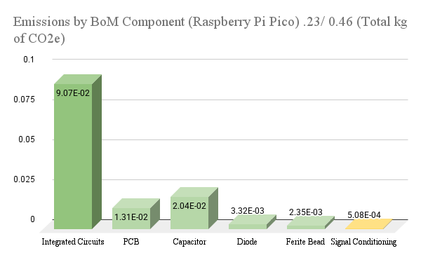
FL1 | 1 | LFB212G45CG7D227 | active component(Signal Conditioning) | 7.9945655213E-06 | LFB212G45CG7D227/ DPX201990DT-4051A2 |  |  |  | 9.67E-04
J0 | 1 | CON_PICO_40W-notfitted | Connector Hardware | 0.00071279205993 | TSW-120-07-L-D |  |  |  | 6.69E-03
J1 | 1 | 690-005-298-486 | Connector | 0.00028399999451 | 690-005-298-486 |  |  |  | 2.66E-03 |  |  |  | 0.16
J2 | 1 | CON_PICO_3W-notfitted | Connector Hardware | 5.3459404495E-05 |  |  |  |  | 5.01E-04
L1 | 1 | 1u | Inductor | 3.2006611608E-05 | SRN2512-1R0M |  |  |  | 1.36E-03
L8 | 1 | 2.2u | Inductor |  | LQM18PN2R2MGH |  |  |  | 3.30E-04
L9 | 1 | 4.7n | Inductor |  | LQP03HQ4n7H02D |  |  |  | 3.30E-04
Q1 | 1 | DMG1012T | Semiconductor Hardware | 2.0128161419E-06 | DMG1012T |  |  |  | 3.45E-04
R1,R6,R10,R88 | 4 | 10K | Resistor |  |  |  |  |  | 4.80E-04
R2,R8,R20 | 3 | 100K | Resistor |  | RK73H1HTTCM1003F |  |  |  | 3.60E-04
R3 | 1 | 470R | Resistor |  |  |  |  |  | 1.20E-04
R5 | 1 | 20K | Resistor |  |  |  |  |  | 1.20E-04
R7 | 1 | 200R | Resistor |  | RC0603FR-07200RL |  |  |  | 1.20E-04
R9 | 1 | 1R | Resistor |  | RC0402FR-071RL |  |  |  | 4.00E-05
R11,R14 | 2 | 1K | Resistor |  |  |  |  |  | 2.40E-04
Pico W Official Semiconductor Breakdown
 | 2.72E-02
 | 2.54E-02
 | 3.00E-05
 | 6.46E-02
R12,R13 | 2 | 27R | Resistor |  | RC0201FR-0727RL |  |  |  | 2.40E-04 |  |  |  |  | 0201 | 0.00001 | 0.000036 | 0.000022
R21 | 1 | 560K | Resistor |  | RK73H1HTTCM5603F |  |  |  | 1.20E-04 |  |  |  |  | 0402 | 0.00004 | 0.000146 | 0.000078
R80 | 1 | 22R | Resistor |  | RK73H1HTTC22R0F |  |  |  | 1.20E-04 |  |  |  |  | 0603 | 0.00012 | 0.000611 | 0.00033
R81 | 1 | 220R | Resistor |  | MCR006YLPF2200 |  |  |  | 1.20E-04 |  |  |  |  | 0805 | 0.0006 | 0.001067 | 0.001358
R86 | 1 | 0R | Resistor |  | RK73Z1HTTCM |  |  |  | 1.20E-04
R87 | 1 | 470R | Resistor |  |  |  |  |  | 1.20E-04
SH1 | 1 | SHJJ-031306 | metals | 0.0014912399176 |  |  |  |  | 1.51E-02
SW1 | 1 | TP-1221U-K9K5325 | Switches | 0.0006689920467 | TP-1221U-K9K5325/ FSMMSH |  |  |  | 4.25E-02
TP1,TP2,TP3,TP4,TP5,TP6 | 6 | SQ1P5MM | Connector | 0.00012232819228 | TP_SMT_SQUARERC_1P5MM |  |  |  | 5.23E-03
X1 | 1 | 12MHz | ICs | 1.4004664424E-05 | X12M000000S096/ SM10T-18-12.0M-30G1LK |  |  |  | 1.69E-03
X2 | 1 | 37.4MHz | ICs | 0.00015076276398 | X37M400000S002/ FA-118T 27.1200MD50Z-K3 |  |  |  | 1.82E-02

 |  |  |  |  |  |  |  |  | 0.257 | 0.250

 |  |  |  |  |  |  |  |  |  | 0.11%
Package | Resistor | Capacitor | Inductor
0201 | 0.00001 | 0.000036 | 0.000022
0402 | 0.00004 | 0.000146 | 0.000078
0603 | 0.00012 | 0.000611 | 0.00033
0805 | 0.0006 | 0.001067 | 0.001358

