Design Variables
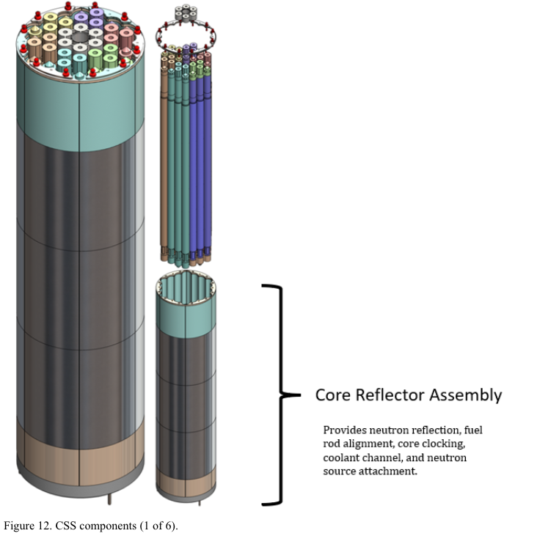
Variable | Value | Units | Description
Overall System
Thermal power | 83 | kWth | —
Electric Power | 20 | kWe
Core outer radius | 5.5 | inches | —
Reflector outer radius | 16.5 | inches | —
Fuel
Fuel mass | 145.3 | kg | UZrH
U Weight fraction | 30 | wt% | U/UZrH
U enrichment | 19.75 | wt% | High-assay low-enriched uranium (HALEU)
Pins | 36 | # | —
Reflector
Outer reflector material | BeO | — | 99% theoretical density
Elements | 124 | # | Quarter plates
Reflector plate thickness | 1 | inches | —
Reflector plate volume | 818.4 | cm3/plate | —
Mass of BeO reflector | 318 | Kg
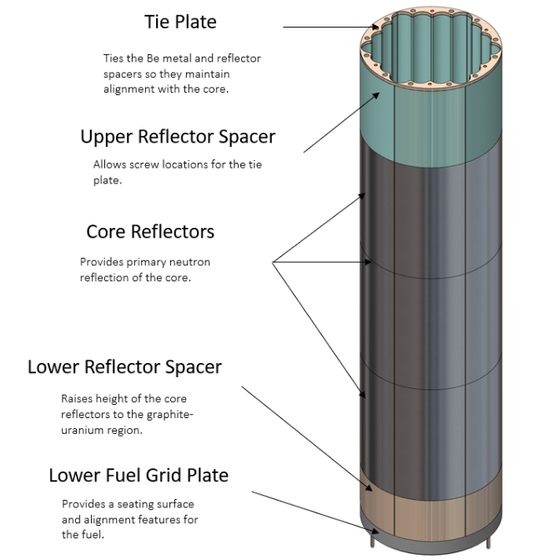
Insert volume | 570 | cm3/plate | —
Mass of Be-metal reflector | 0.019 | MT | —
Control Elements
Control drums | 4 | # | —
Shutdown rods | 1 | # | —
Control drum elements | 124 | # | Discs
Drum disc thickness | 1 | inches | —
Drum reflector volume | 880.8 | cm3/plate | BeO 99%
Mass of drum reflector | 309 | Kg | —
Drum poison volume | 49.2 | cm3/plate | B4C
Mass of drum poison | 14 | Kg | —
Mass of rod poison | 14 | Kg | B4C
Instruments and Controls
Control cabinet | 5 |  | —
Instrument cabinet | 2 |  | —
Nuclear input/output (IO) | 9 |  | —
Non-nuclear IO | 213 |  | —
Stirling engine IO | 48 | — | These should be excluded if there no stirling engine?
TOTAL | 277
Shielding in Vessel
Stainless Steel cans | 54.2 | Kg | Stainless Steel cans of the boron carbide shielding material (SS316H)
Gamma shield material | 56.3 | Kg | Gamma shield material inside the guard vessel (of Tungsten)
Neutron shield material in the guard vessel | 39.7 | Kg | made of natural B4C powder and is located above the core (a donut around the core barrel)—
Boron Carbine shielding | 95.3 | Kg | made of natural B4C (called base shield) below the core
Radial (lead) | 2571.9 | Kg | lead
Radial (WEP) | 925.3 | Kg | made of Water Extended Polyster (WEP)
Shielding in Pit
Mass of the pit neutron shielding | 8.3 | MT | Approximated 6-in.-thick covering whole pit and made of Water-extruded poly (WEP)
Heat Transfer
Mass of coolant | 156 | Kg | —
Number of loops | 4 | # | —
Mass of PCSs | 0.86 | MT | SS316H
Subassembly Structure Masses
Reactor support frame | 1.11 | MT | —
Guard vessel | 1.587 | MT | —

