Login_2024-09-18_12-33-51
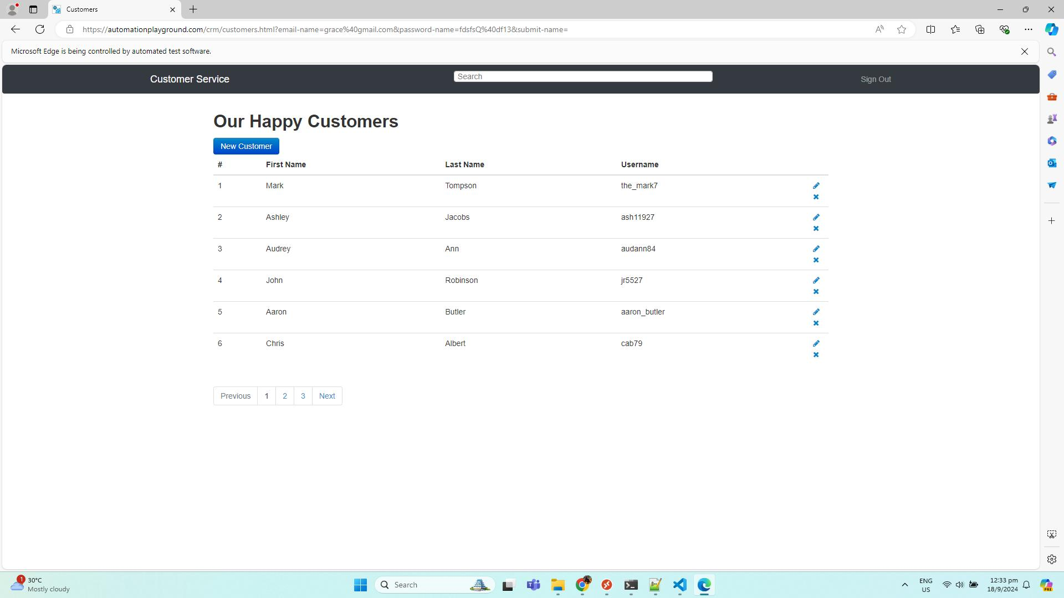
No. | Screenshot
1 | LoginPage
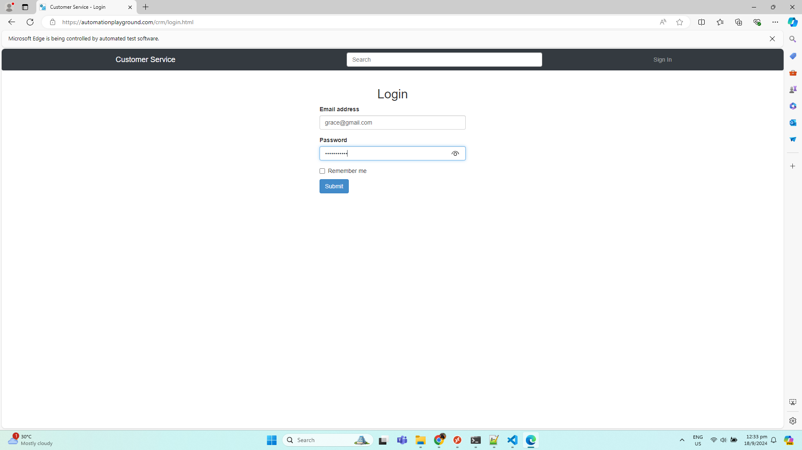

2 | LandingPage

