Login_2024-12-02_15-29-45
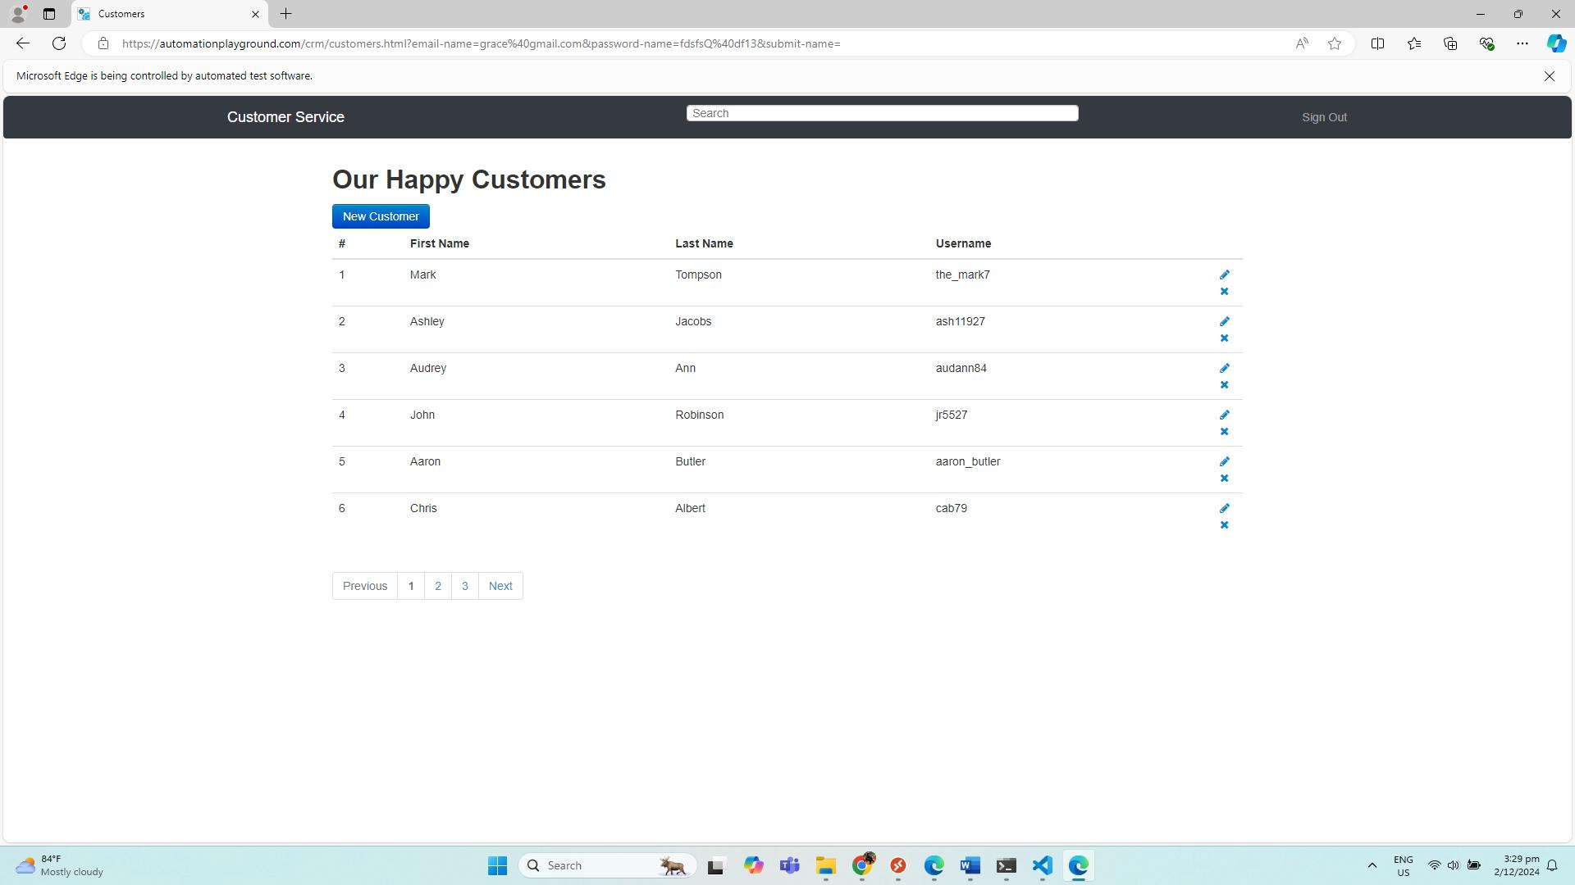
No. | Screenshot
1 | LoginPage
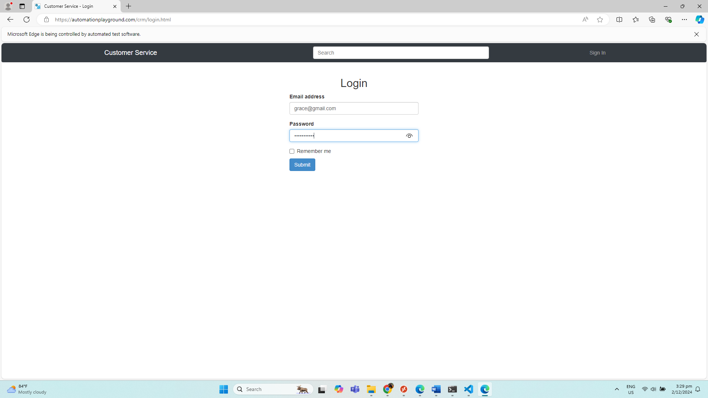

2 | LandingPage

