Login_2024-12-02_15-31-26
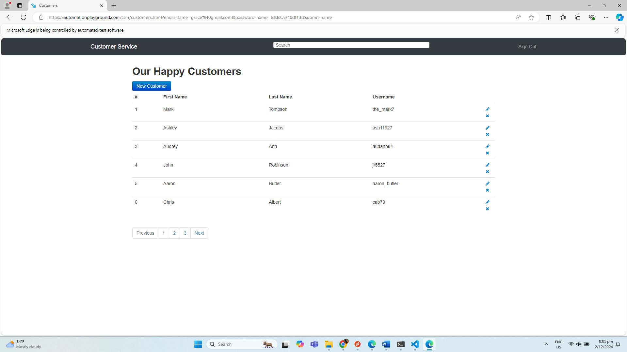
No. | Screenshot
1 | LoginPage
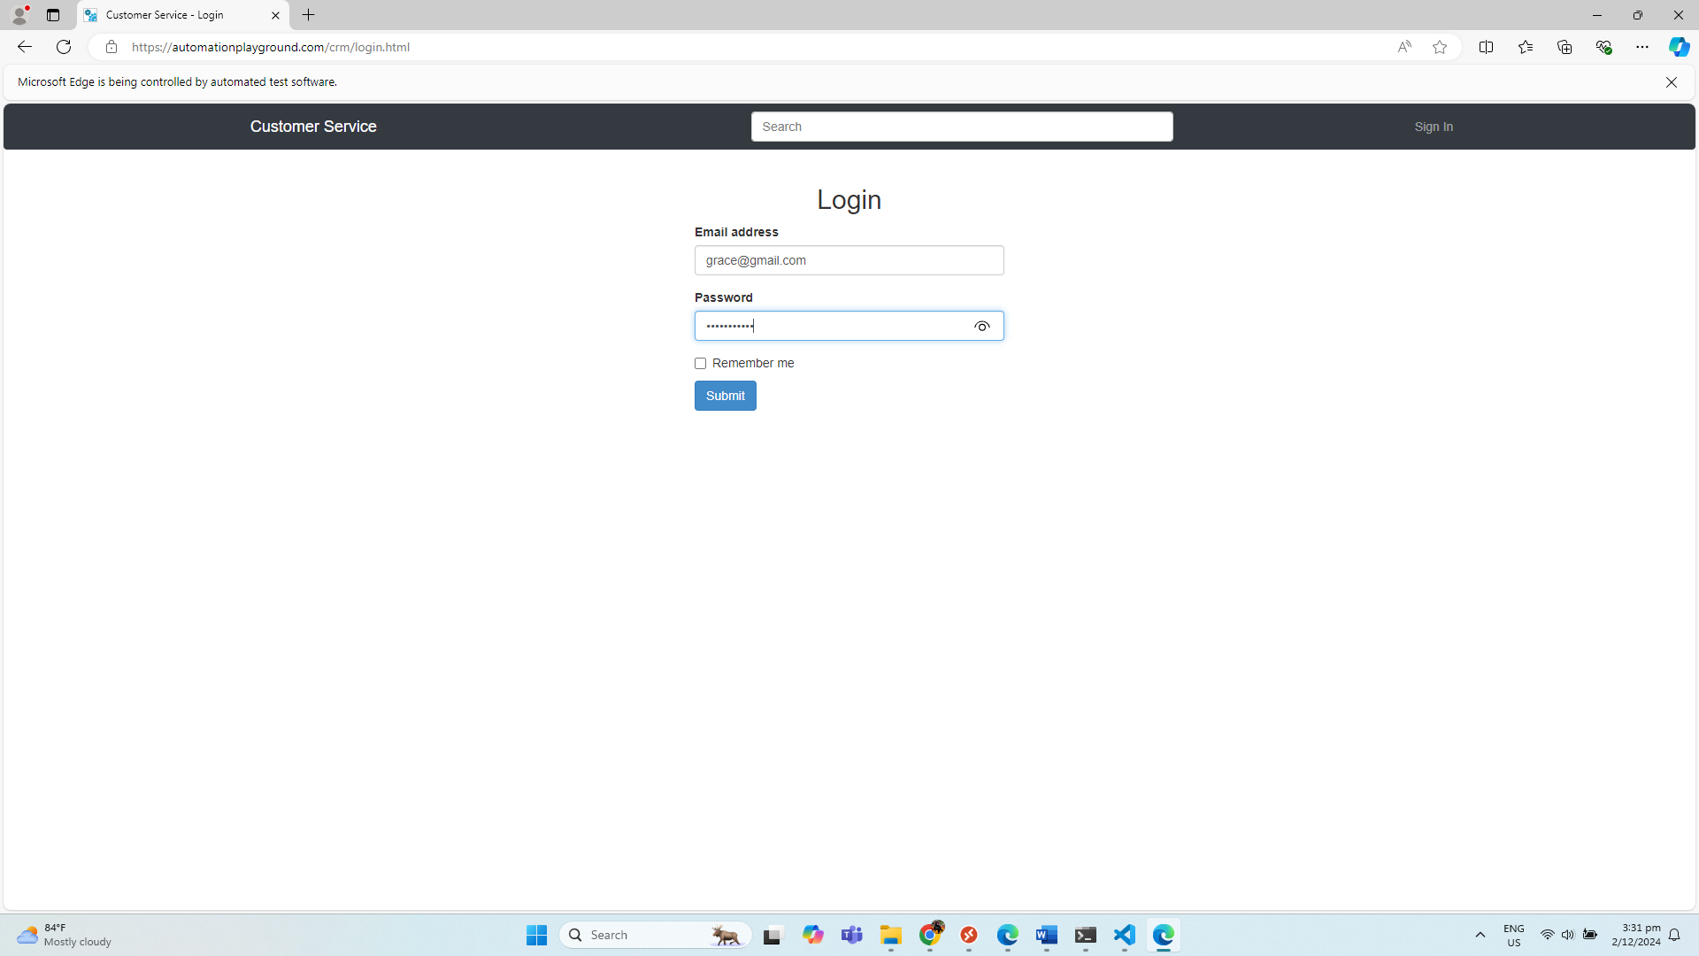

2 | LandingPage

