Login_2024-12-02_15-46-55
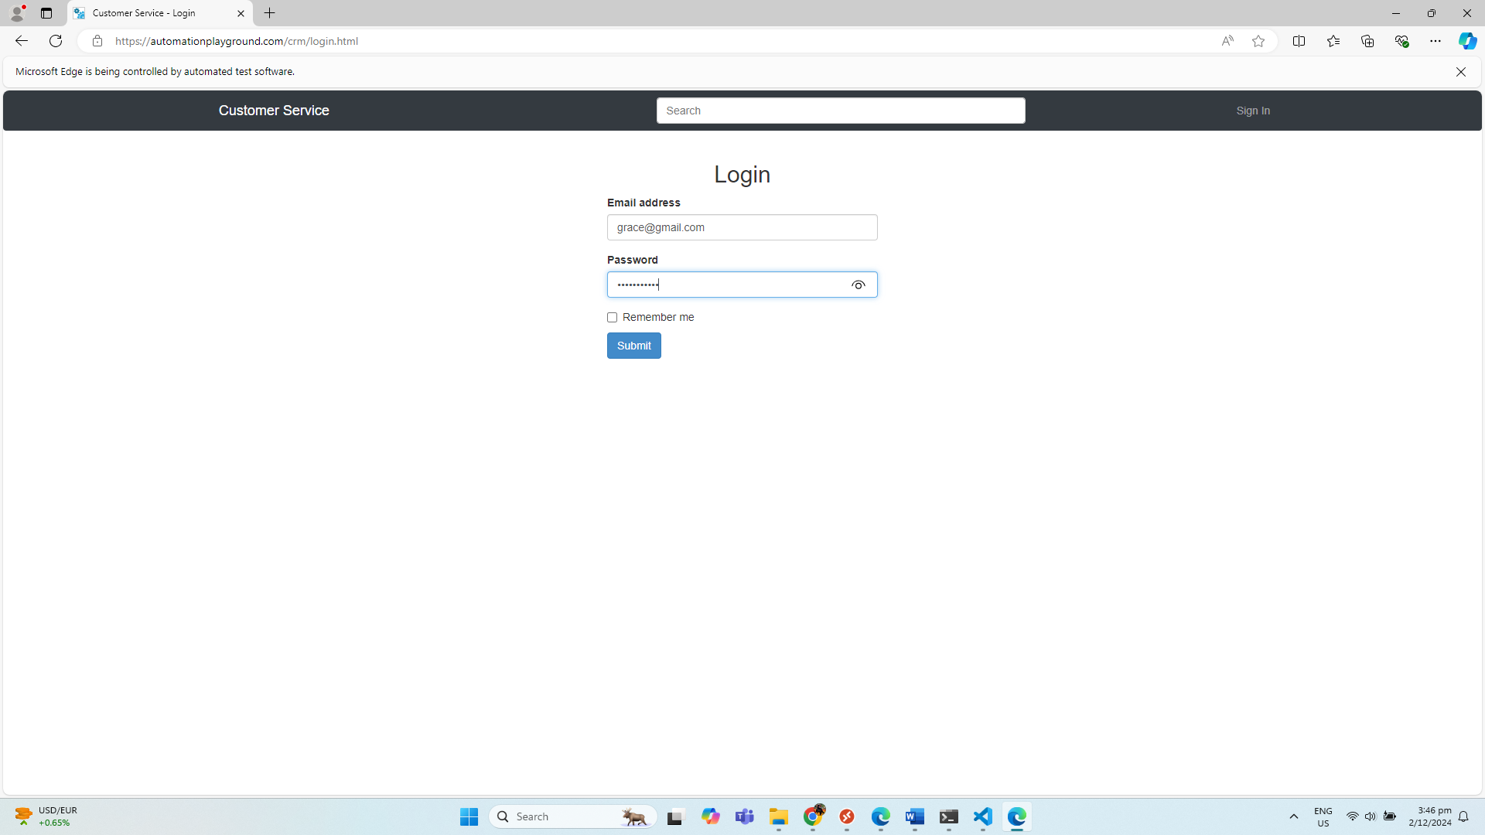
No. | Screenshot
1 | LandingPage
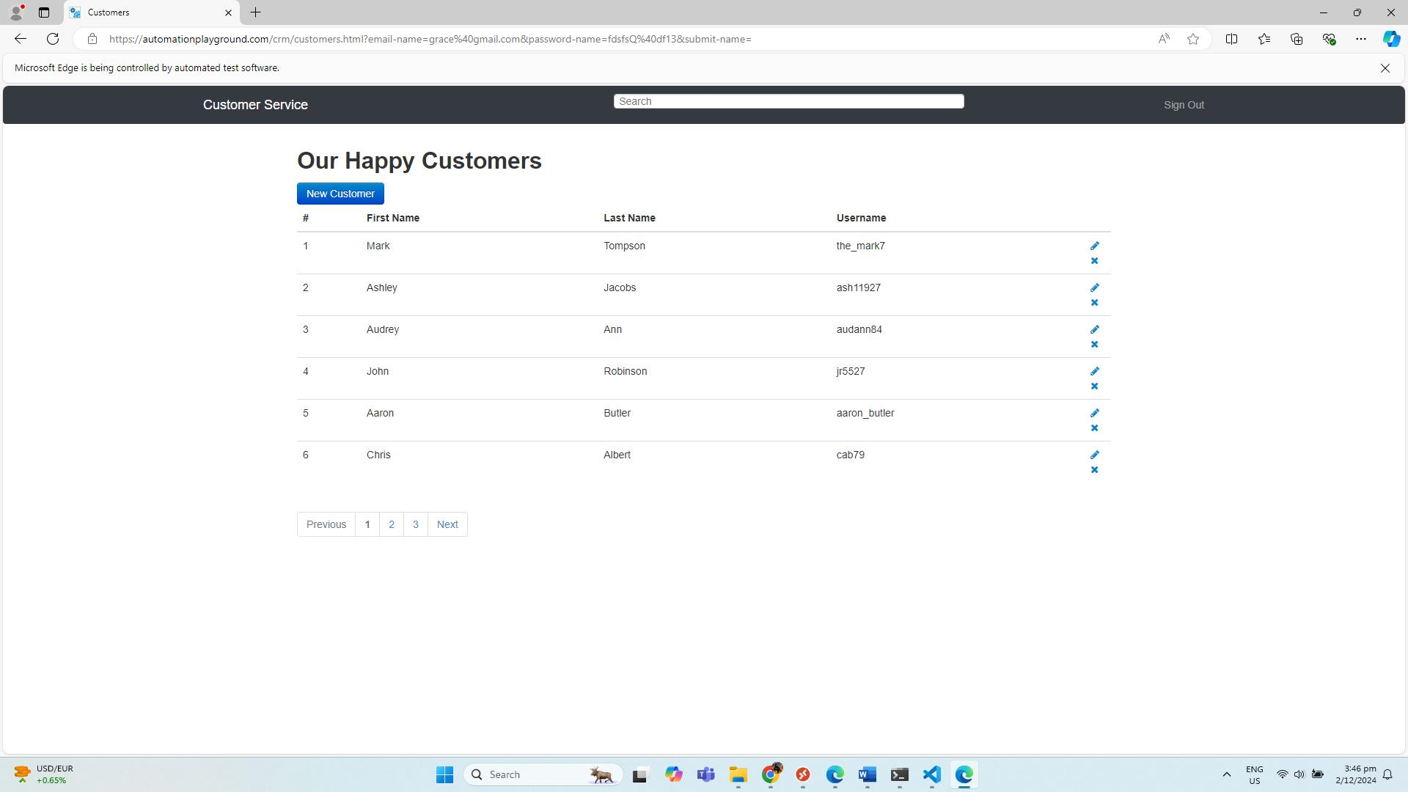

2 | LoginPage

