Cart_2024-12-06_17-52-31
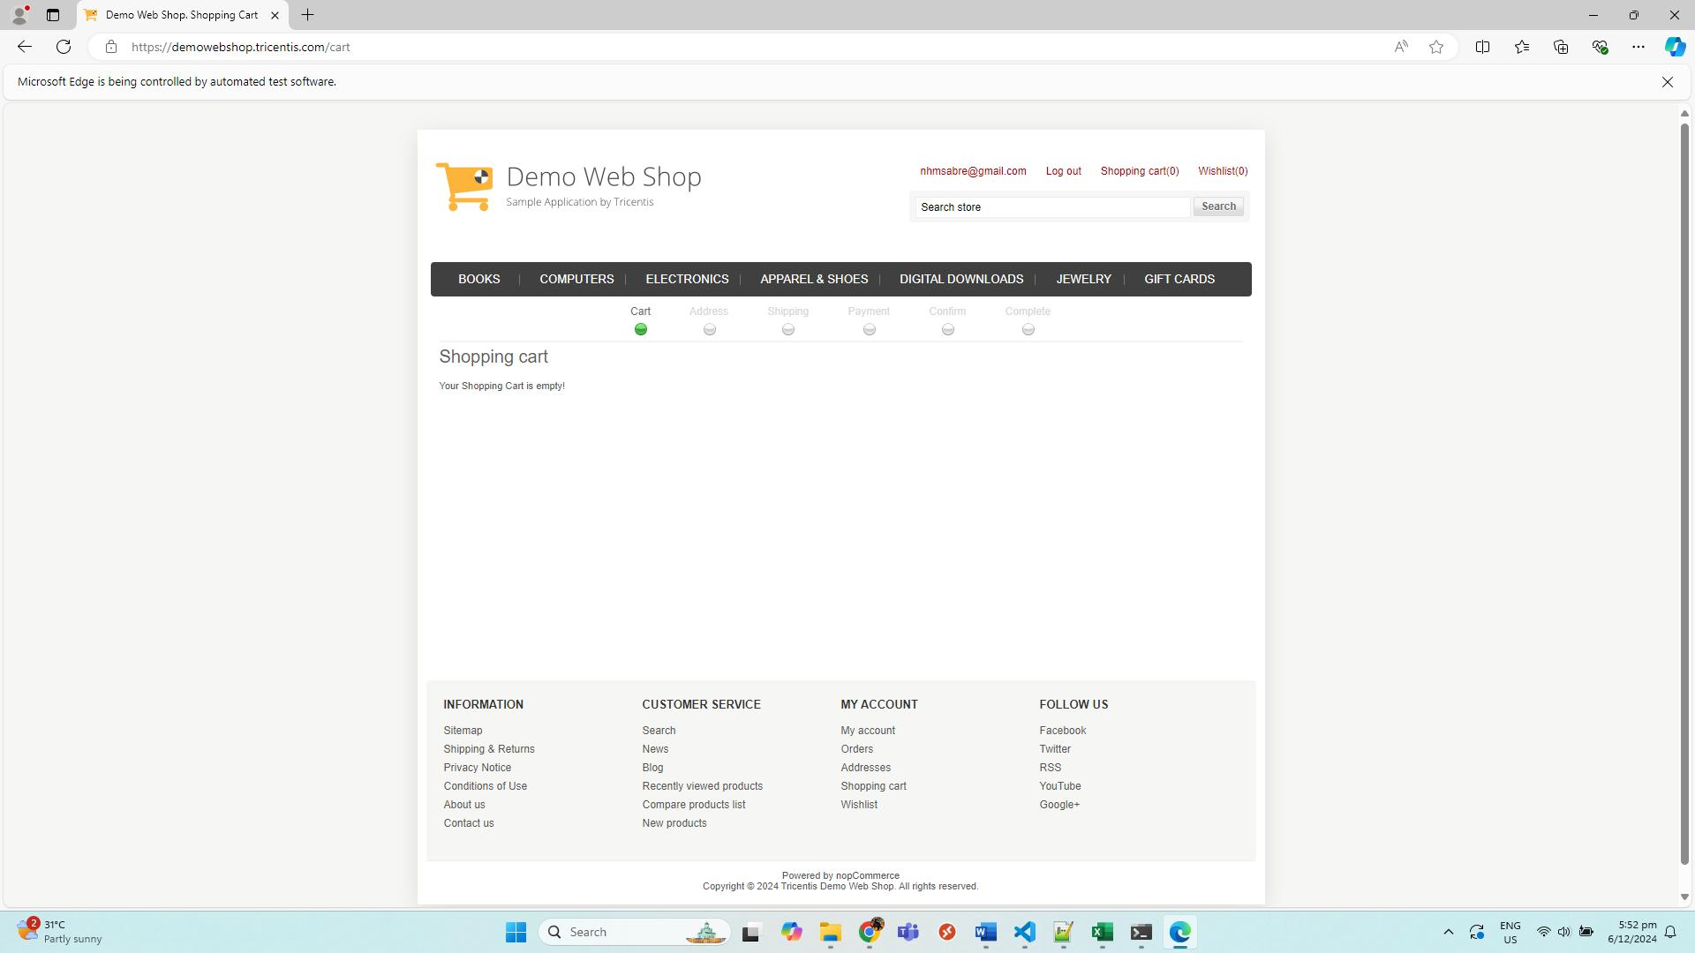
No. | Screenshot
1 | CartPage
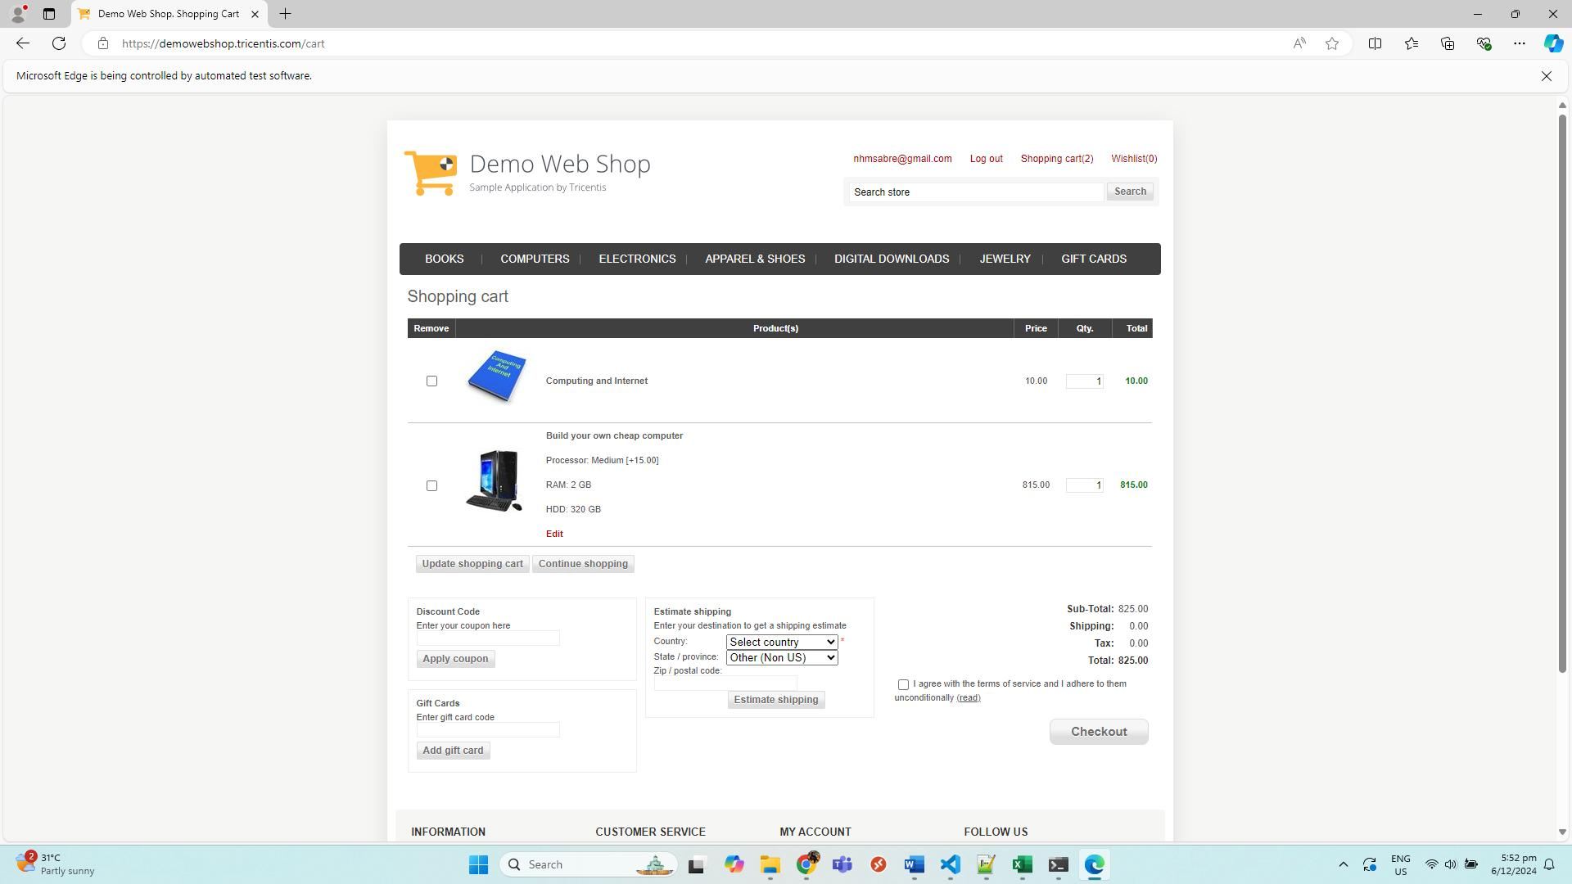

2 | CartPage_Checked
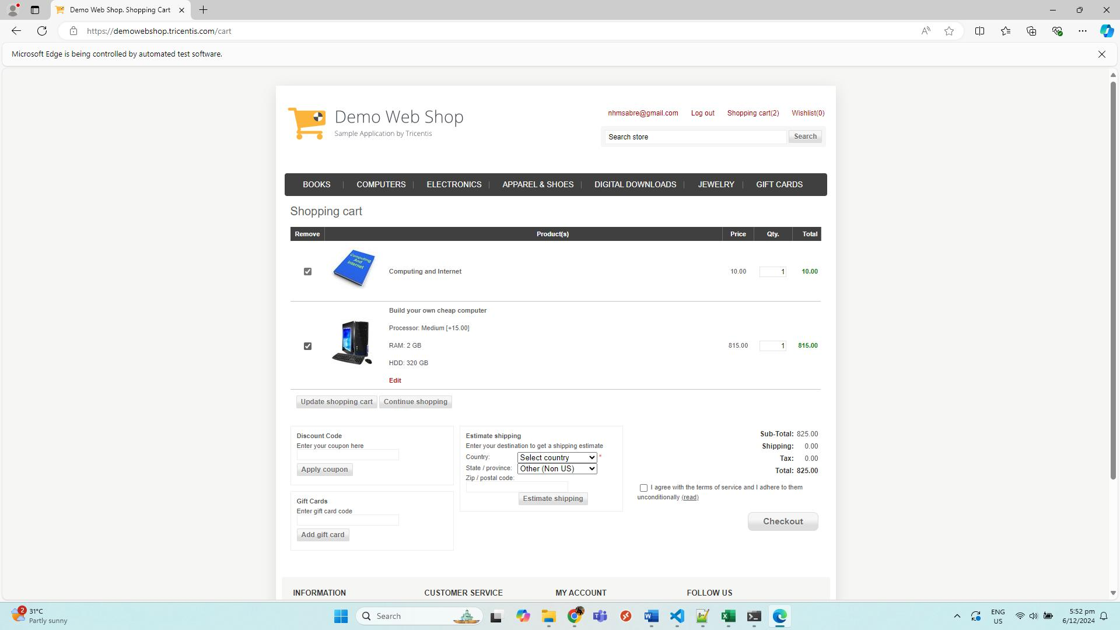

3 | CartPage_Qty

