Login_2024-12-06_17-52-15
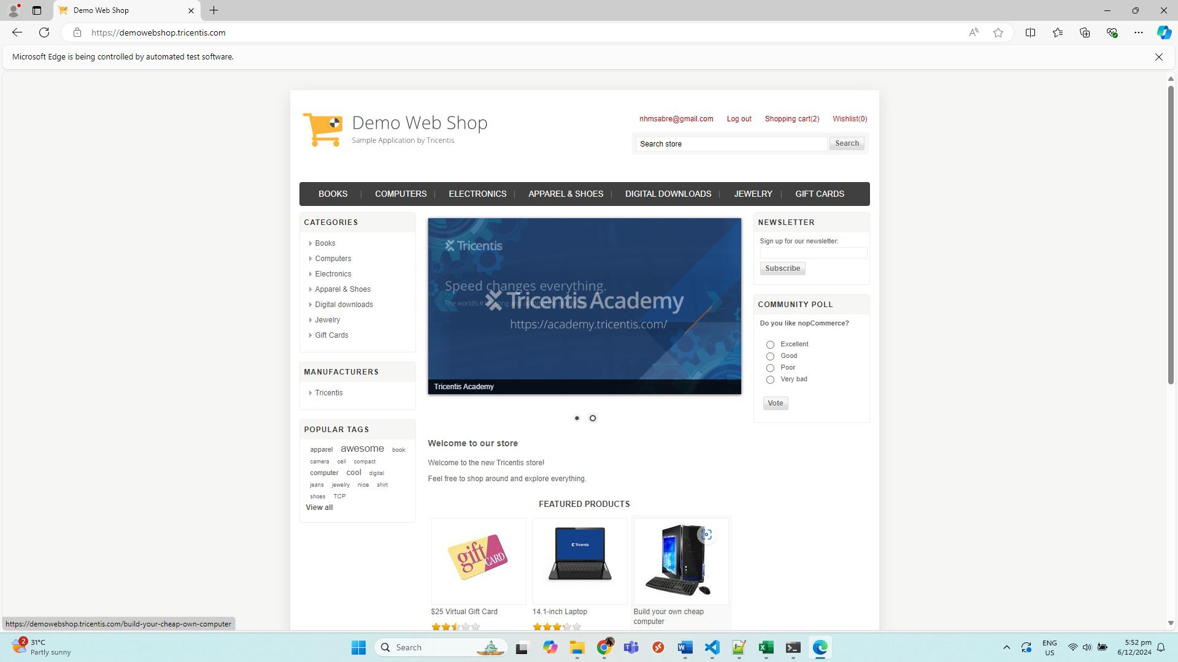
No. | Screenshot
1 | LoginPage
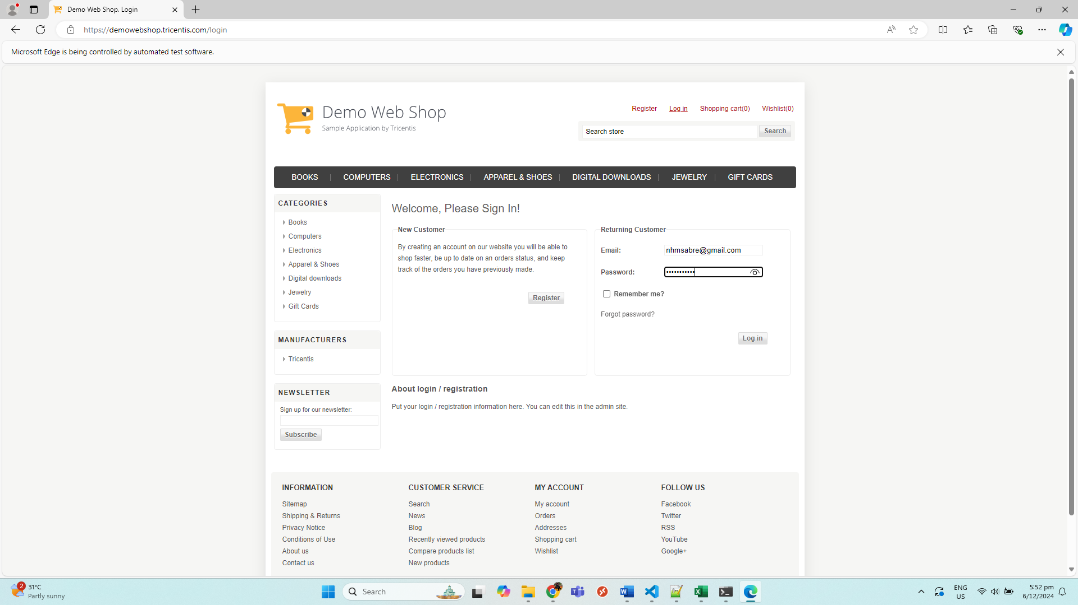

2 | MainPage

