Register_2024-12-06_17-51-58
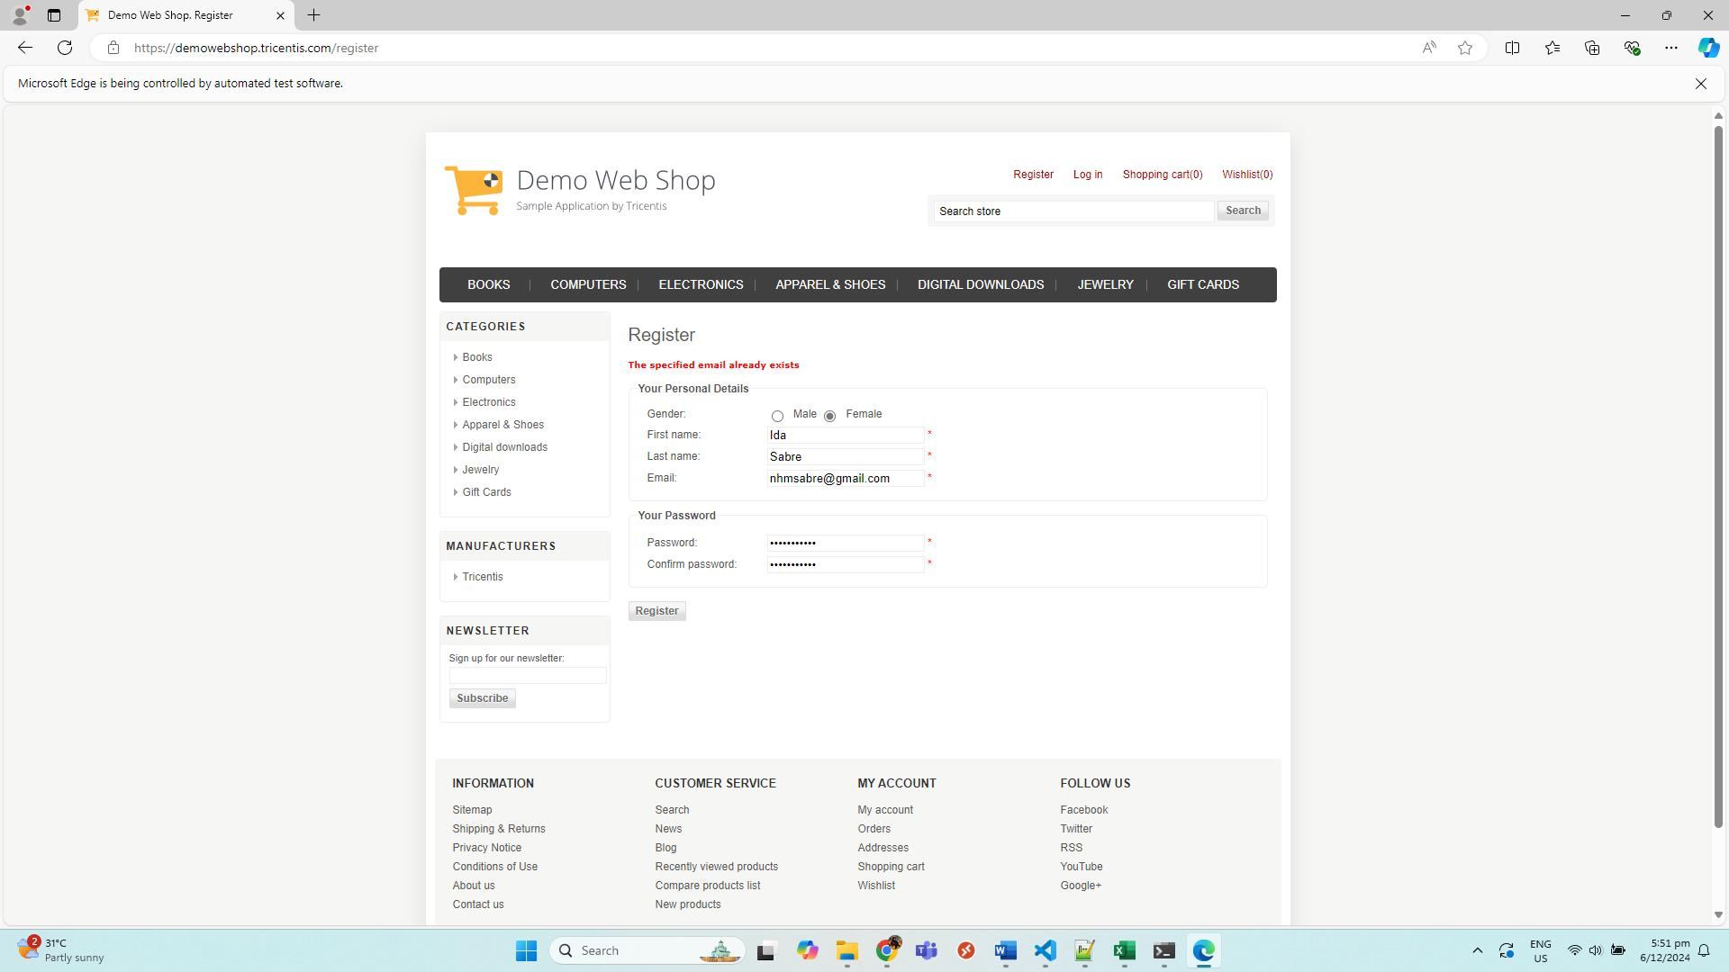
No. | Screenshot
1 | LandingPage
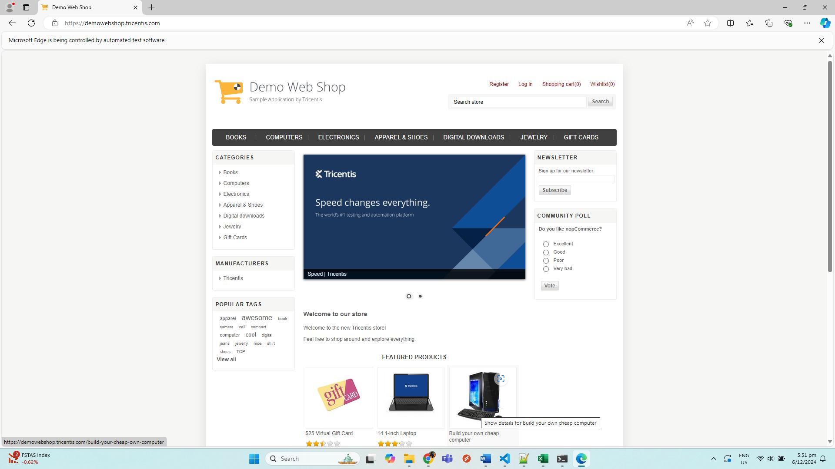

2 | RegisterPage
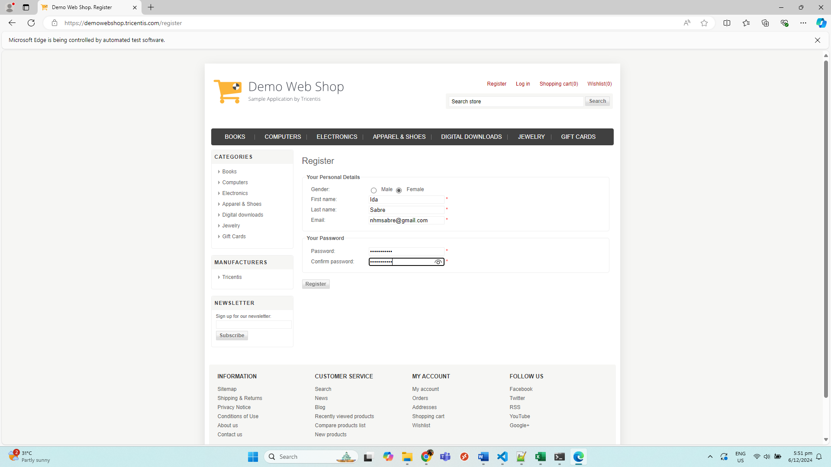

3 | registrationError

