Sheet1
1.任务池的内容与结构维护逻辑
1.1 任务池formart (ref to request_formart.h) |  |  | slice
类型 | 可能存在的赋值情况 | comment | nand
reqType : 4 | REQ_TYPE_SLICE 0x0 |  | dma
 | REQ_TYPE_NAND 0x1 | 这个队列与channel way(die)绑定的
 | REQ_TYPE_NVME_DMA 0x2
reqQueueType : 4 | REQ_QUEUE_TYPE_NONE 0x0
 | REQ_QUEUE_TYPE_FREE 0x1
 | REQ_QUEUE_TYPE_SLICE 0x2
 | REQ_QUEUE_TYPE_BLOCKED_BY_BUF_DEP 0x3
 | REQ_QUEUE_TYPE_BLOCKED_BY_ROW_ADDR_DEP 0x4 | 这个队列与channel way(die)绑定的
 | REQ_QUEUE_TYPE_NVME_DMA 0x5
 | REQ_QUEUE_TYPE_NAND 0x6
unsigned int reqCode : 8 | REQ_CODE_WRITE 0x00
 | REQ_CODE_READ 0x08
 | REQ_CODE_READ_TRANSFER 0x09
 | REQ_CODE_ERASE 0x0C
 | REQ_CODE_RESET 0x0D
 | REQ_CODE_SET_FEATURE 0x0E
 | REQ_CODE_FLUSH 0x0F
 | REQ_CODE_RxDMA 0x10
 | REQ_CODE_TxDMA 0x20

 | REQ_CODE_OCSSD_PHY_TYPE_BASE 0xA0 | 为OCSSD指令预留的拓展接口
 | REQ_CODE_OCSSD_PHY_WRITE 0xA0
 | REQ_CODE_OCSSD_PHY_READ 0xA8
 | REQ_CODE_OCSSD_PHY_ERASE 0xAC
nvmeCmdSlotTag : 16 |  | unknown目前，感觉原本的设计是从硬件端口读取过来的
logicalSliceAddr int(32bit) | tempLsa = startLba / NVME_BLOCKS_PER_SLICE; | startLba源自nvme cmd。
REQ_OPTION reqOpt | typedef struct _REQ_OPTION{ | 主要是配置信息
 | unsigned int dataBufFormat : 2;
 | unsigned int nandAddr : 2;
 | unsigned int nandEcc : 1;
 | unsigned int nandEccWarning : 1;
 | unsigned int rowAddrDependencyCheck : 1;
 | unsigned int blockSpace : 1;
 | unsigned int reserved0 : 24;
 | } REQ_OPTION, *P_REQ_OPTION;
DATA_BUF_INFO dataBufInfo |  | 记录此次req绑定的databuffer
NAND_INFO nandInfo | typedef struct _NAND_INFO{ | 实际上记录的是地址信息。必要时候记录下已经programmed的地址数量。
 | union {
 | unsigned int virtualSliceAddr;
 | struct {
 | unsigned int physicalCh : 4;
 | unsigned int physicalWay : 4;
 | unsigned int physicalBlock : 16;
 | unsigned int phyReserved0 : 8;
 | };
 | };
 | union {
 | unsigned int programmedPageCnt;
 | struct {
 | unsigned int physicalPage : 16;
 | unsigned int phyReserved1 : 16;
 | };
 | };
 | } NAND_INFO, *P_NAND_INFO;
NVME_DMA_INFO nvmeDmaInfo | typedef struct _NVME_DMA_INFO{
 | unsigned int startIndex : 16;
 | unsigned int nvmeBlockOffset : 16;
 | unsigned int numOfNvmeBlock : 16;
 | unsigned int reqTail : 8;
 | unsigned int reserved0 : 8;
 | unsigned int overFlowCnt;
 | } NVME_DMA_INFO, *P_NVME_DMA_INFO;
prpForEachReq; |  | 实际上应该添加进nvme_dma_info内
dataLengthForSlice;

prevReq : 16; |  | 队列维护指针，存在两种属性。正常的队列和被阻塞住任务的队列
nextReq : 16;
prevBlockingReq : 16;
nextBlockingReq : 16;

1.2 任务队列的构成与维护
队列类型： | 队列类型与上述的ReqQueueType一致
 | unsigned int headReq : 16;
 | unsigned int tailReq : 16;
 | unsigned int reqCnt : 16;
 | unsigned int reserved0 : 16;
InitReqPool()
维护对象： | typedef struct _REQ_POOL
 | {
 | SSD_REQ_FORMAT reqPool[AVAILABLE_OUNTSTANDING_REQ_COUNT]; | pool的数目是给每个die都分配了128个。dieNum = chNum * wayNum
 | } REQ_POOL, *P_REQ_POOL;
维护方式(初始化)： | 1.使用freeReqQ.headReq = 0; freeReqQ.tailReq = AVAILABLE_OUNTSTANDING_REQ_COUNT - 1; | 这一项目用来维护可用的request slot(type free)
 | 2.给每个类型queue都进行初始化。
 | 3.使用双向链表维护当前的空任务池。
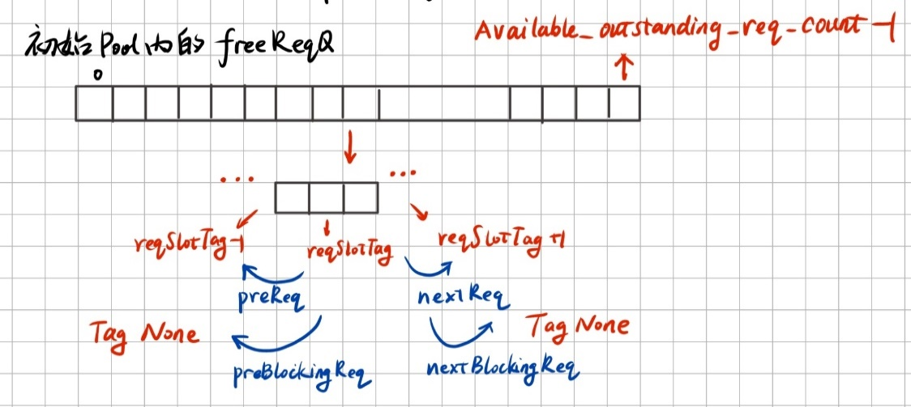

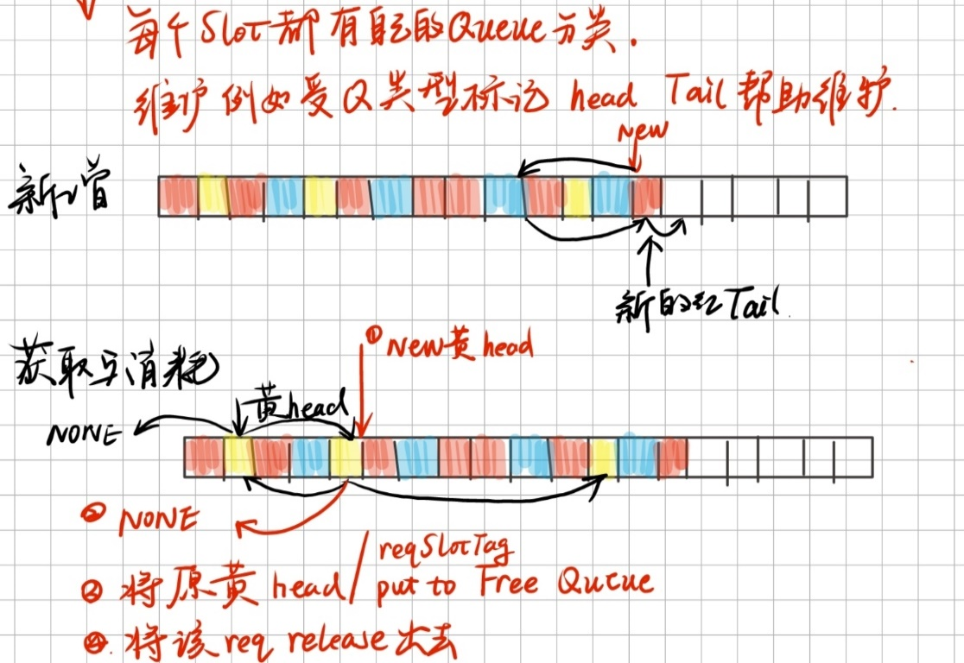
维护方式(put get)
 |  | 不同颜色代表不同的任务池

