Oak_DNA_extractions_for_nanopor
 | Desired DNA [ng]= | 400
 | Desired Vol.= | 7.5

Sample ID | Date | Time | ng/ul | A260 | A280 | 260/280 | 260/230 | Qubit_conc. | DNA_library | H20_library
1 | 2019-05-14 | 11:16:00 | 83.5 | 1.67 | 0.926 | 1.8 | 1.96 | 63.6 | 6.30 | 1.20
2 | 2019-05-14 | 11:17:00 | 56.96 | 1.139 | 0.628 | 1.81 | 1.86 | 39 | 10.25 | -2.75
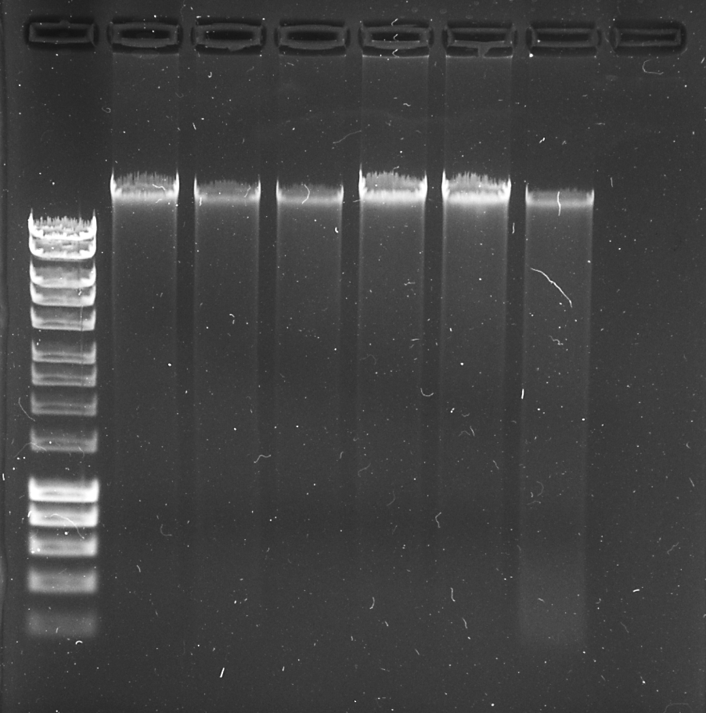
3 | 2019-05-14 | 11:18:00 | 50.17 | 1.003 | 0.573 | 1.75 | 1.82 | 21.8 | 18.35 | -10.85
4 | 2019-05-14 | 11:18:00 | 108.3 | 2.166 | 1.22 | 1.78 | 2.13 | 78.2 | 5.10 | 2.40
5 | 2019-05-14 | 11:19:00 | 113.68 | 2.274 | 1.273 | 1.79 | 2.05 | 80.6 | 4.95 | 2.55
6 | 2019-05-14 | 11:20:00 | 60.72 | 1.214 | 0.676 | 1.8 | 2.02 | 45.4 | 8.80 | -1.30
2* | 2019-05-14 | 17:22:00 | 250.06 | 5.001 | 2.745 | 1.82 | 2.02 | 162 | 2.45 | 5.05
3* | 2019-05-14 | 17:23:00 | 171.21 | 3.424 | 2.03 | 1.69 | 1.17 | 76.4 | 5.25 | 2.25

