Product Burndown
Time |  | Tasks
Day | Date | Planned | Actual
Wed | 2023-11-22 | 26 | 26 | Bold = completed.
Thu | 2023-11-23 | 25 | 25
 | Planned | Actual
Fri | 2023-11-24 | 24 | 25
Sat | 2023-11-25 | 24 | 24
Sun | 2023-11-26 | 24 | 24
Mon | 2023-11-27 | 24 | 24
Tue | 2023-11-28 | 23 | 24
Wed | 2023-11-29 | 23 | 24
Thu | 2023-11-30 | 23 | 24
Fri | 2023-12-01 | 23 | 23
Sat | 2023-12-02 | 22 | 23
Sun | 2023-12-03 | 21 | 20
Mon | 2023-12-04 | 20 | 18
Tue | 2023-12-05 | 19 | 18
Wed | 2023-12-06 | 18
Thu | 2023-12-07 | 18
Fri | 2023-12-08 | 17
Sat | 2023-12-09 | 17
Sun | 2023-12-10 | 17
Mon | 2023-12-11 | 16
Tue | 2023-12-12 | 16
Wed | 2023-12-13 | 16
Thu | 2023-12-14 | 15
Fri | 2023-12-15 | 14
Sat | 2023-12-16 | 14
Sun | 2023-12-17 | 13
Mon | 2023-12-18 | 12
Tue | 2023-12-19 | 12
Wed | 2023-12-20 | 11
Thu | 2023-12-21 | 11
Fri | 2023-12-22 | 10
Sat | 2023-12-23 | 10
Sun | 2023-12-24 | 10
Mon | 2023-12-25 | 9
Tue | 2023-12-26 | 9
Wed | 2023-01-03 | 8
Thu | 2023-01-04 | 8
Fri | 2023-01-05 | 7
Sat | 2023-01-06 | 7
Sun | 2023-01-07 | 6
Mon | 2023-01-08 | 6
Tue | 2023-01-09 | 5
Wed | 2023-01-10 | 4
Thu | 2023-01-11 | 4
Fri | 2023-01-12 | 3
Sat | 2023-01-13 | 3
Sun | 2023-01-14 | 2
Mon | 2023-01-15 | 2
Tue | 2023-01-16 | 1

Sprint 1 Burndown
Burndown Chart
Time |  | Tasks
Day | Date | Planned | Actual
Wed | 2023-11-22 | 8 | 8
Thurs | 2023-11-23 | 7 | 7
Fri | 2023-11-24 | 6 | 7
Sat | 2023-11-25 | 6 | 6
Sun | 2023-11-26 | 5 | 6
Mon | 2023-11-27 | 5 | 6
Tues | 2023-11-28 | 4 | 6
Wed | 2023-11-29 | 4 | 6
Thurs | 2023-11-30 | 4 | 6
Fri | 2023-12-01 | 4 | 5
Sat | 2023-12-02 | 3 | 5
Sun | 2023-12-03 | 3 | 2
Mon | 2023-12-04 | 2 | 0
Tues | 2023-12-05 | 1 | 0

 | Bold = completed

Mid-Sprint

Velocity
Seven tasks completed, one to go.
Testing
All two tasks passed testing.
Screenshots
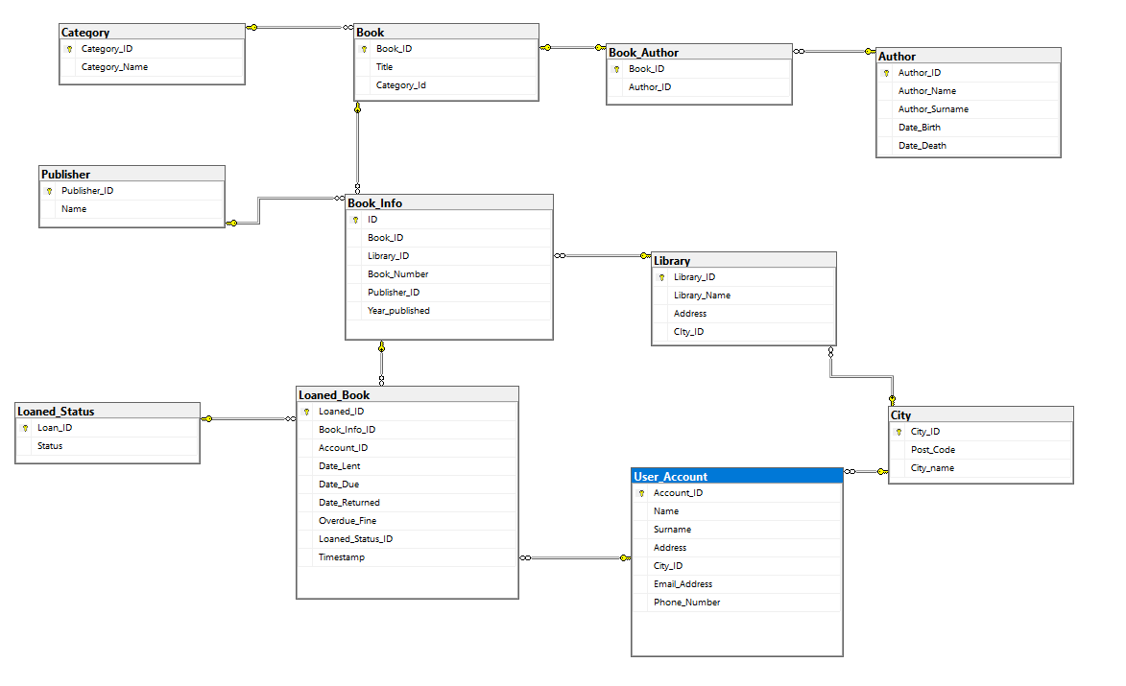
Code
https://github.com/JesusHernandez25/TomeTender

Sprint 1 Demo
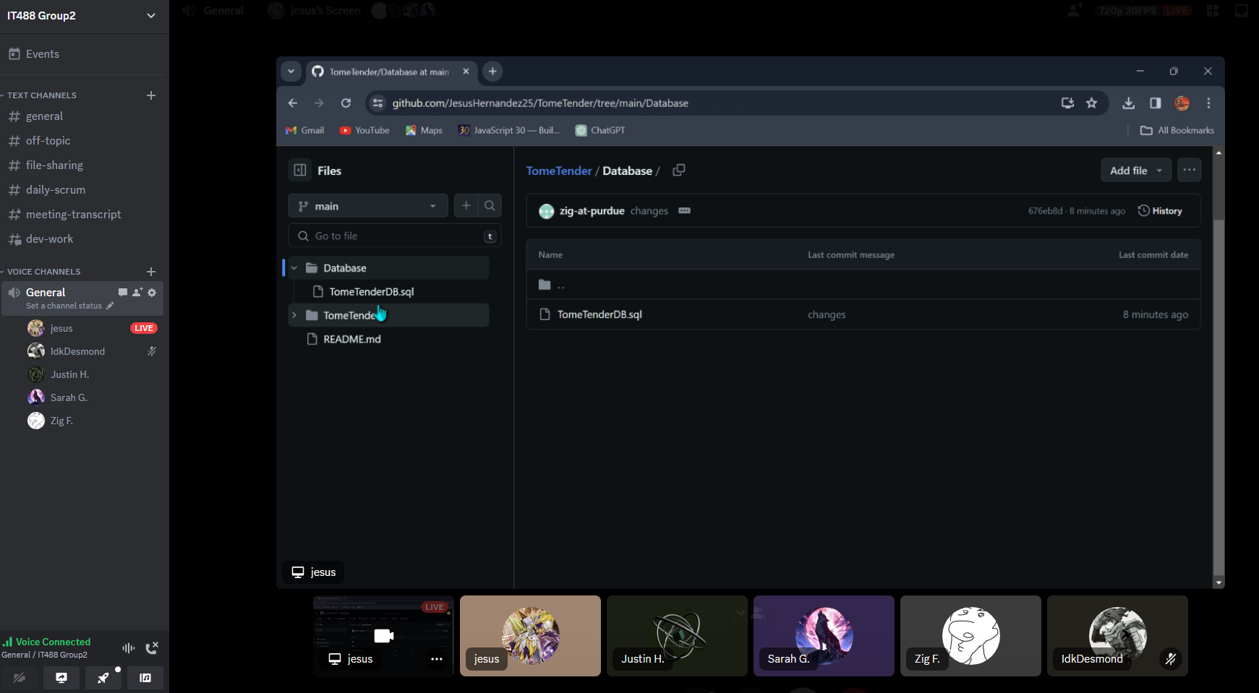
Task | By | Accepted | Notes
Create a Github repository | Jesus | Yes
Create Visual Studio Solution and Project | Jesus | Yes
Design Database | Justin | Yes
Create dummy data | Jesus | Yes
Create database roles | Desmond | Yes
Create database tables for book info | Jesus | Yes
Create database tables for library info and combining tables | Desmond | Yes
Testing database | All | Yes

Product owner accepts |  | Yes

Demo screenshots here

Sprint 1 Review
Done | Updated | Notes
2023-12-04 | Product backlog updated for new design concepts | None
 | PO satisifed with demo and sprint 1

Velocity
End-Sprint

Velocity consisted of 8 tasks assigned and 8 tasks completed. No adjustments needed. |  |  | Tasks Assigned | Tasks Completed
 |  |  | 8 | 8

Testing

All eight completed tasks passed testing.

Code
Completed | https://github.com/JesusHernandez25/TomeTender

Working

Review of sprint and product

Screenshots

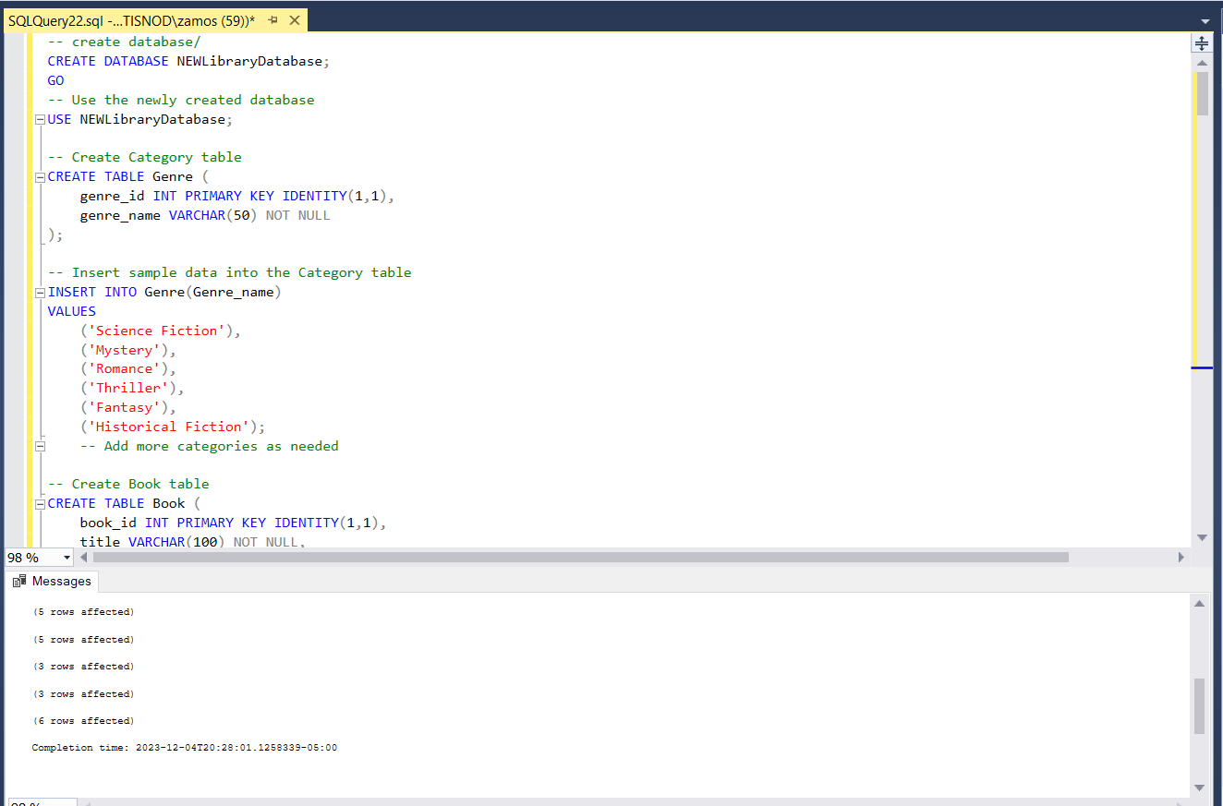
 | SQL Code running

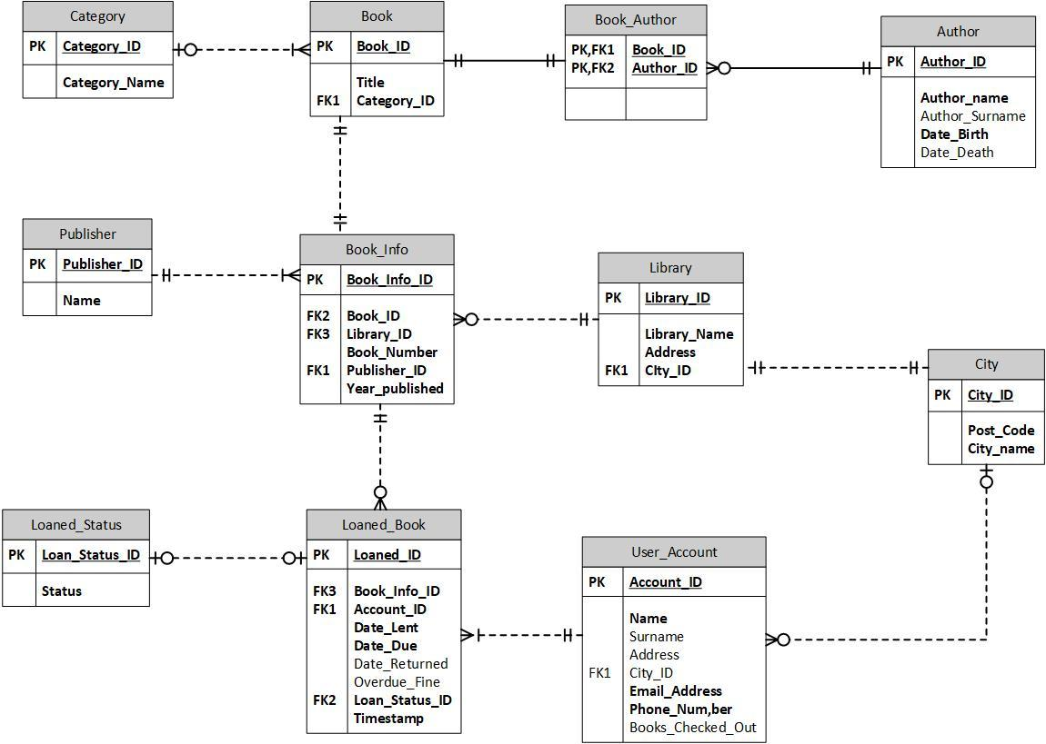
 | Database Diagram

