Dashboard
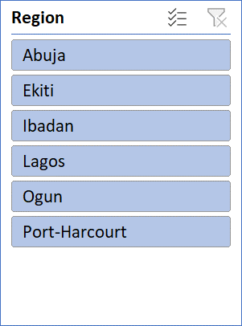
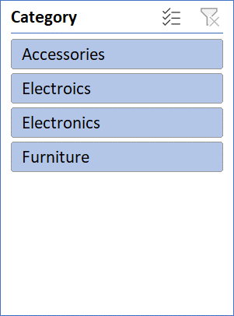
SALES PERFORMANCE DASHBOARD
 | Toatal Revenue | Total Orders | Average Revenue | Highest Sales
 | NGN 3,484,000.00 | 7 | NGN 497,714.29 | NGN 1,050,000.00

Sales by Region
 | Total
Abuja | 1050000
Ekiti | 460000
Ibadan | 64000
Lagos | 1460000
Ogun | 390000
Port-Harcourt | 60000
Monthly Sales Trend
 | Total
January | 1050000
February | 900000
March | 64000
April | 60000
May | 560000
June | 460000
July | 390000

