INFORMATION
NOTE: PLEASE FOLLOW THE RECOMMENDATIONS FOR A PROPER EXECUTION |  | HERE AN EXAMPLE

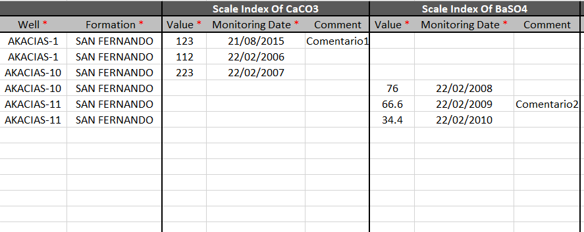
1 | Each added subparameter must contain on its row the corresponding "Well" and "Formation" names.
 | Wells and Formations used must be already created in IFDM Database.
2 | Well and Formation names must be written exactly as shown in IFDM Database.
3 | Each added subparameter must have "Value" and "Monitoring Date". "Comment" field is optional.
4 | Avoid typing "space" characters at the end and begging of each data input.
5 | Please do NOT modify column titles, tab titles or add any information to the standard tables format.
6 | Please insert dates with the following format: "dd/mm/yyyy".
7 | Avoid typing letter accents, symbols or any special characters along input data.
8 | All decimal numbers must be placed with dots "." instead of comas ",".
9 | Please follow a row sequence adding data to the tables avoiding to let empty rows.
10 | Any style change (font color, font type, font size, bold, italic, cell color ) is allowed for user ease.

Use this funcionality with caution!

