INFORMATION
NOTE: PLEASE FOLLOW THE RECOMMENDATIONS FOR A PROPER EXECUTION |  | HERE AN EXAMPLE

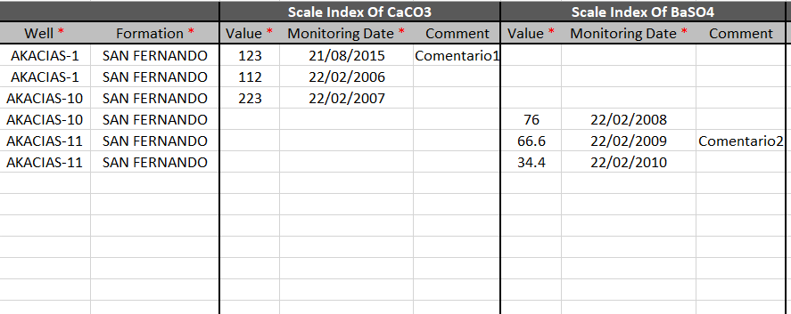
1 | Each added index must contain on its row the corresponding "Well" and "Formation" names.
2 | Each added index must have "Value" and "Monitoring Date". "Comment" field is optional.
3 | Avoid typing "space" characters at the end and begging of each data input.
4 | Please do NOT modify column titles, tab titles or add any information to the standard tables format.
5 | Please insert dates with the following format: "dd/mm/yyyy".
6 | Avoid typing letter accents, symbols or any special characters along input data.
7 | All decimal numbers must be placed with dots "." instead of comas ",".
8 | Please follow a row sequence adding data to the tables avoiding to let empty rows.
9 | Any style change (font color, font type, font size, bold, italic, cell color ) is allowed for user ease.
10 | Wells and Formations used must be already created in IFDM Database.

Use this funcionality with caution!

