Figure S1
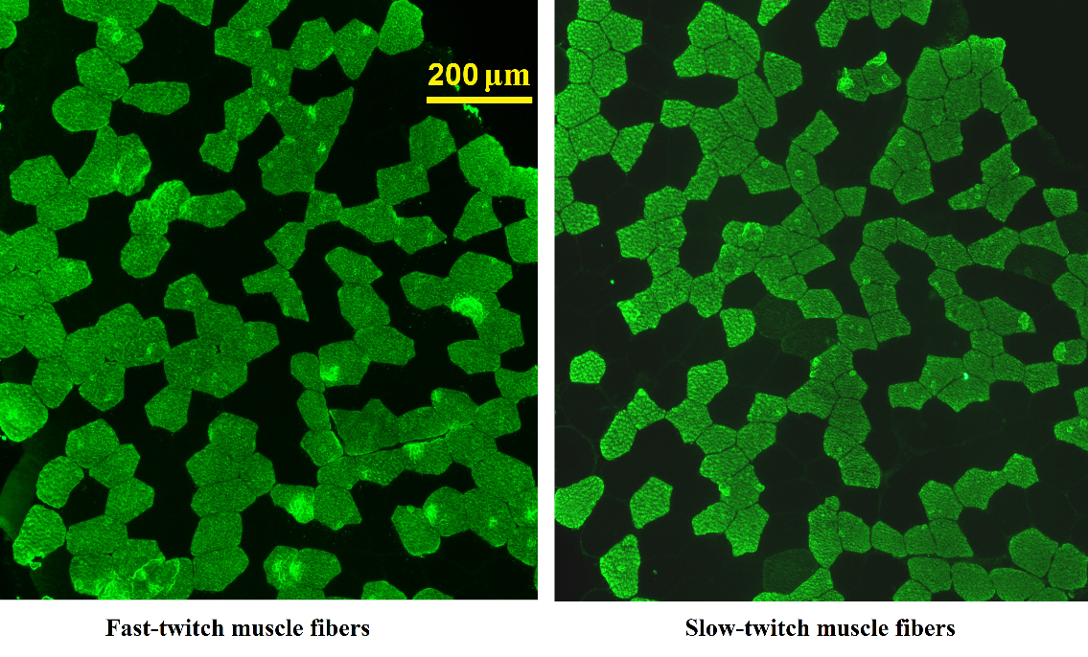

Figure S1. Microphotographs of the labelled muscle sections (immunohistochemistry)

