Planilha1
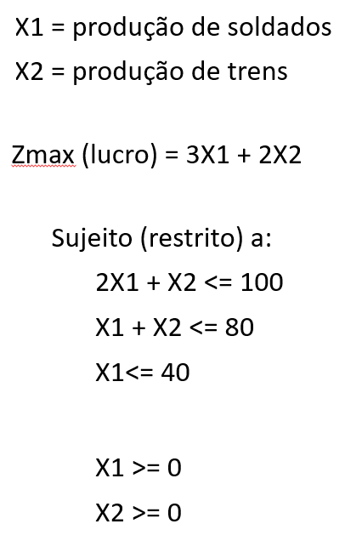
 |  |  |  |  |  |  |  |  |  |  |  |  |  |  |  | x2
 |  |  |  |  |  |  |  |  |  |  |  |  |  |  |  |  | 210
 |  |  |  |  |  |  |  |  |  |  |  |  |  |  |  |  | 200
 |  |  |  |  |  |  |  |  |  |  |  |  |  |  |  |  | 190
 |  |  |  |  |  |  |  |  |  |  |  |  |  |  |  |  | 180
 |  |  |  |  |  |  |  |  |  |  |  |  |  |  |  |  | 170 |  |  |  |  |  |  |  |  |  |  |  |  |  |  |  |  |  |  |  |  |  |  |  | 3x1+2x2=120
 |  |  |  |  |  |  |  |  |  |  |  |  |  |  |  |  | 160
 |  |  |  |  |  |  |  |  |  |  |  |  |  |  |  |  | 150 |  |  |  |  |  |  |  |  |  |  |  |  |  |  |  |  |  |  |  |  |  |  |  |  | x1 | x2
 |  |  |  |  |  |  |  |  |  |  |  |  |  |  |  |  | 140 |  |  |  |  |  |  |  |  |  |  |  |  |  |  |  |  |  |  |  |  |  |  |  |  | 0 | 60
 |  |  |  |  |  |  |  |  |  |  |  |  |  |  |  |  | 130 |  |  |  |  |  |  |  |  |  |  |  |  |  |  |  |  |  |  |  |  |  |  |  |  | 40 | 0
 |  |  |  |  |  |  |  |  |  |  |  |  |  |  |  |  | 120
 |  |  |  |  |  |  |  |  |  |  |  |  |  |  |  |  | 110
 |  |  |  |  |  |  |  |  |  |  |  |  |  |  |  |  | 100
 |  |  |  |  |  |  |  |  |  |  |  |  |  |  |  |  | 90
 |  |  |  |  |  |  |  |  |  |  |  |  |  |  |  |  | 80
 |  |  |  |  |  |  |  |  |  |  |  |  |  |  |  |  | 70
 |  |  |  |  |  |  |  |  |  |  |  |  |  |  |  |  | 60
 |  |  |  |  |  |  |  |  |  |  |  |  |  |  |  |  | 50
 |  |  |  |  |  |  |  |  |  |  |  |  |  |  |  |  | 40
 |  |  |  |  |  |  |  |  |  |  |  |  |  |  |  |  | 30
 |  |  |  |  |  |  |  |  |  |  |  |  |  |  |  |  | 20
 |  |  |  |  |  |  |  |  |  |  |  |  |  |  |  |  | 10 |  |  |  |  |  |  |  |  |  |  |  |  |  |  |  |  |  |  |  |  |  |  |  |  |  |  | 2x1+x2=100 | x1 | x2
-170 | -160 | -150 | -140 | -130 | -120 | -110 | -100 | -90 | -80 | -70 | -60 | -50 | -40 | -30 | -20 | -10 | 0 | 10 | 20 | 30 | 40 | 50 | 60 | 70 | 80 | 90 | 100 | 110 | 120 | 130 | 140 | 150 | 160 | 170 | 180 | 190 | 200 | 210 | 220 |  |  |  |  |  | 0 | 100
 |  |  |  |  |  |  |  |  |  |  |  |  |  |  |  |  | -10 |  |  |  |  |  |  |  |  |  |  |  |  |  |  |  |  |  |  |  |  |  |  | x1 |  |  |  |  | 50 | 0
 |  |  |  |  |  |  |  |  |  |  |  |  |  |  |  |  | -20 |  |  |  |  |  |  |  |  |  |  |  |  |  |  |  |  |  |  |  |  |  |  |  |  |  |  | x1+x2=80 | 0 | 80
 |  |  |  |  |  |  |  |  |  |  |  |  |  |  |  |  | -30 |  |  |  |  |  |  |  |  |  |  |  |  |  |  |  |  |  |  |  |  |  |  |  |  |  |  |  | 80 | 0
 |  |  |  |  |  |  |  |  |  |  |  |  |  |  |  |  | -40 |  |  |  |  |  |  |  |  |  |  |  |  |  |  |  |  |  |  |  |  |  |  |  |  |  |  | x1=40
 |  |  |  |  |  |  |  |  |  |  |  |  |  |  |  |  | -50
 |  |  |  |  |  |  |  |  |  |  |  |  |  |  |  |  |  |  |  |  |  |  | Z=60 |  | Z=120

