Tutorial How-To
Tutorial How-To

This tutorial requires an API key for interaction. If you don't have an API key, you can sign up for one via the Anthropic Console or view our static tutorial answer key instead.

How to get started
1. Make a copy of this sheet and save it to your personal Google Drive 2. Install the Claude for Sheets extension (it may already be installed, in which case, skip to step 3)
 |  | a. Go to the Claude for Sheets extension listing
 |  | b. Click the blue install button

3. Enable use of the Claude for Sheets extension on this document:
 |  | a. In the Extensions menu in the toolbar, go to Add-ons > Manage add-ons
 |  | b. Click the kebab / triple dot options menu on the top right corner of the Claude for Sheets extension

 |  | c. Make sure "Use in this document" is checked

4. Add your API key
 |  | a. Acquire your unique Anthropic API key following these instructions
 |  | b. Enable your extension by entering your API key at Extensions > Claude for Sheets™ > Enter your Anthropic API Key

 |  | 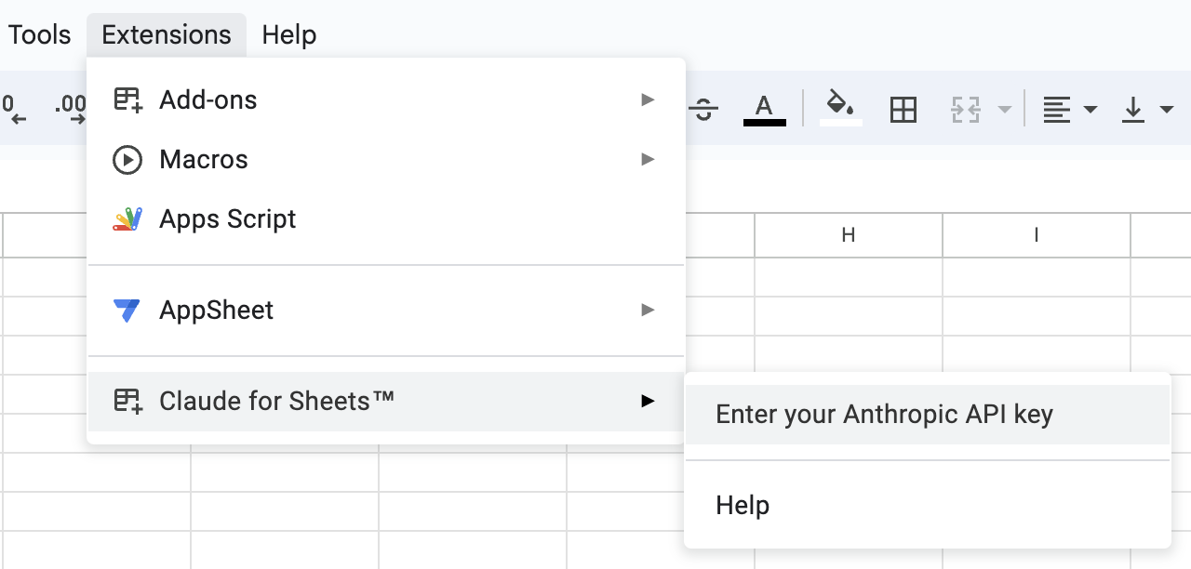

Usage Notes & Tips 💡
This course uses Claude 3 Haiku with temperature 0. We will talk more about temperature later in the course. For now, it's enough to understand that these settings yield faster and more deterministic results. All prompt engineering techniques in this course also apply to other Claude models. To add a new line in a cell, do the following while editing a cell:
 | Mac: Cmd + Enter
 | Windows: Alt + Enter

To navigate to other pages:
 | 1. Click on the gray navigational links at the bottom of each page or at the top right corner of each page section
 | 2. Click on the blue-linked pop-up

When you arrive at the correct answer, Claude's response cell will turn GREEN.

Feel free to make more copies of this sheet as needed.

Claude model: |  |  | claude-3-haiku-20240307

 |  |  |  | Introduction & Table of Contents →

