Category Statistics
country | (All)
Parent Category Outcomes
Count of outcomes | Column Labels
Row Labels | canceled | failed | live | successful | Grand Total
theater | 37 | 493 | 24 | 839 | 1393
Grand Total | 37 | 493 | 24 | 839 | 1393

Subcategory Statistics
country | (All)
Parent Category | (All)

Count of outcomes | Column Labels
Row Labels | failed | live | successful | Grand Total
plays | 353 | 19 | 694 | 1066
Grand Total | 353 | 19 | 694 | 1066

Outcomes Based on Launch Date
Outcomes Based on Launch Date
 | canceled | failed | live | successful
Jan | 7 | 33 | 2 | 56
Feb | 3 | 39 | 8 | 71
Mar | 3 | 33 | 14 | 56
Apr | 2 | 40 |  | 71
May | 3 | 52 |  | 111
Jun | 4 | 49 |  | 100
Jul | 1 | 50 |  | 87
Aug | 4 | 47 |  | 72
Sep | 4 | 34 |  | 59
Oct |  | 50 |  | 65
Nov | 3 | 31 |  | 54
Dec | 3 | 35 |  | 37
Parent Category | theater
Years | (All)
Quarters | (All)

Count of Outcomes | Column Labels
Row Labels | canceled | failed | live | successful | Grand Total
Jan | 7 | 33 | 2 | 56 | 98
Feb | 3 | 39 | 8 | 71 | 121
Mar | 3 | 33 | 14 | 56 | 106
Apr | 2 | 40 |  | 71 | 113
May | 3 | 52 |  | 111 | 166
Jun | 4 | 49 |  | 100 | 153
Jul | 1 | 50 |  | 87 | 138
Aug | 4 | 47 |  | 72 | 123
Sep | 4 | 34 |  | 59 | 97
Oct |  | 50 |  | 65 | 115
Nov | 3 | 31 |  | 54 | 88
Dec | 3 | 35 |  | 37 | 75
Grand Total | 37 | 493 | 24 | 839 | 1393

PROJECT CHARTS
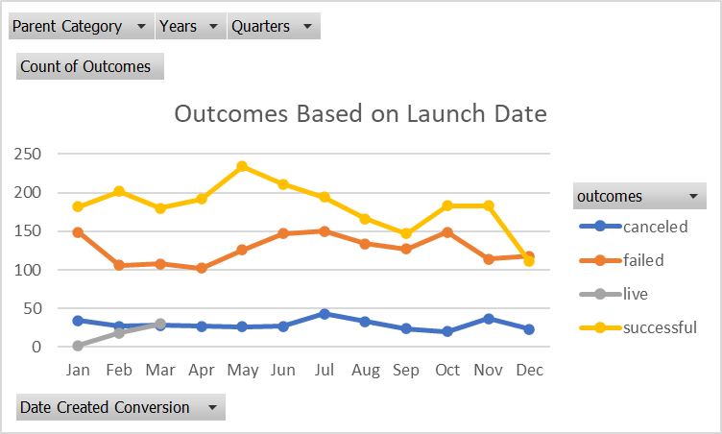
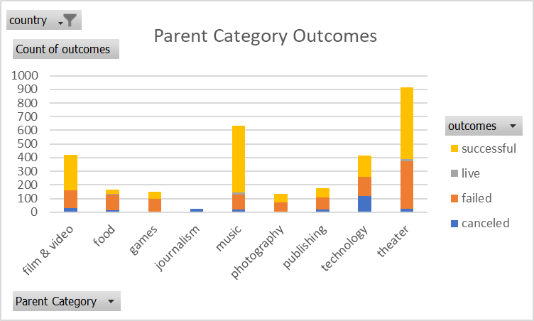

DESCRIPTIVE STATISTICS
 | SUCCESSFUL | FAILED
MEAN GOAL | $5,049 | $10,554
MEDIAN GOAL | $3,000 | $5,000
Standard Deviation of Goal | $7,743 | $21,934
Upper Quartile of Goal | $5,000 | $10,000
Lower Quartile of Goal | $1,500 | $2,000
IQR of Goal | $3,500 | $8,000

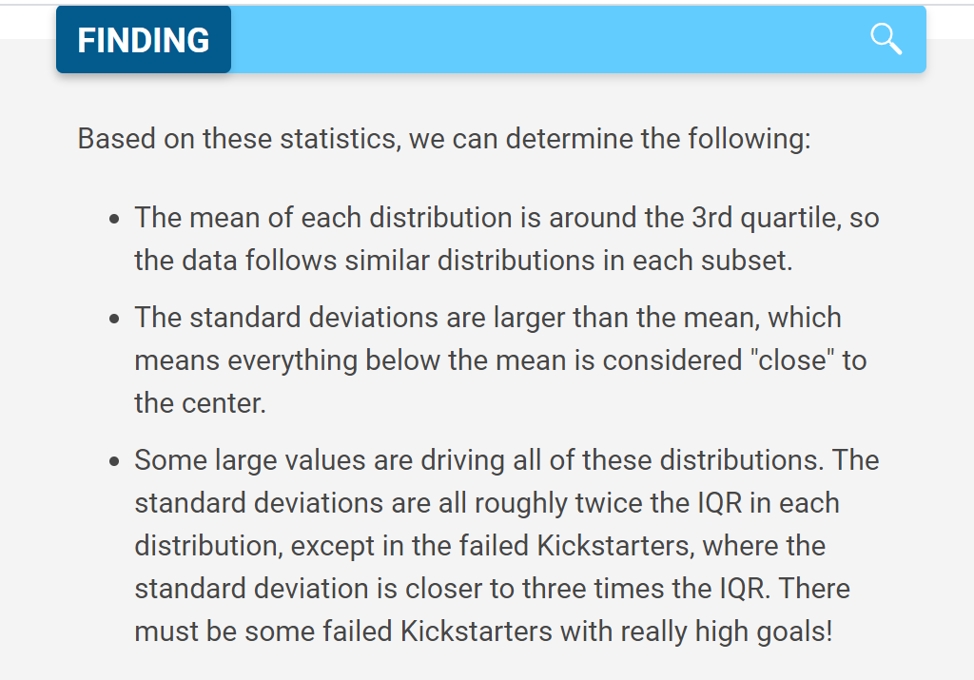
MEAN PLEDGE | $5,602 | $559
MEDIAN PLEDGE | $3,168 | $103
Standard Deviation of Pledge | $8,329 | $1,328
Upper Quartile of Pledge | $5,699 | $501
Lower Quartile of Pledge | $1,717 | $9
IQR of Pledge | $3,982 | $492

BOX PLOT CHART
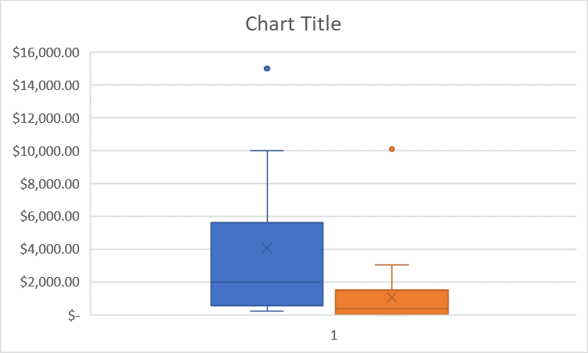
outlier
highest data point within 1.5 * IQR of upper quartile
upper quartile
mean
median
lower quartile
lowest data point within 1.5 * IQR of upper quartile
GOAL
PLEDGED

